YR07
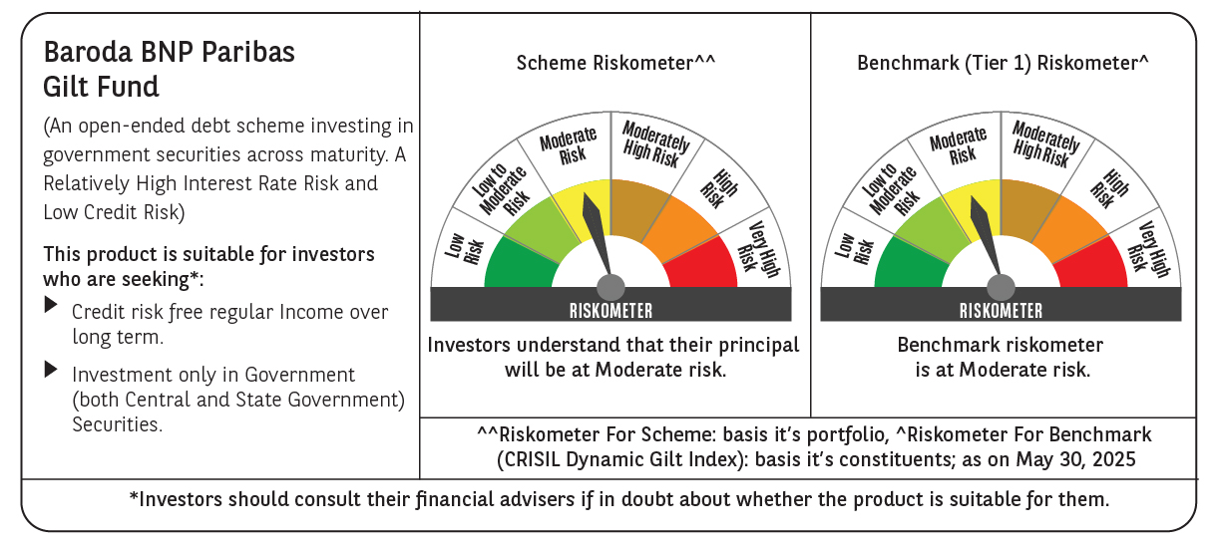

 | Baroda BNP Paribas Gilt Fund

 | Monthly Portfolio Statement as on May 31, 2025
 | Name of the Instrument | ISIN | Rating | Quantity | Market/Fair Value (Rs. in Lakhs) | % to Net Assets | YTM~ | YTC^ | null
 | Debt Instruments
 | (a) Listed / awaiting listing on Stock Exchange
GOI6156 | 6.79% Government of India (07/10/2034) | IN0020240126 | Sovereign | 39,250,000 | 40,660.21 | 23.08% | 6.37%
GOI5728 | 7.34% Government of India (22/04/2064) | IN0020240035 | Sovereign | 23,800,000 | 25,333.53 | 14.38% | 6.98%
GOI5713 | 7.1% Government of India (08/04/2034) | IN0020240019 | Sovereign | 15,293,200 | 16,121.79 | 9.15% | 6.39%
GOI6703 | 6.33% Government of India (05/05/2035) | IN0020250026 | Sovereign | 15,000,000 | 15,124.22 | 8.58% | 6.31%
GOI5228 | 7.18% Government of India (14/08/2033) | IN0020230085 | Sovereign | 9,277,500 | 9,815.92 | 5.57% | 6.36%
GOI3591 | 6.91% State Government Securities (15/09/2033) | IN2220210248 | Sovereign | 6,400,000 | 6,547.87 | 3.72% | 6.65%
GOI5470 | 7.74% State Government Securities (10/01/2036) | IN1920230183 | Sovereign | 5,500,000 | 5,944.03 | 3.37% | 6.78%
GOI5413 | 7.72% State Government Securities (06/12/2035) | IN1920230100 | Sovereign | 5,000,000 | 5,407.00 | 3.07% | 6.74%
GOI4967 | 7.65% State Government Securities (01/02/2033) | IN1520220212 | Sovereign | 5,000,000 | 5,322.27 | 3.02% | 6.67%
GOI5590 | 7.43% State Government Securities (28/02/2035) | IN2220230253 | Sovereign | 5,000,000 | 5,281.14 | 3.00% | 6.75%
GOI5006 | 7.74% State Government Securities (01/03/2033) | IN2220220189 | Sovereign | 4,500,000 | 4,817.59 | 2.73% | 6.67%
GOI6435 | 7.08% State Government Securities (12/08/2031) | IN1920240232 | Sovereign | 4,000,000 | 4,161.68 | 2.36% | 6.38%
GOI6320 | 6.79% Government of India (30/12/2031) | IN0020240191 | Sovereign | 3,750,000 | 3,906.00 | 2.22% | 6.10%
GOI5452 | 7.74% State Government Securities (03/01/2034) | IN1920230167 | Sovereign | 3,500,000 | 3,744.11 | 2.12% | 6.77%
GOI5281 | 7.47% State Government Securities (13/09/2034) | IN2220230121 | Sovereign | 3,500,000 | 3,697.36 | 2.10% | 6.75%
GOI5348 | 7.73% State Government Securities (01/11/2035) | IN1920230043 | Sovereign | 2,500,000 | 2,703.87 | 1.53% | 6.74%
GOI5280 | 7.46% State Government Securities (13/09/2033) | IN2220230113 | Sovereign | 2,500,000 | 2,643.94 | 1.50% | 6.65%
GOI6482 | 7.21% State Government Securities (05/03/2035) | IN1520240277 | Sovereign | 2,500,000 | 2,599.90 | 1.48% | 6.76%
GOI2950 | 6.61% State Government Securities (02/09/2035) | IN1920200202 | Sovereign | 2,500,000 | 2,502.50 | 1.42% | 6.70%
GOI6794 | 6.64% State Government Securities (21/05/2036) | IN1520250052 | Sovereign | 2,500,000 | 2,498.97 | 1.42% | 6.76%
GOI6030 | 7.22% State Government Securities (07/08/2034) | IN2220240104 | Sovereign | 2,216,500 | 2,302.89 | 1.31% | 6.75%
GOI5573 | 7.46% State Government Securities (21/02/2035) | IN2220230238 | Sovereign | 1,000,000 | 1,058.27 | 0.60% | 6.75%
GOI5379 | 7.32% Government of India (13/11/2030) | IN0020230135 | Sovereign | 970,000 | 1,031.43 | 0.59% | 6.03%
 | Sub Total |  |  |  | 173,226.49 | 98.32%
 | (b) Privately placed / Unlisted |  |  |  | NIL | NIL
 | Sub Total |  |  |  | NIL | NIL
 | Total |  |  |  | 173,226.49 | 98.32%
 | Reverse Repo / TREPS
TRP_020625 | Clearing Corporation of India Ltd |  |  |  | 2,278.57 | 1.29% | 5.77%
 | Sub Total |  |  |  | 2,278.57 | 1.29%
 | (b) Privately placed / Unlisted |  |  |  | NIL | NIL
 | Sub Total |  |  |  | NIL | NIL
 | Total |  |  |  | 2,278.57 | 1.29%
 | Net Receivables / (Payables) |  |  |  | 691.17 | 0.39%
 | GRAND TOTAL |  |  |  | 176,196.23 | 100.00%

 | ~ YTM as on May 31, 2025
 | ^ YTC represents Yield to Call provided by valuation agencies as on May 31, 2025. It is disclosed for Perpetual Bond issued by Banks (i.e. AT-1 Bond / Tier 1 Bond / Tier 2 Bond), as per AMFI Best Practices Guidelines Circular no. 135/BP/91/2020-21 read with SEBI circular No. SEBI/HO/IMD/DF4/CIR/P/2021/034 on Valuation of AT-1 Bonds and Tier 2 Bonds.

