YR07
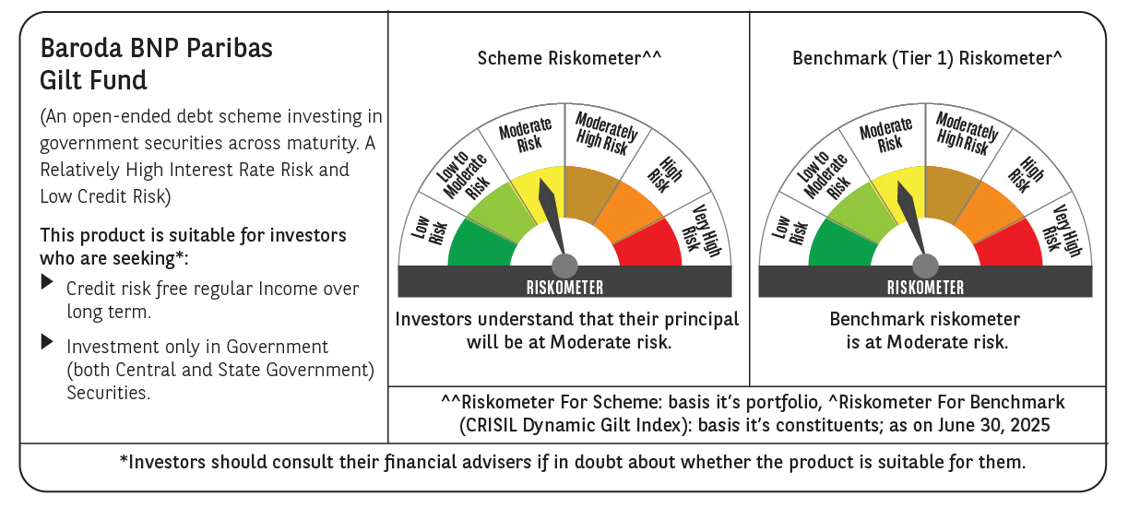

 | Baroda BNP Paribas Gilt Fund

 | Monthly Portfolio Statement as on June 30, 2025
 | Name of the Instrument | ISIN | Rating | Quantity | Market/Fair Value (Rs. in Lakhs) | % to Net Assets | YTM~ | YTC^ | null
 | Debt Instruments
 | (a) Listed / awaiting listing on Stock Exchange
GOI6156 | 6.79% Government of India (07/10/2034) | IN0020240126 | Sovereign | 43,850,000 | 45,086.26 | 27.41% | 6.48%
GOI5728 | 7.34% Government of India (22/04/2064) | IN0020240035 | Sovereign | 28,800,000 | 29,665.09 | 18.04% | 7.24%
GOI6703 | 6.33% Government of India (05/05/2035) | IN0020250026 | Sovereign | 22,500,000 | 22,519.78 | 13.69% | 6.42%
GOI3591 | 6.91% State Government Securities (15/09/2033) | IN2220210248 | Sovereign | 8,500,000 | 8,604.75 | 5.23% | 6.82%
GOI5228 | 7.18% Government of India (14/08/2033) | IN0020230085 | Sovereign | 6,977,500 | 7,314.99 | 4.45% | 6.51%
GOI5413 | 7.72% State Government Securities (06/12/2035) | IN1920230100 | Sovereign | 5,000,000 | 5,326.06 | 3.24% | 6.95%
GOI4967 | 7.65% State Government Securities (01/02/2033) | IN1520220212 | Sovereign | 5,000,000 | 5,269.30 | 3.20% | 6.84%
GOI5590 | 7.43% State Government Securities (28/02/2035) | IN2220230253 | Sovereign | 5,000,000 | 5,212.72 | 3.17% | 6.94%
GOI6435 | 7.08% State Government Securities (12/08/2031) | IN1920240232 | Sovereign | 4,000,000 | 4,096.18 | 2.49% | 6.70%
GOI5281 | 7.47% State Government Securities (13/09/2034) | IN2220230121 | Sovereign | 3,500,000 | 3,673.78 | 2.23% | 6.85%
GOI5348 | 7.73% State Government Securities (01/11/2035) | IN1920230043 | Sovereign | 2,500,000 | 2,663.64 | 1.62% | 6.95%
GOI5006 | 7.74% State Government Securities (01/03/2033) | IN2220220189 | Sovereign | 2,500,000 | 2,648.96 | 1.61% | 6.84%
GOI5280 | 7.46% State Government Securities (13/09/2033) | IN2220230113 | Sovereign | 2,500,000 | 2,615.61 | 1.59% | 6.83%
GOI6482 | 7.21% State Government Securities (05/03/2035) | IN1520240277 | Sovereign | 2,500,000 | 2,568.00 | 1.56% | 6.94%
GOI2950 | 6.61% State Government Securities (02/09/2035) | IN1920200202 | Sovereign | 2,500,000 | 2,462.62 | 1.50% | 6.93%
GOI6794 | 6.64% State Government Securities (21/05/2036) | IN1520250052 | Sovereign | 2,500,000 | 2,462.45 | 1.50% | 6.95%
GOI6030 | 7.22% State Government Securities (07/08/2034) | IN2220240104 | Sovereign | 2,216,500 | 2,288.55 | 1.39% | 6.85%
GOI5379 | 7.32% Government of India (13/11/2030) | IN0020230135 | Sovereign | 970,000 | 1,022.06 | 0.62% | 6.22%
GOI5713 | 7.1% Government of India (08/04/2034) | IN0020240019 | Sovereign | 293,200 | 306.52 | 0.19% | 6.52%
 | Sub Total |  |  |  | 155,807.32 | 94.73%
 | (b) Privately placed / Unlisted |  |  |  | NIL | NIL
 | Sub Total |  |  |  | NIL | NIL
 | Total |  |  |  | 155,807.32 | 94.73%
 | Reverse Repo / TREPS
TRP_010725 | Clearing Corporation of India Ltd |  |  |  | 1,852.51 | 1.13% | 5.47%
 | Sub Total |  |  |  | 1,852.51 | 1.13%
 | (b) Privately placed / Unlisted |  |  |  | NIL | NIL
 | Sub Total |  |  |  | NIL | NIL
 | Total |  |  |  | 1,852.51 | 1.13%
 | Net Receivables / (Payables) |  |  |  | 6,801.76 | 4.14%
 | GRAND TOTAL |  |  |  | 164,461.59 | 100.00%

 | ~ YTM as on June 30, 2025
 | ^ YTC represents Yield to Call provided by valuation agencies as on June 30, 2025. It is disclosed for Perpetual Bond issued by Banks (i.e. AT-1 Bond / Tier 1 Bond / Tier 2 Bond), as per AMFI Best Practices Guidelines Circular no. 135/BP/91/2020-21 read with SEBI circular No. SEBI/HO/IMD/DF4/CIR/P/2021/034 on Valuation of AT-1 Bonds and Tier 2 Bonds.

