YR07
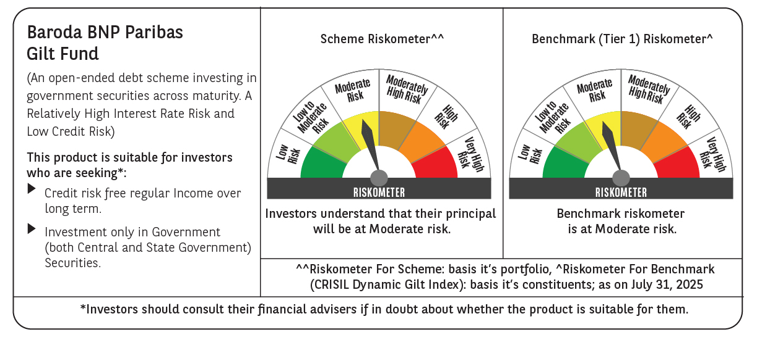

 | Baroda BNP Paribas Gilt Fund

 | Monthly Portfolio Statement as on July 31, 2025
 | Name of the Instrument | ISIN | Rating | Quantity | Market/Fair Value (Rs. in Lakhs) | % to Net Assets | YTM~ | YTC^ | null
 | Debt Instruments
 | (a) Listed / awaiting listing on Stock Exchange
GOI6156 | 6.79% Government of India (07/10/2034) | IN0020240126 | Sovereign | 36,350,000 | 37,267.00 | 24.00% | 6.52%
GOI5728 | 7.34% Government of India (22/04/2064) | IN0020240035 | Sovereign | 31,800,000 | 32,743.44 | 21.09% | 7.24%
GOI6703 | 6.33% Government of India (05/05/2035) | IN0020250026 | Sovereign | 19,300,000 | 19,234.11 | 12.39% | 6.48%
GOI6638 | 6.9% Government of India (15/04/2065) | IN0020250018 | Sovereign | 13,000,000 | 12,686.14 | 8.17% | 7.21%
GOI3591 | 6.91% State Government Securities (15/09/2033) | IN2220210248 | Sovereign | 8,500,000 | 8,547.23 | 5.51% | 6.93%
GOI5413 | 7.72% State Government Securities (06/12/2035) | IN1920230100 | Sovereign | 5,000,000 | 5,306.95 | 3.42% | 7.00%
GOI4967 | 7.65% State Government Securities (01/02/2033) | IN1520220212 | Sovereign | 5,000,000 | 5,242.02 | 3.38% | 6.93%
GOI5590 | 7.43% State Government Securities (28/02/2035) | IN2220230253 | Sovereign | 5,000,000 | 5,195.81 | 3.35% | 6.98%
GOI6435 | 7.08% State Government Securities (12/08/2031) | IN1920240232 | Sovereign | 4,000,000 | 4,094.65 | 2.64% | 6.71%
GOI5348 | 7.73% State Government Securities (01/11/2035) | IN1920230043 | Sovereign | 2,500,000 | 2,654.23 | 1.71% | 7.00%
GOI5006 | 7.74% State Government Securities (01/03/2033) | IN2220220189 | Sovereign | 2,500,000 | 2,631.49 | 1.69% | 6.95%
GOI5280 | 7.46% State Government Securities (13/09/2033) | IN2220230113 | Sovereign | 2,500,000 | 2,597.72 | 1.67% | 6.94%
GOI6482 | 7.21% State Government Securities (05/03/2035) | IN1520240277 | Sovereign | 2,500,000 | 2,559.82 | 1.65% | 6.98%
GOI2950 | 6.61% State Government Securities (02/09/2035) | IN1920200202 | Sovereign | 2,500,000 | 2,455.00 | 1.58% | 6.98%
GOI6794 | 6.64% State Government Securities (21/05/2036) | IN1520250052 | Sovereign | 2,500,000 | 2,443.35 | 1.57% | 7.06%
GOI6030 | 7.22% State Government Securities (07/08/2034) | IN2220240104 | Sovereign | 2,216,500 | 2,268.73 | 1.46% | 6.98%
GOI5228 | 7.18% Government of India (14/08/2033) | IN0020230085 | Sovereign | 1,427,500 | 1,493.35 | 0.96% | 6.54%
GOI5379 | 7.32% Government of India (13/11/2030) | IN0020230135 | Sovereign | 970,000 | 1,022.14 | 0.66% | 6.20%
 | Sub Total |  |  |  | 150,443.18 | 96.90%
 | (b) Privately placed / Unlisted |  |  |  | NIL | NIL
 | Sub Total |  |  |  | NIL | NIL
 | Total |  |  |  | 150,443.18 | 96.90%
 | Reverse Repo / TREPS
TRP_010825 | Clearing Corporation of India Ltd |  |  |  | 1,121.77 | 0.72% | 5.42%
 | Sub Total |  |  |  | 1,121.77 | 0.72%
 | (b) Privately placed / Unlisted |  |  |  | NIL | NIL
 | Sub Total |  |  |  | NIL | NIL
 | Total |  |  |  | 1,121.77 | 0.72%
 | Net Receivables / (Payables) |  |  |  | 3,691.20 | 2.38%
 | GRAND TOTAL |  |  |  | 155,256.15 | 100.00%

 | ~ YTM as on July 31, 2025
 | ^ YTC represents Yield to Call provided by valuation agencies as on July 31, 2025. It is disclosed for Perpetual Bond issued by Banks (i.e. AT-1 Bond / Tier 1 Bond / Tier 2 Bond), as per AMFI Best Practices Guidelines Circular no. 135/BP/91/2020-21 read with SEBI circular No. SEBI/HO/IMD/DF4/CIR/P/2021/034 on Valuation of AT-1 Bonds and Tier 2 Bonds.

