YR07
 | Baroda BNP Paribas Gilt Fund

 | Monthly Portfolio Statement as on August 31, 2025
 | Name of the Instrument | ISIN | Rating | Quantity | Market/Fair Value (Rs. in Lakhs) | % to Net Assets | YTM~ | YTC^ | null
 | Debt Instruments
 | (a) Listed / awaiting listing on Stock Exchange
GOI6703 | 6.33% Government of India (05/05/2035) | IN0020250026 | Sovereign | 31,800,000 | 31,208.62 | 23.19% | 6.70%
GOI6156 | 6.79% Government of India (07/10/2034) | IN0020240126 | Sovereign | 24,350,000 | 24,535.84 | 18.23% | 6.79%
GOI5728 | 7.34% Government of India (22/04/2064) | IN0020240035 | Sovereign | 17,800,000 | 17,664.90 | 13.13% | 7.54%
GOI6638 | 6.9% Government of India (15/04/2065) | IN0020250018 | Sovereign | 13,000,000 | 12,198.94 | 9.07% | 7.52%
GOI3591 | 6.91% State Government Securities (15/09/2033) | IN2220210248 | Sovereign | 8,500,000 | 8,374.19 | 6.22% | 7.28%
GOI5413 | 7.72% State Government Securities (06/12/2035) | IN1920230100 | Sovereign | 5,000,000 | 5,168.75 | 3.84% | 7.38%
GOI4967 | 7.65% State Government Securities (01/02/2033) | IN1520220212 | Sovereign | 5,000,000 | 5,134.42 | 3.82% | 7.30%
GOI5590 | 7.43% State Government Securities (28/02/2035) | IN2220230253 | Sovereign | 5,000,000 | 5,067.88 | 3.77% | 7.36%
GOI4333 | 7.29% State Government Securities (30/03/2032) | IN1520210239 | Sovereign | 5,000,000 | 5,058.30 | 3.76% | 7.19%
GOI6919 | 6.01% Government of India (21/07/2030) | IN0020250067 | Sovereign | 3,900,000 | 3,853.40 | 2.86% | 6.39%
GOI6019 | 7.09% Government of India (05/08/2054) | IN0020240118 | Sovereign | 2,800,000 | 2,724.04 | 2.02% | 7.45%
GOI6482 | 7.21% State Government Securities (05/03/2035) | IN1520240277 | Sovereign | 2,500,000 | 2,496.62 | 1.86% | 7.36%
GOI6794 | 6.64% State Government Securities (21/05/2036) | IN1520250052 | Sovereign | 2,500,000 | 2,392.23 | 1.78% | 7.35%
GOI2950 | 6.61% State Government Securities (02/09/2035) | IN1920200202 | Sovereign | 2,500,000 | 2,391.67 | 1.78% | 7.36%
GOI5228 | 7.18% Government of India (14/08/2033) | IN0020230085 | Sovereign | 1,427,500 | 1,470.41 | 1.09% | 6.80%
GOI5379 | 7.32% Government of India (13/11/2030) | IN0020230135 | Sovereign | 970,000 | 1,010.96 | 0.75% | 6.45%
 | Sub Total |  |  |  | 130,751.17 | 97.17%
 | (b) Privately placed / Unlisted |  |  |  | NIL | NIL
 | Sub Total |  |  |  | NIL | NIL
 | Total |  |  |  | 130,751.17 | 97.17%
 | Reverse Repo / TREPS
TRP_010925 | Clearing Corporation of India Ltd |  |  |  | 1,289.89 | 0.96% | 5.39%
 | Sub Total |  |  |  | 1,289.89 | 0.96%
 | (b) Privately placed / Unlisted |  |  |  | NIL | NIL
 | Sub Total |  |  |  | NIL | NIL
 | Total |  |  |  | 1,289.89 | 0.96%
 | Net Receivables / (Payables) |  |  |  | 2,514.62 | 1.87%
 | GRAND TOTAL |  |  |  | 134,555.68 | 100.00%

 | ~ YTM as on August 31, 2025
 | ^ YTC represents Yield to Call provided by valuation agencies as on August 31, 2025. It is disclosed for Perpetual Bond issued by Banks (i.e. AT-1 Bond / Tier 1 Bond / Tier 2 Bond), as per AMFI Best Practices Guidelines Circular no. 135/BP/91/2020-21 read with SEBI circular No. SEBI/HO/IMD/DF4/CIR/P/2021/034 on Valuation of AT-1 Bonds and Tier 2 Bonds.

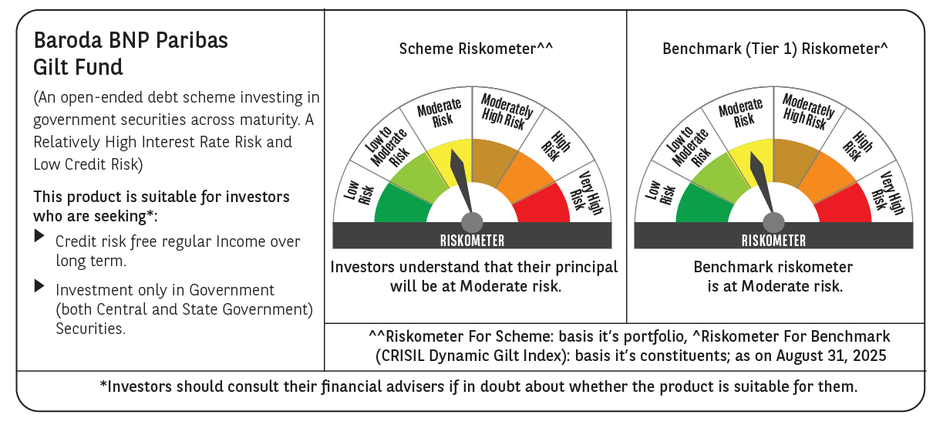



 | Monthly Performance Link: https://www.barodabnpparibasmf.in/assets/download_documents/Performance_of_Schemes_14126.pdf

