Monthly Portfolio
 | Baroda BNP Paribas Gilt Fund

 | Monthly Portfolio Statement as on September 30, 2025
 | Name of the Instrument | ISIN | Rating | Quantity | Market/Fair Value (Rs. in Lakhs) | % to Net Assets | YTM~ | YTC^ | null
 | Debt Instruments
 | (a) Listed / awaiting listing on Stock Exchange
GOI6703 | 6.33% Government of India (05/05/2035) | IN0020250026 | Sovereign | 38,350,000 | 37,694.48 | 28.71% | 6.68%
GOI6638 | 6.9% Government of India (15/04/2065) | IN0020250018 | Sovereign | 29,500,000 | 28,156.10 | 21.44% | 7.38%
GOI5728 | 7.34% Government of India (22/04/2064) | IN0020240035 | Sovereign | 8,300,000 | 8,363.61 | 6.37% | 7.41%
GOI3591 | 6.91% State Government Securities (15/09/2033) | IN2220210248 | Sovereign | 8,000,000 | 7,873.30 | 6.00% | 7.30%
GOI6019 | 7.09% Government of India (05/08/2054) | IN0020240118 | Sovereign | 5,800,000 | 5,716.16 | 4.35% | 7.34%
GOI5413 | 7.72% State Government Securities (06/12/2035) | IN1920230100 | Sovereign | 5,000,000 | 5,157.87 | 3.93% | 7.41%
GOI4967 | 7.65% State Government Securities (01/02/2033) | IN1520220212 | Sovereign | 5,000,000 | 5,127.48 | 3.90% | 7.32%
GOI4333 | 7.29% State Government Securities (30/03/2032) | IN1520210239 | Sovereign | 5,000,000 | 5,068.70 | 3.86% | 7.15%
GOI5590 | 7.43% State Government Securities (28/02/2035) | IN2220230253 | Sovereign | 5,000,000 | 5,057.28 | 3.85% | 7.39%
GOI6156 | 6.79% Government of India (07/10/2034) | IN0020240126 | Sovereign | 4,750,000 | 4,797.01 | 3.65% | 6.75%
GOI6919 | 6.01% Government of India (21/07/2030) | IN0020250067 | Sovereign | 4,300,000 | 4,264.83 | 3.25% | 6.30%
GOI6482 | 7.21% State Government Securities (05/03/2035) | IN1520240277 | Sovereign | 2,500,000 | 2,491.65 | 1.90% | 7.39%
GOI2950 | 6.61% State Government Securities (02/09/2035) | IN1920200202 | Sovereign | 2,500,000 | 2,387.43 | 1.82% | 7.38%
GOI6794 | 6.64% State Government Securities (21/05/2036) | IN1520250052 | Sovereign | 2,500,000 | 2,382.12 | 1.81% | 7.42%
GOI5228 | 7.18% Government of India (14/08/2033) | IN0020230085 | Sovereign | 1,427,500 | 1,474.54 | 1.12% | 6.74%
GOI5379 | 7.32% Government of India (13/11/2030) | IN0020230135 | Sovereign | 970,000 | 1,013.44 | 0.77% | 6.38%
 | Sub Total |  |  |  | 127,026.00 | 96.73%
 | (b) Privately placed / Unlisted |  |  |  | NIL | NIL
 | Sub Total |  |  |  | NIL | NIL
 | Total |  |  |  | 127,026.00 | 96.73%
 | Reverse Repo / TREPS
TRP_011025 | Clearing Corporation of India Ltd |  |  |  | 2,882.93 | 2.20% | 5.53%
 | Sub Total |  |  |  | 2,882.93 | 2.20%
 | (b) Privately placed / Unlisted |  |  |  | NIL | NIL
 | Sub Total |  |  |  | NIL | NIL
 | Total |  |  |  | 2,882.93 | 2.20%
 | Net Receivables / (Payables) |  |  |  | 1,403.97 | 1.07%
 | GRAND TOTAL |  |  |  | 131,312.90 | 100.00%

 | ~ YTM as on September 30, 2025
 | ^ YTC represents Yield to Call provided by valuation agencies as on September 30, 2025. It is disclosed for Perpetual Bond issued by Banks (i.e. AT-1 Bond / Tier 1 Bond / Tier 2 Bond), as per AMFI Best Practices Guidelines Circular no. 135/BP/91/2020-21 read with SEBI circular No. SEBI/HO/IMD/DF4/CIR/P/2021/034 on Valuation of AT-1 Bonds and Tier 2 Bonds.

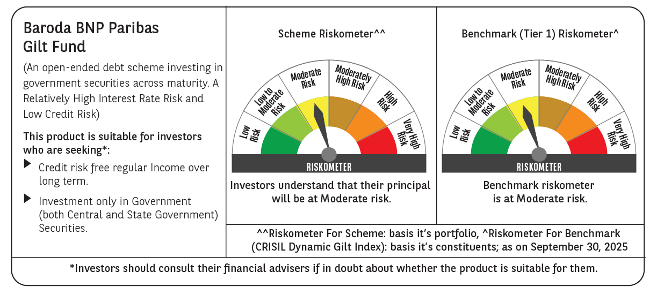



 | Monthly Performance Link: https://www.barodabnpparibasmf.in/assets/download_documents/Performance_of_Schemes_September_14618.pdf

