YR07
 | Baroda BNP Paribas Gilt Fund

 | Monthly Portfolio Statement as on November 30, 2025
 | Name of the Instrument | ISIN | Rating | Quantity | Market/Fair Value (Rs. in Lakhs) | % to Net Assets | YTM~ | YTC^ | null
 | Debt Instruments
 | (a) Listed / awaiting listing on Stock Exchange
GOI6638 | 6.9% Government of India (15/04/2065) | IN0020250018 | Sovereign | 31,600,000 | 29,628.48 | 22.33% | 7.52%
GOI6703 | 6.33% Government of India (05/05/2035) | IN0020250026 | Sovereign | 21,350,000 | 21,031.56 | 15.85% | 6.65%
GOI6889 | 6.68% Government of India (07/07/2040) | IN0020250042 | Sovereign | 15,000,000 | 14,656.43 | 11.05% | 7.05%
GOI7094 | 6.48% Government of India (06/10/2035) | IN0020250091 | Sovereign | 12,800,000 | 12,778.27 | 9.63% | 6.61%
GOI6019 | 7.09% Government of India (05/08/2054) | IN0020240118 | Sovereign | 10,300,000 | 10,030.02 | 7.56% | 7.44%
GOI3591 | 6.91% State Government Securities (15/09/2033) | IN2220210248 | Sovereign | 5,700,000 | 5,652.17 | 4.26% | 7.17%
GOI5413 | 7.72% State Government Securities (06/12/2035) | IN1920230100 | Sovereign | 5,000,000 | 5,206.15 | 3.92% | 7.26%
GOI4967 | 7.65% State Government Securities (01/02/2033) | IN1520220212 | Sovereign | 5,000,000 | 5,160.13 | 3.89% | 7.20%
GOI5590 | 7.43% State Government Securities (28/02/2035) | IN2220230253 | Sovereign | 5,000,000 | 5,102.33 | 3.85% | 7.25%
GOI4333 | 7.29% State Government Securities (30/03/2032) | IN1520210239 | Sovereign | 5,000,000 | 5,070.77 | 3.82% | 7.13%
GOI6919 | 6.01% Government of India (21/07/2030) | IN0020250067 | Sovereign | 3,500,000 | 3,470.88 | 2.62% | 6.31%
GOI6482 | 7.21% State Government Securities (05/03/2035) | IN1520240277 | Sovereign | 2,500,000 | 2,514.42 | 1.90% | 7.25%
GOI2950 | 6.61% State Government Securities (02/09/2035) | IN1920200202 | Sovereign | 2,500,000 | 2,411.67 | 1.82% | 7.24%
GOI6794 | 6.64% State Government Securities (21/05/2036) | IN1520250052 | Sovereign | 2,500,000 | 2,400.83 | 1.81% | 7.31%
GOI5228 | 7.18% Government of India (14/08/2033) | IN0020230085 | Sovereign | 1,927,500 | 2,001.30 | 1.51% | 6.64%
GOI6156 | 6.79% Government of India (07/10/2034) | IN0020240126 | Sovereign | 1,150,000 | 1,165.44 | 0.88% | 6.69%
GOI5379 | 7.32% Government of India (13/11/2030) | IN0020230135 | Sovereign | 970,000 | 1,012.68 | 0.76% | 6.37%
 | Sub Total |  |  |  | 129,293.53 | 97.46%
 | (b) Privately placed / Unlisted |  |  |  | NIL | NIL
 | Sub Total |  |  |  | NIL | NIL
 | Total |  |  |  | 129,293.53 | 97.46%
 | Reverse Repo / TREPS
TRP_011225 | Clearing Corporation of India Ltd |  |  |  | 1,443.24 | 1.09% | 5.43%
 | Sub Total |  |  |  | 1,443.24 | 1.09%
 | (b) Privately placed / Unlisted |  |  |  | NIL | NIL
 | Sub Total |  |  |  | NIL | NIL
 | Total |  |  |  | 1,443.24 | 1.09%
 | Net Receivables / (Payables) |  |  |  | 1,924.38 | 1.45%
 | GRAND TOTAL |  |  |  | 132,661.15 | 100.00%

 | ~ YTM as on November 30, 2025
 | ^ YTC represents Yield to Call provided by valuation agencies as on November 30, 2025. It is disclosed for Perpetual Bond issued by Banks (i.e. AT-1 Bond / Tier 1 Bond / Tier 2 Bond), as per AMFI Best Practices Guidelines Circular no. 135/BP/91/2020-21 read with SEBI circular No. SEBI/HO/IMD/DF4/CIR/P/2021/034 on Valuation of AT-1 Bonds and Tier 2 Bonds.

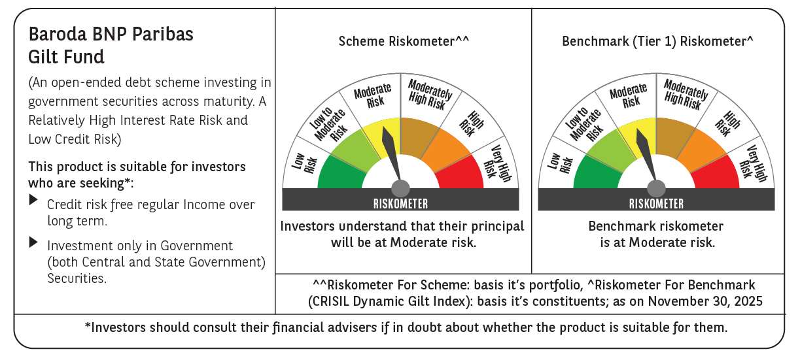



 | Monthly Performance Link: https://www.barodabnpparibasmf.in/assets/download_documents/Performance_of_Schemes_Nov-2025_15612.pdf

