YR07
 | Baroda BNP Paribas Gilt Fund

 | Monthly Portfolio Statement as on August 31, 2024
 | Name of the Instrument | ISIN | Rating | Quantity | Market/Fair Value (Rs. in Lakhs) | % to Net Assets | YTM~ | YTC^ | null
 | Debt Instruments
 | (a) Listed / awaiting listing on Stock Exchange
GOI5713 | 7.1% Government of India (08/04/2034) | IN0020240019 | Sovereign | 50,793,200 | 51,624.38 | 31.63% | 6.98%
GOI5228 | 7.18% Government of India (14/08/2033) | IN0020230085 | Sovereign | 41,827,500 | 42,615.53 | 26.11% | 7.01%
GOI5401 | 7.73% State Government Securities (29/11/2034) | IN1920230084 | Sovereign | 11,500,000 | 11,913.83 | 7.30% | 7.35%
GOI3591 | 6.91% State Government Securities (15/09/2033) | IN2220210248 | Sovereign | 6,400,000 | 6,286.07 | 3.85% | 7.31%
GOI5728 | 7.34% Government of India (22/04/2064) | IN0020240035 | Sovereign | 5,500,000 | 5,724.48 | 3.51% | 7.16%
GOI5470 | 7.74% State Government Securities (10/01/2036) | IN1920230183 | Sovereign | 5,500,000 | 5,713.87 | 3.50% | 7.36%
GOI5413 | 7.72% State Government Securities (06/12/2035) | IN1920230100 | Sovereign | 5,000,000 | 5,184.86 | 3.18% | 7.36%
GOI4967 | 7.65% State Government Securities (01/02/2033) | IN1520220212 | Sovereign | 5,000,000 | 5,138.94 | 3.15% | 7.33%
GOI4815 | 7.81% State Government Securities (12/10/2032) | IN1520220113 | Sovereign | 4,000,000 | 4,149.61 | 2.54% | 7.32%
GOI5379 | 7.32% Government of India (13/11/2030) | IN0020230135 | Sovereign | 4,000,000 | 4,098.76 | 2.51% | 6.94%
GOI5452 | 7.74% State Government Securities (03/01/2034) | IN1920230167 | Sovereign | 3,500,000 | 3,620.51 | 2.22% | 7.35%
GOI5281 | 7.47% State Government Securities (13/09/2034) | IN2220230121 | Sovereign | 3,500,000 | 3,563.07 | 2.18% | 7.34%
GOI5333 | 7.65% State Government Securities (18/10/2033) | IN3120230260 | Sovereign | 2,500,000 | 2,571.76 | 1.58% | 7.34%
GOI5590 | 7.43% State Government Securities (28/02/2035) | IN2220230253 | Sovereign | 2,500,000 | 2,537.27 | 1.55% | 7.36%
GOI6030 | 7.22% State Government Securities (07/08/2034) | IN2220240104 | Sovereign | 2,216,500 | 2,217.28 | 1.36% | 7.34%
GOI5818 | 8.05% State Government Securities (27/07/2037) | IN2920220109 | Sovereign | 40,800 | 43.47 | 0.03% | 7.39%
 | Sub Total |  |  |  | 157,003.69 | 96.20%
 | (b) Privately placed / Unlisted |  |  |  | NIL | NIL
 | Sub Total |  |  |  | NIL | NIL
 | Total |  |  |  | 157,003.69 | 96.20%
 | Reverse Repo / TREPS
TRP_020924 | Clearing Corporation of India Ltd |  |  |  | 4,427.58 | 2.71% | 6.52%
 | Sub Total |  |  |  | 4,427.58 | 2.71%
 | (b) Privately placed / Unlisted |  |  |  | NIL | NIL
 | Sub Total |  |  |  | NIL | NIL
 | Total |  |  |  | 4,427.58 | 2.71%
 | Net Receivables / (Payables) |  |  |  | 1,761.73 | 1.09%
 | GRAND TOTAL |  |  |  | 163,193.00 | 100.00%

 | ~ YTM as on August 31, 2024
 | ^ YTC represents Yield to Call provided by valuation agencies as on August 31, 2024. It is disclosed for Perpetual Bond issued by Banks (i.e. AT-1 Bond / Tier 1 Bond / Tier 2 Bond), as per AMFI Best Practices Guidelines Circular no. 135/BP/91/2020-21 read with SEBI circular No. SEBI/HO/IMD/DF4/CIR/P/2021/034 on Valuation of AT-1 Bonds and Tier 2 Bonds.

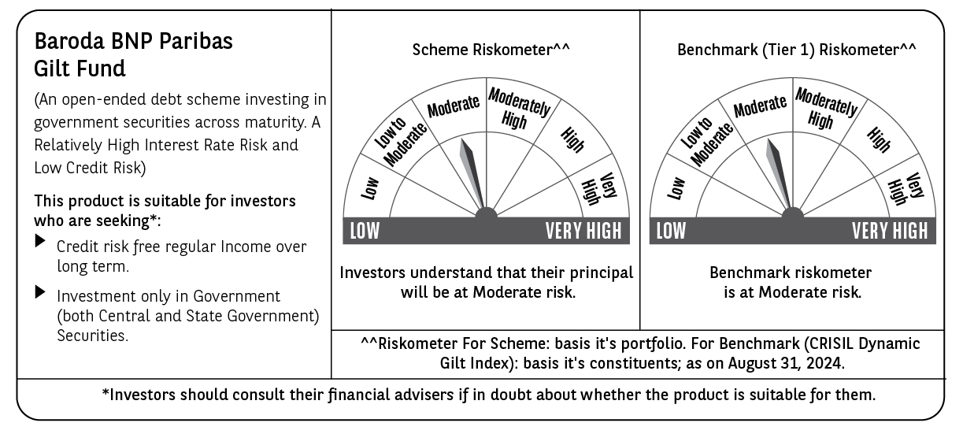

 | Potential Risk Class (PRC) matrix*
 | Credit Risk (Max)→ | Relatively Low: Class A (CRV>=12) | Moderate: Class B (CRV>=10) | Relatively High: Class C (CRV<10)
 | Interest Rate Risk (Max)↓
 | Relatively Low: Class I (MD<=1 year)
 | Moderate: Class II
 | (MD<=3 year)
 | Relatively High: Class III | A-III
 | (Any MD)
 | MD=Macaulay Duration, CRV=Credit Risk Value.
 | *The PRC matrix denotes the maximum risk that the respective Scheme can take i.e. maximum interest rate risk (measured by MD of the Scheme) and maximum credit risk (measured by CRV of the Scheme)

