YR07
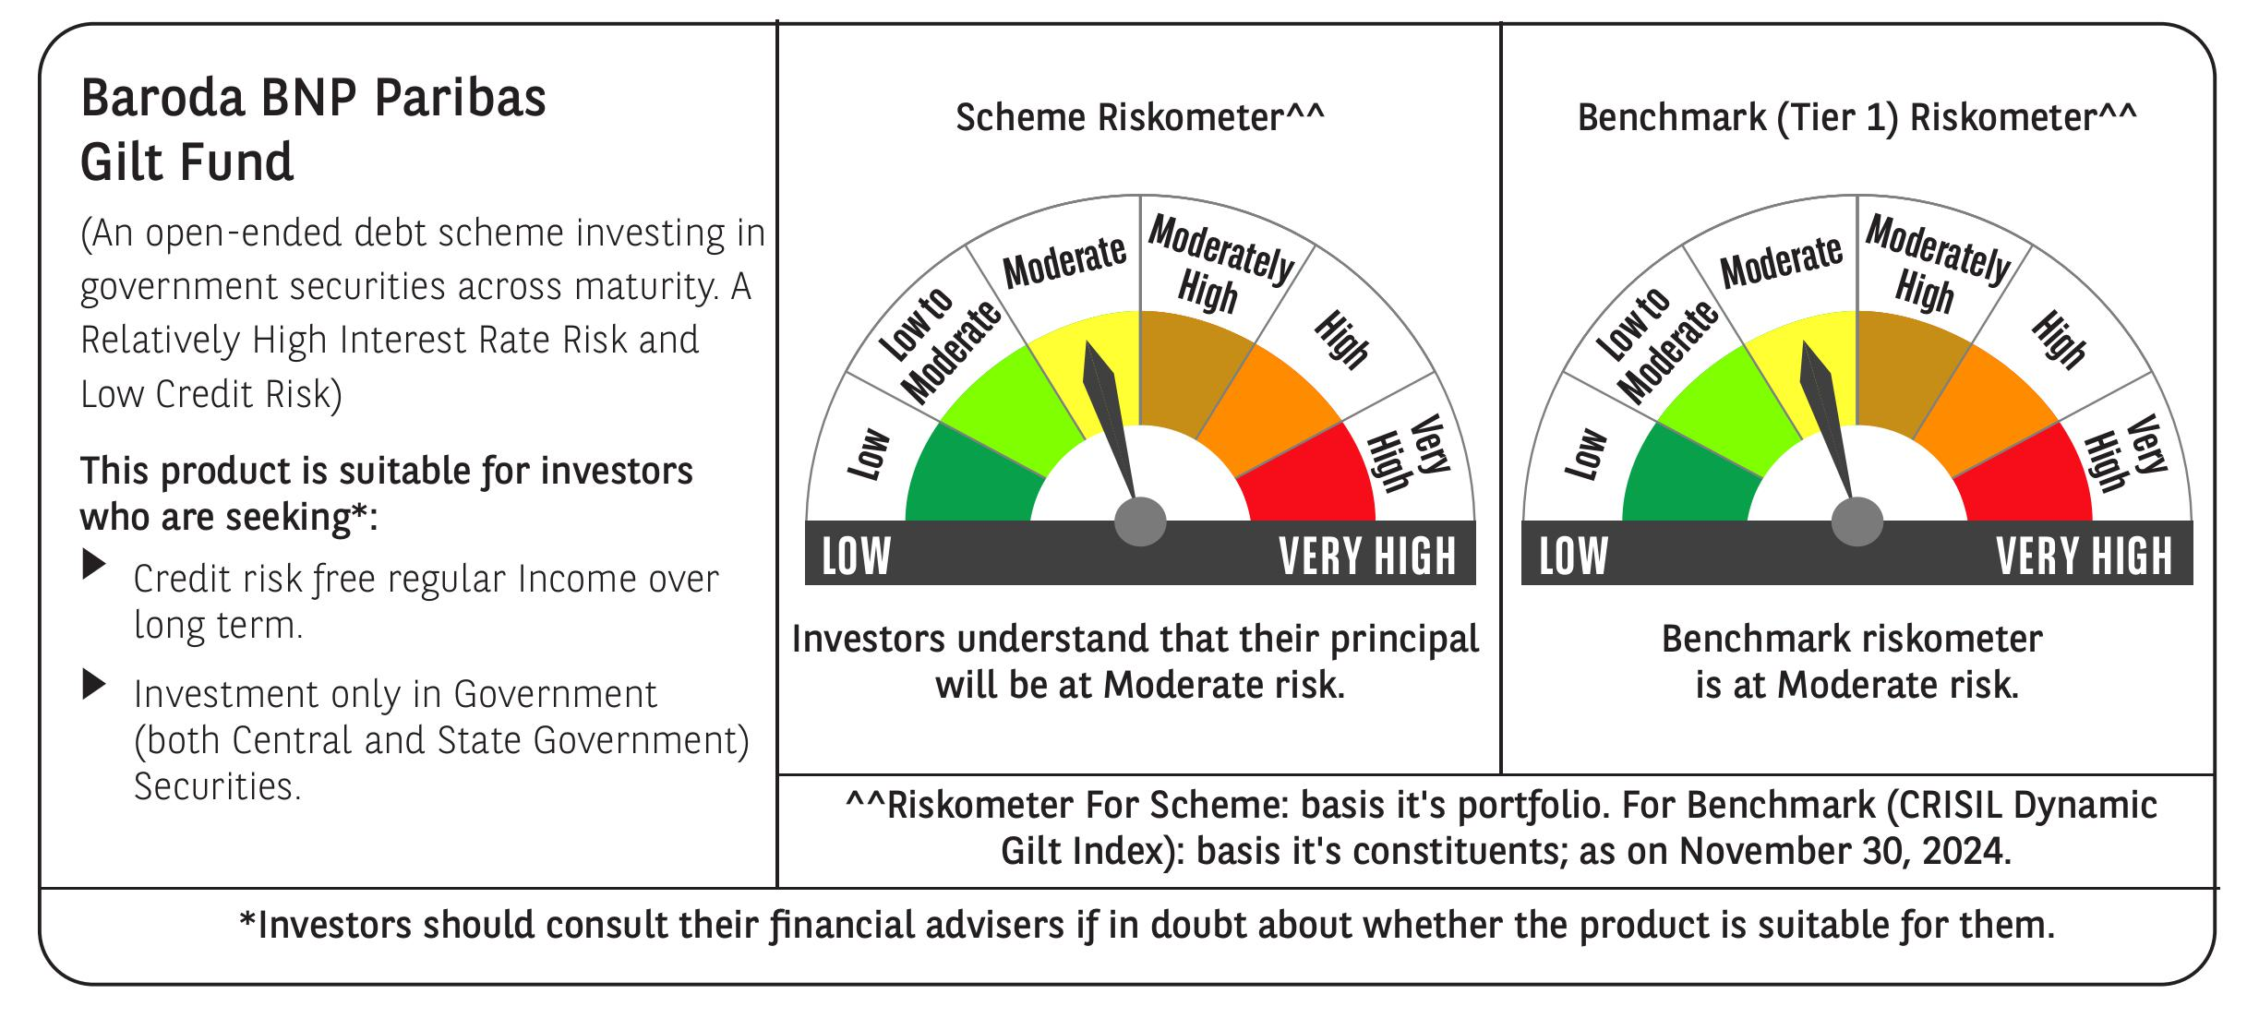

 | Baroda BNP Paribas Gilt Fund

 | Monthly Portfolio Statement as on November 30, 2024
 | Name of the Instrument | ISIN | Rating | Quantity | Market/Fair Value (Rs. in Lakhs) | % to Net Assets | YTM~ | YTC^ | null
 | Debt Instruments
 | (a) Listed / awaiting listing on Stock Exchange
GOI5713 | 7.1% Government of India (08/04/2034) | IN0020240019 | Sovereign | 81,793,200 | 83,572.12 | 46.33% | 6.90%
GOI6156 | 6.79% Government of India (07/10/2034) | IN0020240126 | Sovereign | 21,500,000 | 21,551.41 | 11.95% | 6.87%
GOI5228 | 7.18% Government of India (14/08/2033) | IN0020230085 | Sovereign | 13,577,500 | 13,896.79 | 7.70% | 6.93%
GOI5379 | 7.32% Government of India (13/11/2030) | IN0020230135 | Sovereign | 9,000,000 | 9,245.70 | 5.13% | 6.87%
GOI3591 | 6.91% State Government Securities (15/09/2033) | IN2220210248 | Sovereign | 6,400,000 | 6,291.19 | 3.49% | 7.30%
GOI5470 | 7.74% State Government Securities (10/01/2036) | IN1920230183 | Sovereign | 5,500,000 | 5,730.86 | 3.18% | 7.31%
GOI5413 | 7.72% State Government Securities (06/12/2035) | IN1920230100 | Sovereign | 5,000,000 | 5,210.87 | 2.89% | 7.29%
GOI4967 | 7.65% State Government Securities (01/02/2033) | IN1520220212 | Sovereign | 5,000,000 | 5,141.78 | 2.85% | 7.31%
GOI5006 | 7.74% State Government Securities (01/03/2033) | IN2220220189 | Sovereign | 4,500,000 | 4,651.01 | 2.58% | 7.32%
GOI4815 | 7.81% State Government Securities (12/10/2032) | IN1520220113 | Sovereign | 4,000,000 | 4,156.14 | 2.30% | 7.28%
GOI5452 | 7.74% State Government Securities (03/01/2034) | IN1920230167 | Sovereign | 3,500,000 | 3,632.42 | 2.01% | 7.29%
GOI5281 | 7.47% State Government Securities (13/09/2034) | IN2220230121 | Sovereign | 3,500,000 | 3,576.97 | 1.98% | 7.28%
GOI5590 | 7.43% State Government Securities (28/02/2035) | IN2220230253 | Sovereign | 2,500,000 | 2,550.19 | 1.41% | 7.28%
GOI5280 | 7.46% State Government Securities (13/09/2033) | IN2220230113 | Sovereign | 2,500,000 | 2,545.29 | 1.41% | 7.30%
GOI6030 | 7.22% State Government Securities (07/08/2034) | IN2220240104 | Sovereign | 2,216,500 | 2,226.68 | 1.23% | 7.28%
GOI5573 | 7.46% State Government Securities (21/02/2035) | IN2220230238 | Sovereign | 1,000,000 | 1,022.20 | 0.57% | 7.28%
GOI5818 | 8.05% State Government Securities (27/07/2037) | IN2920220109 | Sovereign | 40,800 | 43.64 | 0.02% | 7.33%
 | Sub Total |  |  |  | 175,045.26 | 97.03%
 | (b) Privately placed / Unlisted |  |  |  | NIL | NIL
 | Sub Total |  |  |  | NIL | NIL
 | Total |  |  |  | 175,045.26 | 97.03%
 | Reverse Repo / TREPS
TRP_021224 | Clearing Corporation of India Ltd |  |  |  | 2,917.42 | 1.62% | 6.69%
 | Sub Total |  |  |  | 2,917.42 | 1.62%
 | (b) Privately placed / Unlisted |  |  |  | NIL | NIL
 | Sub Total |  |  |  | NIL | NIL
 | Total |  |  |  | 2,917.42 | 1.62%
 | Net Receivables / (Payables) |  |  |  | 2,439.80 | 1.35%
 | GRAND TOTAL |  |  |  | 180,402.48 | 100.00%

 | ~ YTM as on November 30, 2024
 | ^ YTC represents Yield to Call provided by valuation agencies as on November 30, 2024. It is disclosed for Perpetual Bond issued by Banks (i.e. AT-1 Bond / Tier 1 Bond / Tier 2 Bond), as per AMFI Best Practices Guidelines Circular no. 135/BP/91/2020-21 re

