YR11
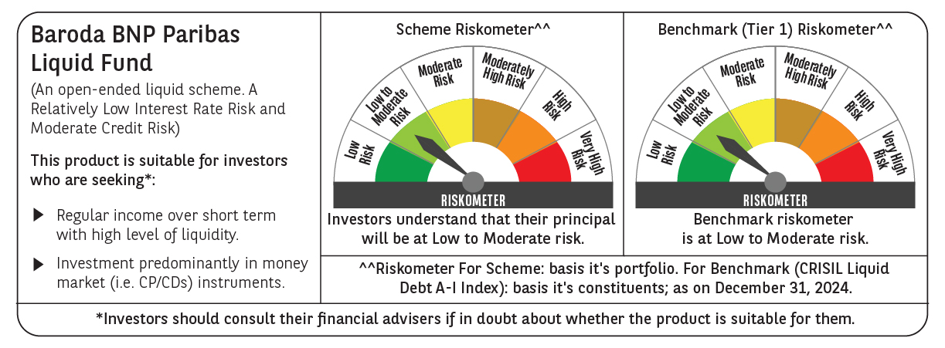
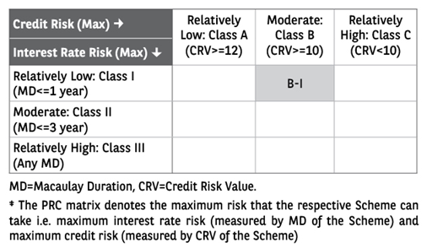
 | Baroda BNP Paribas Liquid Fund

 | Monthly Portfolio Statement as on December 31, 2024
 | Name of the Instrument | ISIN | Rating | Quantity | Market/Fair Value (Rs. in Lakhs) | % to Net Assets | YTM~ | YTC^ | null
 | Money Market Instruments
 | Certificate of Deposit
HDFB972 | HDFC Bank Limited (04/02/2025) # | INE040A16FS7 | CARE A1+ | 9,500 | 47,177.86 | 5.34% | 7.33%
PUBA1018 | Punjab National Bank (07/02/2025) ** # | INE160A16OL0 | FITCH A1+ | 9,000 | 44,669.43 | 5.05% | 7.30%
SIDB544 | Small Industries Dev Bank of India (07/02/2025) ** # | INE556F16AQ6 | CRISIL A1+ | 5,500 | 27,297.99 | 3.09% | 7.30%
UNBI381 | Union Bank of India (25/02/2025) ** # | INE692A16GY1 | ICRA A1+ | 5,000 | 24,728.93 | 2.80% | 7.28%
CANB972 | Canara Bank (11/03/2025) ** # | INE476A16XV0 | CRISIL A1+ | 4,000 | 19,729.60 | 2.23% | 7.25%
UNBI375 | Union Bank of India (31/01/2025) # | INE692A16GS3 | FITCH A1+ | 3,000 | 14,909.93 | 1.69% | 7.35%
CANB1006 | Canara Bank (07/03/2025) ** # | INE476A16ZC5 | CRISIL A1+ | 2,500 | 12,340.68 | 1.40% | 7.25%
HDFB981 | HDFC Bank Limited (20/03/2025) ** # | INE040A16GB1 | CARE A1+ | 2,500 | 12,309.29 | 1.39% | 7.25%
EXIM768 | Export Import Bank of India (24/03/2025) ** # | INE514E16CH3 | CRISIL A1+ | 2,500 | 12,301.03 | 1.39% | 7.20%
PUBA1019 | Punjab National Bank (25/02/2025) ** # | INE160A16OM8 | CRISIL A1+ | 2,000 | 9,891.20 | 1.12% | 7.30%
KMBK854 | Kotak Mahindra Bank Limited (07/03/2025) ** # | INE237A166W0 | CRISIL A1+ | 2,000 | 9,872.71 | 1.12% | 7.24%
UTIB1341 | Axis Bank Limited (18/03/2025) ** # | INE238AD6AC3 | CRISIL A1+ | 2,000 | 9,850.88 | 1.11% | 7.27%
UTIB1342 | Axis Bank Limited (24/03/2025) ** # | INE238AD6AD1 | CRISIL A1+ | 2,000 | 9,839.30 | 1.11% | 7.27%
NBAR749 | National Bank For Agriculture and Rural Development (07/02/2025) ** # | INE261F16785 | CRISIL A1+ | 1,500 | 7,445.09 | 0.84% | 7.28%
KMBK848 | Kotak Mahindra Bank Limited (05/02/2025) ** # | INE237A160W3 | CRISIL A1+ | 1,000 | 4,965.39 | 0.56% | 7.27%
PUBA1016 | Punjab National Bank (06/02/2025) # | INE160A16OI6 | ICRA A1+ | 1,000 | 4,964.26 | 0.56% | 7.30%
IBCL1168 | ICICI Bank Limited (17/03/2025) ** # | INE090AD6147 | ICRA A1+ | 1,000 | 4,926.61 | 0.56% | 7.25%
 | Sub Total |  |  |  | 277,220.18 | 31.36%
 | Commercial Paper
RRVL161 | Reliance Retail Ventures Limited (11/02/2025) ** | INE929O14CS4 | CRISIL A1+ | 6,000 | 29,754.21 | 3.36% | 7.35%
SIDB580 | Small Industries Dev Bank of India (06/03/2025) ** | INE556F14KQ0 | CRISIL A1+ | 6,000 | 29,622.15 | 3.35% | 7.28%
RRVL165 | Reliance Retail Ventures Limited (07/03/2025) ** | INE929O14CW6 | CRISIL A1+ | 6,000 | 29,614.29 | 3.35% | 7.31%
IRLY386 | Indian Railway Finance Corporation Limited (18/03/2025) ** | INE053F14237 | CRISIL A1+ | 6,000 | 29,553.27 | 3.34% | 7.26%
PHFP227 | PNB Housing Finance Limited (24/01/2025) ** | INE572E14JO7 | CRISIL A1+ | 5,000 | 24,882.95 | 2.81% | 7.47%
ULCC163 | UltraTech Cement Limited (27/01/2025) ** | INE481G14EV2 | CRISIL A1+ | 5,000 | 24,870.43 | 2.81% | 7.31%
EXIM790 | Export Import Bank of India (04/03/2025) ** | INE514E14SK8 | CRISIL A1+ | 5,000 | 24,696.93 | 2.79% | 7.22%
RIND466 | Reliance Industries Limited (05/02/2025) ** | INE002A14KX2 | CRISIL A1+ | 4,000 | 19,860.02 | 2.25% | 7.35%
LARS464 | Larsen & Toubro Limited (06/02/2025) ** | INE018A14LF3 | CRISIL A1+ | 4,000 | 19,857.72 | 2.25% | 7.27%
HHFL215 | Hero Fincorp Limited (12/02/2025) ** | INE957N14IX4 | CRISIL A1+ | 4,000 | 19,823.08 | 2.24% | 7.76%
GRAS216 | Grasim Industries Limited (25/02/2025) ** | INE047A14AD0 | CRISIL A1+ | 4,000 | 19,783.88 | 2.24% | 7.25%
NBAR800 | National Bank For Agriculture and Rural Development (04/03/2025) ** | INE261F14MN0 | CRISIL A1+ | 4,000 | 19,755.38 | 2.23% | 7.29%
NBAR802 | National Bank For Agriculture and Rural Development (12/03/2025) ** | INE261F14MO8 | ICRA A1+ | 4,000 | 19,724.24 | 2.23% | 7.29%
KSFI32 | Kisetsu Saison Fin Ind Pvt Ltd (11/03/2025) ** | INE0DZE14164 | CRISIL A1+ | 4,000 | 19,712.84 | 2.23% | 7.71%
ICBR542 | ICICI Securities Limited (12/02/2025) ** | INE763G14WC5 | CRISIL A1+ | 3,500 | 17,348.47 | 1.96% | 7.59%
TVCS107 | TVS Credit Services Limited (21/02/2025) | INE729N14IH0 | CRISIL A1+ | 3,000 | 14,843.42 | 1.68% | 7.55%
EXIM766 | Export Import Bank of India (10/03/2025) ** | INE514E14RM6 | CRISIL A1+ | 2,500 | 12,333.99 | 1.39% | 7.22%
PHFL141 | Piramal Capital & Housing Finance Limited (28/01/2025) ** | INE516Y14GV3 | CRISIL A1+ | 2,000 | 9,939.23 | 1.12% | 8.27%
ICBR543 | ICICI Securities Limited (11/02/2025) ** | INE763G14WD3 | CRISIL A1+ | 2,000 | 9,915.45 | 1.12% | 7.59%
PHFL148 | Piramal Capital & Housing Finance Limited (10/02/2025) ** | INE516Y14HA5 | CRISIL A1+ | 2,000 | 9,910.13 | 1.12% | 8.28%
PHFL147 | Piramal Capital & Housing Finance Limited (11/02/2025) ** | INE516Y14HB3 | CRISIL A1+ | 2,000 | 9,907.91 | 1.12% | 8.27%
SBIC56 | SBICAP Securities Limited (12/03/2025) ** | INE212K14AE7 | CRISIL A1+ | 2,000 | 9,854.74 | 1.11% | 7.69%
RICL176 | Barclays Investments & Loans (India) Private Limited (23/01/2025) ** | INE704I14IF7 | CRISIL A1+ | 1,500 | 7,465.55 | 0.84% | 7.66%
DIIP215 | Deutsche Investments India Pvt Limited (03/02/2025) ** | INE144H14GO4 | CRISIL A1+ | 1,500 | 7,448.31 | 0.84% | 7.68%
EXIM778 | Export Import Bank of India (24/01/2025) ** | INE514E14RY1 | CRISIL A1+ | 1,000 | 4,977.35 | 0.56% | 7.22%
HHFL213 | Hero Fincorp Limited (24/01/2025) ** | INE957N14IS4 | CRISIL A1+ | 1,000 | 4,975.75 | 0.56% | 7.74%
HLFL75 | Hinduja Leyland Finance Limited (27/01/2025) ** | INE146O14CM8 | CRISIL A1+ | 1,000 | 4,972.42 | 0.56% | 7.79%
HHFL211 | Hero Fincorp Limited (31/01/2025) ** | INE957N14IE4 | CRISIL A1+ | 1,000 | 4,968.41 | 0.56% | 7.74%
DIIP217 | Deutsche Investments India Pvt Limited (13/03/2025) ** | INE144H14HF0 | CRISIL A1+ | 1,000 | 4,926.44 | 0.56% | 7.68%
ICBR479 | ICICI Securities Limited (21/02/2025) ** | INE763G14TE7 | CRISIL A1+ | 500 | 2,473.76 | 0.28% | 7.59%
 | Sub Total |  |  |  | 467,772.72 | 52.86%
 | Treasury Bill
TBIL2451 | 91 Days Tbill (MD 28/03/2025) | IN002024X383 | Sovereign | 50,000,000 | 49,253.80 | 5.57% | 6.43%
TBIL2432 | 91 Days Tbill (MD 13/02/2025) | IN002024X326 | Sovereign | 40,000,000 | 39,698.84 | 4.49% | 6.44%
TBIL2320 | 364 Days Tbill (MD 06/02/2025) | IN002023Z471 | Sovereign | 30,000,000 | 29,810.67 | 3.37% | 6.44%
TBIL2316 | 364 Days Tbill (MD 30/01/2025) | IN002023Z463 | Sovereign | 24,500,000 | 24,376.05 | 2.76% | 6.40%
 | Sub Total |  |  |  | 143,139.36 | 16.19%
 | Total |  |  |  | 888,132.26 | 100.41%
 | Others
 | Corporate Debt Market Development Fund
CDMD50ME | Corporate Debt Market Development Fund # | INF0RQ622028 |  | 18,996 | 2,060.31 | 0.23%
 | Sub Total |  |  |  | 2,060.31 | 0.23%
 | Total |  |  |  | 2,060.31 | 0.23%
 | Reverse Repo / TREPS
TRP_010125 | Clearing Corporation of India Ltd |  |  |  | 1.97 | $0.00% | 6.59%
 | Sub Total |  |  |  | 1.97 | 0.00%
 | Total |  |  |  | 1.97 | 0.00%
 | Net Receivables / (Payables) |  |  |  | (5,951.90) | (0.64)%
 | GRAND TOTAL |  |  |  | 884,242.64 | 100.00%

 | ** Thinly Traded / Non Traded Security
 | # Unlisted Security
 | $ Less Than 0.01% of Net Asset Value
 | ~ YTM as on December 31, 2024
 | ^ YTC represents Yield to Call provided by valuation agencies as on December 31, 2024. It is disclosed for Perpetual Bond issued by Banks (i.e. AT-1 Bond / Tier 1 Bond / Tier 2 Bond), as per AMFI Best Practices Guidelines Circular no. 135/BP/91/2020-21 re

