YR11
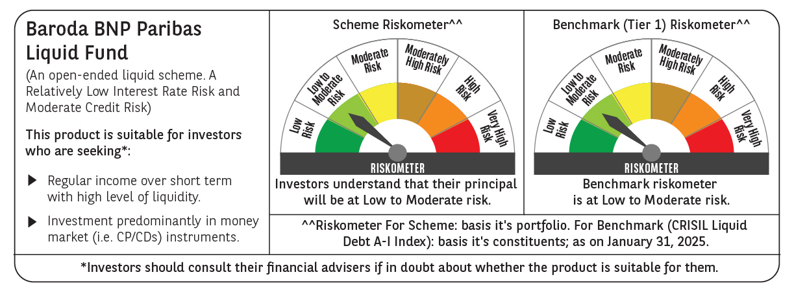
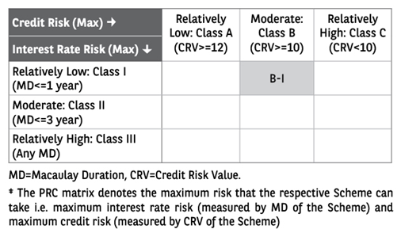
 | Baroda BNP Paribas Liquid Fund

 | Monthly Portfolio Statement as on January 31, 2025
 | Name of the Instrument | ISIN | Rating | Quantity | Market/Fair Value (Rs. in Lakhs) | % to Net Assets | YTM~ | YTC^ | null
 | Debt Instruments
 | (a) Listed / awaiting listing on Stock Exchange
IOIC485 | 6.39% Indian Oil Corporation Limited (06/03/2025) ** | INE242A08452 | CRISIL AAA | 2,110 | 21,073.92 | 1.85% | 7.34%
SHTR524 | 7.4008% Shriram Finance Limited (21/03/2025) ** | INE721A07QT6 | CRISIL AA+ | 1,500 | 14,986.16 | 1.31% | 8.18%
 | Sub Total |  |  |  | 36,060.08 | 3.16%
 | (b) Privately placed / Unlisted |  |  |  | NIL | NIL
 | Sub Total |  |  |  | NIL | NIL
 | Total |  |  |  | 36,060.08 | 3.16%
 | Money Market Instruments
 | Certificate of Deposit
UTIB1345 | Axis Bank Limited (02/05/2025) ** # | INE238AD6AJ8 | CRISIL A1+ | 10,000 | 49,091.55 | 4.31% | 7.50%
UNBI381 | Union Bank of India (25/02/2025) ** # | INE692A16GY1 | ICRA A1+ | 7,000 | 34,833.26 | 3.06% | 7.28%
EXIM768 | Export Import Bank of India (24/03/2025) # | INE514E16CH3 | CRISIL A1+ | 4,500 | 22,273.43 | 1.95% | 7.28%
NBAR756 | National Bank For Agriculture and Rural Development (26/02/2025) ** # | INE261F16819 | CRISIL A1+ | 4,000 | 19,902.86 | 1.75% | 7.13%
IBCL1165 | ICICI Bank Limited (27/02/2025) ** # | INE090AD6139 | ICRA A1+ | 4,000 | 19,897.24 | 1.75% | 7.25%
CANB972 | Canara Bank (11/03/2025) ** # | INE476A16XV0 | CRISIL A1+ | 4,000 | 19,849.96 | 1.74% | 7.26%
CANB1006 | Canara Bank (07/03/2025) ** # | INE476A16ZC5 | CRISIL A1+ | 2,500 | 12,416.04 | 1.09% | 7.26%
HDFB981 | HDFC Bank Limited (20/03/2025) ** # | INE040A16GB1 | CARE A1+ | 2,500 | 12,383.91 | 1.09% | 7.28%
PUBA1019 | Punjab National Bank (25/02/2025) # | INE160A16OM8 | CRISIL A1+ | 2,000 | 9,952.23 | 0.87% | 7.30%
CANB1003 | Canara Bank (28/02/2025) ** # | INE476A16YZ9 | CRISIL A1+ | 2,000 | 9,946.58 | 0.87% | 7.26%
KMBK854 | Kotak Mahindra Bank Limited (07/03/2025) ** # | INE237A166W0 | CRISIL A1+ | 2,000 | 9,932.78 | 0.87% | 7.27%
UTIB1341 | Axis Bank Limited (18/03/2025) ** # | INE238AD6AC3 | CRISIL A1+ | 2,000 | 9,910.80 | 0.87% | 7.30%
UTIB1342 | Axis Bank Limited (24/03/2025) ** # | INE238AD6AD1 | CRISIL A1+ | 2,000 | 9,899.03 | 0.87% | 7.30%
PUBA1069 | Punjab National Bank (27/03/2025) # | INE160A16QQ4 | CRISIL A1+ | 2,000 | 9,893.16 | 0.87% | 7.30%
PUBA1024 | Punjab National Bank (11/03/2025) ** # | INE160A16OP1 | FITCH A1+ | 1,500 | 7,443.44 | 0.65% | 7.30%
UNBI395 | Union Bank of India (18/03/2025) # | INE692A16HP7 | FITCH A1+ | 1,500 | 7,433.29 | 0.65% | 7.28%
KMBK848 | Kotak Mahindra Bank Limited (05/02/2025) ** # | INE237A160W3 | CRISIL A1+ | 1,000 | 4,996.02 | 0.44% | 7.27%
IBCL1168 | ICICI Bank Limited (17/03/2025) ** # | INE090AD6147 | ICRA A1+ | 1,000 | 4,956.68 | 0.43% | 7.25%
PUBA1070 | Punjab National Bank (20/03/2025) ** # | INE160A16QP6 | CRISIL A1+ | 1,000 | 4,953.44 | 0.43% | 7.30%
KMBK856 | Kotak Mahindra Bank Limited (21/03/2025) ** # | INE237A168W6 | CRISIL A1+ | 1,000 | 4,952.69 | 0.43% | 7.27%
CANB976 | Canara Bank (20/03/2025) # | INE476A16YB0 | CRISIL A1+ | 500 | 2,476.85 | 0.22% | 7.26%
IBCL1164 | ICICI Bank Limited (25/02/2025) ** # | INE090AD6121 | ICRA A1+ | 100 | 497.63 | 0.04% | 7.25%
 | Sub Total |  |  |  | 287,892.87 | 25.25%
 | Commercial Paper
NTPC252 | NTPC Limited (24/02/2025) ** | INE733E14BR5 | ICRA A1+ | 7,000 | 34,840.96 | 3.06% | 7.24%
RRVL161 | Reliance Retail Ventures Limited (11/02/2025) ** | INE929O14CS4 | CRISIL A1+ | 6,000 | 29,939.43 | 2.63% | 7.38%
SIDB580 | Small Industries Dev Bank of India (06/03/2025) ** | INE556F14KQ0 | CRISIL A1+ | 6,000 | 29,803.98 | 2.61% | 7.28%
RRVL165 | Reliance Retail Ventures Limited (07/03/2025) ** | INE929O14CW6 | CRISIL A1+ | 6,000 | 29,797.38 | 2.61% | 7.30%
IRLY386 | Indian Railway Finance Corporation Limited (18/03/2025) ** | INE053F14237 | CRISIL A1+ | 6,000 | 29,733.15 | 2.61% | 7.28%
CHOL1078 | Cholamandalam Investment and Finance Company Ltd (25/04/2025) ** | INE121A14WY3 | CRISIL A1+ | 6,000 | 29,467.29 | 2.59% | 7.95%
EXIM790 | Export Import Bank of India (04/03/2025) ** | INE514E14SK8 | CRISIL A1+ | 5,000 | 24,846.38 | 2.18% | 7.28%
BAFL899 | Bajaj Finance Limited (11/03/2025) | INE296A14XM6 | CRISIL A1+ | 4,500 | 22,325.22 | 1.96% | 7.52%
RIND466 | Reliance Industries Limited (05/02/2025) ** | INE002A14KX2 | CRISIL A1+ | 4,000 | 19,983.86 | 1.75% | 7.37%
LARS464 | Larsen & Toubro Limited (06/02/2025) | INE018A14LF3 | CRISIL A1+ | 4,000 | 19,979.74 | 1.75% | 7.40%
HHFL215 | Hero Fincorp Limited (12/02/2025) ** | INE957N14IX4 | CRISIL A1+ | 4,000 | 19,952.62 | 1.75% | 7.88%
GRAS216 | Grasim Industries Limited (25/02/2025) ** | INE047A14AD0 | CRISIL A1+ | 4,000 | 19,903.80 | 1.75% | 7.35%
NBAR800 | National Bank For Agriculture and Rural Development (04/03/2025) ** | INE261F14MN0 | CRISIL A1+ | 4,000 | 19,876.34 | 1.74% | 7.33%
NBAR802 | National Bank For Agriculture and Rural Development (12/03/2025) ** | INE261F14MO8 | ICRA A1+ | 4,000 | 19,844.68 | 1.74% | 7.33%
KSFI32 | Kisetsu Saison Fin Ind Pvt Ltd (11/03/2025) ** | INE0DZE14164 | CRISIL A1+ | 4,000 | 19,840.44 | 1.74% | 7.73%
INBS485 | Reliance Jio Infocomm Limited (17/03/2025) ** | INE110L14SX3 | CRISIL A1+ | 4,000 | 19,825.78 | 1.74% | 7.29%
TVCS107 | TVS Credit Services Limited (21/02/2025) ** | INE729N14IH0 | CRISIL A1+ | 3,000 | 14,936.87 | 1.31% | 7.71%
EXIM766 | Export Import Bank of India (10/03/2025) ** | INE514E14RM6 | CRISIL A1+ | 2,500 | 12,408.43 | 1.09% | 7.28%
IIFW315 | 360 One Prime Limited (21/03/2025) ** | INE248U14QR8 | CRISIL A1+ | 2,500 | 12,370.11 | 1.09% | 7.98%
PHFL148 | Piramal Capital & Housing Finance Limited (10/02/2025) ** | INE516Y14HA5 | CRISIL A1+ | 2,000 | 9,979.46 | 0.88% | 8.35%
PHFL147 | Piramal Capital & Housing Finance Limited (11/02/2025) ** | INE516Y14HB3 | CRISIL A1+ | 2,000 | 9,977.18 | 0.88% | 8.35%
BGHP166 | Birla Group Holdings Private Limited (07/03/2025) ** | INE09OL14FB8 | CRISIL A1+ | 2,000 | 9,927.96 | 0.87% | 7.79%
SBIC56 | SBICAP Securities Limited (12/03/2025) ** | INE212K14AE7 | CRISIL A1+ | 2,000 | 9,916.88 | 0.87% | 7.84%
SBIC60 | SBICAP Securities Limited (17/03/2025) ** | INE212K14AI8 | CRISIL A1+ | 2,000 | 9,906.32 | 0.87% | 7.85%
ICBR551 | ICICI Securities Limited (25/03/2025) ** | INE763G14UG0 | CRISIL A1+ | 2,000 | 9,891.53 | 0.87% | 7.70%
NEFL305 | Network18 Media & Investments Limited (28/03/2025) ** | INE870H14UJ5 | CARE A1+ | 2,000 | 9,890.61 | 0.87% | 7.34%
NBAR811 | National Bank For Agriculture and Rural Development (23/04/2025) ** | INE261F14MT7 | CRISIL A1+ | 2,000 | 9,836.29 | 0.86% | 7.50%
NBAR813 | National Bank For Agriculture and Rural Development (28/04/2025) ** | INE261F14MV3 | ICRA A1+ | 2,000 | 9,826.36 | 0.86% | 7.50%
DIIP215 | Deutsche Investments India Pvt Limited (03/02/2025) ** | INE144H14GO4 | CRISIL A1+ | 1,500 | 7,497.03 | 0.66% | 7.23%
ICBR543 | ICICI Securities Limited (11/02/2025) ** | INE763G14WD3 | CRISIL A1+ | 1,000 | 4,989.41 | 0.44% | 7.75%
NBAR799 | National Bank For Agriculture and Rural Development (21/02/2025) ** | INE261F14ML4 | ICRA A1+ | 1,000 | 4,980.08 | 0.44% | 7.30%
DIIP217 | Deutsche Investments India Pvt Limited (13/03/2025) ** | INE144H14HF0 | CRISIL A1+ | 1,000 | 4,958.03 | 0.43% | 7.72%
HLFL79 | Hinduja Leyland Finance Limited (13/03/2025) ** | INE146O14CD7 | CRISIL A1+ | 1,000 | 4,957.17 | 0.43% | 7.88%
MOFS214 | Motilal Oswal Financial Services Limited (13/03/2025) ** | INE338I14GZ6 | CRISIL A1+ | 1,000 | 4,957.08 | 0.43% | 7.90%
BGHP177 | Birla Group Holdings Private Limited (05/05/2025) ** | INE09OL14GJ9 | CRISIL A1+ | 1,000 | 4,901.75 | 0.43% | 7.87%
ICBR479 | ICICI Securities Limited (21/02/2025) ** | INE763G14TE7 | CRISIL A1+ | 500 | 2,489.48 | 0.22% | 7.71%
BAFL904 | Bajaj Finance Limited (12/03/2025) ** | INE296A14XN4 | ICRA A1+ | 500 | 2,480.07 | 0.22% | 7.52%
HDFS259 | HDFC Securities Limited (12/03/2025) ** | INE700G14MQ8 | CRISIL A1+ | 500 | 2,479.61 | 0.22% | 7.70%
 | Sub Total |  |  |  | 563,518.76 | 49.45%
 | Treasury Bill
TBIL2451 | 91 Days Tbill (MD 28/03/2025) | IN002024X383 | Sovereign | 50,000,000 | 49,520.55 | 4.34% | 6.43%
TBIL2463 | 91 Days Tbill (MD 24/04/2025) | IN002024X425 | Sovereign | 45,000,000 | 44,351.01 | 3.89% | 6.51%
TBIL2432 | 91 Days Tbill (MD 13/02/2025) | IN002024X326 | Sovereign | 40,000,000 | 39,915.72 | 3.50% | 6.42%
TBIL2465 | 91 Days Tbill (MD 01/05/2025) | IN002024X433 | Sovereign | 32,500,000 | 31,991.80 | 2.81% | 6.52%
TBIL2320 | 364 Days Tbill (MD 06/02/2025) | IN002023Z471 | Sovereign | 30,000,000 | 29,973.87 | 2.63% | 6.36%
 | Sub Total |  |  |  | 195,752.95 | 17.17%
 | Total |  |  |  | 1,047,164.58 | 91.87%
 | Others
 | Corporate Debt Market Development Fund
CDMD50ME | Corporate Debt Market Development Fund # | INF0RQ622028 |  | 20,625 | 2,250.35 | 0.20%
 | Sub Total |  |  |  | 2,250.35 | 0.20%
 | Total |  |  |  | 2,250.35 | 0.20%
 | Reverse Repo / TREPS
TRP_030225 | Clearing Corporation of India Ltd |  |  |  | 30,591.44 | 2.68% | 6.54%
REP5_310125 | Clearing Corporation of India Ltd |  |  |  | 10,499.79 | 0.92% | 6.68%
REP4_310125 | Clearing Corporation of India Ltd |  |  |  | 5,249.99 | 0.46% | 6.85%
 | Sub Total |  |  |  | 46,341.22 | 4.06%
 | (b) Privately placed / Unlisted |  |  |  | NIL | NIL
 | Sub Total |  |  |  | NIL | NIL
 | Total |  |  |  | 46,341.22 | 4.06%
 | Net Receivables / (Payables) |  |  |  | 8,087.42 | 0.71%
 | GRAND TOTAL |  |  |  | 1,139,903.65 | 100.00%

 | ** Thinly Traded / Non Traded Security
 | # Unlisted Security
 | ~ YTM as on January 31, 2025
 | ^ YTC represents Yield to Call provided by valuation agencies as on January 31, 2025. It is disclosed for Perpetual Bond issued by Banks (i.e. AT-1 Bond / Tier 1 Bond / Tier 2 Bond), as per AMFI Best Practices Guidelines Circular no. 135/BP/91/2020-21 read with SEBI circular No. SEBI/HO/IMD/DF4/CIR/P/2021/034 on Valuation of AT-1 Bonds and Tier 2 Bonds.

