Monthly Portfolio
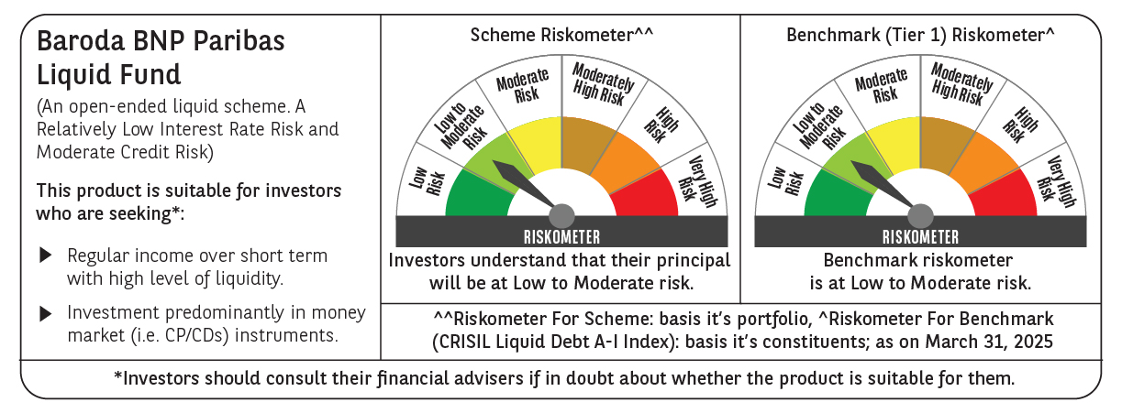
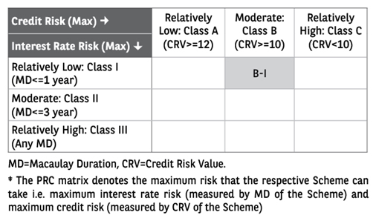
 | Baroda BNP Paribas Liquid Fund

 | Monthly Portfolio Statement as on March 31, 2025
 | Name of the Instrument | ISIN | Rating | Quantity | Market/Fair Value (Rs. in Lakhs) | % to Net Assets | YTM~ | YTC^ | null
 | Debt Instruments
 | (a) Listed / awaiting listing on Stock Exchange
EOPR28 | 7.77% Embassy Office Parks REIT (05/06/2025) ** | INE041007100 | CRISIL AAA | 20,000 | 20,002.58 | 2.54% | 7.69%
EXIM677 | 5.62% Export Import Bank of India (20/06/2025) | INE514E08FU6 | CRISIL AAA | 250 | 2,489.37 | 0.32% | 7.28%
 | Sub Total |  |  |  | 22,491.95 | 2.86%
 | (b) Privately placed / Unlisted |  |  |  | NIL | NIL
 | Sub Total |  |  |  | NIL | NIL
 | Total |  |  |  | 22,491.95 | 2.86%
 | Money Market Instruments
 | Certificate of Deposit
UTIB1345 | Axis Bank Limited (02/05/2025) ** # | INE238AD6AJ8 | CRISIL A1+ | 7,000 | 34,792.42 | 4.42% | 7.02%
INBK462 | Indian Bank (07/05/2025) ** # | INE562A16OB8 | CRISIL A1+ | 7,000 | 34,759.34 | 4.41% | 7.02%
CANB1042 | Canara Bank (12/06/2025) ** # | INE476A16B49 | CRISIL A1+ | 6,000 | 29,592.57 | 3.76% | 6.98%
UNBI419 | Union Bank of India (07/05/2025) ** # | INE692A16IR1 | FITCH A1+ | 5,500 | 27,311.24 | 3.47% | 7.01%
CANB1019 | Canara Bank (15/05/2025) ** # | INE476A16ZR3 | CRISIL A1+ | 5,000 | 24,791.55 | 3.15% | 6.97%
HDFB989 | HDFC Bank Limited (27/05/2025) # | INE040A16GK2 | CRISIL A1+ | 5,000 | 24,735.30 | 3.14% | 6.98%
PUBA1085 | Punjab National Bank (04/06/2025) ** # | INE160A16RG3 | ICRA A1+ | 5,000 | 24,696.88 | 3.13% | 7.00%
INBK471 | Indian Bank (12/06/2025) ** # | INE562A16OJ1 | CRISIL A1+ | 5,000 | 24,658.53 | 3.13% | 7.02%
PUBA1082 | Punjab National Bank (27/05/2025) ** # | INE160A16RE8 | ICRA A1+ | 4,000 | 19,787.48 | 2.51% | 7.00%
HDFB991 | HDFC Bank Limited (09/06/2025) ** # | INE040A16GM8 | CRISIL A1+ | 4,000 | 19,738.80 | 2.51% | 7.00%
HDFB994 | HDFC Bank Limited (17/06/2025) ** # | INE040A16GQ9 | CRISIL A1+ | 4,000 | 19,708.96 | 2.50% | 7.00%
PUBA1091 | Punjab National Bank (18/06/2025) ** # | INE160A16RL3 | CARE A1+ | 4,000 | 19,705.24 | 2.50% | 7.00%
SIDB563 | Small Industries Dev Bank of India (10/06/2025) ** # | INE556F16AS2 | CRISIL A1+ | 3,500 | 17,267.37 | 2.19% | 7.03%
KMBK878 | Kotak Mahindra Bank Limited (11/06/2025) ** # | INE237A169X2 | CRISIL A1+ | 3,400 | 16,772.27 | 2.13% | 6.98%
KMBK866 | Kotak Mahindra Bank Limited (06/06/2025) ** # | INE237A168X4 | CRISIL A1+ | 2,500 | 12,344.20 | 1.57% | 6.98%
CANB1011 | Canara Bank (28/05/2025) # | INE476A16ZL6 | CRISIL A1+ | 1,500 | 7,419.47 | 0.94% | 6.95%
UTIB1323 | Axis Bank Limited (06/06/2025) ** # | INE238AD6835 | CRISIL A1+ | 1,000 | 4,937.29 | 0.63% | 7.02%
INBK466 | Indian Bank (27/05/2025) ** # | INE562A16OE2 | CRISIL A1+ | 500 | 2,473.36 | 0.31% | 7.02%
KMBK868 | Kotak Mahindra Bank Limited (29/05/2025) ** # | INE237A166X8 | CRISIL A1+ | 500 | 2,472.56 | 0.31% | 6.98%
 | Sub Total |  |  |  | 367,964.83 | 46.71%
 | Commercial Paper
NBAR827 | National Bank For Agriculture and Rural Development (04/06/2025) ** | INE261F14ND9 | ICRA A1+ | 6,000 | 29,631.63 | 3.76% | 7.09%
EXIM796 | Export Import Bank of India (07/05/2025) ** | INE514E14SP7 | CRISIL A1+ | 4,000 | 19,862.86 | 2.52% | 7.00%
RRVL170 | Reliance Retail Ventures Limited (09/05/2025) ** | INE929O14DA0 | CRISIL A1+ | 4,000 | 19,851.52 | 2.52% | 7.18%
HDFS265 | HDFC Securities Limited (14/05/2025) ** | INE700G14NH5 | CRISIL A1+ | 4,000 | 19,827.98 | 2.52% | 7.36%
PHFL162 | Piramal Capital & Housing Finance Limited (26/05/2025) ** | INE516Y14ID7 | CRISIL A1+ | 4,000 | 19,766.20 | 2.51% | 7.85%
SIDB595 | Small Industries Dev Bank of India (05/06/2025) ** | INE556F14KY4 | CARE A1+ | 4,000 | 19,752.02 | 2.51% | 7.05%
BAFL964 | Bajaj Finance Limited (12/06/2025) ** | INE296A14ZX8 | CRISIL A1+ | 4,000 | 19,715.82 | 2.50% | 7.31%
NBAR837 | National Bank For Agriculture and Rural Development (18/06/2025) ** | INE261F14NN8 | ICRA A1+ | 4,000 | 19,701.50 | 2.50% | 7.09%
MNGF321 | Manappuram Finance Limited (13/06/2025) ** | INE522D14OH8 | CRISIL A1+ | 4,000 | 19,694.16 | 2.50% | 7.77%
SCIN328 | Standard Chartered Capital Limited (26/05/2025) ** | INE403G14SX2 | CRISIL A1+ | 3,000 | 14,833.49 | 1.88% | 7.45%
BGFL1135 | Aditya Birla Finance Limited (02/06/2025) ** | INE860H144Y0 | ICRA A1+ | 3,000 | 14,815.67 | 1.88% | 7.33%
EXIM791 | Export Import Bank of India (03/06/2025) ** | INE514E14SL6 | CRISIL A1+ | 2,500 | 12,350.78 | 1.57% | 7.00%
IIFW323 | 360 One Prime Limited (19/06/2025) ** | INE248U14RG9 | CRISIL A1+ | 2,500 | 12,290.00 | 1.56% | 7.89%
NBAR811 | National Bank For Agriculture and Rural Development (23/04/2025) ** | INE261F14MT7 | CRISIL A1+ | 2,000 | 9,957.09 | 1.26% | 7.15%
NBAR813 | National Bank For Agriculture and Rural Development (28/04/2025) ** | INE261F14MV3 | ICRA A1+ | 2,000 | 9,947.39 | 1.26% | 7.15%
MOFS218 | Motilal Oswal Financial Services Limited (05/05/2025) ** | INE338I14JE5 | CRISIL A1+ | 2,000 | 9,929.61 | 1.26% | 7.61%
BGHP178 | Birla Group Holdings Private Limited (07/05/2025) ** | INE09OL14GK7 | CRISIL A1+ | 2,000 | 9,926.26 | 1.26% | 7.53%
BGFL1134 | Aditya Birla Finance Limited (29/05/2025) ** | INE860H144X2 | ICRA A1+ | 2,000 | 9,884.94 | 1.25% | 7.33%
HZIN82 | Hindustan Zinc Limited (04/06/2025) ** | INE267A14788 | CRISIL A1+ | 2,000 | 9,876.44 | 1.25% | 7.13%
EXIM800 | Export Import Bank of India (09/06/2025) ** | INE514E14SR3 | CRISIL A1+ | 2,000 | 9,869.40 | 1.25% | 7.00%
HHFL224 | Hero Fincorp Limited (05/06/2025) ** | INE957N14JH5 | CRISIL A1+ | 2,000 | 9,867.94 | 1.25% | 7.51%
HHFL225 | Hero Fincorp Limited (10/06/2025) ** | INE957N14JK9 | CRISIL A1+ | 2,000 | 9,857.93 | 1.25% | 7.52%
KOSE314 | Kotak Securities Limited (12/06/2025) ** | INE028E14QN7 | CRISIL A1+ | 2,000 | 9,856.61 | 1.25% | 7.38%
SBIC64 | SBICAP Securities Limited (17/06/2025) ** | INE212K14AV1 | ICRA A1+ | 2,000 | 9,845.88 | 1.25% | 7.42%
BGHP177 | Birla Group Holdings Private Limited (05/05/2025) ** | INE09OL14GJ9 | CRISIL A1+ | 1,000 | 4,965.16 | 0.63% | 7.53%
SIDB574 | Small Industries Dev Bank of India (28/05/2025) ** | INE556F14KH9 | CRISIL A1+ | 1,000 | 4,945.55 | 0.63% | 7.05%
DIIP222 | Deutsche Investments India Pvt Limited (06/06/2025) ** | INE144H14HC7 | CRISIL A1+ | 1,000 | 4,933.32 | 0.63% | 7.48%
MUFL431 | Muthoot Finance Limited (10/06/2025) ** | INE414G14TR9 | CRISIL A1+ | 1,000 | 4,929.85 | 0.63% | 7.42%
DIIP221 | Deutsche Investments India Pvt Limited (09/06/2025) ** | INE144H14HH6 | CRISIL A1+ | 900 | 4,437.30 | 0.56% | 7.47%
LICH677 | LIC Housing Finance Limited (14/05/2025) ** | INE115A14FA0 | CRISIL A1+ | 500 | 2,479.19 | 0.31% | 7.13%
MUFL432 | Muthoot Finance Limited (27/05/2025) ** | INE414G14TT5 | CRISIL A1+ | 500 | 2,471.94 | 0.31% | 7.40%
 | Sub Total |  |  |  | 380,075.43 | 48.22%
 | Treasury Bill
TBIL2463 | 91 Days Tbill (MD 24/04/2025) | IN002024X425 | Sovereign | 45,000,000 | 44,819.96 | 5.69% | 6.38%
TBIL2476 | 91 Days Tbill (MD 30/05/2025) | IN002024X474 | Sovereign | 40,000,000 | 39,593.60 | 5.02% | 6.35%
TBIL2482 | 91 Days Tbill (MD 12/06/2025) | IN002024X490 | Sovereign | 40,000,000 | 39,499.96 | 5.01% | 6.42%
TBIL2465 | 91 Days Tbill (MD 01/05/2025) | IN002024X433 | Sovereign | 32,500,000 | 32,332.95 | 4.10% | 6.29%
TBIL2470 | 91 Days Tbill (MD 15/05/2025) | IN002024X458 | Sovereign | 20,000,000 | 19,848.06 | 2.52% | 6.35%
TBIL2479 | 91 Days Tbill (MD 05/06/2025) | IN002024X482 | Sovereign | 5,000,000 | 4,943.48 | 0.63% | 6.42%
 | Sub Total |  |  |  | 181,038.01 | 22.97%
 | Total |  |  |  | 929,078.27 | 117.90%
 | Others
 | Corporate Debt Market Development Fund
CDMD50ME | Corporate Debt Market Development Fund # | INF0RQ622028 |  | 20,625 | 2,275.93 | 0.29%
 | Sub Total |  |  |  | 2,275.93 | 0.29%
 | Total |  |  |  | 2,275.93 | 0.29%
 | Reverse Repo / TREPS
TRP_020425 | Clearing Corporation of India Ltd |  |  |  | 593.01 | 0.08% | 6.68%
 | Sub Total |  |  |  | 593.01 | 0.08%
 | (b) Privately placed / Unlisted |  |  |  | NIL | NIL
 | Sub Total |  |  |  | NIL | NIL
 | Total |  |  |  | 593.01 | 0.08%
 | Net Receivables / (Payables) |  |  |  | (166,484.06) | (21.13)%
 | GRAND TOTAL |  |  |  | 787,955.10 | 100.00%

 | ** Thinly Traded / Non Traded Security
 | # Unlisted Security
 | ~ YTM as on March 31, 2025
 | ^ YTC represents Yield to Call provided by valuation agencies as on March 31, 2025. It is disclosed for Perpetual Bond issued by Banks (i.e. AT-1 Bond / Tier 1 Bond / Tier 2 Bond), as per AMFI Best Practices Guidelines Circular no. 135/BP/91/2020-21 read with SEBI circular No. SEBI/HO/IMD/DF4/CIR/P/2021/034 on Valuation of AT-1 Bonds and Tier 2 Bonds.

