YR11
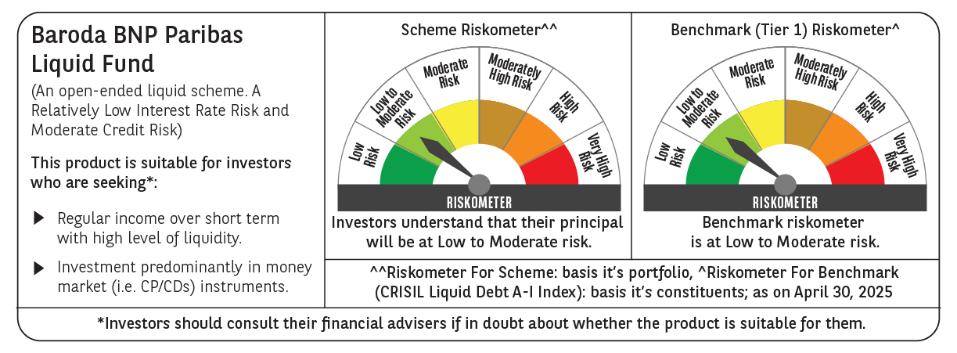
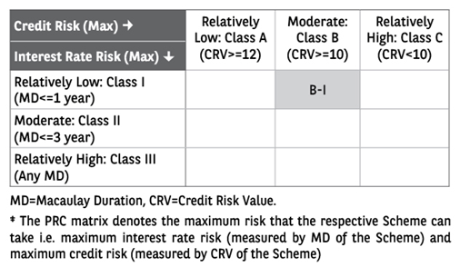
 | Baroda BNP Paribas Liquid Fund

 | Monthly Portfolio Statement as on April 30, 2025
 | Name of the Instrument | ISIN | Rating | Quantity | Market/Fair Value (Rs. in Lakhs) | % to Net Assets | YTM~ | YTC^ | null
 | Debt Instruments
 | (a) Listed / awaiting listing on Stock Exchange
EOPR28 | 7.77% Embassy Office Parks REIT (05/06/2025) ** | INE041007100 | CRISIL AAA | 20,000 | 20,012.06 | 1.77% | 7.09%
EXIM677 | 5.62% Export Import Bank of India (20/06/2025) ** | INE514E08FU6 | CRISIL AAA | 250 | 2,495.37 | 0.22% | 6.66%
 | Sub Total |  |  |  | 22,507.43 | 1.99%
 | (b) Privately placed / Unlisted |  |  |  | NIL | NIL
 | Sub Total |  |  |  | NIL | NIL
 | Total |  |  |  | 22,507.43 | 1.99%
 | Money Market Instruments
 | Certificate of Deposit
CANB1042 | Canara Bank (12/06/2025) ** # | INE476A16B49 | CRISIL A1+ | 6,000 | 29,777.70 | 2.63% | 6.49%
HDFB989 | HDFC Bank Limited (27/05/2025) # | INE040A16GK2 | CRISIL A1+ | 5,000 | 24,884.98 | 2.20% | 6.49%
PUBA1085 | Punjab National Bank (04/06/2025) # | INE160A16RG3 | ICRA A1+ | 5,000 | 24,849.55 | 2.19% | 6.50%
INBK471 | Indian Bank (12/06/2025) ** # | INE562A16OJ1 | CRISIL A1+ | 5,000 | 24,813.83 | 2.19% | 6.52%
HDFB994 | HDFC Bank Limited (17/06/2025) ** # | INE040A16GQ9 | CRISIL A1+ | 4,000 | 19,834.18 | 1.75% | 6.49%
PUBA1091 | Punjab National Bank (18/06/2025) # | INE160A16RL3 | CARE A1+ | 4,000 | 19,829.72 | 1.75% | 6.53%
SIDB563 | Small Industries Dev Bank of India (10/06/2025) ** # | INE556F16AS2 | CRISIL A1+ | 3,500 | 17,376.84 | 1.53% | 6.47%
KMBK878 | Kotak Mahindra Bank Limited (11/06/2025) ** # | INE237A169X2 | CRISIL A1+ | 3,400 | 16,877.40 | 1.49% | 6.47%
CANB1019 | Canara Bank (15/05/2025) ** # | INE476A16ZR3 | CRISIL A1+ | 2,500 | 12,468.98 | 1.10% | 6.49%
KMBK866 | Kotak Mahindra Bank Limited (06/06/2025) ** # | INE237A168X4 | CRISIL A1+ | 2,500 | 12,420.78 | 1.10% | 6.47%
UNBI428 | Union Bank of India (04/06/2025) ** # | INE692A16IZ4 | FITCH A1+ | 2,000 | 9,939.89 | 0.88% | 6.49%
HDFB991 | HDFC Bank Limited (09/06/2025) # | INE040A16GM8 | CRISIL A1+ | 2,000 | 9,931.24 | 0.88% | 6.48%
CANB1011 | Canara Bank (28/05/2025) # | INE476A16ZL6 | CRISIL A1+ | 1,500 | 7,464.20 | 0.66% | 6.48%
UTIB1323 | Axis Bank Limited (06/06/2025) # | INE238AD6835 | CRISIL A1+ | 1,000 | 4,968.15 | 0.44% | 6.50%
UNBI419 | Union Bank of India (07/05/2025) ** # | INE692A16IR1 | FITCH A1+ | 500 | 2,497.35 | 0.22% | 6.45%
INBK466 | Indian Bank (27/05/2025) ** # | INE562A16OE2 | CRISIL A1+ | 500 | 2,488.57 | 0.22% | 6.45%
KMBK868 | Kotak Mahindra Bank Limited (29/05/2025) ** # | INE237A166X8 | CRISIL A1+ | 500 | 2,487.66 | 0.22% | 6.47%
 | Sub Total |  |  |  | 242,911.02 | 21.45%
 | Commercial Paper
IOIC675 | Indian Oil Corporation Limited (16/06/2025) ** | INE242A14XP3 | CRISIL A1+ | 10,000 | 49,591.55 | 4.37% | 6.54%
EXIM791 | Export Import Bank of India (03/06/2025) ** | INE514E14SL6 | CRISIL A1+ | 8,500 | 42,251.25 | 3.73% | 6.51%
HPEC308 | Hindustan Petroleum Corporation Limited (10/06/2025) ** | INE094A14JT9 | CRISIL A1+ | 8,000 | 39,717.08 | 3.50% | 6.50%
NBAR827 | National Bank For Agriculture and Rural Development (04/06/2025) ** | INE261F14ND9 | ICRA A1+ | 6,000 | 29,817.60 | 2.63% | 6.57%
NTPC256 | NTPC Limited (30/07/2025) ** | INE733E14BV7 | ICRA A1+ | 6,000 | 29,521.05 | 2.60% | 6.58%
BPCL131 | Bharat Petroleum Corporation Limited (10/06/2025) ** | INE029A14BS4 | CRISIL A1+ | 5,000 | 24,822.45 | 2.19% | 6.53%
INBS502 | Reliance Jio Infocomm Limited (22/07/2025) ** | INE110L14TO0 | CRISIL A1+ | 5,000 | 24,633.10 | 2.17% | 6.63%
RRVL170 | Reliance Retail Ventures Limited (09/05/2025) | INE929O14DA0 | CRISIL A1+ | 4,000 | 19,970.80 | 1.76% | 6.67%
HDFS265 | HDFC Securities Limited (14/05/2025) ** | INE700G14NH5 | CRISIL A1+ | 4,000 | 19,952.18 | 1.76% | 6.73%
SIDB595 | Small Industries Dev Bank of India (05/06/2025) ** | INE556F14KY4 | CARE A1+ | 4,000 | 19,875.22 | 1.75% | 6.55%
BAFL964 | Bajaj Finance Limited (12/06/2025) ** | INE296A14ZX8 | CRISIL A1+ | 4,000 | 19,847.44 | 1.75% | 6.68%
NBAR837 | National Bank For Agriculture and Rural Development (18/06/2025) ** | INE261F14NN8 | ICRA A1+ | 4,000 | 19,828.68 | 1.75% | 6.57%
MNGF321 | Manappuram Finance Limited (13/06/2025) ** | INE522D14OH8 | CRISIL A1+ | 4,000 | 19,821.48 | 1.75% | 7.65%
RIND473 | Reliance Industries Limited (25/06/2025) ** | INE002A14LF7 | CRISIL A1+ | 4,000 | 19,803.80 | 1.75% | 6.57%
SCIN328 | Standard Chartered Capital Limited (26/05/2025) ** | INE403G14SX2 | CRISIL A1+ | 3,000 | 14,930.10 | 1.32% | 6.84%
BGFL1135 | Aditya Birla Capital Limited (02/06/2025) ** | INE860H144Y0 | ICRA A1+ | 3,000 | 14,912.48 | 1.32% | 6.70%
INBS497 | Reliance Jio Infocomm Limited (12/06/2025) ** | INE110L14TL6 | CARE A1+ | 3,000 | 14,887.04 | 1.31% | 6.59%
KSFI35 | Kisetsu Saison Fin Ind Pvt Ltd (29/07/2025) ** | INE0DZE14206 | CRISIL A1+ | 3,000 | 14,746.07 | 1.30% | 7.06%
IIFW323 | 360 One Prime Limited (19/06/2025) ** | INE248U14RG9 | CRISIL A1+ | 2,500 | 12,371.95 | 1.09% | 7.71%
MOFS218 | Motilal Oswal Financial Services Limited (05/05/2025) ** | INE338I14JE5 | CRISIL A1+ | 2,000 | 9,992.39 | 0.88% | 6.95%
BGHP178 | Birla Group Holdings Private Limited (07/05/2025) ** | INE09OL14GK7 | CRISIL A1+ | 2,000 | 9,988.68 | 0.88% | 6.90%
BGFL1134 | Aditya Birla Capital Limited (29/05/2025) ** | INE860H144X2 | ICRA A1+ | 2,000 | 9,948.91 | 0.88% | 6.69%
HZIN82 | Hindustan Zinc Limited (04/06/2025) ** | INE267A14788 | CRISIL A1+ | 2,000 | 9,938.57 | 0.88% | 6.64%
HHFL224 | Hero Fincorp Limited (05/06/2025) ** | INE957N14JH5 | CRISIL A1+ | 2,000 | 9,932.90 | 0.88% | 7.04%
EXIM800 | Export Import Bank of India (09/06/2025) ** | INE514E14SR3 | CRISIL A1+ | 2,000 | 9,930.90 | 0.88% | 6.51%
IOIC676 | Indian Oil Corporation Limited (13/06/2025) ** | INE242A14XR9 | ICRA A1+ | 2,000 | 9,923.63 | 0.88% | 6.53%
HHFL225 | Hero Fincorp Limited (10/06/2025) ** | INE957N14JK9 | CRISIL A1+ | 2,000 | 9,923.39 | 0.88% | 7.05%
KOSE314 | Kotak Securities Limited (12/06/2025) ** | INE028E14QN7 | CRISIL A1+ | 2,000 | 9,922.93 | 0.88% | 6.75%
SBIC64 | SBICAP Securities Limited (17/06/2025) ** | INE212K14AV1 | ICRA A1+ | 2,000 | 9,912.95 | 0.87% | 6.82%
IOIC674 | Indian Oil Corporation Limited (27/06/2025) ** | INE242A14XQ1 | ICRA A1+ | 2,000 | 9,898.98 | 0.87% | 6.54%
TISC267 | Tata Steel Limited (27/06/2025) ** | INE081A14FM9 | ICRA A1+ | 2,000 | 9,896.15 | 0.87% | 6.72%
HZIN87 | Hindustan Zinc Limited (25/07/2025) ** | INE267A14804 | CRISIL A1+ | 2,000 | 9,845.02 | 0.87% | 6.76%
BGHP177 | Birla Group Holdings Private Limited (05/05/2025) ** | INE09OL14GJ9 | CRISIL A1+ | 1,000 | 4,996.23 | 0.44% | 6.90%
SIDB574 | Small Industries Dev Bank of India (28/05/2025) ** | INE556F14KH9 | CRISIL A1+ | 1,000 | 4,975.91 | 0.44% | 6.55%
DIIP222 | Deutsche Investments India Pvt Limited (06/06/2025) ** | INE144H14HC7 | CRISIL A1+ | 1,000 | 4,966.40 | 0.44% | 6.86%
MUFL431 | Muthoot Finance Limited (10/06/2025) ** | INE414G14TR9 | CRISIL A1+ | 1,000 | 4,963.42 | 0.44% | 6.73%
SIDB567 | Small Industries Dev Bank of India (26/06/2025) ** | INE556F14KM9 | CRISIL A1+ | 1,000 | 4,950.26 | 0.44% | 6.55%
DIIP221 | Deutsche Investments India Pvt Limited (09/06/2025) ** | INE144H14HH6 | CRISIL A1+ | 900 | 4,467.26 | 0.39% | 6.86%
LICH677 | LIC Housing Finance Limited (14/05/2025) | INE115A14FA0 | CRISIL A1+ | 500 | 2,494.15 | 0.22% | 6.58%
MUFL432 | Muthoot Finance Limited (27/05/2025) ** | INE414G14TT5 | CRISIL A1+ | 500 | 2,488.08 | 0.22% | 6.72%
ICBR547 | ICICI Securities Limited (10/06/2025) ** | INE763G14WH4 | CRISIL A1+ | 500 | 2,481.68 | 0.22% | 6.74%
 | Sub Total |  |  |  | 617,140.11 | 54.45%
 | Treasury Bill
TBIL2476 | 91 Days Tbill (MD 30/05/2025) | IN002024X474 | Sovereign | 40,000,000 | 39,816.04 | 3.51% | 5.82%
TBIL2482 | 91 Days Tbill (MD 12/06/2025) | IN002024X490 | Sovereign | 40,000,000 | 39,732.08 | 3.50% | 5.86%
TBIL2497 | 91 Days Tbill (MD 17/07/2025) | IN002025X034 | Sovereign | 25,000,000 | 24,692.23 | 2.18% | 5.91%
TBIL2470 | 91 Days Tbill (MD 15/05/2025) | IN002024X458 | Sovereign | 20,000,000 | 19,954.84 | 1.76% | 5.90%
TBIL2479 | 91 Days Tbill (MD 05/06/2025) | IN002024X482 | Sovereign | 5,000,000 | 4,972.02 | 0.44% | 5.87%
TBIL2449 | 182 Days Tbill (MD 19/06/2025) | IN002024Y365 | Sovereign | 5,000,000 | 4,960.90 | 0.44% | 5.87%
 | Sub Total |  |  |  | 134,128.11 | 11.83%
 | Total |  |  |  | 994,179.24 | 87.73%
 | Others
 | Corporate Debt Market Development Fund
CDMD50ME | Corporate Debt Market Development Fund # | INF0RQ622028 |  | 20,625 | 2,293.15 | 0.20%
 | Sub Total |  |  |  | 2,293.15 | 0.20%
 | Total |  |  |  | 2,293.15 | 0.20%
 | Reverse Repo / TREPS
TRP_050525_VAL | Clearing Corporation of India Ltd | TREP05052025 |  |  | 52,964.44 | 4.67% | 6.13%
REP15_300425 | Clearing Corporation of India Ltd |  |  |  | 22,499.85 | 1.98% | 6.08%
TRP_020525 | Clearing Corporation of India Ltd |  |  |  | 21,116.75 | 1.86% | 5.94%
REP14_300425 | Clearing Corporation of India Ltd |  |  |  | 17,999.67 | 1.59% | 6.10%
 | Sub Total |  |  |  | 114,580.71 | 10.10%
 | (b) Privately placed / Unlisted |  |  |  | NIL | NIL
 | Sub Total |  |  |  | NIL | NIL
 | Total |  |  |  | 114,580.71 | 10.10%
 | Net Receivables / (Payables) |  |  |  | 105.94 | (0.02)%
 | GRAND TOTAL |  |  |  | 1,133,666.47 | 100.00%

 | ** Thinly Traded / Non Traded Security
 | # Unlisted Security
 | ~ YTM as on April 30, 2025
 | ^ YTC represents Yield to Call provided by valuation agencies as on April 30, 2025. It is disclosed for Perpetual Bond issued by Banks (i.e. AT-1 Bond / Tier 1 Bond / Tier 2 Bond), as per AMFI Best Practices Guidelines Circular no. 135/BP/91/2020-21 read with SEBI circular No. SEBI/HO/IMD/DF4/CIR/P/2021/034 on Valuation of AT-1 Bonds and Tier 2 Bonds.

