YR11
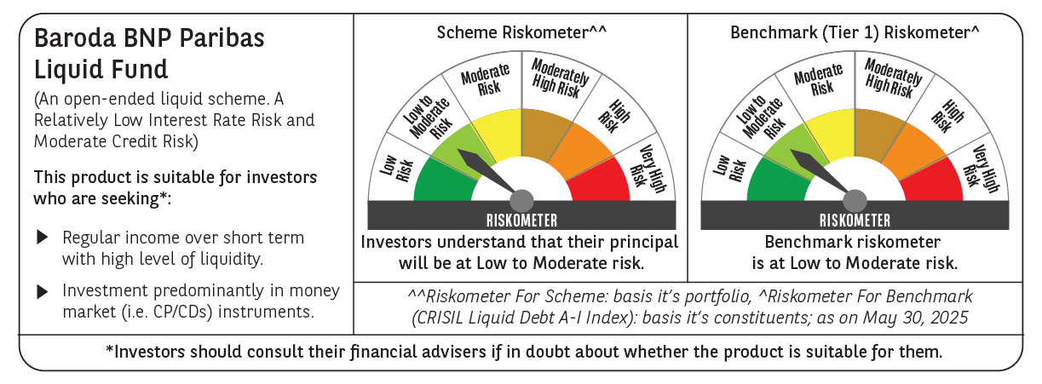
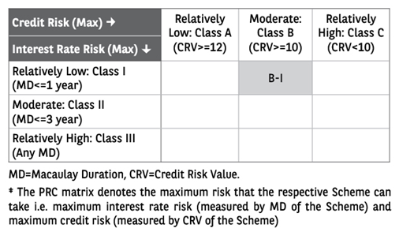
 | Baroda BNP Paribas Liquid Fund

 | Monthly Portfolio Statement as on May 31, 2025
 | Name of the Instrument | ISIN | Rating | Quantity | Market/Fair Value (Rs. in Lakhs) | % to Net Assets | YTM~ | YTC^ | null
 | Debt Instruments
 | (a) Listed / awaiting listing on Stock Exchange
EOPR28 | 7.77% Embassy Office Parks REIT (05/06/2025) ** | INE041007100 | CRISIL AAA | 20,000 | 20,001.44 | 1.76% | 7.02%
LICH618 | 6.25% LIC Housing Finance Limited (20/06/2025) ** | INE115A07PU1 | CRISIL AAA | 1,250 | 12,494.85 | 1.10% | 6.65%
POWF486 | 7.13% Power Finance Corporation Limited (08/08/2025) | INE134E08LO4 | CRISIL AAA | 850 | 8,506.81 | 0.75% | 6.33%
EXIM677 | 5.62% Export Import Bank of India (20/06/2025) ** | INE514E08FU6 | CRISIL AAA | 250 | 2,498.41 | 0.22% | 6.51%
 | Sub Total |  |  |  | 43,501.51 | 3.83%
 | (b) Privately placed / Unlisted |  |  |  | NIL | NIL
 | Sub Total |  |  |  | NIL | NIL
 | Total |  |  |  | 43,501.51 | 3.83%
 | Money Market Instruments
 | Certificate of Deposit
CANB1042 | Canara Bank (12/06/2025) ** # | INE476A16B49 | CRISIL A1+ | 6,000 | 29,943.15 | 2.63% | 6.30%
PUBA1105 | Punjab National Bank (21/08/2025) ** # | INE160A16SA4 | FITCH A1+ | 6,000 | 29,596.08 | 2.60% | 6.15%
CANB1050 | Canara Bank (22/08/2025) ** # | INE476A16C06 | CRISIL A1+ | 6,000 | 29,594.43 | 2.60% | 6.10%
INBK471 | Indian Bank (12/06/2025) ** # | INE562A16OJ1 | CRISIL A1+ | 5,000 | 24,952.70 | 2.19% | 6.29%
INBK479 | Indian Bank (07/08/2025) ** # | INE562A16OR4 | CRISIL A1+ | 5,000 | 24,722.50 | 2.17% | 6.11%
HDFB994 | HDFC Bank Limited (17/06/2025) ** # | INE040A16GQ9 | CRISIL A1+ | 4,000 | 19,944.88 | 1.75% | 6.30%
PUBA1091 | Punjab National Bank (18/06/2025) # | INE160A16RL3 | CARE A1+ | 4,000 | 19,941.58 | 1.75% | 6.29%
SIDB563 | Small Industries Dev Bank of India (10/06/2025) ** # | INE556F16AS2 | CRISIL A1+ | 3,500 | 17,472.82 | 1.53% | 6.31%
KMBK878 | Kotak Mahindra Bank Limited (11/06/2025) ** # | INE237A169X2 | CRISIL A1+ | 3,400 | 16,970.83 | 1.49% | 6.27%
KMBK866 | Kotak Mahindra Bank Limited (06/06/2025) # | INE237A168X4 | CRISIL A1+ | 2,500 | 12,489.23 | 1.10% | 6.30%
HDFB991 | HDFC Bank Limited (09/06/2025) ** # | INE040A16GM8 | CRISIL A1+ | 2,100 | 10,485.56 | 0.92% | 6.28%
UNBI428 | Union Bank of India (04/06/2025) # | INE692A16IZ4 | FITCH A1+ | 2,000 | 9,994.83 | 0.88% | 6.29%
 | Sub Total |  |  |  | 246,108.59 | 21.61%
 | Commercial Paper
RRVL181 | Reliance Retail Ventures Limited (14/08/2025) ** | INE929O14DK9 | CRISIL A1+ | 7,000 | 34,566.18 | 3.04% | 6.19%
IOIC675 | Indian Oil Corporation Limited (16/06/2025) ** | INE242A14XP3 | CRISIL A1+ | 6,700 | 33,412.93 | 2.94% | 6.34%
NTPC256 | NTPC Limited (30/07/2025) ** | INE733E14BV7 | ICRA A1+ | 6,000 | 29,701.14 | 2.61% | 6.22%
IOIC680 | Indian Oil Corporation Limited (08/08/2025) ** | INE242A14XV1 | ICRA A1+ | 6,000 | 29,659.62 | 2.61% | 6.16%
NBAR848 | National Bank For Agriculture and Rural Development (22/08/2025) ** | INE261F14NT5 | ICRA A1+ | 6,000 | 29,590.50 | 2.60% | 6.16%
SIDB607 | Small Industries Dev Bank of India (26/08/2025) ** | INE556F14LD6 | CRISIL A1+ | 6,000 | 29,572.17 | 2.60% | 6.14%
BPCL131 | Bharat Petroleum Corporation Limited (10/06/2025) ** | INE029A14BS4 | CRISIL A1+ | 5,000 | 24,960.95 | 2.19% | 6.34%
INBS502 | Reliance Jio Infocomm Limited (22/07/2025) ** | INE110L14TO0 | CRISIL A1+ | 5,000 | 24,781.18 | 2.18% | 6.32%
ICBR586 | ICICI Securities Limited (13/08/2025) ** | INE763G14YH0 | CRISIL A1+ | 5,000 | 24,678.68 | 2.17% | 6.51%
SUFI761 | Sundaram Finance Limited (25/08/2025) ** | INE660A14YO7 | CRISIL A1+ | 5,000 | 24,632.60 | 2.16% | 6.41%
HPEC308 | Hindustan Petroleum Corporation Limited (10/06/2025) | INE094A14JT9 | CRISIL A1+ | 4,000 | 19,968.48 | 1.75% | 6.40%
MNGF321 | Manappuram Finance Limited (13/06/2025) ** | INE522D14OH8 | CRISIL A1+ | 4,000 | 19,949.14 | 1.75% | 7.75%
NBAR837 | National Bank For Agriculture and Rural Development (18/06/2025) ** | INE261F14NN8 | ICRA A1+ | 4,000 | 19,940.98 | 1.75% | 6.35%
RIND473 | Reliance Industries Limited (25/06/2025) ** | INE002A14LF7 | CRISIL A1+ | 4,000 | 19,916.32 | 1.75% | 6.39%
DHFL405 | Piramal Finance Limited (07/08/2025) ** | INE202B14ON9 | CRISIL A1+ | 4,000 | 19,725.72 | 1.73% | 7.58%
MOFS230 | Motilal Oswal Financial Services Limited (14/08/2025) ** | INE338I14KF0 | CRISIL A1+ | 3,500 | 17,267.37 | 1.52% | 6.65%
INBS497 | Reliance Jio Infocomm Limited (12/06/2025) ** | INE110L14TL6 | CARE A1+ | 3,000 | 14,970.99 | 1.32% | 6.43%
KSFI35 | Kisetsu Saison Fin Ind Pvt Ltd (29/07/2025) ** | INE0DZE14206 | CRISIL A1+ | 3,000 | 14,839.13 | 1.30% | 6.82%
IIFW323 | 360 One Prime Limited (19/06/2025) ** | INE248U14RG9 | CRISIL A1+ | 2,500 | 12,455.29 | 1.09% | 7.28%
BHFL136 | Bajaj Housing Finance Limited (29/08/2025) ** | INE377Y14BJ6 | CRISIL A1+ | 2,500 | 12,311.78 | 1.08% | 6.27%
HZIN82 | Hindustan Zinc Limited (04/06/2025) ** | INE267A14788 | CRISIL A1+ | 2,000 | 9,994.74 | 0.88% | 6.40%
HHFL224 | Hero Fincorp Limited (05/06/2025) ** | INE957N14JH5 | CRISIL A1+ | 2,000 | 9,992.29 | 0.88% | 7.04%
EXIM800 | Export Import Bank of India (09/06/2025) ** | INE514E14SR3 | CRISIL A1+ | 2,000 | 9,986.28 | 0.88% | 6.27%
HHFL225 | Hero Fincorp Limited (10/06/2025) ** | INE957N14JK9 | CRISIL A1+ | 2,000 | 9,982.55 | 0.88% | 7.09%
IOIC676 | Indian Oil Corporation Limited (13/06/2025) | INE242A14XR9 | ICRA A1+ | 2,000 | 9,979.49 | 0.88% | 6.25%
TISC267 | Tata Steel Limited (27/06/2025) ** | INE081A14FM9 | ICRA A1+ | 2,000 | 9,954.06 | 0.87% | 6.48%
HZIN87 | Hindustan Zinc Limited (25/07/2025) ** | INE267A14804 | CRISIL A1+ | 2,000 | 9,904.83 | 0.87% | 6.49%
HZIN88 | Hindustan Zinc Limited (20/08/2025) ** | INE267A14812 | CRISIL A1+ | 2,000 | 9,861.67 | 0.87% | 6.40%
KOSE322 | Kotak Securities Limited (19/08/2025) ** | INE028E14RB0 | CRISIL A1+ | 2,000 | 9,859.85 | 0.87% | 6.57%
MNGF324 | Manappuram Finance Limited (20/08/2025) ** | INE522D14OM8 | CRISIL A1+ | 2,000 | 9,838.17 | 0.86% | 7.51%
IIFM85 | 360 One WAM Limited (26/08/2025) ** | INE466L14EL4 | CARE A1+ | 2,000 | 9,836.72 | 0.86% | 7.05%
NBAR840 | National Bank For Agriculture and Rural Development (20/06/2025) ** | INE261F14NL2 | CRISIL A1+ | 1,500 | 7,475.27 | 0.66% | 6.36%
SIDB595 | Small Industries Dev Bank of India (05/06/2025) ** | INE556F14KY4 | CARE A1+ | 1,000 | 4,996.52 | 0.44% | 6.37%
DIIP222 | Deutsche Investments India Pvt Limited (06/06/2025) ** | INE144H14HC7 | CRISIL A1+ | 1,000 | 4,995.41 | 0.44% | 6.71%
MUFL431 | Muthoot Finance Limited (10/06/2025) | INE414G14TR9 | CRISIL A1+ | 1,000 | 4,991.51 | 0.44% | 6.90%
ABHF150 | Aditya Birla Housing Finance Limited (20/06/2025) ** | INE831R14ES1 | CRISIL A1+ | 1,000 | 4,982.95 | 0.44% | 6.58%
SIDB567 | Small Industries Dev Bank of India (26/06/2025) ** | INE556F14KM9 | CRISIL A1+ | 1,000 | 4,978.28 | 0.44% | 6.37%
DIIP221 | Deutsche Investments India Pvt Limited (09/06/2025) ** | INE144H14HH6 | CRISIL A1+ | 900 | 4,493.34 | 0.39% | 6.76%
ICBR547 | ICICI Securities Limited (10/06/2025) ** | INE763G14WH4 | CRISIL A1+ | 500 | 2,495.77 | 0.22% | 6.88%
RIND475 | Reliance Industries Limited (24/06/2025) ** | INE002A14LG5 | CRISIL A1+ | 500 | 2,489.98 | 0.22% | 6.39%
 | Sub Total |  |  |  | 607,990.83 | 53.43%
 | Treasury Bill
TBIL2482 | 91 Days Tbill (MD 12/06/2025) | IN002024X490 | Sovereign | 61,000,000 | 60,895.39 | 5.35% | 5.70%
TBIL2394 | 364 Days Tbill (MD 07/08/2025) | IN002024Z198 | Sovereign | 50,000,000 | 49,490.10 | 4.35% | 5.61%
TBIL2497 | 91 Days Tbill (MD 17/07/2025) | IN002025X034 | Sovereign | 25,000,000 | 24,824.43 | 2.18% | 5.61%
TBIL2479 | 91 Days Tbill (MD 05/06/2025) | IN002024X482 | Sovereign | 20,000,000 | 19,987.24 | 1.76% | 5.83%
TBIL2485 | 91 Days Tbill (MD 19/06/2025) | IN002024X508 | Sovereign | 10,000,000 | 9,971.48 | 0.88% | 5.80%
TBIL2449 | 182 Days Tbill (MD 19/06/2025) | IN002024Y365 | Sovereign | 5,000,000 | 4,985.74 | 0.44% | 5.80%
 | Sub Total |  |  |  | 170,154.38 | 14.96%
 | Total |  |  |  | 1,024,253.80 | 90.00%
 | Others
 | Corporate Debt Market Development Fund
CDMD50ME | Corporate Debt Market Development Fund # | INF0RQ622028 |  | 20,625 | 2,308.17 | 0.20%
 | Sub Total |  |  |  | 2,308.17 | 0.20%
 | Total |  |  |  | 2,308.17 | 0.20%
 | Reverse Repo / TREPS
TRP_030625_VAL | Clearing Corporation of India Ltd | TREP03062025 |  |  | 49,983.40 | 4.39% | 6.07%
TRP_020625 | Clearing Corporation of India Ltd |  |  |  | 23,983.16 | 2.11% | 5.37%
 | Sub Total |  |  |  | 73,966.56 | 6.50%
 | (b) Privately placed / Unlisted |  |  |  | NIL | NIL
 | Sub Total |  |  |  | NIL | NIL
 | Total |  |  |  | 73,966.56 | 6.50%
 | Net Receivables / (Payables) |  |  |  | (5,656.16) | (0.53)%
 | GRAND TOTAL |  |  |  | 1,138,373.88 | 100.00%

 | ** Thinly Traded / Non Traded Security
 | # Unlisted Security
 | ~ YTM as on May 31, 2025
 | ^ YTC represents Yield to Call provided by valuation agencies as on May 31, 2025. It is disclosed for Perpetual Bond issued by Banks (i.e. AT-1 Bond / Tier 1 Bond / Tier 2 Bond), as per AMFI Best Practices Guidelines Circular no. 135/BP/91/2020-21 read with SEBI circular No. SEBI/HO/IMD/DF4/CIR/P/2021/034 on Valuation of AT-1 Bonds and Tier 2 Bonds.

