YR11
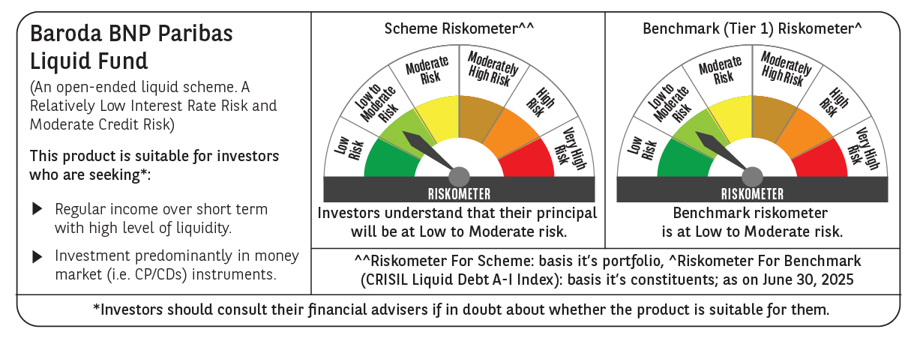
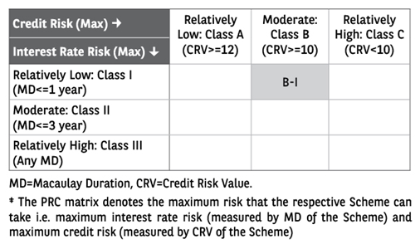
 | Baroda BNP Paribas Liquid Fund

 | Monthly Portfolio Statement as on June 30, 2025
 | Name of the Instrument | ISIN | Rating | Quantity | Market/Fair Value (Rs. in Lakhs) | % to Net Assets | YTM~ | YTC^ | null
 | Debt Instruments
 | (a) Listed / awaiting listing on Stock Exchange
EOPR31 | 8.17% Embassy Office Parks REIT (05/09/2025) ** | INE041007134 | CRISIL AAA | 20,000 | 20,073.28 | 2.17% | 6.12%
LICH597 | 5.776% LIC Housing Finance Limited (11/09/2025) ** | INE115A07OY6 | CRISIL AAA | 1,750 | 17,476.10 | 1.89% | 6.19%
POWF486 | 7.13% Power Finance Corporation Limited (08/08/2025) ** | INE134E08LO4 | CRISIL AAA | 1,350 | 13,509.72 | 1.46% | 6.05%
SUFI738 | 7.95% Sundaram Finance Limited (29/08/2025) ** | INE660A07RO5 | ICRA AAA | 7,500 | 7,513.98 | 0.81% | 6.36%
SUHF246 | 7.55% Sundaram Home Finance Limited (02/09/2025) ** | INE667F07IF6 | ICRA AAA | 500 | 5,008.23 | 0.54% | 6.20%
KOMP1652 | 7.38% Kotak Mahindra Prime Limited (20/08/2025) ** | INE916DA7RR2 | CRISIL AAA | 450 | 4,504.26 | 0.49% | 6.28%
EXIM685 | 5.85% Export Import Bank of India (12/09/2025) ** | INE514E08FV4 | CRISIL AAA | 250 | 2,498.56 | 0.27% | 5.87%
 | Sub Total |  |  |  | 70,584.13 | 7.63%
 | (b) Privately placed / Unlisted |  |  |  | NIL | NIL
 | Sub Total |  |  |  | NIL | NIL
 | Total |  |  |  | 70,584.13 | 7.63%
 | Money Market Instruments
 | Certificate of Deposit
UNBI436 | Union Bank of India (15/09/2025) ** # | INE692A16JG2 | ICRA A1+ | 10,000 | 49,403.00 | 5.34% | 5.80%
PUBA1105 | Punjab National Bank (21/08/2025) ** # | INE160A16SA4 | FITCH A1+ | 6,000 | 29,758.41 | 3.22% | 5.81%
CANB1050 | Canara Bank (22/08/2025) ** # | INE476A16C06 | CRISIL A1+ | 6,000 | 29,752.17 | 3.22% | 5.85%
INBK479 | Indian Bank (07/08/2025) ** # | INE562A16OR4 | CRISIL A1+ | 5,000 | 24,853.48 | 2.69% | 5.82%
UTIB1331 | Axis Bank Limited (09/09/2025) ** # | INE238AD6918 | CRISIL A1+ | 4,500 | 22,251.44 | 2.40% | 5.82%
HDFB1005 | HDFC Bank Limited (18/09/2025) ** # | INE040A16HA1 | CARE A1+ | 4,000 | 19,750.78 | 2.13% | 5.83%
CANB1005 | Canara Bank (03/09/2025) ** # | INE476A16ZA9 | CRISIL A1+ | 3,500 | 17,322.39 | 1.87% | 5.85%
UTIB1359 | Axis Bank Limited (15/09/2025) # | INE238AD6AV3 | CRISIL A1+ | 2,000 | 9,880.27 | 1.07% | 5.82%
HDFB967 | HDFC Bank Limited (15/09/2025) ** # | INE040A16FN8 | CARE A1+ | 1,000 | 4,940.03 | 0.53% | 5.83%
CANB1002 | Canara Bank (02/09/2025) ** # | INE476A16YY2 | CRISIL A1+ | 500 | 2,475.02 | 0.27% | 5.85%
INBK485 | Indian Bank (08/09/2025) ** # | INE562A16OY0 | CRISIL A1+ | 500 | 2,472.81 | 0.27% | 5.82%
 | Sub Total |  |  |  | 212,859.80 | 23.01%
 | Commercial Paper
RRVL181 | Reliance Retail Ventures Limited (14/08/2025) ** | INE929O14DK9 | CRISIL A1+ | 7,000 | 34,751.68 | 3.76% | 5.93%
NTPC256 | NTPC Limited (30/07/2025) ** | INE733E14BV7 | ICRA A1+ | 6,000 | 29,860.53 | 3.23% | 5.88%
IOIC680 | Indian Oil Corporation Limited (08/08/2025) ** | INE242A14XV1 | ICRA A1+ | 6,000 | 29,818.08 | 3.22% | 5.86%
NBAR848 | National Bank For Agriculture and Rural Development (22/08/2025) ** | INE261F14NT5 | ICRA A1+ | 6,000 | 29,750.64 | 3.22% | 5.88%
SIDB607 | Small Industries Dev Bank of India (26/08/2025) ** | INE556F14LD6 | CRISIL A1+ | 6,000 | 29,732.01 | 3.21% | 5.88%
IOIC681 | Indian Oil Corporation Limited (04/09/2025) | INE242A14XX7 | CRISIL A1+ | 6,000 | 29,690.16 | 3.21% | 5.86%
GRAS221 | Grasim Industries Limited (12/09/2025) ** | INE047A14AJ7 | CRISIL A1+ | 6,000 | 29,649.54 | 3.20% | 5.91%
NBAR849 | National Bank For Agriculture and Rural Development (03/09/2025) ** | INE261F14NU3 | CRISIL A1+ | 5,500 | 27,219.20 | 2.94% | 5.88%
INBS502 | Reliance Jio Infocomm Limited (22/07/2025) ** | INE110L14TO0 | CRISIL A1+ | 5,000 | 24,914.88 | 2.69% | 5.94%
SUFI761 | Sundaram Finance Limited (25/08/2025) ** | INE660A14YO7 | CRISIL A1+ | 5,000 | 24,768.23 | 2.68% | 6.21%
ICBR586 | ICICI Securities Limited (13/08/2025) ** | INE763G14YH0 | CRISIL A1+ | 4,500 | 22,335.17 | 2.41% | 6.26%
DHFL405 | Piramal Finance Limited (07/08/2025) ** | INE202B14ON9 | CRISIL A1+ | 4,000 | 19,856.88 | 2.15% | 7.11%
MOFS230 | Motilal Oswal Financial Services Limited (14/08/2025) ** | INE338I14KF0 | CRISIL A1+ | 3,500 | 17,366.44 | 1.88% | 6.38%
KSFI35 | Kisetsu Saison Fin Ind Pvt Ltd (29/07/2025) ** | INE0DZE14206 | CRISIL A1+ | 3,000 | 14,924.93 | 1.61% | 6.56%
HZIN90 | Hindustan Zinc Limited (04/09/2025) ** | INE267A14838 | CRISIL A1+ | 3,000 | 14,840.91 | 1.60% | 6.02%
KOSE322 | Kotak Securities Limited (19/08/2025) ** | INE028E14RB0 | CRISIL A1+ | 2,500 | 12,395.66 | 1.34% | 6.27%
BHFL136 | Bajaj Housing Finance Limited (29/08/2025) ** | INE377Y14BJ6 | CRISIL A1+ | 2,500 | 12,380.63 | 1.34% | 5.97%
DIIP226 | Deutsche Investments India Pvt Limited (09/09/2025) ** | INE144H14HM6 | CRISIL A1+ | 2,400 | 11,852.93 | 1.28% | 6.47%
HZIN87 | Hindustan Zinc Limited (25/07/2025) ** | INE267A14804 | CRISIL A1+ | 2,000 | 9,960.74 | 1.08% | 6.00%
HZIN88 | Hindustan Zinc Limited (20/08/2025) ** | INE267A14812 | CRISIL A1+ | 2,000 | 9,918.22 | 1.07% | 6.02%
MNGF324 | Manappuram Finance Limited (20/08/2025) ** | INE522D14OM8 | CRISIL A1+ | 2,000 | 9,906.23 | 1.07% | 6.91%
NEFL322 | Network18 Media & Investments Limited (02/09/2025) ** | INE870H14VH7 | CARE A1+ | 2,000 | 9,898.43 | 1.07% | 5.95%
IIFM85 | 360 One WAM Limited (26/08/2025) ** | INE466L14EL4 | CARE A1+ | 2,000 | 9,895.47 | 1.07% | 6.89%
RICL197 | Barclays Investments & Loans (India) Private Limited (01/09/2025) ** | INE704I14JU4 | ICRA A1+ | 2,000 | 9,891.38 | 1.07% | 6.47%
LICH688 | LIC Housing Finance Limited (11/09/2025) ** | INE115A14FF9 | CRISIL A1+ | 2,000 | 9,884.38 | 1.07% | 5.93%
NBAR852 | National Bank For Agriculture and Rural Development (16/09/2025) ** | INE261F14NY5 | ICRA A1+ | 2,000 | 9,877.40 | 1.07% | 5.88%
MNGF326 | Manappuram Finance Limited (11/09/2025) ** | INE522D14ON6 | CRISIL A1+ | 2,000 | 9,865.53 | 1.07% | 6.91%
ICBR599 | ICICI Securities Limited (25/09/2025) ** | INE763G14ZF1 | CRISIL A1+ | 2,000 | 9,854.54 | 1.07% | 6.26%
IOIC682 | Indian Oil Corporation Limited (03/09/2025) ** | INE242A14XY5 | ICRA A1+ | 1,000 | 4,949.15 | 0.53% | 5.86%
RICL207 | Barclays Investments & Loans (India) Private Limited (08/09/2025) ** | INE704I14JY6 | CRISIL A1+ | 1,000 | 4,939.63 | 0.53% | 6.47%
 | Sub Total |  |  |  | 524,949.60 | 56.74%
 | Treasury Bill
TBIL2394 | 364 Days Tbill (MD 07/08/2025) | IN002024Z198 | Sovereign | 54,000,000 | 53,708.72 | 5.80% | 5.35%
TBIL2524 | 91 Days Tbill (MD 25/09/2025) | IN002025X133 | Sovereign | 45,000,000 | 44,437.73 | 4.80% | 5.37%
TBIL2497 | 91 Days Tbill (MD 17/07/2025) | IN002025X034 | Sovereign | 25,000,000 | 24,941.93 | 2.70% | 5.31%
TBIL2500 | 91 Days Tbill (MD 24/07/2025) | IN002025X042 | Sovereign | 2,500,000 | 2,491.67 | 0.27% | 5.31%
TBIL2390 | 364 Days Tbill (MD 31/07/2025) | IN002024Z180 | Sovereign | 2,500,000 | 2,489.14 | 0.27% | 5.31%
TBIL2466 | 182 Days Tbill (MD 31/07/2025) | IN002024Y423 | Sovereign | 2,500,000 | 2,489.14 | 0.27% | 5.31%
 | Sub Total |  |  |  | 130,558.33 | 14.11%
 | Total |  |  |  | 868,367.73 | 93.86%
 | Others
 | Corporate Debt Market Development Fund
CDMD50ME | Corporate Debt Market Development Fund # | INF0RQ622028 |  | 20,625 | 2,319.00 | 0.25%
 | Sub Total |  |  |  | 2,319.00 | 0.25%
 | Total |  |  |  | 2,319.00 | 0.25%
 | Reverse Repo / TREPS
TRP_010725 | Clearing Corporation of India Ltd |  |  |  | 0.98 | 0.00% | 5.47%
 | Sub Total |  |  |  | 0.98 | 0.00%
 | (b) Privately placed / Unlisted |  |  |  | NIL | NIL
 | Sub Total |  |  |  | NIL | NIL
 | Total |  |  |  | 0.98 | 0.00%
 | Net Receivables / (Payables) |  |  |  | (16,053.98) | (1.74)%
 | GRAND TOTAL |  |  |  | 925,217.86 | 100.00%

 | ** Thinly Traded / Non Traded Security
 | # Unlisted Security
 | $ Less Than 0.01% of Net Asset Value
 | ~ YTM as on June 30, 2025
 | ^ YTC represents Yield to Call provided by valuation agencies as on June 30, 2025. It is disclosed for Perpetual Bond issued by Banks (i.e. AT-1 Bond / Tier 1 Bond / Tier 2 Bond), as per AMFI Best Practices Guidelines Circular no. 135/BP/91/2020-21 read with SEBI circular No. SEBI/HO/IMD/DF4/CIR/P/2021/034 on Valuation of AT-1 Bonds and Tier 2 Bonds.

