YR11
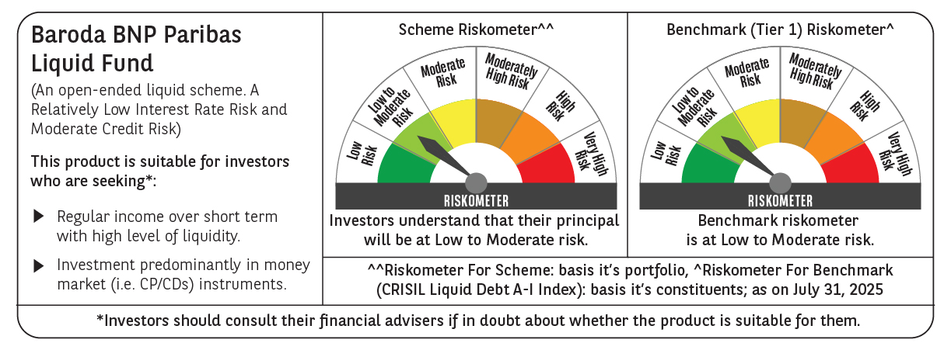
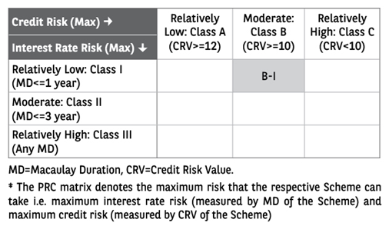
 | Baroda BNP Paribas Liquid Fund

 | Monthly Portfolio Statement as on July 31, 2025
 | Name of the Instrument | ISIN | Rating | Quantity | Market/Fair Value (Rs. in Lakhs) | % to Net Assets | YTM~ | YTC^ | null
 | Debt Instruments
 | (a) Listed / awaiting listing on Stock Exchange
EOPR31 | 8.17% Embassy Office Parks REIT (05/09/2025) ** | INE041007134 | CRISIL AAA | 20,000 | 20,040.86 | 1.69% | 5.98%
LICH597 | 5.776% LIC Housing Finance Limited (11/09/2025) ** | INE115A07OY6 | CRISIL AAA | 1,750 | 17,489.31 | 1.48% | 6.02%
BHFL91 | 7.42% Bajaj Housing Finance Limited (12/08/2025) ** | INE377Y07334 | CRISIL AAA | 1,500 | 15,004.52 | 1.27% | 5.99%
POWF486 | 7.13% Power Finance Corporation Limited (08/08/2025) ** | INE134E08LO4 | CRISIL AAA | 1,350 | 13,501.82 | 1.14% | 6.01%
SUFI738 | 7.95% Sundaram Finance Limited (29/08/2025) ** | INE660A07RO5 | ICRA AAA | 7,500 | 7,505.69 | 0.63% | 6.48%
MUFL398 | 8.60% Muthoot Finance Limited (25/08/2025) ** | INE414G07HT4 | CRISIL AA+ | 6,300 | 6,305.84 | 0.53% | 6.65%
HDFB886 | 6.43% HDFC Bank Limited (29/09/2025) | INE040A08849 | CRISIL AAA | 500 | 4,999.08 | 0.42% | 6.21%
KOMP1652 | 7.38% Kotak Mahindra Prime Limited (20/08/2025) ** | INE916DA7RR2 | CRISIL AAA | 450 | 4,501.87 | 0.38% | 6.15%
KOMP1689 | 7.37% Kotak Mahindra Prime Limited (16/09/2025) ** | INE916DA7RT8 | CRISIL AAA | 250 | 2,502.49 | 0.21% | 6.18%
SUHF246 | 7.55% Sundaram Home Finance Limited (02/09/2025) ** | INE667F07IF6 | ICRA AAA | 250 | 2,502.49 | 0.21% | 6.00%
EXIM685 | 5.85% Export Import Bank of India (12/09/2025) ** | INE514E08FV4 | CRISIL AAA | 250 | 2,499.33 | 0.21% | 5.79%
 | Sub Total |  |  |  | 96,853.30 | 8.17%
 | (b) Privately placed / Unlisted |  |  |  | NIL | NIL
 | Sub Total |  |  |  | NIL | NIL
 | Total |  |  |  | 96,853.30 | 8.17%
 | Money Market Instruments
 | Certificate of Deposit
PUBA1105 | Punjab National Bank (21/08/2025) ** # | INE160A16SA4 | FITCH A1+ | 6,000 | 29,905.92 | 2.53% | 5.74%
CANB1050 | Canara Bank (22/08/2025) ** # | INE476A16C06 | CRISIL A1+ | 6,000 | 29,901.09 | 2.53% | 5.75%
INBK493 | Indian Bank (28/10/2025) ** # | INE562A16PF6 | CRISIL A1+ | 6,000 | 29,589.81 | 2.50% | 5.75%
KMBK886 | Kotak Mahindra Bank Limited (26/08/2025) ** # | INE237AD6018 | CRISIL A1+ | 5,000 | 24,902.63 | 2.10% | 5.71%
UTIB1331 | Axis Bank Limited (09/09/2025) ** # | INE238AD6918 | CRISIL A1+ | 4,500 | 22,363.31 | 1.89% | 5.72%
UNBI436 | Union Bank of India (15/09/2025) ** # | INE692A16JG2 | ICRA A1+ | 4,000 | 19,859.94 | 1.68% | 5.72%
HDFB1005 | HDFC Bank Limited (18/09/2025) ** # | INE040A16HA1 | CARE A1+ | 4,000 | 19,850.44 | 1.68% | 5.73%
INBK485 | Indian Bank (08/09/2025) ** # | INE562A16OY0 | CRISIL A1+ | 3,500 | 17,395.95 | 1.47% | 5.75%
PUBA1114 | Punjab National Bank (29/09/2025) ** # | INE160A16SL1 | CARE A1+ | 3,000 | 14,862.30 | 1.26% | 5.73%
AFPL155 | AU Small Finance Bank Limited (28/10/2025) ** # | INE949L16CY1 | CARE A1+ | 3,000 | 14,784.77 | 1.25% | 6.04%
UTIB1359 | Axis Bank Limited (15/09/2025) ** # | INE238AD6AV3 | CRISIL A1+ | 2,000 | 9,929.97 | 0.84% | 5.72%
KMBK888 | Kotak Mahindra Bank Limited (27/10/2025) ** # | INE237AD6034 | CRISIL A1+ | 2,000 | 9,864.80 | 0.83% | 5.75%
HDFB967 | HDFC Bank Limited (15/09/2025) ** # | INE040A16FN8 | CARE A1+ | 1,000 | 4,964.93 | 0.42% | 5.73%
CANB1002 | Canara Bank (02/09/2025) ** # | INE476A16YY2 | CRISIL A1+ | 500 | 2,487.49 | 0.21% | 5.74%
 | Sub Total |  |  |  | 250,663.35 | 21.19%
 | Commercial Paper
SIDB613 | Small Industries Dev Bank of India (24/10/2025) ** | INE556F14LH7 | CARE A1+ | 10,000 | 49,337.85 | 4.17% | 5.83%
RRVL181 | Reliance Retail Ventures Limited (14/08/2025) ** | INE929O14DK9 | CRISIL A1+ | 7,000 | 34,927.45 | 2.95% | 5.83%
SIDB607 | Small Industries Dev Bank of India (26/08/2025) ** | INE556F14LD6 | CRISIL A1+ | 6,000 | 29,881.92 | 2.52% | 5.77%
GRAS221 | Grasim Industries Limited (12/09/2025) ** | INE047A14AJ7 | CRISIL A1+ | 6,000 | 29,800.95 | 2.52% | 5.81%
NBAR849 | National Bank For Agriculture and Rural Development (03/09/2025) ** | INE261F14NU3 | CRISIL A1+ | 5,500 | 27,356.56 | 2.31% | 5.80%
SUFI761 | Sundaram Finance Limited (25/08/2025) ** | INE660A14YO7 | CRISIL A1+ | 5,000 | 24,900.78 | 2.10% | 6.06%
INBS510 | Reliance Jio Infocomm Limited (15/09/2025) ** | INE110L14TZ6 | CRISIL A1+ | 5,000 | 24,822.50 | 2.10% | 5.80%
IOIC684 | Indian Oil Corporation Limited (19/09/2025) | INE242A14YA3 | CRISIL A1+ | 5,000 | 24,806.53 | 2.10% | 5.81%
NBAR859 | National Bank For Agriculture and Rural Development (23/10/2025) ** | INE261F14OF2 | ICRA A1+ | 5,000 | 24,674.00 | 2.08% | 5.81%
ICBR586 | ICICI Securities Limited (13/08/2025) ** | INE763G14YH0 | CRISIL A1+ | 4,500 | 22,454.53 | 1.90% | 6.16%
DHFL405 | Piramal Finance Limited (07/08/2025) ** | INE202B14ON9 | CRISIL A1+ | 4,000 | 19,977.72 | 1.69% | 6.79%
NBAR848 | National Bank For Agriculture and Rural Development (22/08/2025) ** | INE261F14NT5 | ICRA A1+ | 4,000 | 19,933.32 | 1.68% | 5.82%
RRVL185 | Reliance Retail Ventures Limited (22/09/2025) ** | INE929O14DS2 | CRISIL A1+ | 4,000 | 19,835.96 | 1.68% | 5.81%
RIND479 | Reliance Industries Limited (23/09/2025) ** | INE002A14LK7 | CRISIL A1+ | 4,000 | 19,833.40 | 1.68% | 5.78%
HDFS298 | HDFC Securities Limited (29/10/2025) ** | INE700G14PF4 | ICRA A1+ | 4,000 | 19,695.84 | 1.66% | 6.33%
MOFS230 | Motilal Oswal Financial Services Limited (14/08/2025) ** | INE338I14KF0 | CRISIL A1+ | 3,500 | 17,460.24 | 1.48% | 6.40%
HZIN90 | Hindustan Zinc Limited (04/09/2025) ** | INE267A14838 | CRISIL A1+ | 3,000 | 14,917.26 | 1.26% | 5.96%
KOSE322 | Kotak Securities Limited (19/08/2025) ** | INE028E14RB0 | CRISIL A1+ | 2,500 | 12,462.26 | 1.05% | 6.14%
BHFL136 | Bajaj Housing Finance Limited (29/08/2025) ** | INE377Y14BJ6 | CRISIL A1+ | 2,500 | 12,443.93 | 1.05% | 5.87%
IOIC686 | Indian Oil Corporation Limited (22/09/2025) ** | INE242A14YD7 | ICRA A1+ | 2,500 | 12,397.39 | 1.05% | 5.81%
DIIP226 | Deutsche Investments India Pvt Limited (09/09/2025) ** | INE144H14HM6 | CRISIL A1+ | 2,400 | 11,919.01 | 1.01% | 6.36%
HZIN88 | Hindustan Zinc Limited (20/08/2025) ** | INE267A14812 | CRISIL A1+ | 2,000 | 9,968.92 | 0.84% | 5.99%
MNGF324 | Manappuram Finance Limited (20/08/2025) ** | INE522D14OM8 | CRISIL A1+ | 2,000 | 9,964.78 | 0.84% | 6.79%
IIFM85 | 360 One WAM Limited (26/08/2025) ** | INE466L14EL4 | CARE A1+ | 2,000 | 9,953.47 | 0.84% | 6.83%
NEFL322 | Network18 Media & Investments Limited (02/09/2025) ** | INE870H14VH7 | CARE A1+ | 2,000 | 9,949.06 | 0.84% | 5.84%
RICL197 | Barclays Investments & Loans (India) Private Limited (01/09/2025) ** | INE704I14JU4 | ICRA A1+ | 2,000 | 9,947.55 | 0.84% | 6.21%
LICH688 | LIC Housing Finance Limited (11/09/2025) ** | INE115A14FF9 | CRISIL A1+ | 2,000 | 9,934.72 | 0.84% | 5.85%
NBAR852 | National Bank For Agriculture and Rural Development (16/09/2025) ** | INE261F14NY5 | ICRA A1+ | 2,000 | 9,927.43 | 0.84% | 5.80%
MCEL322 | The Ramco Cements Limited (15/09/2025) ** | INE331A14OD9 | CRISIL A1+ | 2,000 | 9,926.76 | 0.84% | 5.98%
MNGF326 | Manappuram Finance Limited (11/09/2025) ** | INE522D14ON6 | CRISIL A1+ | 2,000 | 9,924.42 | 0.84% | 6.78%
ICBR599 | ICICI Securities Limited (25/09/2025) ** | INE763G14ZF1 | CRISIL A1+ | 2,000 | 9,907.82 | 0.84% | 6.17%
ICBR608 | ICICI Securities Limited (28/10/2025) ** | INE763G14ZU0 | CRISIL A1+ | 2,000 | 9,850.68 | 0.83% | 6.29%
RICL207 | Barclays Investments & Loans (India) Private Limited (08/09/2025) ** | INE704I14JY6 | CRISIL A1+ | 1,000 | 4,967.89 | 0.42% | 6.21%
BHAT73 | Bharti Telecom Limited (19/09/2025) ** | INE403D14536 | ICRA A1+ | 1,000 | 4,958.07 | 0.42% | 6.30%
 | Sub Total |  |  |  | 593,020.97 | 50.11%
 | Treasury Bill
TBIL2394 | 364 Days Tbill (MD 07/08/2025) | IN002024Z198 | Sovereign | 54,500,000 | 54,452.59 | 4.60% | 5.30%
TBIL2541 | 91 Days Tbill (MD 30/10/2025) | IN002025X182 | Sovereign | 50,000,000 | 49,345.40 | 4.17% | 5.38%
TBIL2524 | 91 Days Tbill (MD 25/09/2025) | IN002025X133 | Sovereign | 45,000,000 | 44,640.81 | 3.77% | 5.34%
 | Sub Total |  |  |  | 148,438.80 | 12.54%
 | Total |  |  |  | 992,123.12 | 83.84%
 | Others
 | Corporate Debt Market Development Fund
CDMD50ME | Corporate Debt Market Development Fund # | INF0RQ622028 |  | 22,524 | 2,542.96 | 0.21% | 5.58%
 | Sub Total |  |  |  | 2,542.96 | 0.21%
 | Total |  |  |  | 2,542.96 | 0.21%
 | Reverse Repo / TREPS
TRP_040825_VAL | Clearing Corporation of India Ltd | TREP04082025 |  |  | 46,074.26 | 3.89% | 5.48%
TRP_050825_VAL | Clearing Corporation of India Ltd | TREP05082025 |  |  | 39,975.96 | 3.38% | 5.49%
TRP_010825 | Clearing Corporation of India Ltd |  |  |  | 1,116.58 | 0.09% | 5.42%
 | Sub Total |  |  |  | 87,166.80 | 7.36%
 | (b) Privately placed / Unlisted |  |  |  | NIL | NIL
 | Sub Total |  |  |  | NIL | NIL
 | Total |  |  |  | 87,166.80 | 7.36%
 | Net Receivables / (Payables) |  |  |  | 4,871.18 | 0.42%
 | GRAND TOTAL |  |  |  | 1,183,557.36 | 100.00%

 | ** Thinly Traded / Non Traded Security
 | # Unlisted Security
 | ~ YTM as on July 31, 2025
 | ^ YTC represents Yield to Call provided by valuation agencies as on July 31, 2025. It is disclosed for Perpetual Bond issued by Banks (i.e. AT-1 Bond / Tier 1 Bond / Tier 2 Bond), as per AMFI Best Practices Guidelines Circular no. 135/BP/91/2020-21 read with SEBI circular No. SEBI/HO/IMD/DF4/CIR/P/2021/034 on Valuation of AT-1 Bonds and Tier 2 Bonds.

