YR11
 | Baroda BNP Paribas Liquid Fund

 | Monthly Portfolio Statement as on August 31, 2025
 | Name of the Instrument | ISIN | Rating | Quantity | Market/Fair Value (Rs. in Lakhs) | % to Net Assets | YTM~ | YTC^ | null
 | Debt Instruments
 | (a) Listed / awaiting listing on Stock Exchange
EOPR31 | 8.17% Embassy Office Parks REIT (05/09/2025) ** | INE041007134 | CRISIL AAA | 20,000 | 20,004.76 | 1.98% | 5.92%
BAFL826 | 7.9% Bajaj Finance Limited (17/11/2025) | INE296A07SF4 | CRISIL AAA | 1,000 | 10,022.48 | 0.99% | 6.42%
HDFB905 | 7.7% HDFC Bank Limited (18/11/2025) ** | INE040A08641 | CRISIL AAA | 1,000 | 10,021.16 | 0.99% | 6.31%
HDFB886 | 6.43% HDFC Bank Limited (29/09/2025) ** | INE040A08849 | CRISIL AAA | 1,000 | 9,998.07 | 0.99% | 6.31%
POWF470 | 6.5% Power Finance Corporation Limited (17/09/2025) ** | INE134E08LD7 | CRISIL AAA | 750 | 7,500.61 | 0.74% | 5.95%
KOMP1689 | 7.37% Kotak Mahindra Prime Limited (16/09/2025) ** | INE916DA7RT8 | CRISIL AAA | 250 | 2,500.84 | 0.25% | 6.12%
SUHF246 | 7.55% Sundaram Home Finance Limited (02/09/2025) ** | INE667F07IF6 | ICRA AAA | 250 | 2,500.08 | 0.25% | 5.92%
 | Sub Total |  |  |  | 62,548.00 | 6.19%
 | (b) Privately placed / Unlisted |  |  |  | NIL | NIL
 | Sub Total |  |  |  | NIL | NIL
 | Total |  |  |  | 62,548.00 | 6.19%
 | Money Market Instruments
 | Certificate of Deposit
INBK493 | Indian Bank (28/10/2025) ** # | INE562A16PF6 | CRISIL A1+ | 6,000 | 29,730.93 | 2.94% | 5.80%
UTIB1331 | Axis Bank Limited (09/09/2025) ** # | INE238AD6918 | CRISIL A1+ | 4,500 | 22,471.70 | 2.22% | 5.75%
UNBI436 | Union Bank of India (15/09/2025) ** # | INE692A16JG2 | ICRA A1+ | 4,000 | 19,956.00 | 1.97% | 5.75%
HDFB1005 | HDFC Bank Limited (18/09/2025) ** # | INE040A16HA1 | CARE A1+ | 4,000 | 19,946.82 | 1.97% | 5.73%
PUBA1114 | Punjab National Bank (29/09/2025) ** # | INE160A16SL1 | CARE A1+ | 3,100 | 15,431.92 | 1.53% | 5.75%
CANB1005 | Canara Bank (03/09/2025) # | INE476A16ZA9 | CRISIL A1+ | 3,000 | 14,995.41 | 1.48% | 5.58%
AFPL155 | AU Small Finance Bank Limited (28/10/2025) ** # | INE949L16CY1 | CARE A1+ | 3,000 | 14,859.50 | 1.47% | 6.06%
INBK485 | Indian Bank (08/09/2025) # | INE562A16OY0 | CRISIL A1+ | 2,500 | 12,486.23 | 1.24% | 5.75%
UTIB1340 | Axis Bank Limited (12/11/2025) ** # | INE238AD6991 | CRISIL A1+ | 2,500 | 12,358.36 | 1.22% | 5.81%
UTIB1359 | Axis Bank Limited (15/09/2025) ** # | INE238AD6AV3 | CRISIL A1+ | 2,000 | 9,978.00 | 0.99% | 5.75%
KMBK888 | Kotak Mahindra Bank Limited (27/10/2025) ** # | INE237AD6034 | CRISIL A1+ | 2,000 | 9,912.08 | 0.98% | 5.78%
HDFB967 | HDFC Bank Limited (15/09/2025) ** # | INE040A16FN8 | CARE A1+ | 1,000 | 4,989.05 | 0.49% | 5.73%
CANB1002 | Canara Bank (02/09/2025) # | INE476A16YY2 | CRISIL A1+ | 500 | 2,499.61 | 0.25% | 5.75%
 | Sub Total |  |  |  | 189,615.61 | 18.75%
 | Commercial Paper
SIDB613 | Small Industries Dev Bank of India (24/10/2025) ** | INE556F14LH7 | CARE A1+ | 10,000 | 49,576.70 | 4.90% | 5.88%
GRAS221 | Grasim Industries Limited (12/09/2025) ** | INE047A14AJ7 | CRISIL A1+ | 6,000 | 29,947.65 | 2.96% | 5.80%
RRVL189 | Reliance Retail Ventures Limited (13/11/2025) ** | INE929O14DU8 | CRISIL A1+ | 6,000 | 29,650.44 | 2.93% | 5.89%
NBAR849 | National Bank For Agriculture and Rural Development (03/09/2025) | INE261F14NU3 | CRISIL A1+ | 5,500 | 27,491.34 | 2.72% | 5.75%
INBS510 | Reliance Jio Infocomm Limited (15/09/2025) ** | INE110L14TZ6 | CRISIL A1+ | 5,000 | 24,944.65 | 2.47% | 5.79%
IOIC684 | Indian Oil Corporation Limited (19/09/2025) ** | INE242A14YA3 | CRISIL A1+ | 5,000 | 24,928.70 | 2.47% | 5.80%
NBAR859 | National Bank For Agriculture and Rural Development (23/10/2025) ** | INE261F14OF2 | ICRA A1+ | 5,000 | 24,793.38 | 2.45% | 5.85%
IOIC690 | Indian Oil Corporation Limited (07/11/2025) ** | INE242A14YG0 | CRISIL A1+ | 5,000 | 24,735.08 | 2.45% | 5.83%
LARS472 | Larsen & Toubro Limited (17/09/2025) ** | INE018A14LO5 | CRISIL A1+ | 4,000 | 19,949.62 | 1.97% | 5.76%
RRVL185 | Reliance Retail Ventures Limited (22/09/2025) ** | INE929O14DS2 | CRISIL A1+ | 4,000 | 19,933.02 | 1.97% | 5.84%
RIND479 | Reliance Industries Limited (23/09/2025) ** | INE002A14LK7 | CRISIL A1+ | 4,000 | 19,930.50 | 1.97% | 5.79%
HDFS298 | HDFC Securities Limited (29/10/2025) ** | INE700G14PF4 | ICRA A1+ | 4,000 | 19,797.72 | 1.96% | 6.43%
HZIN90 | Hindustan Zinc Limited (04/09/2025) ** | INE267A14838 | CRISIL A1+ | 3,000 | 14,992.89 | 1.48% | 5.77%
HZIN93 | Hindustan Zinc Limited (21/11/2025) ** | INE267A14887 | CRISIL A1+ | 3,000 | 14,804.85 | 1.46% | 5.94%
IOIC686 | Indian Oil Corporation Limited (22/09/2025) ** | INE242A14YD7 | ICRA A1+ | 2,500 | 12,458.43 | 1.23% | 5.80%
DIIP226 | Deutsche Investments India Pvt Limited (09/09/2025) ** | INE144H14HM6 | CRISIL A1+ | 2,400 | 11,983.48 | 1.19% | 6.29%
RICL197 | Barclays Investments & Loans (India) Private Limited (01/09/2025) ** | INE704I14JU4 | ICRA A1+ | 2,000 | 10,000.00 | 0.99% | 5.84%
NEFL322 | Network18 Media & Investments Limited (02/09/2025) ** | INE870H14VH7 | CARE A1+ | 2,000 | 9,998.41 | 0.99% | 5.80%
LICH688 | LIC Housing Finance Limited (11/09/2025) ** | INE115A14FF9 | CRISIL A1+ | 2,000 | 9,984.09 | 0.99% | 5.82%
MNGF326 | Manappuram Finance Limited (11/09/2025) ** | INE522D14ON6 | CRISIL A1+ | 2,000 | 9,981.82 | 0.99% | 6.65%
MCEL322 | The Ramco Cements Limited (15/09/2025) ** | INE331A14OD9 | CRISIL A1+ | 2,000 | 9,977.10 | 0.99% | 5.99%
NBAR852 | National Bank For Agriculture and Rural Development (16/09/2025) ** | INE261F14NY5 | ICRA A1+ | 2,000 | 9,976.43 | 0.99% | 5.75%
ICBR599 | ICICI Securities Limited (25/09/2025) ** | INE763G14ZF1 | CRISIL A1+ | 2,000 | 9,959.40 | 0.99% | 6.20%
ICBR608 | ICICI Securities Limited (28/10/2025) ** | INE763G14ZU0 | CRISIL A1+ | 2,000 | 9,901.04 | 0.98% | 6.40%
DHFL415 | Piramal Finance Limited (04/11/2025) ** | INE202B14OQ2 | CRISIL A1+ | 2,000 | 9,878.75 | 0.98% | 7.00%
EXIM789 | Export Import Bank of India (17/11/2025) ** | INE514E14SJ0 | CRISIL A1+ | 2,000 | 9,878.51 | 0.98% | 5.83%
KOSE338 | Kotak Securities Limited (13/11/2025) ** | INE028E14SE2 | CRISIL A1+ | 2,000 | 9,873.03 | 0.98% | 6.43%
CHOL1084 | Cholamandalam Investment and Finance Company Ltd (14/11/2025) ** | INE121A14XG8 | CRISIL A1+ | 2,000 | 9,869.74 | 0.98% | 6.51%
SCIN337 | Standard Chartered Capital Limited (14/11/2025) ** | INE403G14SR4 | CRISIL A1+ | 2,000 | 9,868.65 | 0.98% | 6.57%
MUFL465 | Muthoot Finance Limited (18/11/2025) ** | INE414G14TX7 | CRISIL A1+ | 2,000 | 9,862.80 | 0.98% | 6.51%
MUFL441 | Muthoot Finance Limited (21/11/2025) ** | INE414G14TW9 | CRISIL A1+ | 2,000 | 9,857.59 | 0.98% | 6.51%
DHFL417 | Piramal Finance Limited (17/11/2025) ** | INE202B14OW0 | CRISIL A1+ | 2,000 | 9,854.48 | 0.97% | 7.00%
MNGF329 | Manappuram Finance Limited (24/11/2025) ** | INE522D14OR7 | CRISIL A1+ | 2,000 | 9,843.24 | 0.97% | 6.92%
IIFM91 | 360 One WAM Limited (25/11/2025) ** | INE466L14EU5 | ICRA A1+ | 2,000 | 9,839.49 | 0.97% | 7.00%
RICL207 | Barclays Investments & Loans (India) Private Limited (08/09/2025) ** | INE704I14JY6 | CRISIL A1+ | 1,000 | 4,994.09 | 0.49% | 6.18%
GRAS222 | Grasim Industries Limited (15/09/2025) ** | INE047A14AK5 | CRISIL A1+ | 1,000 | 4,988.90 | 0.49% | 5.80%
BHAT73 | Bharti Telecom Limited (19/09/2025) ** | INE403D14536 | ICRA A1+ | 1,000 | 4,984.39 | 0.49% | 6.35%
RRVL193 | Reliance Retail Ventures Limited (21/11/2025) ** | INE929O14DX2 | CRISIL A1+ | 1,000 | 4,935.44 | 0.49% | 5.89%
LICH699 | LIC Housing Finance Limited (19/09/2025) ** | INE115A14FO1 | CRISIL A1+ | 500 | 2,492.85 | 0.25% | 5.82%
 | Sub Total |  |  |  | 570,718.69 | 56.47%
 | Treasury Bill
TBIL2541 | 91 Days Tbill (MD 30/10/2025) | IN002025X182 | Sovereign | 50,000,000 | 49,562.55 | 4.90% | 5.46%
TBIL2544 | 91 Days Tbill (MD 06/11/2025) | IN002025X190 | Sovereign | 50,000,000 | 49,512.95 | 4.90% | 5.44%
TBIL2524 | 91 Days Tbill (MD 25/09/2025) | IN002025X133 | Sovereign | 45,000,000 | 44,840.39 | 4.44% | 5.41%
TBIL2489 | 182 Days Tbill (MD 25/09/2025) | IN002024Y506 | Sovereign | 25,000,000 | 24,910.73 | 2.46% | 5.45%
TBIL2547 | 91 Days Tbill (MD 13/11/2025) | IN002025X208 | Sovereign | 25,000,000 | 24,731.90 | 2.45% | 5.42%
TBIL2405 | 364 Days Tbill (MD 04/09/2025) | IN002024Z230 | Sovereign | 19,000,000 | 18,991.56 | 1.88% | 5.40%
 | Sub Total |  |  |  | 212,550.08 | 21.03%
 | Total |  |  |  | 972,884.38 | 96.25%
 | Others
 | Corporate Debt Market Development Fund
CDMD50ME | Corporate Debt Market Development Fund # | INF0RQ622028 |  | 22,524 | 2,552.29 | 0.25% | 5.66%
 | Sub Total |  |  |  | 2,552.29 | 0.25%
 | Total |  |  |  | 2,552.29 | 0.25%
 | Reverse Repo / TREPS
TRP_010925 | Clearing Corporation of India Ltd |  |  |  | 57.95 | 0.01% | 5.39%
 | Sub Total |  |  |  | 57.95 | 0.01%
 | (b) Privately placed / Unlisted |  |  |  | NIL | NIL
 | Sub Total |  |  |  | NIL | NIL
 | Total |  |  |  | 57.95 | 0.01%
 | Net Receivables / (Payables) |  |  |  | (27,261.66) | (2.70)%
 | GRAND TOTAL |  |  |  | 1,010,780.96 | 100.00%

 | ** Thinly Traded / Non Traded Security
 | # Unlisted Security
 | ~ YTM as on August 31, 2025
 | ^ YTC represents Yield to Call provided by valuation agencies as on August 31, 2025. It is disclosed for Perpetual Bond issued by Banks (i.e. AT-1 Bond / Tier 1 Bond / Tier 2 Bond), as per AMFI Best Practices Guidelines Circular no. 135/BP/91/2020-21 read with SEBI circular No. SEBI/HO/IMD/DF4/CIR/P/2021/034 on Valuation of AT-1 Bonds and Tier 2 Bonds.

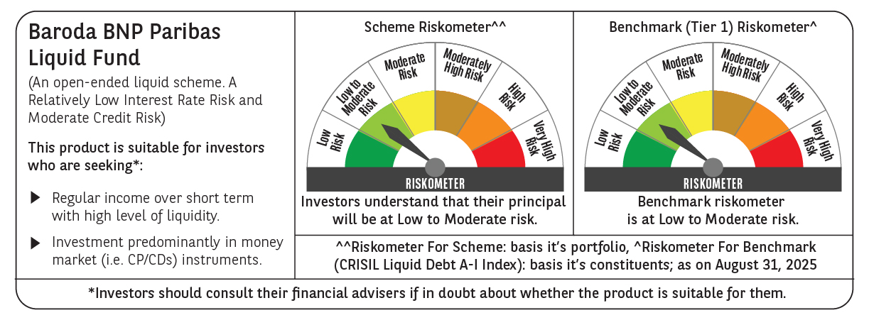

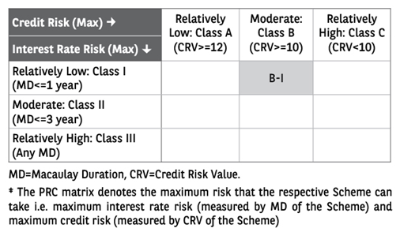

 | Monthly Performance Link: https://www.barodabnpparibasmf.in/assets/download_documents/Performance_of_Schemes_14126.pdf

