Monthly Portfolio
 | Baroda BNP Paribas Liquid Fund

 | Monthly Portfolio Statement as on September 30, 2025
 | Name of the Instrument | ISIN | Rating | Quantity | Market/Fair Value (Rs. in Lakhs) | % to Net Assets | YTM~ | YTC^ | null
 | Debt Instruments
 | (a) Listed / awaiting listing on Stock Exchange
BAFL826 | 7.9% Bajaj Finance Limited (17/11/2025) ** | INE296A07SF4 | CRISIL AAA | 1,000 | 10,010.02 | 1.27% | 6.66%
KOMP1718 | 7.92% Kotak Mahindra Prime Limited (20/11/2025) ** | INE916DA7SD0 | CRISIL AAA | 5,000 | 5,005.56 | 0.63% | 6.65%
 | Sub Total |  |  |  | 15,015.58 | 1.90%
 | (b) Privately placed / Unlisted |  |  |  | NIL | NIL
 | Sub Total |  |  |  | NIL | NIL
 | Total |  |  |  | 15,015.58 | 1.90%
 | Money Market Instruments
 | Certificate of Deposit
INBK493 | Indian Bank (28/10/2025) ** # | INE562A16PF6 | CRISIL A1+ | 6,000 | 29,870.19 | 3.79% | 5.87%
CANB1016 | Canara Bank (05/12/2025) ** # | INE476A16ZP7 | CRISIL A1+ | 5,300 | 26,230.95 | 3.32% | 5.76%
HDFB983 | HDFC Bank Limited (18/12/2025) # | INE040A16GA3 | CARE A1+ | 4,500 | 22,227.82 | 2.82% | 5.73%
UNBI404 | Union Bank of India (26/11/2025) ** # | INE692A16HY9 | ICRA A1+ | 4,000 | 19,823.04 | 2.51% | 5.82%
PUBA1067 | Punjab National Bank (11/12/2025) # | INE160A16QL5 | CRISIL A1+ | 4,000 | 19,777.92 | 2.51% | 5.77%
HDFB1017 | HDFC Bank Limited (22/12/2025) # | INE040A16HQ7 | CARE A1+ | 4,000 | 19,745.82 | 2.50% | 5.73%
CANB1018 | Canara Bank (12/12/2025) ** # | INE476A16ZQ5 | CRISIL A1+ | 3,500 | 17,303.41 | 2.19% | 5.76%
UTIB1361 | Axis Bank Limited (16/12/2025) ** # | INE238AD6AX9 | CRISIL A1+ | 3,500 | 17,293.50 | 2.19% | 5.74%
UTIB1366 | Axis Bank Limited (17/12/2025) ** # | INE238AD6AY7 | CRISIL A1+ | 3,500 | 17,290.81 | 2.19% | 5.74%
UTIB1340 | Axis Bank Limited (12/11/2025) ** # | INE238AD6991 | CRISIL A1+ | 2,500 | 12,416.50 | 1.57% | 5.84%
KMBK888 | Kotak Mahindra Bank Limited (27/10/2025) ** # | INE237AD6034 | CRISIL A1+ | 2,000 | 9,958.65 | 1.26% | 5.83%
KMBK870 | Kotak Mahindra Bank Limited (28/11/2025) ** # | INE237A167Y4 | CRISIL A1+ | 2,000 | 9,908.99 | 1.26% | 5.78%
CANB1015 | Canara Bank (04/12/2025) ** # | INE476A16ZO0 | CRISIL A1+ | 2,000 | 9,900.01 | 1.25% | 5.76%
UNBI408 | Union Bank of India (05/12/2025) # | INE692A16ID1 | ICRA A1+ | 2,000 | 9,898.38 | 1.25% | 5.76%
PUBA1064 | Punjab National Bank (05/12/2025) ** # | INE160A16QM3 | CRISIL A1+ | 2,000 | 9,898.25 | 1.25% | 5.77%
INBK450 | Indian Bank (04/12/2025) ** # | INE562A16NQ8 | CRISIL A1+ | 1,000 | 4,949.84 | 0.63% | 5.78%
UTIB1372 | Axis Bank Limited (18/12/2025) ** # | INE238AD6BH0 | CRISIL A1+ | 1,000 | 4,939.47 | 0.63% | 5.74%
HDFB971 | HDFC Bank Limited (04/11/2025) ** # | INE040A16FR9 | CARE A1+ | 100 | 497.30 | 0.06% | 5.84%
 | Sub Total |  |  |  | 261,930.85 | 33.18%
 | Commercial Paper
SIDB613 | Small Industries Dev Bank of India (24/10/2025) | INE556F14LH7 | CARE A1+ | 10,000 | 49,813.15 | 6.31% | 5.95%
NTPC260 | NTPC Limited (03/12/2025) ** | INE733E14BX3 | CRISIL A1+ | 10,000 | 49,506.05 | 6.27% | 5.78%
RRVL189 | Reliance Retail Ventures Limited (13/11/2025) ** | INE929O14DU8 | CRISIL A1+ | 6,000 | 29,793.09 | 3.78% | 5.90%
NBAR859 | National Bank For Agriculture and Rural Development (23/10/2025) ** | INE261F14OF2 | ICRA A1+ | 5,000 | 24,911.58 | 3.16% | 5.89%
IOIC690 | Indian Oil Corporation Limited (07/11/2025) ** | INE242A14YG0 | CRISIL A1+ | 5,000 | 24,852.00 | 3.15% | 5.87%
LICH702 | LIC Housing Finance Limited (11/12/2025) ** | INE115A14FN3 | CRISIL A1+ | 5,000 | 24,717.53 | 3.13% | 5.88%
HDFS298 | HDFC Securities Limited (29/10/2025) ** | INE700G14PF4 | ICRA A1+ | 4,000 | 19,897.96 | 2.52% | 6.68%
IOIC693 | Indian Oil Corporation Limited (04/12/2025) ** | INE242A14YI6 | CRISIL A1+ | 4,000 | 19,799.34 | 2.51% | 5.78%
BAFL993 | Bajaj Finance Limited (09/12/2025) ** | INE296A14C22 | CRISIL A1+ | 4,000 | 19,758.52 | 2.50% | 6.47%
HZIN93 | Hindustan Zinc Limited (21/11/2025) ** | INE267A14887 | CRISIL A1+ | 3,000 | 14,875.92 | 1.89% | 5.97%
IIFW337 | 360 One Prime Limited (10/12/2025) ** | INE248U14SH5 | CRISIL A1+ | 2,500 | 12,330.80 | 1.56% | 7.16%
ICBR608 | ICICI Securities Limited (28/10/2025) ** | INE763G14ZU0 | CRISIL A1+ | 2,000 | 9,950.50 | 1.26% | 6.73%
DHFL415 | Piramal Finance Limited (04/11/2025) ** | INE202B14OQ2 | CRISIL A1+ | 2,000 | 9,934.26 | 1.26% | 7.10%
EXIM789 | Export Import Bank of India (17/11/2025) ** | INE514E14SJ0 | CRISIL A1+ | 2,000 | 9,924.98 | 1.26% | 5.87%
KOSE338 | Kotak Securities Limited (13/11/2025) ** | INE028E14SE2 | CRISIL A1+ | 2,000 | 9,921.31 | 1.26% | 6.73%
CHOL1084 | Cholamandalam Investment and Finance Company Ltd (14/11/2025) ** | INE121A14XG8 | CRISIL A1+ | 2,000 | 9,919.67 | 1.26% | 6.72%
SCIN337 | Standard Chartered Capital Limited (14/11/2025) ** | INE403G14SR4 | CRISIL A1+ | 2,000 | 9,919.32 | 1.26% | 6.75%
MUFL465 | Muthoot Finance Limited (18/11/2025) ** | INE414G14TX7 | CRISIL A1+ | 2,000 | 9,912.24 | 1.26% | 6.73%
DHFL417 | Piramal Finance Limited (17/11/2025) ** | INE202B14OW0 | CRISIL A1+ | 2,000 | 9,909.34 | 1.26% | 7.11%
MUFL441 | Muthoot Finance Limited (21/11/2025) ** | INE414G14TW9 | CRISIL A1+ | 2,000 | 9,906.81 | 1.26% | 6.73%
MNGF329 | Manappuram Finance Limited (24/11/2025) ** | INE522D14OR7 | CRISIL A1+ | 2,000 | 9,894.13 | 1.25% | 7.23%
IIFM91 | 360 One WAM Limited (25/11/2025) ** | INE466L14EU5 | ICRA A1+ | 2,000 | 9,892.20 | 1.25% | 7.23%
POWF547 | Power Finance Corporation Limited (15/12/2025) ** | INE134E14AT4 | CRISIL A1+ | 2,000 | 9,882.71 | 1.25% | 5.78%
MNGF330 | Manappuram Finance Limited (03/12/2025) ** | INE522D14OS5 | CRISIL A1+ | 2,000 | 9,878.01 | 1.25% | 7.16%
ICBR624 | ICICI Securities Limited (10/12/2025) ** | INE763G14A71 | CRISIL A1+ | 2,000 | 9,874.73 | 1.25% | 6.61%
RRVL193 | Reliance Retail Ventures Limited (21/11/2025) ** | INE929O14DX2 | CRISIL A1+ | 1,000 | 4,959.16 | 0.63% | 5.90%
RICL204 | Barclays Investments & Loans (India) Private Limited (01/12/2025) ** | INE704I14KH9 | ICRA A1+ | 500 | 2,472.38 | 0.31% | 6.69%
 | Sub Total |  |  |  | 436,407.69 | 55.31%
 | Treasury Bill
TBIL2541 | 91 Days Tbill (MD 30/10/2025) | IN002025X182 | Sovereign | 50,000,000 | 49,786.40 | 6.31% | 5.40%
TBIL2544 | 91 Days Tbill (MD 06/11/2025) | IN002025X190 | Sovereign | 50,000,000 | 49,735.10 | 6.30% | 5.40%
TBIL2547 | 91 Days Tbill (MD 13/11/2025) | IN002025X208 | Sovereign | 45,000,000 | 44,715.56 | 5.67% | 5.40%
TBIL2561 | 91 Days Tbill (MD 18/12/2025) | IN002025X257 | Sovereign | 15,000,000 | 14,828.75 | 1.88% | 5.40%
 | Sub Total |  |  |  | 159,065.81 | 20.16%
 | Total |  |  |  | 857,404.35 | 108.65%
 | Others
 | Corporate Debt Market Development Fund
CDMD50ME | Corporate Debt Market Development Fund # | INF0RQ622028 |  | 22,524 | 2,564.53 | 0.33% | 5.62%
 | Sub Total |  |  |  | 2,564.53 | 0.33%
 | Total |  |  |  | 2,564.53 | 0.33%
 | Reverse Repo / TREPS
TRP_011025 | Clearing Corporation of India Ltd |  |  |  | 4.75 | 0.00% | 5.53%
 | Sub Total |  |  |  | 4.75 | 0.00%
 | (b) Privately placed / Unlisted |  |  |  | NIL | NIL
 | Sub Total |  |  |  | NIL | NIL
 | Total |  |  |  | 4.75 | 0.00%
 | Net Receivables / (Payables) |  |  |  | (86,008.02) | (10.88)%
 | GRAND TOTAL |  |  |  | 788,981.19 | 100.00%

 | ** Thinly Traded / Non Traded Security
 | # Unlisted Security
 | $ Less Than 0.01% of Net Asset Value
 | ~ YTM as on September 30, 2025
 | ^ YTC represents Yield to Call provided by valuation agencies as on September 30, 2025. It is disclosed for Perpetual Bond issued by Banks (i.e. AT-1 Bond / Tier 1 Bond / Tier 2 Bond), as per AMFI Best Practices Guidelines Circular no. 135/BP/91/2020-21 read with SEBI circular No. SEBI/HO/IMD/DF4/CIR/P/2021/034 on Valuation of AT-1 Bonds and Tier 2 Bonds.

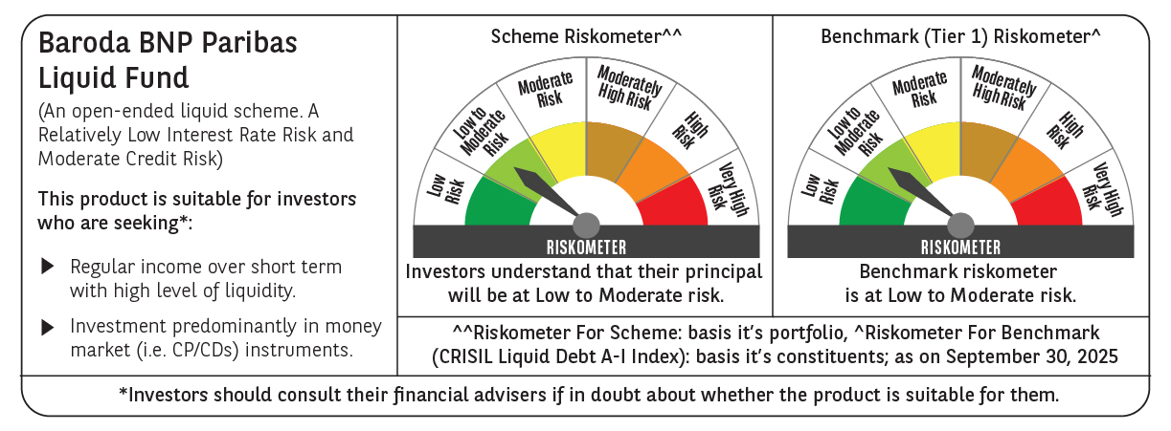

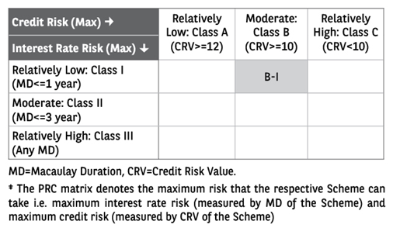

 | Monthly Performance Link: https://www.barodabnpparibasmf.in/assets/download_documents/Performance_of_Schemes_September_14618.pdf

