YR11
 | Baroda BNP Paribas Liquid Fund

 | Monthly Portfolio Statement as on October 31, 2025
 | Name of the Instrument | ISIN | Rating | Quantity | Market/Fair Value (Rs. in Lakhs) | % to Net Assets | YTM~ | YTC^ | null
 | Debt Instruments
 | (a) Listed / awaiting listing on Stock Exchange
SUHF257 | 8.15% Sundaram Home Finance Limited (19/12/2025) ** | INE667F07IP5 | ICRA AAA | 10,000 | 10,020.50 | 1.05% | 6.15%
BAFL826 | 7.9% Bajaj Finance Limited (17/11/2025) ** | INE296A07SF4 | CRISIL AAA | 1,000 | 10,004.14 | 1.05% | 6.46%
KOMP1718 | 7.92% Kotak Mahindra Prime Limited (20/11/2025) ** | INE916DA7SD0 | CRISIL AAA | 5,000 | 5,002.45 | 0.53% | 6.49%
 | Sub Total |  |  |  | 25,027.09 | 2.63%
 | (b) Privately placed / Unlisted |  |  |  | NIL | NIL
 | Sub Total |  |  |  | NIL | NIL
 | Total |  |  |  | 25,027.09 | 2.63%
 | Money Market Instruments
 | Certificate of Deposit
CANB1016 | Canara Bank (05/12/2025) ** # | INE476A16ZP7 | CRISIL A1+ | 5,300 | 26,355.05 | 2.77% | 5.91%
HDFB983 | HDFC Bank Limited (18/12/2025) # | INE040A16GA3 | CARE A1+ | 4,500 | 22,331.21 | 2.35% | 5.87%
HDFB1017 | HDFC Bank Limited (22/12/2025) ** # | INE040A16HQ7 | CARE A1+ | 4,500 | 22,316.20 | 2.35% | 5.90%
UNBI404 | Union Bank of India (26/11/2025) ** # | INE692A16HY9 | ICRA A1+ | 4,000 | 19,920.26 | 2.10% | 5.84%
PUBA1067 | Punjab National Bank (11/12/2025) # | INE160A16QL5 | CRISIL A1+ | 4,000 | 19,870.44 | 2.09% | 5.95%
CANB1018 | Canara Bank (12/12/2025) # | INE476A16ZQ5 | CRISIL A1+ | 4,000 | 19,868.22 | 2.09% | 5.90%
KMBK871 | Kotak Mahindra Bank Limited (04/12/2025) ** # | INE237A168Y2 | CRISIL A1+ | 3,500 | 17,407.62 | 1.83% | 5.87%
UTIB1361 | Axis Bank Limited (16/12/2025) ** # | INE238AD6AX9 | CRISIL A1+ | 3,500 | 17,372.99 | 1.83% | 5.93%
UTIB1366 | Axis Bank Limited (17/12/2025) ** # | INE238AD6AY7 | CRISIL A1+ | 3,500 | 17,370.19 | 1.83% | 5.93%
UTIB1340 | Axis Bank Limited (12/11/2025) ** # | INE238AD6991 | CRISIL A1+ | 2,500 | 12,477.96 | 1.31% | 5.86%
CANB1063 | Canara Bank (27/01/2026) # | INE476A16E12 | CRISIL A1+ | 2,500 | 12,323.46 | 1.30% | 6.01%
KMBK870 | Kotak Mahindra Bank Limited (28/11/2025) ** # | INE237A167Y4 | CRISIL A1+ | 2,000 | 9,956.88 | 1.05% | 5.85%
CANB1015 | Canara Bank (04/12/2025) ** # | INE476A16ZO0 | CRISIL A1+ | 2,000 | 9,946.90 | 1.05% | 5.91%
UNBI408 | Union Bank of India (05/12/2025) ** # | INE692A16ID1 | ICRA A1+ | 2,000 | 9,945.71 | 1.05% | 5.86%
PUBA1064 | Punjab National Bank (05/12/2025) ** # | INE160A16QM3 | CRISIL A1+ | 2,000 | 9,944.88 | 1.05% | 5.95%
NBAR806 | National Bank For Agriculture and Rural Development (20/01/2026) ** # | INE261F16892 | CRISIL A1+ | 2,000 | 9,869.45 | 1.04% | 6.04%
UNBI416 | Union Bank of India (27/01/2026) ** # | INE692A16IM2 | FITCH A1+ | 2,000 | 9,858.54 | 1.04% | 6.02%
INBK450 | Indian Bank (04/12/2025) ** # | INE562A16NQ8 | CRISIL A1+ | 1,000 | 4,973.34 | 0.52% | 5.93%
UTIB1372 | Axis Bank Limited (18/12/2025) ** # | INE238AD6BH0 | CRISIL A1+ | 1,000 | 4,962.11 | 0.52% | 5.93%
CANB1027 | Canara Bank (26/12/2025) # | INE476A16ZW3 | CRISIL A1+ | 500 | 2,478.12 | 0.26% | 5.86%
HDFB971 | HDFC Bank Limited (04/11/2025) ** # | INE040A16FR9 | CARE A1+ | 100 | 499.76 | 0.05% | 5.86%
 | Sub Total |  |  |  | 280,049.29 | 29.48%
 | Commercial Paper
NTPC260 | NTPC Limited (03/12/2025) ** | INE733E14BX3 | CRISIL A1+ | 10,000 | 49,741.85 | 5.23% | 5.92%
TWAT36 | Titan Company Limited (11/12/2025) ** | INE280A14492 | CARE A1+ | 6,000 | 29,803.71 | 3.14% | 6.01%
LICH702 | LIC Housing Finance Limited (11/12/2025) ** | INE115A14FN3 | CRISIL A1+ | 5,000 | 24,836.43 | 2.61% | 6.01%
IOIC697 | Indian Oil Corporation Limited (16/12/2025) ** | INE242A14YO4 | ICRA A1+ | 5,000 | 24,817.95 | 2.61% | 5.95%
HINI122 | Hindalco Industries Limited (15/01/2026) ** | INE038A14395 | CRISIL A1+ | 5,000 | 24,687.53 | 2.60% | 6.16%
IOIC693 | Indian Oil Corporation Limited (04/12/2025) ** | INE242A14YI6 | CRISIL A1+ | 4,000 | 19,893.00 | 2.09% | 5.95%
BAFL993 | Bajaj Finance Limited (09/12/2025) ** | INE296A14C22 | CRISIL A1+ | 4,000 | 19,869.16 | 2.09% | 6.33%
TCHF417 | Tata Capital Housing Finance Limited (16/01/2026) ** | INE033L14NP4 | CRISIL A1+ | 4,000 | 19,749.36 | 2.08% | 6.10%
EXIM795 | Export Import Bank of India (27/01/2026) ** | INE514E14SO0 | CRISIL A1+ | 4,000 | 19,717.54 | 2.08% | 6.01%
HZIN93 | Hindustan Zinc Limited (21/11/2025) ** | INE267A14887 | CRISIL A1+ | 3,000 | 14,950.23 | 1.57% | 6.08%
IIFW337 | 360 One Prime Limited (10/12/2025) ** | INE248U14SH5 | CRISIL A1+ | 2,500 | 12,406.54 | 1.31% | 7.05%
DHFL415 | Piramal Finance Limited (04/11/2025) ** | INE202B14OQ2 | CRISIL A1+ | 2,000 | 9,994.40 | 1.05% | 6.82%
KOSE338 | Kotak Securities Limited (13/11/2025) ** | INE028E14SE2 | CRISIL A1+ | 2,000 | 9,979.40 | 1.05% | 6.28%
CHOL1084 | Cholamandalam Investment and Finance Company Ltd (14/11/2025) ** | INE121A14XG8 | CRISIL A1+ | 2,000 | 9,977.24 | 1.05% | 6.40%
SCIN337 | Standard Chartered Capital Limited (14/11/2025) ** | INE403G14SR4 | CRISIL A1+ | 2,000 | 9,977.05 | 1.05% | 6.46%
EXIM789 | Export Import Bank of India (17/11/2025) ** | INE514E14SJ0 | CRISIL A1+ | 2,000 | 9,974.27 | 1.05% | 5.89%
MUFL465 | Muthoot Finance Limited (18/11/2025) ** | INE414G14TX7 | CRISIL A1+ | 2,000 | 9,970.00 | 1.05% | 6.46%
DHFL417 | Piramal Finance Limited (17/11/2025) ** | INE202B14OW0 | CRISIL A1+ | 2,000 | 9,969.85 | 1.05% | 6.90%
MUFL441 | Muthoot Finance Limited (21/11/2025) ** | INE414G14TW9 | CRISIL A1+ | 2,000 | 9,964.73 | 1.05% | 6.46%
MNGF329 | Manappuram Finance Limited (24/11/2025) ** | INE522D14OR7 | CRISIL A1+ | 2,000 | 9,956.08 | 1.05% | 7.00%
IIFM91 | 360 One WAM Limited (25/11/2025) ** | INE466L14EU5 | ICRA A1+ | 2,000 | 9,954.18 | 1.05% | 7.00%
MNGF330 | Manappuram Finance Limited (03/12/2025) ** | INE522D14OS5 | CRISIL A1+ | 2,000 | 9,938.57 | 1.05% | 7.05%
POWF547 | Power Finance Corporation Limited (15/12/2025) ** | INE134E14AT4 | CRISIL A1+ | 2,000 | 9,928.95 | 1.04% | 5.94%
GHFL52 | Godrej Housing Finance Limited (22/01/2026) ** | INE02JD14641 | CRISIL A1+ | 2,000 | 9,862.30 | 1.04% | 6.21%
RRVL193 | Reliance Retail Ventures Limited (21/11/2025) ** | INE929O14DX2 | CRISIL A1+ | 1,000 | 4,983.59 | 0.52% | 6.01%
SKFS88 | Mirae Asset Sharekhan Financial Services Limited (23/01/2026) ** | INE550X14AK0 | CRISIL A1+ | 1,000 | 4,920.78 | 0.52% | 7.08%
RICL204 | Barclays Investments & Loans (India) Private Limited (01/12/2025) ** | INE704I14KH9 | ICRA A1+ | 500 | 2,486.55 | 0.26% | 6.58%
 | Sub Total |  |  |  | 402,311.24 | 42.34%
 | Treasury Bill
TBIL2544 | 91 Days Tbill (MD 06/11/2025) | IN002025X190 | Sovereign | 50,000,000 | 49,962.20 | 5.26% | 5.52%
TBIL2580 | 91 Days Tbill (MD 29/01/2026) | IN002025X315 | Sovereign | 50,000,000 | 49,345.45 | 5.19% | 5.44%
TBIL2547 | 91 Days Tbill (MD 13/11/2025) | IN002025X208 | Sovereign | 45,000,000 | 44,919.72 | 4.73% | 5.44%
TBIL2561 | 91 Days Tbill (MD 18/12/2025) | IN002025X257 | Sovereign | 15,000,000 | 14,896.10 | 1.57% | 5.42%
TBIL2523 | 182 Days Tbill (MD 25/12/2025) | IN002025Y131 | Sovereign | 7,000,000 | 6,944.47 | 0.73% | 5.41%
 | Sub Total |  |  |  | 166,067.94 | 17.48%
 | Total |  |  |  | 848,428.47 | 89.30%
 | Others
 | Corporate Debt Market Development Fund
CDMD50ME | Corporate Debt Market Development Fund # | INF0RQ622028 |  | 22,524 | 2,576.99 | 0.27% | 5.58%
 | Sub Total |  |  |  | 2,576.99 | 0.27%
 | Total |  |  |  | 2,576.99 | 0.27%
 | Reverse Repo / TREPS
TRP_031125 | Clearing Corporation of India Ltd |  |  |  | 63,510.84 | 6.68% | 5.59%
REP9_311025 | Clearing Corporation of India Ltd |  |  |  | 6,949.88 | 0.73% | 5.63%
REP8_311025 | Clearing Corporation of India Ltd |  |  |  | 2,069.97 | 0.22% | 5.62%
 | Sub Total |  |  |  | 72,530.69 | 7.63%
 | (b) Privately placed / Unlisted |  |  |  | NIL | NIL
 | Sub Total |  |  |  | NIL | NIL
 | Total |  |  |  | 72,530.69 | 7.63%
 | Net Receivables / (Payables) |  |  |  | 1,670.22 | 0.17%
 | GRAND TOTAL |  |  |  | 950,233.46 | 100.00%

 | ** Thinly Traded / Non Traded Security
 | # Unlisted Security
 | ~ YTM as on October 31, 2025
 | ^ YTC represents Yield to Call provided by valuation agencies as on October 31, 2025. It is disclosed for Perpetual Bond issued by Banks (i.e. AT-1 Bond / Tier 1 Bond / Tier 2 Bond), as per AMFI Best Practices Guidelines Circular no. 135/BP/91/2020-21 read with SEBI circular No. SEBI/HO/IMD/DF4/CIR/P/2021/034 on Valuation of AT-1 Bonds and Tier 2 Bonds.

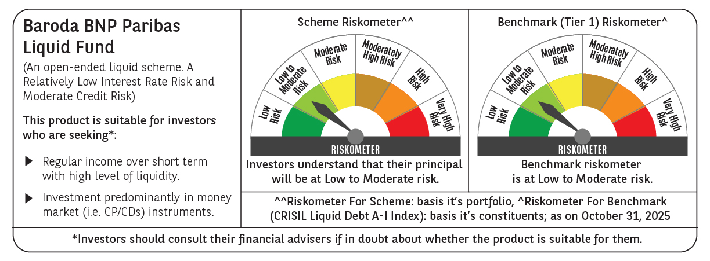

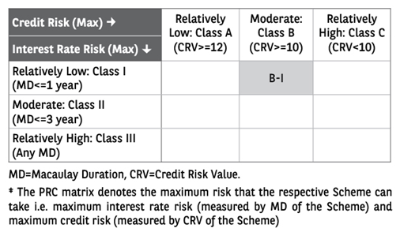

 | Monthly Performance Link: https://www.barodabnpparibasmf.in/assets/download_documents/Performance_of_Schemes-October_2025_15267.pdf

