YR11
 | Baroda BNP Paribas Liquid Fund

 | Monthly Portfolio Statement as on November 30, 2025
 | Name of the Instrument | ISIN | Rating | Quantity | Market/Fair Value (Rs. in Lakhs) | % to Net Assets | YTM~ | YTC^ | null
 | Debt Instruments
 | (a) Listed / awaiting listing on Stock Exchange
SUHF257 | 8.15% Sundaram Home Finance Limited (19/12/2025) ** | INE667F07IP5 | ICRA AAA | 10,000 | 10,008.00 | 0.94% | 6.06%
 | Sub Total |  |  |  | 10,008.00 | 0.94%
 | (b) Privately placed / Unlisted |  |  |  | NIL | NIL
 | Sub Total |  |  |  | NIL | NIL
 | Total |  |  |  | 10,008.00 | 0.94%
 | Money Market Instruments
 | Certificate of Deposit
PUBA1125 | Punjab National Bank (03/02/2026) ** # | INE160A16TC8 | CRISIL A1+ | 6,000 | 29,686.74 | 2.79% | 6.02%
INBK509 | Indian Bank (17/02/2026) ** # | INE562A16PW1 | CRISIL A1+ | 6,000 | 29,627.91 | 2.78% | 5.88%
HDFB1017 | HDFC Bank Limited (22/12/2025) ** # | INE040A16HQ7 | CARE A1+ | 4,500 | 22,424.54 | 2.11% | 5.85%
CANB1018 | Canara Bank (12/12/2025) ** # | INE476A16ZQ5 | CRISIL A1+ | 4,000 | 19,964.80 | 1.88% | 5.85%
INBK503 | Indian Bank (02/02/2026) ** # | INE562A16PS9 | CRISIL A1+ | 4,000 | 19,794.66 | 1.86% | 6.01%
PUBA1130 | Punjab National Bank (26/02/2026) ** # | INE160A16TO3 | CRISIL A1+ | 4,000 | 19,724.04 | 1.85% | 5.87%
UTIB1361 | Axis Bank Limited (16/12/2025) # | INE238AD6AX9 | CRISIL A1+ | 3,500 | 17,458.02 | 1.64% | 5.85%
UTIB1366 | Axis Bank Limited (17/12/2025) # | INE238AD6AY7 | CRISIL A1+ | 3,500 | 17,455.62 | 1.64% | 5.80%
NBAR823 | National Bank For Agriculture and Rural Development (17/02/2026) ** # | INE261F16959 | ICRA A1+ | 3,000 | 14,812.64 | 1.39% | 5.92%
CANB1063 | Canara Bank (27/01/2026) ** # | INE476A16E12 | CRISIL A1+ | 2,500 | 12,382.63 | 1.16% | 6.07%
KMBK876 | Kotak Mahindra Bank Limited (28/01/2026) ** # | INE237A163Z0 | CRISIL A1+ | 2,500 | 12,381.18 | 1.16% | 6.04%
PUBA1064 | Punjab National Bank (05/12/2025) # | INE160A16QM3 | CRISIL A1+ | 2,000 | 9,993.59 | 0.94% | 5.85%
UNBI446 | Union Bank of India (22/12/2025) ** # | INE692A16JU3 | FITCH A1+ | 2,000 | 9,966.46 | 0.94% | 5.85%
NBAR806 | National Bank For Agriculture and Rural Development (20/01/2026) ** # | INE261F16892 | CRISIL A1+ | 2,000 | 9,917.27 | 0.93% | 6.09%
UNBI416 | Union Bank of India (27/01/2026) ** # | INE692A16IM2 | FITCH A1+ | 2,000 | 9,905.95 | 0.93% | 6.08%
HDFB985 | HDFC Bank Limited (04/02/2026) # | INE040A16GE5 | CARE A1+ | 2,000 | 9,893.41 | 0.93% | 6.05%
SIDB590 | Small Industries Dev Bank of India (06/02/2026) # | INE556F16BA8 | CRISIL A1+ | 2,000 | 9,890.16 | 0.93% | 6.05%
CANB1015 | Canara Bank (04/12/2025) # | INE476A16ZO0 | CRISIL A1+ | 1,500 | 7,496.44 | 0.70% | 5.78%
SIDB589 | Small Industries Dev Bank of India (04/02/2026) ** # | INE556F16AZ7 | CRISIL A1+ | 1,500 | 7,420.06 | 0.70% | 6.05%
INBK450 | Indian Bank (04/12/2025) ** # | INE562A16NQ8 | CRISIL A1+ | 1,000 | 4,997.62 | 0.47% | 5.81%
UTIB1372 | Axis Bank Limited (18/12/2025) ** # | INE238AD6BH0 | CRISIL A1+ | 1,000 | 4,986.46 | 0.47% | 5.83%
HDFB986 | HDFC Bank Limited (06/02/2026) # | INE040A16GF2 | CRISIL A1+ | 1,000 | 4,945.53 | 0.46% | 6.00%
CANB1027 | Canara Bank (26/12/2025) ** # | INE476A16ZW3 | CRISIL A1+ | 500 | 2,490.02 | 0.23% | 5.85%
CANB1062 | Canara Bank (27/02/2026) # | INE476A16D96 | CRISIL A1+ | 500 | 2,465.03 | 0.23% | 5.88%
 | Sub Total |  |  |  | 310,080.78 | 29.12%
 | Commercial Paper
NTPC260 | NTPC Limited (03/12/2025) ** | INE733E14BX3 | CRISIL A1+ | 10,000 | 49,984.10 | 4.70% | 5.81%
TWAT36 | Titan Company Limited (11/12/2025) ** | INE280A14492 | CARE A1+ | 6,000 | 29,951.52 | 2.81% | 5.91%
NBAR868 | National Bank For Agriculture and Rural Development (06/02/2026) ** | INE261F14ON6 | ICRA A1+ | 6,000 | 29,670.60 | 2.79% | 6.05%
IOIC693 | Indian Oil Corporation Limited (04/12/2025) | INE242A14YI6 | CRISIL A1+ | 5,000 | 24,988.08 | 2.35% | 5.80%
LICH702 | LIC Housing Finance Limited (11/12/2025) ** | INE115A14FN3 | CRISIL A1+ | 5,000 | 24,959.63 | 2.35% | 5.91%
IOIC697 | Indian Oil Corporation Limited (16/12/2025) ** | INE242A14YO4 | ICRA A1+ | 5,000 | 24,939.18 | 2.34% | 5.93%
HINI122 | Hindalco Industries Limited (15/01/2026) ** | INE038A14395 | CRISIL A1+ | 5,000 | 24,808.08 | 2.33% | 6.28%
BHAT80 | Bharti Telecom Limited (13/02/2026) ** | INE403D14551 | CRISIL A1+ | 4,500 | 22,198.48 | 2.09% | 6.70%
ICBR620 | ICICI Securities Limited (04/12/2025) ** | INE763G14A48 | CRISIL A1+ | 4,000 | 19,989.80 | 1.88% | 6.21%
BAFL993 | Bajaj Finance Limited (09/12/2025) ** | INE296A14C22 | CRISIL A1+ | 4,000 | 19,973.04 | 1.88% | 6.16%
TCHF417 | Tata Capital Housing Finance Limited (16/01/2026) ** | INE033L14NP4 | CRISIL A1+ | 4,000 | 19,845.80 | 1.86% | 6.17%
EXIM795 | Export Import Bank of India (27/01/2026) ** | INE514E14SO0 | CRISIL A1+ | 4,000 | 19,811.74 | 1.86% | 6.08%
MOFS244 | Motilal Oswal Financial Services Limited (02/02/2026) ** | INE338I14LF8 | ICRA A1+ | 4,000 | 19,765.12 | 1.86% | 6.88%
HDFS322 | HDFC Securities Limited (12/02/2026) ** | INE700G14QU1 | CARE A1+ | 4,000 | 19,739.44 | 1.85% | 6.60%
SIDB633 | Small Industries Dev Bank of India (24/02/2026) ** | INE556F14LS4 | CRISIL A1+ | 4,000 | 19,727.94 | 1.85% | 5.92%
ABHF163 | Aditya Birla Housing Finance Limited (10/02/2026) ** | INE831R14FK5 | CRISIL A1+ | 3,500 | 17,295.44 | 1.63% | 6.08%
KOSE363 | Kotak Securities Limited (12/02/2026) ** | INE028E14TN1 | ICRA A1+ | 2,900 | 14,311.24 | 1.34% | 6.60%
IIFW337 | 360 One Prime Limited (10/12/2025) ** | INE248U14SH5 | CRISIL A1+ | 2,500 | 12,478.85 | 1.17% | 6.88%
MNGF330 | Manappuram Finance Limited (03/12/2025) ** | INE522D14OS5 | CRISIL A1+ | 2,000 | 9,996.25 | 0.94% | 6.85%
POWF547 | Power Finance Corporation Limited (15/12/2025) ** | INE134E14AT4 | CRISIL A1+ | 2,000 | 9,977.61 | 0.94% | 5.85%
GHFL52 | Godrej Housing Finance Limited (22/01/2026) ** | INE02JD14641 | CRISIL A1+ | 2,000 | 9,910.73 | 0.93% | 6.32%
ASEE39 | Aseem Infrastructure Finance Limited (10/02/2026) ** | INE0AD514297 | CARE A1+ | 2,000 | 9,869.45 | 0.93% | 6.80%
KSFI38 | Kisetsu Saison Fin Ind Pvt Ltd (13/02/2026) ** | INE0DZE14263 | CRISIL A1+ | 2,000 | 9,865.10 | 0.93% | 6.75%
MNGF332 | Manappuram Finance Limited (13/02/2026) ** | INE522D14OW7 | CRISIL A1+ | 2,000 | 9,860.47 | 0.93% | 6.98%
KOSE359 | Kotak Securities Limited (20/02/2026) ** | INE028E14TH3 | CRISIL A1+ | 2,000 | 9,857.16 | 0.93% | 6.53%
NEFL338 | Network18 Media & Investments Limited (03/02/2026) ** | INE870H14WD4 | CARE A1+ | 1,500 | 7,420.50 | 0.70% | 6.11%
IIFM95 | 360 One WAM Limited (25/02/2026) ** | INE466L14FJ5 | CARE A1+ | 1,500 | 7,377.37 | 0.69% | 7.06%
SKFS88 | Mirae Asset Sharekhan Financial Services Limited (23/01/2026) ** | INE550X14AK0 | CRISIL A1+ | 1,000 | 4,948.95 | 0.46% | 7.11%
BAFL1008 | Bajaj Finance Limited (24/02/2026) ** | INE296A14D70 | CRISIL A1+ | 1,000 | 4,926.41 | 0.46% | 6.41%
RICL204 | Barclays Investments & Loans (India) Private Limited (01/12/2025) | INE704I14KH9 | ICRA A1+ | 500 | 2,500.00 | 0.23% | 5.75%
 | Sub Total |  |  |  | 510,948.08 | 48.01%
 | Treasury Bill
TBIL2580 | 91 Days Tbill (MD 29/01/2026) | IN002025X315 | Sovereign | 50,000,000 | 49,568.95 | 4.66% | 5.38%
TBIL2586 | 91 Days Tbill (MD 12/02/2026) | IN002025X331 | Sovereign | 30,000,000 | 29,685.06 | 2.79% | 5.30%
TBIL2561 | 91 Days Tbill (MD 18/12/2025) | IN002025X257 | Sovereign | 15,000,000 | 14,963.21 | 1.41% | 5.28%
TBIL2523 | 182 Days Tbill (MD 25/12/2025) | IN002025Y131 | Sovereign | 10,500,000 | 10,464.02 | 0.98% | 5.23%
TBIL2594 | 91 Days Tbill (MD 26/02/2026) | IN002025X356 | Sovereign | 5,000,000 | 4,937.39 | 0.46% | 5.32%
 | Sub Total |  |  |  | 109,618.63 | 10.30%
 | Total |  |  |  | 930,647.49 | 87.43%
 | Others
 | Corporate Debt Market Development Fund
CDMD50ME | Corporate Debt Market Development Fund # | INF0RQ622028 |  | 22,524 | 2,588.89 | 0.24% | 5.49%
 | Sub Total |  |  |  | 2,588.89 | 0.24%
 | Total |  |  |  | 2,588.89 | 0.24%
 | Reverse Repo / TREPS
TRP_011225 | Clearing Corporation of India Ltd |  |  |  | 79,524.42 | 7.47% | 5.43%
REP14_281125 | Clearing Corporation of India Ltd |  |  |  | 29,821.72 | 2.80% | 5.60%
REP13_281125 | Clearing Corporation of India Ltd |  |  |  | 11,100.00 | 1.04% | 5.65%
 | Sub Total |  |  |  | 120,446.14 | 11.31%
 | (b) Privately placed / Unlisted |  |  |  | NIL | NIL
 | Sub Total |  |  |  | NIL | NIL
 | Total |  |  |  | 120,446.14 | 11.31%
 | Net Receivables / (Payables) |  |  |  | 627.09 | 0.08%
 | GRAND TOTAL |  |  |  | 1,064,317.61 | 100.00%

 | ** Thinly Traded / Non Traded Security
 | # Unlisted Security
 | ~ YTM as on November 30, 2025
 | ^ YTC represents Yield to Call provided by valuation agencies as on November 30, 2025. It is disclosed for Perpetual Bond issued by Banks (i.e. AT-1 Bond / Tier 1 Bond / Tier 2 Bond), as per AMFI Best Practices Guidelines Circular no. 135/BP/91/2020-21 read with SEBI circular No. SEBI/HO/IMD/DF4/CIR/P/2021/034 on Valuation of AT-1 Bonds and Tier 2 Bonds.

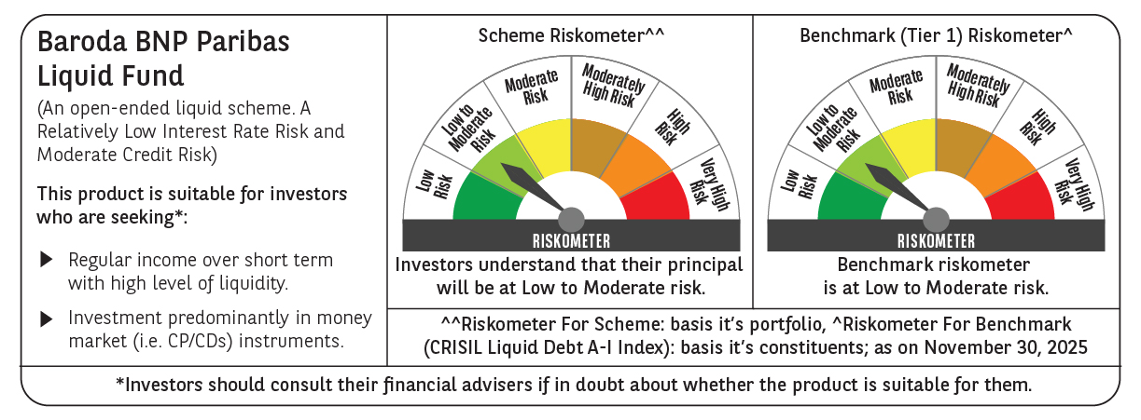

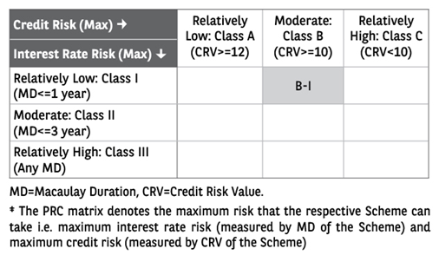

 | Monthly Performance Link: https://www.barodabnpparibasmf.in/assets/download_documents/Performance_of_Schemes_Nov-2025_15612.pdf

