YR11
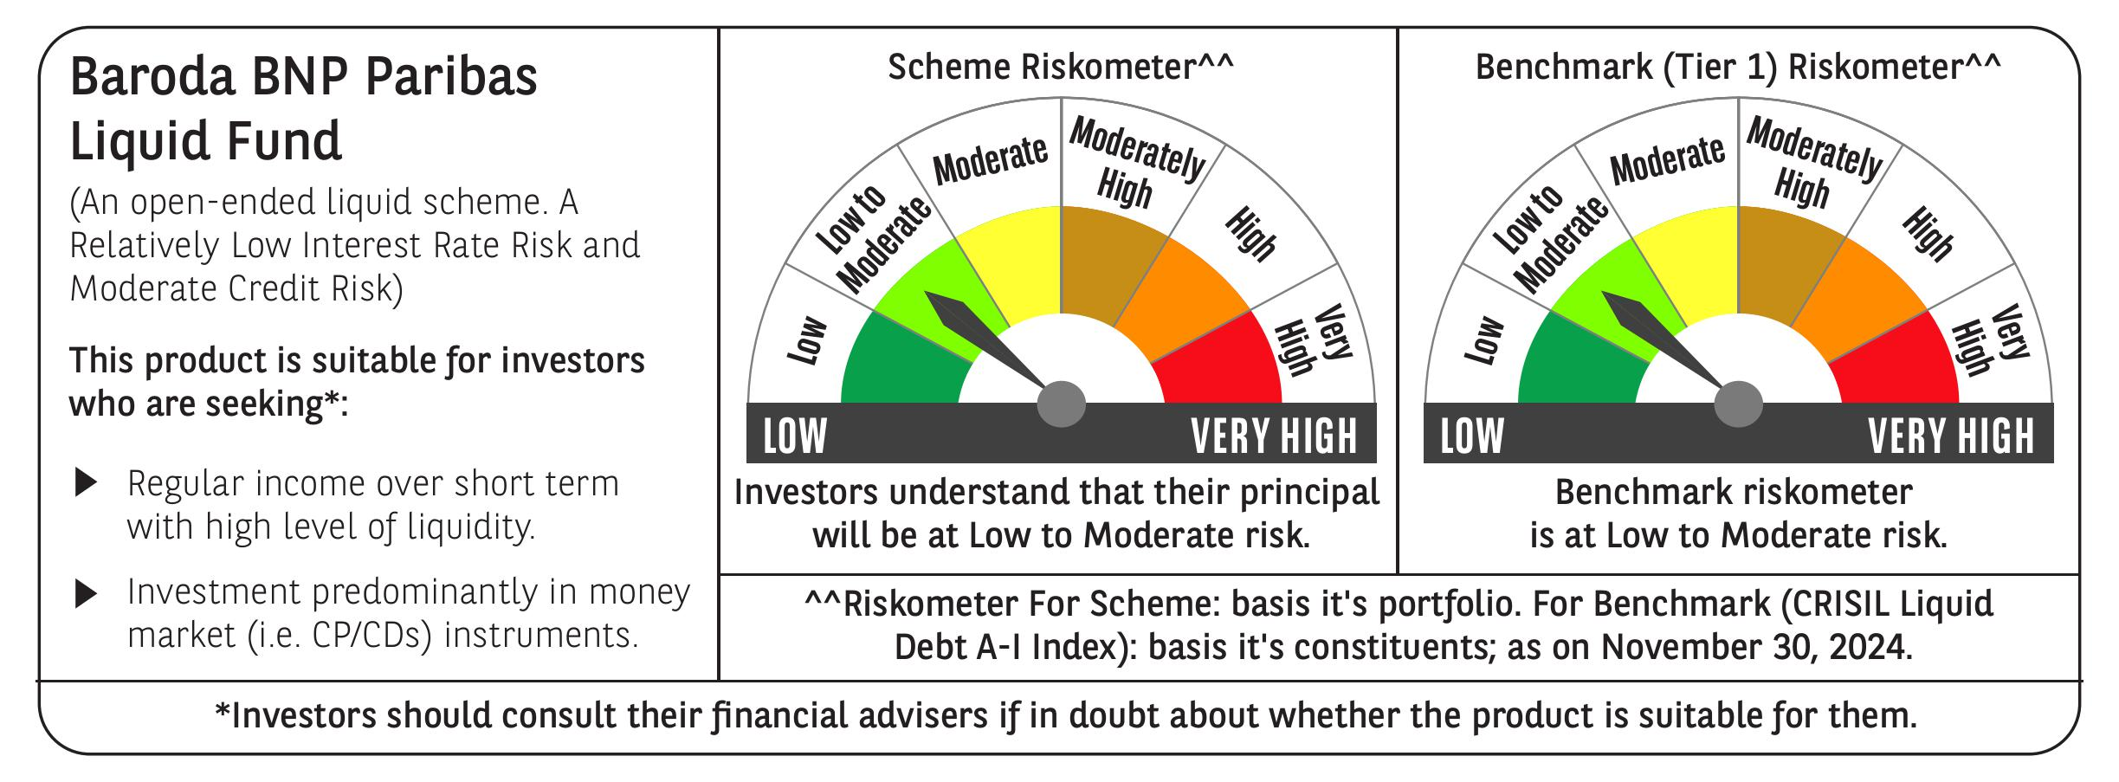
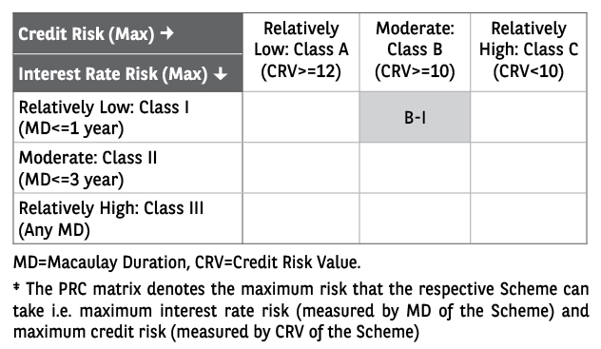
 | Baroda BNP Paribas Liquid Fund

 | Monthly Portfolio Statement as on November 30, 2024
 | Name of the Instrument | ISIN | Rating | Quantity | Market/Fair Value (Rs. in Lakhs) | % to Net Assets | YTM~ | YTC^ | null
 | Money Market Instruments
 | Certificate of Deposit
HDFB972 | HDFC Bank Limited (04/02/2025) ** # | INE040A16FS7 | CARE A1+ | 10,000 | 49,369.00 | 4.41% | 7.18%
PUBA1018 | Punjab National Bank (07/02/2025) ** # | INE160A16OL0 | FITCH A1+ | 9,000 | 44,404.20 | 3.97% | 7.20%
SBAI236 | State Bank of India (27/12/2024) ** # | INE062A16549 | CRISIL A1+ | 6,000 | 29,853.27 | 2.67% | 6.90%
IBCL1166 | ICICI Bank Limited (06/12/2024) ** # | INE090AD6105 | ICRA A1+ | 5,500 | 27,474.07 | 2.45% | 6.89%
CANB992 | Canara Bank (16/12/2024) # | INE476A16YR6 | CRISIL A1+ | 5,500 | 27,421.68 | 2.45% | 6.95%
SIDB544 | Small Industries Dev Bank of India (07/02/2025) ** # | INE556F16AQ6 | CRISIL A1+ | 5,500 | 27,136.51 | 2.42% | 7.19%
HDFB965 | HDFC Bank Limited (12/12/2024) ** # | INE040A16FL2 | CRISIL A1+ | 5,000 | 24,947.88 | 2.23% | 6.93%
UNBI381 | Union Bank of India (25/02/2025) ** # | INE692A16GY1 | ICRA A1+ | 5,000 | 24,584.03 | 2.20% | 7.18%
CANB1010 | Canara Bank (26/12/2024) ** # | INE476A16ZJ0 | CRISIL A1+ | 3,000 | 14,928.93 | 1.33% | 6.95%
SBAI237 | State Bank of India (30/12/2024) ** # | INE062A16556 | CRISIL A1+ | 3,000 | 14,918.22 | 1.33% | 6.90%
UNBI375 | Union Bank of India (31/01/2025) ** # | INE692A16GS3 | FITCH A1+ | 3,000 | 14,822.36 | 1.32% | 7.17%
UTIB1324 | Axis Bank Limited (17/12/2024) ** # | INE238AD6595 | CRISIL A1+ | 2,000 | 9,969.59 | 0.89% | 6.96%
PUBA1019 | Punjab National Bank (25/02/2025) # | INE160A16OM8 | CRISIL A1+ | 2,000 | 9,833.18 | 0.88% | 7.20%
SIDB537 | Small Industries Dev Bank of India (11/12/2024) ** # | INE556F16AM5 | CARE A1+ | 1,500 | 7,485.79 | 0.67% | 6.93%
KMBK860 | Kotak Mahindra Bank Limited (13/12/2024) ** # | INE237A164X3 | CRISIL A1+ | 1,500 | 7,482.99 | 0.67% | 6.92%
NBAR749 | National Bank For Agriculture and Rural Development (07/02/2025) ** # | INE261F16785 | CRISIL A1+ | 1,500 | 7,400.87 | 0.66% | 7.19%
PUBA1012 | Punjab National Bank (05/12/2024) ** # | INE160A16OF2 | CRISIL A1+ | 1,000 | 4,996.27 | 0.45% | 6.83%
CANB994 | Canara Bank (06/12/2024) ** # | INE476A16YT2 | CRISIL A1+ | 1,000 | 4,995.24 | 0.45% | 6.96%
KMBK848 | Kotak Mahindra Bank Limited (05/02/2025) # | INE237A160W3 | CRISIL A1+ | 1,000 | 4,935.92 | 0.44% | 7.18%
PUBA1016 | Punjab National Bank (06/02/2025) ** # | INE160A16OI6 | ICRA A1+ | 1,000 | 4,934.77 | 0.44% | 7.20%
SIDB538 | Small Industries Dev Bank of India (18/12/2024) ** # | INE556F16AN3 | CARE A1+ | 500 | 2,491.96 | 0.22% | 6.93%
 | Sub Total |  |  |  | 364,386.73 | 32.55%
 | Commercial Paper
EXIM783 | Export Import Bank of India (10/12/2024) ** | INE514E14SD3 | CRISIL A1+ | 7,000 | 34,939.70 | 3.12% | 7.00%
GRAS212 | Grasim Industries Limited (10/12/2024) ** | INE047A14982 | CRISIL A1+ | 6,000 | 29,948.76 | 2.68% | 6.94%
MUND262 | Adani Ports and Special Economic Zone Limited (27/12/2024) ** | INE742F14RB3 | CARE A1+ | 6,000 | 29,842.26 | 2.67% | 7.42%
RRVL161 | Reliance Retail Ventures Limited (11/02/2025) ** | INE929O14CS4 | CRISIL A1+ | 6,000 | 29,576.73 | 2.64% | 7.26%
INBS478 | Reliance Jio Infocomm Limited (16/12/2024) ** | INE110L14SM6 | CRISIL A1+ | 5,000 | 24,928.55 | 2.23% | 6.97%
PHFP227 | PNB Housing Finance Limited (24/01/2025) ** | INE572E14JO7 | CRISIL A1+ | 5,000 | 24,730.73 | 2.21% | 7.36%
ULCC163 | UltraTech Cement Limited (27/01/2025) ** | INE481G14EV2 | CRISIL A1+ | 5,000 | 24,721.65 | 2.21% | 7.21%
MOFS206 | Motilal Oswal Financial Services Limited (27/12/2024) ** | INE338I14IM0 | ICRA A1+ | 4,000 | 19,891.60 | 1.78% | 7.65%
RIND466 | Reliance Industries Limited (05/02/2025) ** | INE002A14KX2 | CRISIL A1+ | 4,000 | 19,741.90 | 1.76% | 7.23%
LARS464 | Larsen & Toubro Limited (06/02/2025) ** | INE018A14LF3 | CRISIL A1+ | 4,000 | 19,738.04 | 1.76% | 7.23%
ICBR542 | ICICI Securities Limited (12/02/2025) ** | INE763G14WC5 | CRISIL A1+ | 4,000 | 19,703.36 | 1.76% | 7.53%
HHFL215 | Hero Fincorp Limited (12/02/2025) ** | INE957N14IX4 | CRISIL A1+ | 4,000 | 19,693.38 | 1.76% | 7.79%
DMIF24 | DMI Finance Private Limited (13/12/2024) ** | INE604O14114 | ICRA A1+ | 3,300 | 16,454.54 | 1.47% | 8.40%
SCIN308 | Standard Chartered Capital Limited (05/12/2024) ** | INE403G14RT2 | CRISIL A1+ | 3,000 | 14,987.90 | 1.34% | 7.37%
KSFI27 | Kisetsu Saison Fin Ind Pvt Ltd (11/12/2024) ** | INE0DZE14107 | CRISIL A1+ | 3,000 | 14,969.28 | 1.34% | 7.49%
ICBR537 | ICICI Securities Limited (27/12/2024) ** | INE763G14VP9 | CRISIL A1+ | 3,000 | 14,921.88 | 1.33% | 7.35%
TVCS107 | TVS Credit Services Limited (21/02/2025) ** | INE729N14IH0 | CRISIL A1+ | 3,000 | 14,744.28 | 1.32% | 7.72%
EXIM779 | Export Import Bank of India (06/12/2024) ** | INE514E14RV7 | CRISIL A1+ | 2,300 | 11,488.98 | 1.03% | 7.00%
GRAS211 | Grasim Industries Limited (03/12/2024) ** | INE047A14966 | CRISIL A1+ | 2,000 | 9,996.20 | 0.89% | 6.94%
SBIC48 | SBICAP Securities Limited (12/12/2024) ** | INE212K14916 | CRISIL A1+ | 2,000 | 9,977.77 | 0.89% | 7.39%
IIFW301 | 360 One Prime Limited (13/12/2024) ** | INE248U14PV2 | CRISIL A1+ | 2,000 | 9,974.23 | 0.89% | 7.86%
ABHF132 | Aditya Birla Housing Finance Limited (26/12/2024) ** | INE831R14EG6 | ICRA A1+ | 2,000 | 9,951.37 | 0.89% | 7.14%
MUND263 | Adani Ports and Special Economic Zone Limited (26/12/2024) ** | INE742F14RA5 | CRISIL A1+ | 2,000 | 9,949.44 | 0.89% | 7.42%
PHFL141 | Piramal Capital & Housing Finance Limited (28/01/2025) ** | INE516Y14GV3 | CRISIL A1+ | 2,000 | 9,870.45 | 0.88% | 8.26%
ICBR543 | ICICI Securities Limited (11/02/2025) ** | INE763G14WD3 | CRISIL A1+ | 2,000 | 9,853.69 | 0.88% | 7.53%
PHFL148 | Piramal Capital & Housing Finance Limited (10/02/2025) ** | INE516Y14HA5 | CRISIL A1+ | 2,000 | 9,841.59 | 0.88% | 8.28%
PHFL147 | Piramal Capital & Housing Finance Limited (11/02/2025) ** | INE516Y14HB3 | CRISIL A1+ | 2,000 | 9,839.39 | 0.88% | 8.27%
HHFL212 | Hero Fincorp Limited (13/12/2024) ** | INE957N14HS6 | CRISIL A1+ | 1,700 | 8,478.73 | 0.76% | 7.63%
RICL176 | Barclays Investments & Loans (India) Private Limited (23/01/2025) ** | INE704I14IF7 | CRISIL A1+ | 1,500 | 7,417.66 | 0.66% | 7.65%
DIIP215 | Deutsche Investments India Pvt Limited (03/02/2025) ** | INE144H14GO4 | CRISIL A1+ | 1,500 | 7,400.54 | 0.66% | 7.66%
HHFL213 | Hero Fincorp Limited (24/01/2025) ** | INE957N14IS4 | CRISIL A1+ | 1,000 | 4,943.22 | 0.44% | 7.77%
HLFL75 | Hinduja Leyland Finance Limited (27/01/2025) ** | INE146O14CM8 | CRISIL A1+ | 1,000 | 4,939.97 | 0.44% | 7.78%
HHFL211 | Hero Fincorp Limited (31/01/2025) ** | INE957N14IE4 | CRISIL A1+ | 1,000 | 4,935.95 | 0.44% | 7.77%
PHFL135 | Piramal Capital & Housing Finance Limited (11/12/2024) ** | INE516Y14GM2 | CRISIL A1+ | 800 | 3,991.21 | 0.36% | 8.04%
 | Sub Total |  |  |  | 516,384.93 | 46.14%
 | Treasury Bill
TBIL2407 | 91 Days Tbill (MD 05/12/2024) | IN002024X243 | Sovereign | 50,866,600 | 50,829.98 | 4.54% | 6.57%
TBIL2432 | 91 Days Tbill (MD 13/02/2025) | IN002024X326 | Sovereign | 40,000,000 | 39,483.68 | 3.53% | 6.45%
TBIL2320 | 364 Days Tbill (MD 06/02/2025) | IN002023Z471 | Sovereign | 30,000,000 | 29,648.97 | 2.65% | 6.45%
TBIL2316 | 364 Days Tbill (MD 30/01/2025) | IN002023Z463 | Sovereign | 24,500,000 | 24,242.36 | 2.17% | 6.47%
TBIL2385 | 182 Days Tbill (MD 19/12/2024) | IN002024Y126 | Sovereign | 17,500,000 | 17,444.40 | 1.56% | 6.46%
TBIL2409 | 91 Days Tbill (MD 12/12/2024) | IN002024X250 | Sovereign | 15,000,000 | 14,970.30 | 1.34% | 6.58%
 | Sub Total |  |  |  | 176,619.69 | 15.79%
 | Total |  |  |  | 1,057,391.35 | 94.48%
 | Others
 | Corporate Debt Market Development Fund
CDMD50ME | Corporate Debt Market Development Fund # | INF0RQ622028 |  | 18,996 | 1,988.35 | 0.18%
 | Sub Total |  |  |  | 1,988.35 | 0.18%
 | Total |  |  |  | 1,988.35 | 0.18%
 | Reverse Repo / TREPS
TRP_021224 | Clearing Corporation of India Ltd |  |  |  | 60,456.12 | 5.40% | 6.69%
 | Sub Total |  |  |  | 60,456.12 | 5.40%
 | Total |  |  |  | 60,456.12 | 5.40%
 | Net Receivables / (Payables) |  |  |  | (528.45) | (0.06)%
 | GRAND TOTAL |  |  |  | 1,119,307.37 | 100.00%

 | ** Thinly Traded / Non Traded Security
 | # Unlisted Security
 | ~ YTM as on November 30, 2024
 | ^ YTC represents Yield to Call provided by valuation agencies as on November 30, 2024. It is disclosed for Perpetual Bond issued by Banks (i.e. AT-1 Bond / Tier 1 Bond / Tier 2 Bond), as per AMFI Best Practices Guidelines Circular no. 135/BP/91/2020-21 re

