YR15
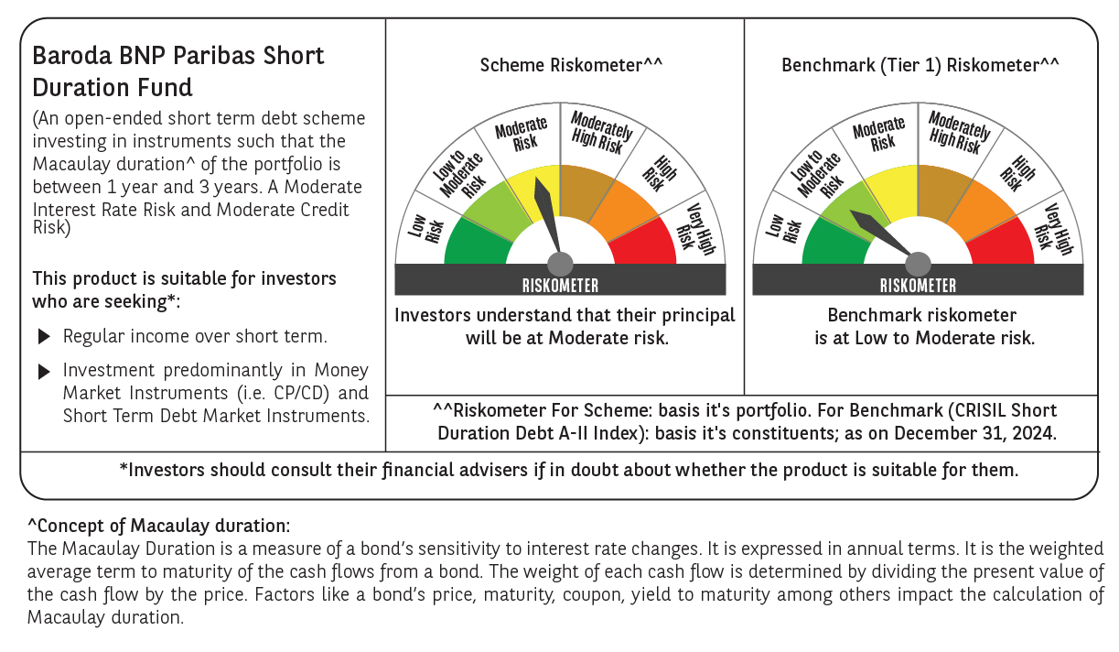
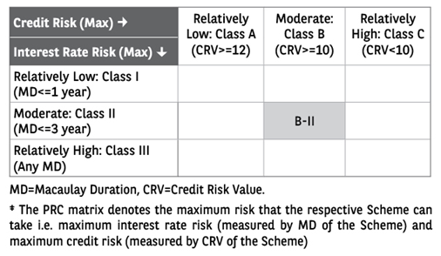
 | Baroda BNP Paribas Short Duration Fund

 | Monthly Portfolio Statement as on December 31, 2024
 | Name of the Instrument | ISIN | Rating | Quantity | Market/Fair Value (Rs. in Lakhs) | % to Net Assets | YTM~ | YTC^ | null
 | Debt Instruments
 | (a) Listed / awaiting listing on Stock Exchange
GOI5379 | 7.32% Government of India (13/11/2030) | IN0020230135 | Sovereign | 3,700,000 | 3,796.00 | 19.17% | 6.89%
NHBA329 | 7.59% National Housing Bank (14/07/2027) ** | INE557F08FY4 | CRISIL AAA | 1,500 | 1,507.25 | 7.61% | 7.36%
PGCI407 | 7.89% Power Grid Corporation of India Limited (09/03/2027) ** | INE752E07OE0 | CRISIL AAA | 120 | 1,212.38 | 6.12% | 7.34%
HPEC300 | 7.64% Hindustan Petroleum Corporation Limited (04/11/2027) ** | INE094A08135 | CRISIL AAA | 120 | 1,210.91 | 6.11% | 7.26%
RUPL50 | 7.90% Jamnagar Utilities & Power Private Limited (10/08/2028) ** | INE936D07182 | CRISIL AAA | 1,000 | 1,009.71 | 5.10% | 7.56%
LARS419 | 7.725% Larsen & Toubro Limited (28/04/2028) ** | INE018A08BE9 | CRISIL AAA | 1,000 | 1,009.24 | 5.10% | 7.38%
SHTR504 | 9.25% Shriram Finance Limited (19/12/2025) | INE721A07RU2 | CRISIL AA+ | 1,000 | 1,004.56 | 5.07% | 8.71%
NCIP36 | 8.50% Nomura Capital India Pvt Limited (21/10/2026) ** | INE357L07457 | FITCH AAA | 1,000 | 1,003.85 | 5.07% | 8.26%
IOIC654 | 7.44% Indian Oil Corporation Limited (25/11/2027) ** | INE242A08544 | CRISIL AAA | 100 | 1,003.81 | 5.07% | 7.28%
IRLY306 | 7.54% Indian Railway Finance Corporation Limited (31/10/2027) ** | INE053F07AD1 | CRISIL AAA | 100 | 1,003.21 | 5.07% | 7.40%
PHFP225 | 8.15% PNB Housing Finance Limited (29/07/2027) ** | INE572E07183 | CARE AA+ | 1,000 | 999.58 | 5.05% | 8.17%
NBAR796 | 7.44% National Bank For Agriculture and Rural Development (24/02/2028) | INE261F08EK5 | CRISIL AAA | 1,000 | 998.41 | 5.04% | 7.50%
POWF372 | 7.60% Power Finance Corporation Limited (20/02/2027) ** | INE134E08IT9 | CRISIL AAA | 60 | 602.38 | 3.04% | 7.52%
GOI4485 | 7.38% Government of India (20/06/2027) | IN0020220037 | Sovereign | 500,000 | 507.36 | 2.56% | 6.83%
ICFP147 | 10.5% IndoStar Capital Finance Limited (25/09/2026) ** | INE896L07983 | CARE AA- | 50,000 | 499.87 | 2.52% | 10.45%
RECL465 | 7.34% REC Limited (30/04/2030) ** | INE020B08FL9 | CRISIL AAA | 500 | 498.66 | 2.52% | 7.41%
RECL391 | 7.14% REC Limited (02/03/2030) ** | INE020B08CO0 | CRISIL AAA | 50 | 497.01 | 2.51% | 7.41%
HURD210 | 8.41% Housing & Urban Development Corporation Limited (15/03/2029) ** | INE031A08699 | ICRA AAA | 10 | 104.10 | 0.53% | 7.40%
 | Sub Total |  |  |  | 18,468.29 | 93.26%
 | (b) Privately placed / Unlisted |  |  |  | NIL | NIL
 | Sub Total |  |  |  | NIL | NIL
 | (c) Securitised Debt
IUNT24 | India Universal Trust (21/11/2027) ** | INE1CBK15029 | CRISIL AAA(SO) | 5 | 490.25 | 2.48% | 8.38%
 | Sub Total |  |  |  | 490.25 | 2.48%
 | (b) Privately placed / Unlisted |  |  |  | NIL | NIL
 | Sub Total |  |  |  | NIL | NIL
 | Total |  |  |  | 18,958.54 | 95.74%
 | Others
 | Corporate Debt Market Development Fund
CDMD50ME | Corporate Debt Market Development Fund # | INF0RQ622028 |  | 630 | 68.38 | 0.35%
 | Sub Total |  |  |  | 68.38 | 0.35%
 | Total |  |  |  | 68.38 | 0.35%
 | Reverse Repo / TREPS
TRP_010125 | Clearing Corporation of India Ltd |  |  |  | 343.67 | 1.74% | 6.58%
 | Sub Total |  |  |  | 343.67 | 1.74%
 | (b) Privately placed / Unlisted |  |  |  | NIL | NIL
 | Sub Total |  |  |  | NIL | NIL
 | Total |  |  |  | 343.67 | 1.74%
 | Net Receivables / (Payables) |  |  |  | 434.57 | 2.17%
 | GRAND TOTAL |  |  |  | 19,805.16 | 100.00%

 | ** Thinly Traded / Non Traded Security
 | # Unlisted Security
 | ~ YTM as on December 31, 2024
 | ^ YTC represents Yield to Call provided by valuation agencies as on December 31, 2024. It is disclosed for Perpetual Bond issued by Banks (i.e. AT-1 Bond / Tier 1 Bond / Tier 2 Bond), as per AMFI Best Practices Guidelines Circular no. 135/BP/91/2020-21 re

