YR15
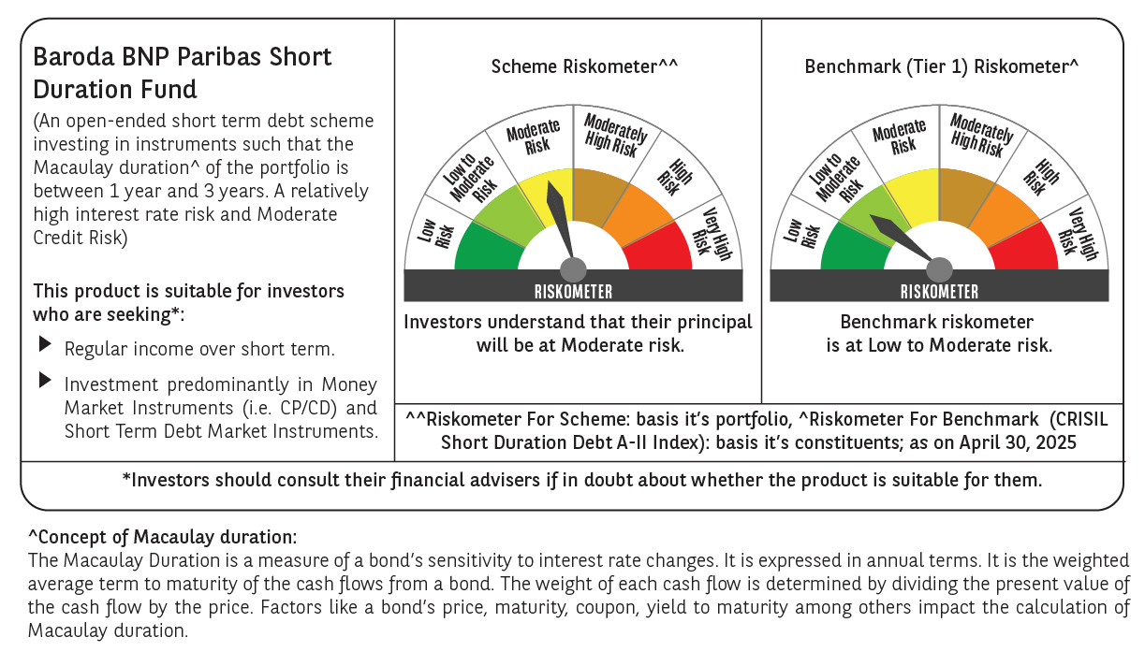

 | Baroda BNP Paribas Short Duration Fund

 | Monthly Portfolio Statement as on April 30, 2025
 | Name of the Instrument | ISIN | Rating | Quantity | Market/Fair Value (Rs. in Lakhs) | % to Net Assets | YTM~ | YTC^ | null
 | Debt Instruments
 | (a) Listed / awaiting listing on Stock Exchange
NHBA329 | 7.59% National Housing Bank (14/07/2027) ** | INE557F08FY4 | CRISIL AAA | 1,500 | 1,525.09 | 6.68% | 6.75%
POWF541 | 7.42% Power Finance Corporation Limited (15/04/2028) | INE134E08NL6 | CRISIL AAA | 1,500 | 1,522.63 | 6.67% | 6.84%
HPEC300 | 7.64% Hindustan Petroleum Corporation Limited (04/11/2027) ** | INE094A08135 | CRISIL AAA | 120 | 1,224.57 | 5.36% | 6.70%
GOI6435 | 7.08% State Government Securities (12/08/2031) | IN1920240232 | Sovereign | 1,000,000 | 1,024.51 | 4.49% | 6.70%
LARS419 | 7.725% Larsen & Toubro Limited (28/04/2028) ** | INE018A08BE9 | CRISIL AAA | 1,000 | 1,024.38 | 4.49% | 6.80%
RUPL50 | 7.90% Jamnagar Utilities & Power Private Limited (10/08/2028) ** | INE936D07182 | CRISIL AAA | 1,000 | 1,020.55 | 4.47% | 7.16%
LICH680 | 7.74% LIC Housing Finance Limited (11/02/2028) ** | INE115A07QW5 | CRISIL AAA | 1,000 | 1,014.85 | 4.45% | 7.12%
NCIP36 | 8.50% Nomura Capital India Pvt Limited (21/10/2026) ** | INE357L07457 | FITCH AAA | 1,000 | 1,011.30 | 4.43% | 7.62%
PHFP225 | 8.15% PNB Housing Finance Limited (29/07/2027) ** | INE572E07183 | CARE AA+ | 1,000 | 1,010.62 | 4.43% | 7.61%
IRLY303 | 7.27% Indian Railway Finance Corporation Limited (15/06/2027) ** | INE053F07AB5 | CRISIL AAA | 100 | 1,010.13 | 4.42% | 6.75%
GOI5228 | 7.18% Government of India (14/08/2033) | IN0020230085 | Sovereign | 900,000 | 947.39 | 4.15% | 6.45%
GOI5379 | 7.32% Government of India (13/11/2030) | IN0020230135 | Sovereign | 700,000 | 738.55 | 3.24% | 6.22%
EXIM794 | 7.35% Export Import Bank of India (27/07/2028) | INE514E08GE8 | CRISIL AAA | 700 | 711.09 | 3.11% | 6.79%
SHTR507 | 9.10% Shriram Finance Limited (18/03/2027) ** | INE721A07RZ1 | CRISIL AA+ | 700 | 710.92 | 3.11% | 8.15%
GOI4485 | 7.38% Government of India (20/06/2027) | IN0020220037 | Sovereign | 500,000 | 513.40 | 2.25% | 6.11%
RECL465 | 7.34% REC Limited (30/04/2030) ** | INE020B08FL9 | CRISIL AAA | 500 | 509.97 | 2.23% | 6.86%
NBAR803 | 7.40 % National Bank For Agriculture and Rural Development (29/04/2030) | INE261F08EL3 | CRISIL AAA | 500 | 509.85 | 2.23% | 6.92%
RECL391 | 7.14% REC Limited (02/03/2030) ** | INE020B08CO0 | CRISIL AAA | 50 | 508.04 | 2.23% | 6.86%
BHAT75 | 8.65% Bharti Telecom Limited (05/11/2027) ** | INE403D08231 | CRISIL AA+ | 500 | 507.85 | 2.22% | 7.90%
ICFP147 | 10.5% IndoStar Capital Finance Limited (25/09/2026) ** | INE896L07983 | CARE AA- | 50,000 | 505.46 | 2.21% | 9.54%
IRLY392 | 6.78% Indian Railway Finance Corporation Limited (30/04/2030) | INE053F08494 | CRISIL AAA | 500 | 499.80 | 2.19% | 6.79%
SIDB598 | 7.39% Small Industries Dev Bank of India (21/03/2030) ** | INE556F08KY6 | CRISIL AAA | 200 | 203.81 | 0.89% | 6.91%
HURD210 | 8.41% Housing & Urban Development Corporation Limited (15/03/2029) ** | INE031A08699 | ICRA AAA | 10 | 105.70 | 0.46% | 6.82%
 | Sub Total |  |  |  | 18,360.46 | 80.41%
 | (b) Privately placed / Unlisted |  |  |  | NIL | NIL
 | Sub Total |  |  |  | NIL | NIL
 | (c) Securitised Debt
IUNT24 | India Universal Trust (21/11/2027) ** | INE1CBK15029 | CRISIL AAA(SO) | 5 | 453.78 | 1.99% | 7.83%
 | Sub Total |  |  |  | 453.78 | 1.99%
 | (b) Privately placed / Unlisted |  |  |  | NIL | NIL
 | Sub Total |  |  |  | NIL | NIL
 | Total |  |  |  | 18,814.24 | 82.40%
 | Others
 | Corporate Debt Market Development Fund
CDMD50ME | Corporate Debt Market Development Fund # | INF0RQ622028 |  | 630 | 70.10 | 0.31%
 | Sub Total |  |  |  | 70.10 | 0.31%
 | Total |  |  |  | 70.10 | 0.31%
 | Reverse Repo / TREPS
TRP_020525 | Clearing Corporation of India Ltd |  |  |  | 1,423.11 | 6.23% | 5.94%
 | Sub Total |  |  |  | 1,423.11 | 6.23%
 | (b) Privately placed / Unlisted |  |  |  | NIL | NIL
 | Sub Total |  |  |  | NIL | NIL
 | Total |  |  |  | 1,423.11 | 6.23%
 | Net Receivables / (Payables) |  |  |  | 2,522.52 | 11.06%
 | GRAND TOTAL |  |  |  | 22,829.97 | 100.00%

 | ** Thinly Traded / Non Traded Security
 | # Unlisted Security
 | ~ YTM as on April 30, 2025
 | ^ YTC represents Yield to Call provided by valuation agencies as on April 30, 2025. It is disclosed for Perpetual Bond issued by Banks (i.e. AT-1 Bond / Tier 1 Bond / Tier 2 Bond), as per AMFI Best Practices Guidelines Circular no. 135/BP/91/2020-21 read with SEBI circular No. SEBI/HO/IMD/DF4/CIR/P/2021/034 on Valuation of AT-1 Bonds and Tier 2 Bonds.

