YR15
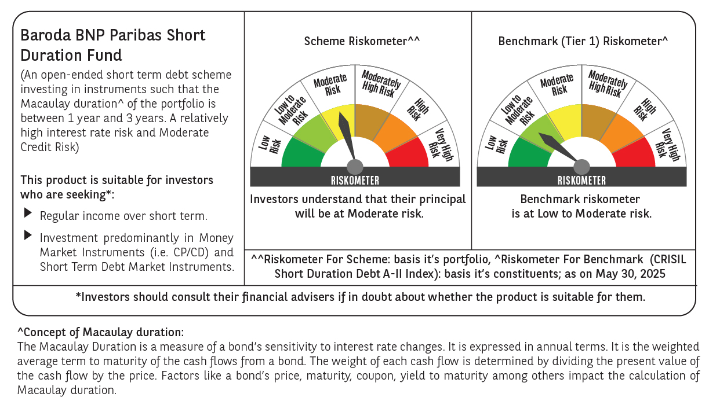

 | Baroda BNP Paribas Short Duration Fund

 | Monthly Portfolio Statement as on May 31, 2025
 | Name of the Instrument | ISIN | Rating | Quantity | Market/Fair Value (Rs. in Lakhs) | % to Net Assets | YTM~ | YTC^ | null
 | Debt Instruments
 | (a) Listed / awaiting listing on Stock Exchange
GOI5228 | 7.18% Government of India (14/08/2033) | IN0020230085 | Sovereign | 1,500,000 | 1,587.05 | 7.99% | 6.36%
NHBA329 | 7.59% National Housing Bank (14/07/2027) ** | INE557F08FY4 | CRISIL AAA | 1,500 | 1,532.75 | 7.71% | 6.47%
POWF541 | 7.42% Power Finance Corporation Limited (15/04/2028) | INE134E08NL6 | CRISIL AAA | 1,500 | 1,532.49 | 7.71% | 6.56%
HPEC300 | 7.64% Hindustan Petroleum Corporation Limited (04/11/2027) ** | INE094A08135 | CRISIL AAA | 120 | 1,232.61 | 6.20% | 6.37%
GOI6435 | 7.08% State Government Securities (12/08/2031) | IN1920240232 | Sovereign | 1,000,000 | 1,040.42 | 5.24% | 6.38%
LARS419 | 7.725% Larsen & Toubro Limited (28/04/2028) ** | INE018A08BE9 | CRISIL AAA | 1,000 | 1,031.32 | 5.19% | 6.50%
LICH680 | 7.74% LIC Housing Finance Limited (11/02/2028) ** | INE115A07QW5 | CRISIL AAA | 1,000 | 1,019.16 | 5.13% | 6.92%
PHFP225 | 8.15% PNB Housing Finance Limited (29/07/2027) ** | INE572E07183 | CARE AA+ | 1,000 | 1,014.70 | 5.11% | 7.38%
IRLY303 | 7.27% Indian Railway Finance Corporation Limited (15/06/2027) ** | INE053F07AB5 | CRISIL AAA | 100 | 1,014.39 | 5.10% | 6.50%
NCIP36 | 8.50% Nomura Capital India Pvt Limited (21/10/2026) ** | INE357L07457 | FITCH AAA | 1,000 | 1,012.45 | 5.09% | 7.48%
EXIM794 | 7.35% Export Import Bank of India (27/07/2028) | INE514E08GE8 | CRISIL AAA | 700 | 716.86 | 3.61% | 6.48%
GOI5379 | 7.32% Government of India (13/11/2030) | IN0020230135 | Sovereign | 500,000 | 531.67 | 2.68% | 6.03%
GOI4485 | 7.38% Government of India (20/06/2027) | IN0020220037 | Sovereign | 500,000 | 515.97 | 2.60% | 5.79%
NBAR803 | 7.40 % National Bank For Agriculture and Rural Development (29/04/2030) | INE261F08EL3 | CRISIL AAA | 500 | 514.66 | 2.59% | 6.68%
RUPL50 | 7.90% Jamnagar Utilities & Power Private Limited (10/08/2028) ** | INE936D07182 | CRISIL AAA | 500 | 514.41 | 2.59% | 6.85%
RECL465 | 7.34% REC Limited (30/04/2030) ** | INE020B08FL9 | CRISIL AAA | 500 | 514.22 | 2.59% | 6.64%
RECL391 | 7.14% REC Limited (02/03/2030) ** | INE020B08CO0 | CRISIL AAA | 50 | 512.52 | 2.58% | 6.62%
BHAT75 | 8.65% Bharti Telecom Limited (05/11/2027) | INE403D08231 | CRISIL AA+ | 500 | 510.88 | 2.57% | 7.60%
ICFP147 | 10.5% IndoStar Capital Finance Limited (25/09/2026) ** | INE896L07983 | CARE AA- | 50,000 | 504.84 | 2.54% | 9.60%
IRLY392 | 6.78% Indian Railway Finance Corporation Limited (30/04/2030) | INE053F08494 | CRISIL AAA | 500 | 503.91 | 2.54% | 6.59%
SIDB598 | 7.39% Small Industries Dev Bank of India (21/03/2030) | INE556F08KY6 | CRISIL AAA | 200 | 205.68 | 1.04% | 6.67%
HURD210 | 8.41% Housing & Urban Development Corporation Limited (15/03/2029) | INE031A08699 | ICRA AAA | 10 | 106.25 | 0.53% | 6.62%
 | Sub Total |  |  |  | 17,669.21 | 88.93%
 | (b) Privately placed / Unlisted |  |  |  | NIL | NIL
 | Sub Total |  |  |  | NIL | NIL
 | (c) Securitised Debt
VAJR28 | Vajra Trust (20/01/2029) ** | INP3VAJR2705 | CRISIL AAA(SO) | 9 | 895.07 | 4.50% | 9.93%
IUNT24 | India Universal Trust (21/11/2027) ** | INE1CBK15029 | CRISIL AAA(SO) | 5 | 445.03 | 2.24% | 7.59%
 | Sub Total |  |  |  | 1,340.10 | 6.74%
 | (b) Privately placed / Unlisted |  |  |  | NIL | NIL
 | Sub Total |  |  |  | NIL | NIL
 | Total |  |  |  | 19,009.31 | 95.67%
 | Others
 | Corporate Debt Market Development Fund
CDMD50ME | Corporate Debt Market Development Fund # | INF0RQ622028 |  | 630 | 70.56 | 0.36%
 | Sub Total |  |  |  | 70.56 | 0.36%
 | Total |  |  |  | 70.56 | 0.36%
 | Reverse Repo / TREPS
TRP_020625 | Clearing Corporation of India Ltd |  |  |  | 691.25 | 3.48% | 5.77%
 | Sub Total |  |  |  | 691.25 | 3.48%
 | (b) Privately placed / Unlisted |  |  |  | NIL | NIL
 | Sub Total |  |  |  | NIL | NIL
 | Total |  |  |  | 691.25 | 3.48%
 | Net Receivables / (Payables) |  |  |  | 101.07 | 0.49%
 | GRAND TOTAL |  |  |  | 19,872.19 | 100.00%

 | ** Thinly Traded / Non Traded Security
 | # Unlisted Security
 | ~ YTM as on May 31, 2025
 | ^ YTC represents Yield to Call provided by valuation agencies as on May 31, 2025. It is disclosed for Perpetual Bond issued by Banks (i.e. AT-1 Bond / Tier 1 Bond / Tier 2 Bond), as per AMFI Best Practices Guidelines Circular no. 135/BP/91/2020-21 read with SEBI circular No. SEBI/HO/IMD/DF4/CIR/P/2021/034 on Valuation of AT-1 Bonds and Tier 2 Bonds.

