YR15
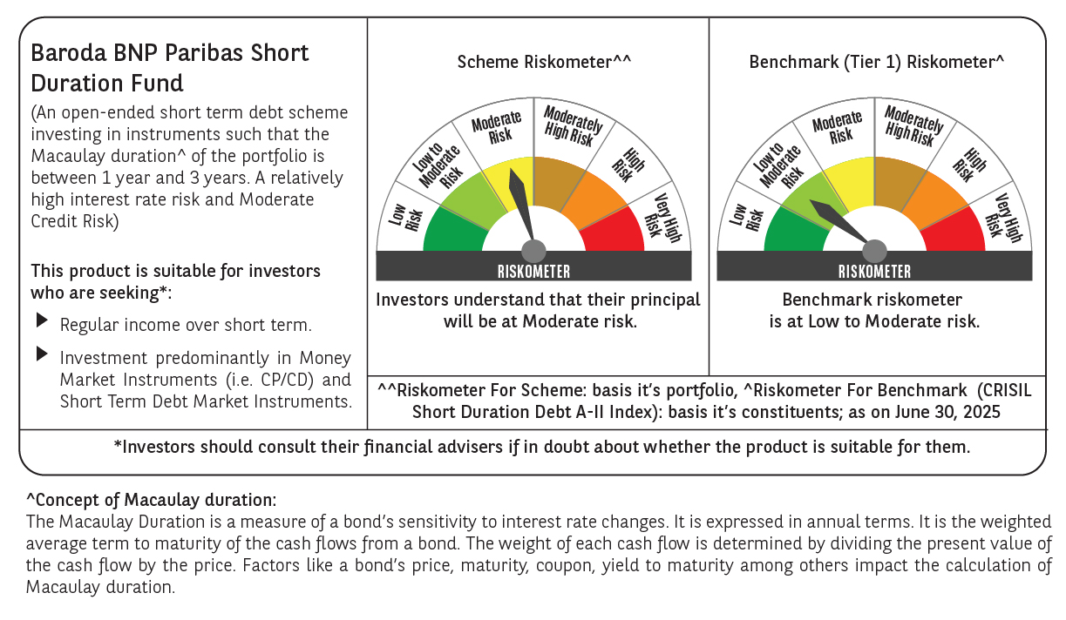

 | Baroda BNP Paribas Short Duration Fund

 | Monthly Portfolio Statement as on June 30, 2025
 | Name of the Instrument | ISIN | Rating | Quantity | Market/Fair Value (Rs. in Lakhs) | % to Net Assets | YTM~ | YTC^ | null
 | Debt Instruments
 | (a) Listed / awaiting listing on Stock Exchange
GOI5228 | 7.18% Government of India (14/08/2033) | IN0020230085 | Sovereign | 3,000,000 | 3,145.10 | 10.53% | 6.51%
NBAR838 | 7.48% National Bank For Agriculture and Rural Development (15/09/2028) | INE261F08EO7 | CRISIL AAA | 1,500 | 1,531.26 | 5.12% | 6.74%
NHBA329 | 7.59% National Housing Bank (14/07/2027) ** | INE557F08FY4 | CRISIL AAA | 1,500 | 1,530.88 | 5.12% | 6.48%
POWF541 | 7.42% Power Finance Corporation Limited (15/04/2028) ** | INE134E08NL6 | CRISIL AAA | 1,500 | 1,526.35 | 5.11% | 6.70%
SIDB553 | 7.68% Small Industries Dev Bank of India (10/08/2027) | INE556F08KP4 | CRISIL AAA | 1,300 | 1,325.86 | 4.44% | 6.64%
HPEC300 | 7.64% Hindustan Petroleum Corporation Limited (04/11/2027) ** | INE094A08135 | CRISIL AAA | 120 | 1,228.37 | 4.11% | 6.50%
GOI6306 | 6.75% Government of India (23/12/2029) | IN0020240183 | Sovereign | 1,000,000 | 1,028.78 | 3.44% | 6.10%
LARS419 | 7.725% Larsen & Toubro Limited (28/04/2028) ** | INE018A08BE9 | CRISIL AAA | 1,000 | 1,028.44 | 3.44% | 6.58%
GOI6435 | 7.08% State Government Securities (12/08/2031) | IN1920240232 | Sovereign | 1,000,000 | 1,024.04 | 3.43% | 6.70%
ULCC169 | 7.34% UltraTech Cement Limited (03/03/2028) ** | INE481G08123 | CRISIL AAA | 1,000 | 1,020.37 | 3.41% | 6.46%
SHTR526 | 8.7% Shriram Finance Limited (09/04/2028) ** | INE721A07SL9 | CRISIL AA+ | 1,000 | 1,018.14 | 3.41% | 7.92%
LICH680 | 7.74% LIC Housing Finance Limited (11/02/2028) | INE115A07QW5 | CRISIL AAA | 1,000 | 1,017.24 | 3.40% | 6.97%
IRLY303 | 7.27% Indian Railway Finance Corporation Limited (15/06/2027) ** | INE053F07AB5 | CRISIL AAA | 100 | 1,013.72 | 3.39% | 6.50%
PHFP225 | 8.15% PNB Housing Finance Limited (29/07/2027) ** | INE572E07183 | CARE AA+ | 1,000 | 1,013.63 | 3.39% | 7.41%
NCIP36 | 8.50% Nomura Capital India Pvt Limited (21/10/2026) ** | INE357L07457 | FITCH AAA | 1,000 | 1,013.04 | 3.39% | 7.38%
EXIM794 | 7.35% Export Import Bank of India (27/07/2028) | INE514E08GE8 | CRISIL AAA | 700 | 715.27 | 2.39% | 6.54%
SHEB160 | Tata Capital Limited (28/08/2026) (ZCB) ** | INE601U08309 | CRISIL AAA | 50 | 638.24 | 2.14% | 6.99%
GOI5379 | 7.32% Government of India (13/11/2030) | IN0020230135 | Sovereign | 500,000 | 526.83 | 1.76% | 6.22%
GOI4485 | 7.38% Government of India (20/06/2027) | IN0020220037 | Sovereign | 500,000 | 514.80 | 1.72% | 5.85%
HPEC303 | 7.74% Hindustan Petroleum Corporation Limited (02/03/2028) ** | INE094A08150 | CRISIL AAA | 500 | 514.12 | 1.72% | 6.53%
RUPL50 | 7.90% Jamnagar Utilities & Power Private Limited (10/08/2028) ** | INE936D07182 | CRISIL AAA | 500 | 512.76 | 1.72% | 6.95%
BHAT75 | 8.65% Bharti Telecom Limited (05/11/2027) ** | INE403D08231 | CRISIL AA+ | 500 | 510.56 | 1.71% | 7.60%
NBAR803 | 7.40 % National Bank For Agriculture and Rural Development (29/04/2030) ** | INE261F08EL3 | CRISIL AAA | 500 | 510.41 | 1.71% | 6.87%
RECL465 | 7.34% REC Limited (30/04/2030) | INE020B08FL9 | CRISIL AAA | 500 | 509.63 | 1.71% | 6.85%
BAFL943 | 7.7951% Bajaj Finance Limited (10/12/2027) ** | INE296A07TF2 | CRISIL AAA | 500 | 507.28 | 1.70% | 7.10%
ICFP147 | 10.5% IndoStar Capital Finance Limited (25/09/2026) ** | INE896L07983 | CARE AA- | 50,000 | 506.12 | 1.69% | 9.33%
IRLY392 | 6.78% Indian Railway Finance Corporation Limited (30/04/2030) | INE053F08494 | CRISIL AAA | 500 | 499.51 | 1.67% | 6.80%
POWF551 | 6.64% Power Finance Corporation Limited (15/07/2030) | INE134E08NR3 | CRISIL AAA | 500 | 496.47 | 1.66% | 6.81%
GOI6320 | 6.79% Government of India (30/12/2031) | IN0020240191 | Sovereign | 300,000 | 308.57 | 1.03% | 6.35%
SIDB598 | 7.39% Small Industries Dev Bank of India (21/03/2030) ** | INE556F08KY6 | CRISIL AAA | 200 | 204.05 | 0.68% | 6.86%
HURD210 | 8.41% Housing & Urban Development Corporation Limited (15/03/2029) ** | INE031A08699 | ICRA AAA | 10 | 105.48 | 0.35% | 6.82%
 | Sub Total |  |  |  | 27,045.32 | 90.49%
 | (b) Privately placed / Unlisted |  |  |  | NIL | NIL
 | Sub Total |  |  |  | NIL | NIL
 | (c) Securitised Debt
VAJR28 | Vajra Trust (20/01/2029) ** | INE20NI15039 | CRISIL AAA(SO) | 9 | 897.17 | 3.00% | 9.82%
IUNT24 | India Universal Trust (21/11/2027) ** | INE1CBK15029 | CRISIL AAA(SO) | 5 | 433.75 | 1.45% | 7.75%
 | Sub Total |  |  |  | 1,330.92 | 4.45%
 | (b) Privately placed / Unlisted |  |  |  | NIL | NIL
 | Sub Total |  |  |  | NIL | NIL
 | Total |  |  |  | 28,376.24 | 94.94%
 | Others
 | Corporate Debt Market Development Fund
CDMD50ME | Corporate Debt Market Development Fund # | INF0RQ622028 |  | 630 | 70.89 | 0.24%
 | Sub Total |  |  |  | 70.89 | 0.24%
 | Total |  |  |  | 70.89 | 0.24%
 | Reverse Repo / TREPS
TRP_010725 | Clearing Corporation of India Ltd |  |  |  | 1,777.45 | 5.95% | 5.47%
 | Sub Total |  |  |  | 1,777.45 | 5.95%
 | (b) Privately placed / Unlisted |  |  |  | NIL | NIL
 | Sub Total |  |  |  | NIL | NIL
 | Total |  |  |  | 1,777.45 | 5.95%
 | Net Receivables / (Payables) |  |  |  | (342.41) | (1.13)%
 | GRAND TOTAL |  |  |  | 29,882.17 | 100.00%

 | ZCB - Zero Coupon Bond
 | ** Thinly Traded / Non Traded Security
 | # Unlisted Security
 | ~ YTM as on June 30, 2025
 | ^ YTC represents Yield to Call provided by valuation agencies as on June 30, 2025. It is disclosed for Perpetual Bond issued by Banks (i.e. AT-1 Bond / Tier 1 Bond / Tier 2 Bond), as per AMFI Best Practices Guidelines Circular no. 135/BP/91/2020-21 read with SEBI circular No. SEBI/HO/IMD/DF4/CIR/P/2021/034 on Valuation of AT-1 Bonds and Tier 2 Bonds.

