YR15
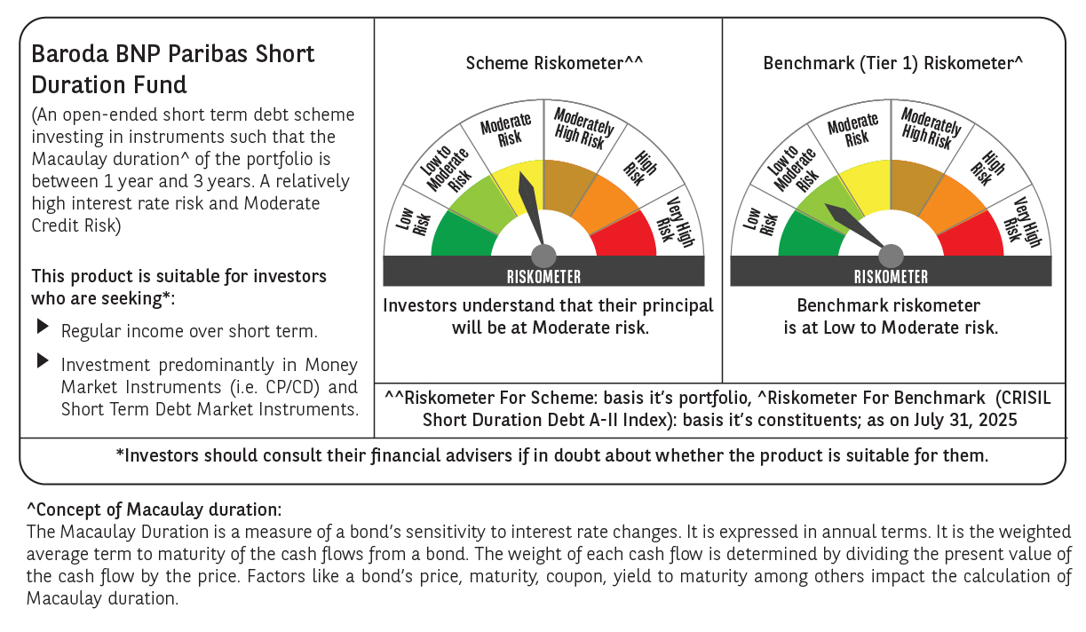

 | Baroda BNP Paribas Short Duration Fund

 | Monthly Portfolio Statement as on July 31, 2025
 | Name of the Instrument | ISIN | Rating | Quantity | Market/Fair Value (Rs. in Lakhs) | % to Net Assets | YTM~ | YTC^ | null
 | Debt Instruments
 | (a) Listed / awaiting listing on Stock Exchange
GOI5228 | 7.18% Government of India (14/08/2033) | IN0020230085 | Sovereign | 2,000,000 | 2,092.26 | 7.22% | 6.54%
NBAR838 | 7.48% National Bank For Agriculture and Rural Development (15/09/2028) ** | INE261F08EO7 | CRISIL AAA | 1,500 | 1,532.29 | 5.29% | 6.70%
NHBA329 | 7.59% National Housing Bank (14/07/2027) ** | INE557F08FY4 | CRISIL AAA | 1,500 | 1,529.45 | 5.28% | 6.48%
POWF541 | 7.42% Power Finance Corporation Limited (15/04/2028) ** | INE134E08NL6 | CRISIL AAA | 1,500 | 1,526.17 | 5.27% | 6.68%
SIDB553 | 7.68% Small Industries Dev Bank of India (10/08/2027) ** | INE556F08KP4 | CRISIL AAA | 1,300 | 1,325.94 | 4.57% | 6.59%
HPEC300 | 7.64% Hindustan Petroleum Corporation Limited (04/11/2027) ** | INE094A08135 | CRISIL AAA | 120 | 1,229.24 | 4.24% | 6.43%
LARS419 | 7.725% Larsen & Toubro Limited (28/04/2028) ** | INE018A08BE9 | CRISIL AAA | 1,000 | 1,029.65 | 3.55% | 6.49%
GOI6435 | 7.08% State Government Securities (12/08/2031) | IN1920240232 | Sovereign | 1,000,000 | 1,023.66 | 3.53% | 6.71%
ULCC169 | 7.34% UltraTech Cement Limited (03/03/2028) ** | INE481G08123 | CRISIL AAA | 1,000 | 1,020.29 | 3.52% | 6.44%
LICH680 | 7.74% LIC Housing Finance Limited (11/02/2028) ** | INE115A07QW5 | CRISIL AAA | 1,000 | 1,020.11 | 3.52% | 6.82%
SHTR526 | 8.7% Shriram Finance Limited (09/04/2028) ** | INE721A07SL9 | CRISIL AA+ | 1,000 | 1,018.72 | 3.51% | 7.87%
PHFP225 | 8.15% PNB Housing Finance Limited (29/07/2027) ** | INE572E07183 | CARE AA+ | 1,000 | 1,016.58 | 3.51% | 7.23%
IRLY303 | 7.27% Indian Railway Finance Corporation Limited (15/06/2027) ** | INE053F07AB5 | CRISIL AAA | 100 | 1,013.84 | 3.50% | 6.45%
NCIP36 | 8.50% Nomura Capital India Pvt Limited (21/10/2026) ** | INE357L07457 | FITCH AAA | 1,000 | 1,013.60 | 3.50% | 7.26%
LICH700 | 7.07% LIC Housing Finance Limited (29/04/2030) ** | INE115A07RG6 | CRISIL AAA | 1,000 | 1,001.31 | 3.45% | 7.03%
EXIM794 | 7.35% Export Import Bank of India (27/07/2028) | INE514E08GE8 | CRISIL AAA | 700 | 715.54 | 2.47% | 6.51%
SHEB160 | Tata Capital Limited (28/08/2026) (ZCB) ** | INE601U08309 | CRISIL AAA | 50 | 642.33 | 2.22% | 6.93%
GOI5379 | 7.32% Government of India (13/11/2030) | IN0020230135 | Sovereign | 500,000 | 526.88 | 1.82% | 6.20%
GOI4485 | 7.38% Government of India (20/06/2027) | IN0020220037 | Sovereign | 500,000 | 514.70 | 1.78% | 5.79%
HPEC303 | 7.74% Hindustan Petroleum Corporation Limited (02/03/2028) ** | INE094A08150 | CRISIL AAA | 500 | 514.66 | 1.78% | 6.45%
RUPL50 | 7.90% Jamnagar Utilities & Power Private Limited (10/08/2028) | INE936D07182 | CRISIL AAA | 500 | 513.89 | 1.77% | 6.85%
BHAT75 | 8.65% Bharti Telecom Limited (05/11/2027) ** | INE403D08231 | CRISIL AAA | 500 | 513.47 | 1.77% | 7.29%
RECL465 | 7.34% REC Limited (30/04/2030) ** | INE020B08FL9 | CRISIL AAA | 500 | 510.47 | 1.76% | 6.80%
EXIM803 | 7.12% Export Import Bank of India (27/06/2030) | INE514E08GF5 | CRISIL AAA | 500 | 508.33 | 1.75% | 6.71%
BAFL943 | 7.7951% Bajaj Finance Limited (10/12/2027) ** | INE296A07TF2 | CRISIL AAA | 500 | 507.75 | 1.75% | 7.03%
ICFP147 | 10.5% IndoStar Capital Finance Limited (25/09/2026) ** | INE896L07983 | CARE AA- | 50,000 | 506.85 | 1.75% | 9.14%
EOPR38 | 7.21% Embassy Office Parks REIT (17/03/2028) | INE041007167 | CRISIL AAA | 500 | 503.74 | 1.74% | 7.07%
IRLY392 | 6.78% Indian Railway Finance Corporation Limited (30/04/2030) ** | INE053F08494 | CRISIL AAA | 500 | 500.70 | 1.73% | 6.74%
GOI6900 | 6.28% Government of India (14/07/2032) | IN0020250059 | Sovereign | 500,000 | 500.09 | 1.73% | 6.37%
GOI6320 | 6.79% Government of India (30/12/2031) | IN0020240191 | Sovereign | 350,000 | 359.99 | 1.24% | 6.34%
SIDB598 | 7.39% Small Industries Dev Bank of India (21/03/2030) | INE556F08KY6 | CRISIL AAA | 200 | 204.53 | 0.71% | 6.79%
HURD210 | 8.41% Housing & Urban Development Corporation Limited (15/03/2029) ** | INE031A08699 | ICRA AAA | 10 | 105.73 | 0.36% | 6.71%
 | Sub Total |  |  |  | 26,542.76 | 91.59%
 | (b) Privately placed / Unlisted |  |  |  | NIL | NIL
 | Sub Total |  |  |  | NIL | NIL
 | (c) Securitised Debt
VAJR28 | Vajra Trust (20/01/2029) ** | INE20NI15039 | CRISIL AAA(SO) | 9 | 898.40 | 3.10% | 9.75%
IUNT24 | India Universal Trust (21/11/2027) ** | INE1CBK15029 | CRISIL AAA(SO) | 5 | 424.29 | 1.46% | 7.63%
 | Sub Total |  |  |  | 1,322.69 | 4.56%
 | (b) Privately placed / Unlisted |  |  |  | NIL | NIL
 | Sub Total |  |  |  | NIL | NIL
 | Total |  |  |  | 27,865.45 | 96.15%
 | Others
 | Corporate Debt Market Development Fund
CDMD50ME | Corporate Debt Market Development Fund # | INF0RQ622028 |  | 734 | 82.81 | 0.29% | 5.58%
 | Sub Total |  |  |  | 82.81 | 0.29%
 | Total |  |  |  | 82.81 | 0.29%
 | Reverse Repo / TREPS
TRP_010825 | Clearing Corporation of India Ltd |  |  |  | 266.35 | 0.92% | 5.42%
 | Sub Total |  |  |  | 266.35 | 0.92%
 | (b) Privately placed / Unlisted |  |  |  | NIL | NIL
 | Sub Total |  |  |  | NIL | NIL
 | Total |  |  |  | 266.35 | 0.92%
 | Net Receivables / (Payables) |  |  |  | 769.60 | 2.64%
 | GRAND TOTAL |  |  |  | 28,984.21 | 100.00%

 | ZCB - Zero Coupon Bond
 | ** Thinly Traded / Non Traded Security
 | # Unlisted Security
 | ~ YTM as on July 31, 2025
 | ^ YTC represents Yield to Call provided by valuation agencies as on July 31, 2025. It is disclosed for Perpetual Bond issued by Banks (i.e. AT-1 Bond / Tier 1 Bond / Tier 2 Bond), as per AMFI Best Practices Guidelines Circular no. 135/BP/91/2020-21 read with SEBI circular No. SEBI/HO/IMD/DF4/CIR/P/2021/034 on Valuation of AT-1 Bonds and Tier 2 Bonds.

