YR15
 | Baroda BNP Paribas Short Duration Fund

 | Monthly Portfolio Statement as on August 31, 2025
 | Name of the Instrument | ISIN | Rating | Quantity | Market/Fair Value (Rs. in Lakhs) | % to Net Assets | YTM~ | YTC^ | null
 | Debt Instruments
 | (a) Listed / awaiting listing on Stock Exchange
GOI5228 | 7.18% Government of India (14/08/2033) | IN0020230085 | Sovereign | 2,100,000 | 2,163.12 | 7.52% | 6.80%
NHBA331 | 7.59% National Housing Bank (08/09/2027) ** | INE557F08FZ1 | CRISIL AAA | 1,500 | 1,526.87 | 5.31% | 6.61%
NBAR838 | 7.48% National Bank For Agriculture and Rural Development (15/09/2028) | INE261F08EO7 | CRISIL AAA | 1,500 | 1,524.35 | 5.30% | 6.87%
POWF541 | 7.42% Power Finance Corporation Limited (15/04/2028) ** | INE134E08NL6 | CRISIL AAA | 1,500 | 1,520.61 | 5.29% | 6.82%
SIDB553 | 7.68% Small Industries Dev Bank of India (10/08/2027) ** | INE556F08KP4 | CRISIL AAA | 1,300 | 1,320.87 | 4.59% | 6.76%
HPEC300 | 7.64% Hindustan Petroleum Corporation Limited (04/11/2027) ** | INE094A08135 | CRISIL AAA | 120 | 1,226.05 | 4.26% | 6.52%
LARS419 | 7.725% Larsen & Toubro Limited (28/04/2028) ** | INE018A08BE9 | CRISIL AAA | 1,000 | 1,024.11 | 3.56% | 6.68%
SHTR526 | 8.7% Shriram Finance Limited (09/04/2028) | INE721A07SL9 | CRISIL AA+ | 1,000 | 1,020.87 | 3.55% | 7.75%
LICH680 | 7.74% LIC Housing Finance Limited (11/02/2028) ** | INE115A07QW5 | CRISIL AAA | 1,000 | 1,015.92 | 3.53% | 6.98%
PHFP225 | 8.15% PNB Housing Finance Limited (29/07/2027) ** | INE572E07183 | CARE AA+ | 1,000 | 1,013.95 | 3.53% | 7.33%
ULCC169 | 7.34% UltraTech Cement Limited (03/03/2028) ** | INE481G08123 | CRISIL AAA | 1,000 | 1,013.81 | 3.53% | 6.70%
NCIP36 | 8.50% Nomura Capital India Pvt Limited (21/10/2026) ** | INE357L07457 | FITCH AAA | 1,000 | 1,011.23 | 3.52% | 7.41%
IRLY303 | 7.27% Indian Railway Finance Corporation Limited (15/06/2027) ** | INE053F07AB5 | CRISIL AAA | 100 | 1,010.61 | 3.51% | 6.61%
GOI6900 | 6.28% Government of India (14/07/2032) | IN0020250059 | Sovereign | 800,000 | 788.05 | 2.74% | 6.66%
EXIM794 | 7.35% Export Import Bank of India (27/07/2028) | INE514E08GE8 | CRISIL AAA | 700 | 710.69 | 2.47% | 6.75%
SHEB160 | Tata Capital Limited (28/08/2026) (ZCB) ** | INE601U08309 | CRISIL AAA | 50 | 645.79 | 2.25% | 6.96%
GOI5379 | 7.32% Government of India (13/11/2030) | IN0020230135 | Sovereign | 500,000 | 521.11 | 1.81% | 6.45%
GOI5817 | 7.04% Government of India (03/06/2029) | IN0020240050 | Sovereign | 500,000 | 512.93 | 1.78% | 6.35%
HPEC303 | 7.74% Hindustan Petroleum Corporation Limited (02/03/2028) ** | INE094A08150 | CRISIL AAA | 500 | 512.61 | 1.78% | 6.58%
BHAT75 | 8.65% Bharti Telecom Limited (05/11/2027) ** | INE403D08231 | CRISIL AAA | 500 | 510.70 | 1.78% | 7.53%
RUPL50 | 7.90% Jamnagar Utilities & Power Private Limited (10/08/2028) ** | INE936D07182 | CRISIL AAA | 500 | 510.57 | 1.78% | 7.07%
LICH693 | 7.645% LIC Housing Finance Limited (21/02/2030) ** | INE115A07RD3 | CRISIL AAA | 500 | 507.74 | 1.77% | 7.21%
RECL465 | 7.34% REC Limited (30/04/2030) ** | INE020B08FL9 | CRISIL AAA | 500 | 507.27 | 1.76% | 6.95%
BAFL943 | 7.7951% Bajaj Finance Limited (10/12/2027) ** | INE296A07TF2 | CRISIL AAA | 500 | 506.60 | 1.76% | 7.12%
ICFP147 | 10.5% IndoStar Capital Finance Limited (25/09/2026) ** | INE896L07983 | CARE AA- | 50,000 | 506.06 | 1.76% | 9.23%
EXIM803 | 7.12% Export Import Bank of India (27/06/2030) ** | INE514E08GF5 | CRISIL AAA | 500 | 504.86 | 1.76% | 6.87%
EOPR38 | 7.21% Embassy Office Parks REIT (17/03/2028) ** | INE041007167 | CRISIL AAA | 500 | 501.98 | 1.75% | 7.22%
RECL478 | 6.60% REC Limited (30/06/2027) ** | INE020B08FZ9 | ICRA AAA | 500 | 499.25 | 1.74% | 6.67%
IRLY392 | 6.78% Indian Railway Finance Corporation Limited (30/04/2030) ** | INE053F08494 | CRISIL AAA | 500 | 496.14 | 1.73% | 6.97%
GOI6919 | 6.01% Government of India (21/07/2030) | IN0020250067 | Sovereign | 400,000 | 395.22 | 1.37% | 6.39%
NHBA334 | 7.20% National Housing Bank (03/10/2031) ** | INE557F08GB0 | CARE AAA | 300 | 302.53 | 1.05% | 7.02%
SIDB598 | 7.39% Small Industries Dev Bank of India (21/03/2030) ** | INE556F08KY6 | CRISIL AAA | 200 | 202.79 | 0.71% | 7.01%
GOI6320 | 6.79% Government of India (30/12/2031) | IN0020240191 | Sovereign | 175,000 | 177.12 | 0.62% | 6.66%
HURD210 | 8.41% Housing & Urban Development Corporation Limited (15/03/2029) ** | INE031A08699 | ICRA AAA | 10 | 104.86 | 0.36% | 6.95%
 | Sub Total |  |  |  | 26,317.24 | 91.53%
 | (b) Privately placed / Unlisted |  |  |  | NIL | NIL
 | Sub Total |  |  |  | NIL | NIL
 | (c) Securitised Debt
VAJR28 | Vajra Trust (20/01/2029) ** | INE20NI15039 | CRISIL AAA(SO) | 9 | 895.05 | 3.11% | 9.97%
IUNT24 | India Universal Trust (21/11/2027) ** | INE1CBK15029 | CRISIL AAA(SO) | 5 | 413.26 | 1.44% | 7.72%
 | Sub Total |  |  |  | 1,308.31 | 4.55%
 | (b) Privately placed / Unlisted |  |  |  | NIL | NIL
 | Sub Total |  |  |  | NIL | NIL
 | Total |  |  |  | 27,625.55 | 96.08%
 | Others
 | Corporate Debt Market Development Fund
CDMD50ME | Corporate Debt Market Development Fund # | INF0RQ622028 |  | 734 | 83.12 | 0.29% | 5.66%
 | Sub Total |  |  |  | 83.12 | 0.29%
 | Total |  |  |  | 83.12 | 0.29%
 | Reverse Repo / TREPS
TRP_010925 | Clearing Corporation of India Ltd |  |  |  | 263.75 | 0.92% | 5.39%
 | Sub Total |  |  |  | 263.75 | 0.92%
 | (b) Privately placed / Unlisted |  |  |  | NIL | NIL
 | Sub Total |  |  |  | NIL | NIL
 | Total |  |  |  | 263.75 | 0.92%
 | Net Receivables / (Payables) |  |  |  | 784.27 | 2.71%
 | GRAND TOTAL |  |  |  | 28,756.69 | 100.00%

 | ZCB - Zero Coupon Bond
 | ** Thinly Traded / Non Traded Security
 | # Unlisted Security
 | ~ YTM as on August 31, 2025
 | ^ YTC represents Yield to Call provided by valuation agencies as on August 31, 2025. It is disclosed for Perpetual Bond issued by Banks (i.e. AT-1 Bond / Tier 1 Bond / Tier 2 Bond), as per AMFI Best Practices Guidelines Circular no. 135/BP/91/2020-21 read with SEBI circular No. SEBI/HO/IMD/DF4/CIR/P/2021/034 on Valuation of AT-1 Bonds and Tier 2 Bonds.

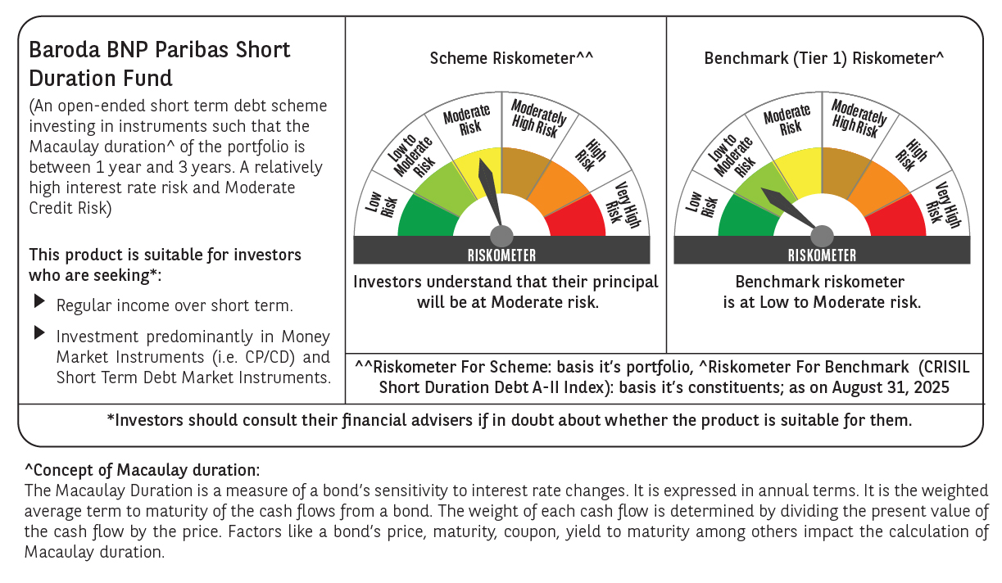



 | Monthly Performance Link: https://www.barodabnpparibasmf.in/assets/download_documents/Performance_of_Schemes_14126.pdf

