Monthly Portfolio
 | Baroda BNP Paribas Short Duration Fund

 | Monthly Portfolio Statement as on September 30, 2025
 | Name of the Instrument | ISIN | Rating | Quantity | Market/Fair Value (Rs. in Lakhs) | % to Net Assets | YTM~ | YTC^ | null
 | Debt Instruments
 | (a) Listed / awaiting listing on Stock Exchange
GOI5228 | 7.18% Government of India (14/08/2033) | IN0020230085 | Sovereign | 2,450,000 | 2,530.73 | 9.31% | 6.74%
NHBA331 | 7.59% National Housing Bank (08/09/2027) ** | INE557F08FZ1 | CRISIL AAA | 1,500 | 1,524.55 | 5.61% | 6.65%
SIDB553 | 7.68% Small Industries Dev Bank of India (10/08/2027) ** | INE556F08KP4 | CRISIL AAA | 1,300 | 1,321.02 | 4.86% | 6.72%
HPEC300 | 7.64% Hindustan Petroleum Corporation Limited (04/11/2027) ** | INE094A08135 | CRISIL AAA | 120 | 1,225.78 | 4.51% | 6.50%
LARS419 | 7.725% Larsen & Toubro Limited (28/04/2028) ** | INE018A08BE9 | CRISIL AAA | 1,000 | 1,022.31 | 3.76% | 6.73%
SHTR526 | 8.7% Shriram Finance Limited (09/04/2028) ** | INE721A07SL9 | CRISIL AA+ | 1,000 | 1,017.96 | 3.74% | 7.85%
NBAR838 | 7.48% National Bank For Agriculture and Rural Development (15/09/2028) | INE261F08EO7 | CRISIL AAA | 1,000 | 1,017.32 | 3.74% | 6.81%
LICH680 | 7.74% LIC Housing Finance Limited (11/02/2028) ** | INE115A07QW5 | CRISIL AAA | 1,000 | 1,015.88 | 3.74% | 6.96%
PHFP225 | 8.15% PNB Housing Finance Limited (29/07/2027) ** | INE572E07183 | CARE AA+ | 1,000 | 1,014.38 | 3.73% | 7.26%
ULCC169 | 7.34% UltraTech Cement Limited (03/03/2028) ** | INE481G08123 | CRISIL AAA | 1,000 | 1,013.68 | 3.73% | 6.68%
NCIP36 | 8.50% Nomura Capital India Pvt Limited (21/10/2026) ** | INE357L07457 | FITCH AAA | 1,000 | 1,010.39 | 3.72% | 7.43%
IRLY303 | 7.27% Indian Railway Finance Corporation Limited (15/06/2027) ** | INE053F07AB5 | CRISIL AAA | 100 | 1,009.55 | 3.71% | 6.64%
EXIM794 | 7.35% Export Import Bank of India (27/07/2028) ** | INE514E08GE8 | CRISIL AAA | 700 | 712.43 | 2.62% | 6.64%
GOI5379 | 7.32% Government of India (13/11/2030) | IN0020230135 | Sovereign | 500,000 | 522.39 | 1.92% | 6.38%
HPEC303 | 7.74% Hindustan Petroleum Corporation Limited (02/03/2028) ** | INE094A08150 | CRISIL AAA | 500 | 513.04 | 1.89% | 6.51%
BHAT75 | 8.65% Bharti Telecom Limited (05/11/2027) | INE403D08231 | CRISIL AAA | 500 | 511.38 | 1.88% | 7.42%
RUPL50 | 7.90% Jamnagar Utilities & Power Private Limited (10/08/2028) ** | INE936D07182 | CRISIL AAA | 500 | 510.12 | 1.88% | 7.08%
LICH693 | 7.645% LIC Housing Finance Limited (21/02/2030) ** | INE115A07RD3 | CRISIL AAA | 500 | 508.74 | 1.87% | 7.15%
NBAR805 | 7.53% National Bank For Agriculture and Rural Development (24/03/2028) | INE261F08EM1 | ICRA AAA | 500 | 508.12 | 1.87% | 6.77%
BAFL943 | 7.7951% Bajaj Finance Limited (10/12/2027) ** | INE296A07TF2 | CRISIL AAA | 500 | 506.77 | 1.86% | 7.09%
ICFP147 | 10.5% IndoStar Capital Finance Limited (25/09/2026) ** | INE896L07983 | CARE AA- | 50,000 | 506.70 | 1.86% | 9.00%
EXIM803 | 7.12% Export Import Bank of India (27/06/2030) | INE514E08GF5 | CRISIL AAA | 500 | 506.17 | 1.86% | 6.80%
RECL465 | 7.34% REC Limited (30/04/2030) ** | INE020B08FL9 | CRISIL AAA | 500 | 506.17 | 1.86% | 7.00%
EOPR38 | 7.21% Embassy Office Parks REIT (17/03/2028) ** | INE041007167 | CRISIL AAA | 500 | 501.99 | 1.85% | 7.22%
MEBP36 | 7% Mindspace Business Parks REIT (14/09/2027) | INE0CCU07165 | CRISIL AAA | 500 | 500.66 | 1.84% | 7.11%
RECL478 | 6.60% REC Limited (30/06/2027) | INE020B08FZ9 | ICRA AAA | 500 | 500.00 | 1.84% | 6.57%
IRLY392 | 6.78% Indian Railway Finance Corporation Limited (30/04/2030) | INE053F08494 | CRISIL AAA | 500 | 497.41 | 1.83% | 6.91%
GOI6900 | 6.28% Government of India (14/07/2032) | IN0020250059 | Sovereign | 500,000 | 495.52 | 1.82% | 6.55%
SIDB573 | 7.34% Small Industries Dev Bank of India (26/02/2029) ** | INE556F08KS8 | CRISIL AAA | 400 | 405.66 | 1.49% | 6.88%
GOI6156 | 6.79% Government of India (07/10/2034) | IN0020240126 | Sovereign | 350,000 | 353.46 | 1.30% | 6.75%
EXIM765 | 7.4% Export Import Bank of India (14/03/2029) | INE514E08GC2 | CRISIL AAA | 300 | 305.64 | 1.12% | 6.75%
NHBA334 | 7.20% National Housing Bank (03/10/2031) ** | INE557F08GB0 | CARE AAA | 300 | 301.96 | 1.11% | 7.06%
SIDB598 | 7.39% Small Industries Dev Bank of India (21/03/2030) ** | INE556F08KY6 | CRISIL AAA | 200 | 202.86 | 0.75% | 6.99%
GOI6919 | 6.01% Government of India (21/07/2030) | IN0020250067 | Sovereign | 200,000 | 198.36 | 0.73% | 6.30%
HURD210 | 8.41% Housing & Urban Development Corporation Limited (15/03/2029) ** | INE031A08699 | ICRA AAA | 10 | 105.07 | 0.39% | 6.85%
 | Sub Total |  |  |  | 24,904.17 | 91.60%
 | (b) Privately placed / Unlisted |  |  |  | NIL | NIL
 | Sub Total |  |  |  | NIL | NIL
 | (c) Securitised Debt
VAJR28 | Vajra Trust (20/01/2029) ** | INE20NI15039 | CRISIL AAA(SO) | 9 | 896.16 | 3.30% | 9.91%
IUNT24 | India Universal Trust (21/11/2027) ** | INE1CBK15029 | CRISIL AAA(SO) | 5 | 403.29 | 1.48% | 7.68%
 | Sub Total |  |  |  | 1,299.45 | 4.78%
 | (b) Privately placed / Unlisted |  |  |  | NIL | NIL
 | Sub Total |  |  |  | NIL | NIL
 | Total |  |  |  | 26,203.62 | 96.38%
 | Others
 | Corporate Debt Market Development Fund
CDMD50ME | Corporate Debt Market Development Fund # | INF0RQ622028 |  | 734 | 83.51 | 0.31% | 5.62%
 | Sub Total |  |  |  | 83.51 | 0.31%
 | Total |  |  |  | 83.51 | 0.31%
 | Reverse Repo / TREPS
TRP_011025 | Clearing Corporation of India Ltd |  |  |  | 150.26 | 0.55% | 5.53%
 | Sub Total |  |  |  | 150.26 | 0.55%
 | (b) Privately placed / Unlisted |  |  |  | NIL | NIL
 | Sub Total |  |  |  | NIL | NIL
 | Total |  |  |  | 150.26 | 0.55%
 | Net Receivables / (Payables) |  |  |  | 756.15 | 2.76%
 | GRAND TOTAL |  |  |  | 27,193.54 | 100.00%

 | ** Thinly Traded / Non Traded Security
 | # Unlisted Security
 | ~ YTM as on September 30, 2025
 | ^ YTC represents Yield to Call provided by valuation agencies as on September 30, 2025. It is disclosed for Perpetual Bond issued by Banks (i.e. AT-1 Bond / Tier 1 Bond / Tier 2 Bond), as per AMFI Best Practices Guidelines Circular no. 135/BP/91/2020-21 read with SEBI circular No. SEBI/HO/IMD/DF4/CIR/P/2021/034 on Valuation of AT-1 Bonds and Tier 2 Bonds.

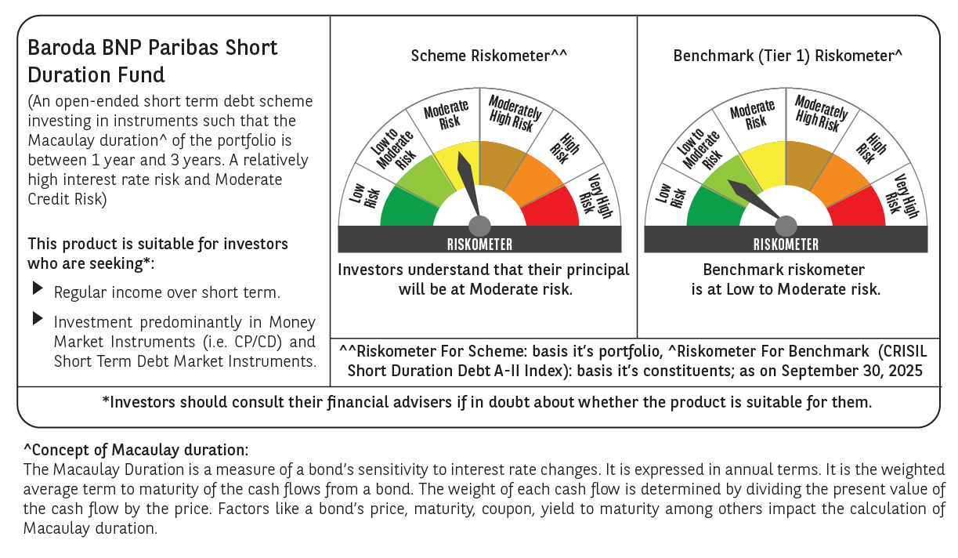



 | Monthly Performance Link: https://www.barodabnpparibasmf.in/assets/download_documents/Performance_of_Schemes_September_14618.pdf

