YR15
 | Baroda BNP Paribas Short Duration Fund

 | Monthly Portfolio Statement as on October 31, 2025
 | Name of the Instrument | ISIN | Rating | Quantity | Market/Fair Value (Rs. in Lakhs) | % to Net Assets | YTM~ | YTC^ | null
 | Debt Instruments
 | (a) Listed / awaiting listing on Stock Exchange
GOI5228 | 7.18% Government of India (14/08/2033) | IN0020230085 | Sovereign | 2,450,000 | 2,540.33 | 8.45% | 6.67%
NHBA331 | 7.59% National Housing Bank (08/09/2027) ** | INE557F08FZ1 | CRISIL AAA | 1,500 | 1,525.34 | 5.07% | 6.58%
SIDB553 | 7.68% Small Industries Dev Bank of India (10/08/2027) ** | INE556F08KP4 | CRISIL AAA | 1,300 | 1,321.72 | 4.40% | 6.65%
HPEC300 | 7.64% Hindustan Petroleum Corporation Limited (04/11/2027) ** | INE094A08135 | CRISIL AAA | 120 | 1,226.88 | 4.08% | 6.42%
LARS419 | 7.725% Larsen & Toubro Limited (28/04/2028) ** | INE018A08BE9 | CRISIL AAA | 1,000 | 1,024.44 | 3.41% | 6.60%
SHTR526 | 8.7% Shriram Finance Limited (09/04/2028) ** | INE721A07SL9 | CRISIL AA+ | 1,000 | 1,022.62 | 3.40% | 7.61%
LICH680 | 7.74% LIC Housing Finance Limited (11/02/2028) ** | INE115A07QW5 | CRISIL AAA | 1,000 | 1,018.63 | 3.39% | 6.81%
NBAR838 | 7.48% National Bank For Agriculture and Rural Development (15/09/2028) | INE261F08EO7 | CRISIL AAA | 1,000 | 1,018.40 | 3.39% | 6.74%
ULCC169 | 7.34% UltraTech Cement Limited (03/03/2028) ** | INE481G08123 | CRISIL AAA | 1,000 | 1,016.52 | 3.38% | 6.53%
PHFP225 | 8.15% PNB Housing Finance Limited (29/07/2027) ** | INE572E07183 | CARE AA+ | 1,000 | 1,013.68 | 3.37% | 7.25%
NCIP36 | 8.50% Nomura Capital India Pvt Limited (21/10/2026) ** | INE357L07457 | FITCH AAA | 1,000 | 1,010.60 | 3.36% | 7.34%
IRLY303 | 7.27% Indian Railway Finance Corporation Limited (15/06/2027) ** | INE053F07AB5 | CRISIL AAA | 100 | 1,010.37 | 3.36% | 6.56%
GOI5379 | 7.32% Government of India (13/11/2030) | IN0020230135 | Sovereign | 950,000 | 994.78 | 3.31% | 6.31%
EXIM794 | 7.35% Export Import Bank of India (27/07/2028) | INE514E08GE8 | CRISIL AAA | 700 | 714.71 | 2.38% | 6.49%
HPEC303 | 7.74% Hindustan Petroleum Corporation Limited (02/03/2028) ** | INE094A08150 | CRISIL AAA | 650 | 668.05 | 2.22% | 6.40%
GOI6156 | 6.79% Government of India (07/10/2034) | IN0020240126 | Sovereign | 650,000 | 658.82 | 2.19% | 6.69%
RUPL50 | 7.90% Jamnagar Utilities & Power Private Limited (10/08/2028) ** | INE936D07182 | CRISIL AAA | 500 | 512.45 | 1.70% | 6.87%
BHAT75 | 8.65% Bharti Telecom Limited (05/11/2027) ** | INE403D08231 | CRISIL AAA | 500 | 512.41 | 1.70% | 7.28%
LICH693 | 7.645% LIC Housing Finance Limited (21/02/2030) ** | INE115A07RD3 | CRISIL AAA | 500 | 511.19 | 1.70% | 7.01%
RECL465 | 7.34% REC Limited (30/04/2030) | INE020B08FL9 | CRISIL AAA | 500 | 510.36 | 1.70% | 6.77%
NBAR805 | 7.53% National Bank For Agriculture and Rural Development (24/03/2028) | INE261F08EM1 | ICRA AAA | 500 | 509.26 | 1.69% | 6.64%
EXIM803 | 7.12% Export Import Bank of India (27/06/2030) ** | INE514E08GF5 | CRISIL AAA | 500 | 507.65 | 1.69% | 6.72%
ICFP147 | 10.5% IndoStar Capital Finance Limited (25/09/2026) ** | INE896L07983 | CARE AA- | 50,000 | 506.07 | 1.68% | 8.95%
EOPR38 | 7.21% Embassy Office Parks REIT (17/03/2028) ** | INE041007167 | CRISIL AAA | 500 | 501.80 | 1.67% | 7.22%
POWF556 | 6.73% Power Finance Corporation Limited (15/10/2027) ** | INE134E08NW3 | CRISIL AAA | 500 | 501.29 | 1.67% | 6.58%
MEBP36 | 7% Mindspace Business Parks REIT (14/09/2027) ** | INE0CCU07165 | CRISIL AAA | 500 | 501.05 | 1.67% | 7.06%
IRLY392 | 6.78% Indian Railway Finance Corporation Limited (30/04/2030) | INE053F08494 | CRISIL AAA | 500 | 499.42 | 1.66% | 6.80%
BAFL990 | 7.07% Bajaj Finance Limited (21/09/2028) | INE296A07TN6 | CRISIL AAA | 500 | 498.94 | 1.66% | 7.12%
RECL473 | 6.87% REC Limited (31/05/2030) | INE020B08FU0 | ICRA AAA | 400 | 401.84 | 1.34% | 6.73%
EXIM765 | 7.4% Export Import Bank of India (14/03/2029) ** | INE514E08GC2 | CRISIL AAA | 300 | 306.64 | 1.02% | 6.63%
NHBA334 | 7.20% National Housing Bank (03/10/2031) ** | INE557F08GB0 | CARE AAA | 300 | 304.47 | 1.01% | 6.89%
HURD210 | 8.41% Housing & Urban Development Corporation Limited (15/03/2029) ** | INE031A08699 | ICRA AAA | 25 | 263.17 | 0.88% | 6.75%
EXIM456 | 8.15% Export Import Bank of India (21/01/2030) ** | INE514E08EJ2 | CRISIL AAA | 20 | 210.13 | 0.70% | 6.72%
NHAI60 | 8.37% National Highways Authority Of India (20/01/2029) ** | INE906B07GN5 | CRISIL AAA | 20 | 209.68 | 0.70% | 6.64%
NBAR695 | 7.62% National Bank For Agriculture and Rural Development (31/01/2028) ** | INE261F08DV4 | CRISIL AAA | 200 | 203.87 | 0.68% | 6.64%
SIDB598 | 7.39% Small Industries Dev Bank of India (21/03/2030) ** | INE556F08KY6 | CRISIL AAA | 200 | 203.85 | 0.68% | 6.85%
NHBA336 | 7.35% National Housing Bank (02/01/2032) ** | INE557F08GD6 | CARE AAA | 200 | 203.74 | 0.68% | 6.96%
PGCI456 | 7.56% Power Grid Corporation of India Limited (31/03/2033) ** | INE752E08692 | CRISIL AAA | 250 | 198.80 | 0.66% | 6.92%
RECL413 | 6.63% REC Limited (28/01/2031) ** | INE020B08DN0 | CRISIL AAA | 20 | 198.67 | 0.66% | 6.89%
BSNL21 | 6.79% Bharat Sanchar Nigam Limited (23/09/2030) ** | INE103D08021 | CRISIL AAA(CE) | 20 | 197.86 | 0.66% | 7.17%
IRLY365 | 7.65% Indian Railway Finance Corporation Limited (30/12/2032) ** | INE053F08221 | CRISIL AAA | 15 | 155.84 | 0.52% | 6.95%
GOI6919 | 6.01% Government of India (21/07/2030) | IN0020250067 | Sovereign | 100,000 | 99.31 | 0.33% | 6.27%
 | Sub Total |  |  |  | 27,015.65 | 89.87%
 | (b) Privately placed / Unlisted |  |  |  | NIL | NIL
 | Sub Total |  |  |  | NIL | NIL
 | (c) Securitised Debt
VAJR28 | Vajra Trust (20/01/2029) ** | INE20NI15039 | CRISIL AAA(SO) | 9 | 897.18 | 2.98% | 9.85%
IUNT24 | India Universal Trust (21/11/2027) ** | INE1CBK15029 | CRISIL AAA(SO) | 5 | 393.19 | 1.31% | 7.66%
 | Sub Total |  |  |  | 1,290.37 | 4.29%
 | (b) Privately placed / Unlisted |  |  |  | NIL | NIL
 | Sub Total |  |  |  | NIL | NIL
 | Total |  |  |  | 28,306.02 | 94.16%
 | Others
 | Corporate Debt Market Development Fund
CDMD50ME | Corporate Debt Market Development Fund # | INF0RQ622028 |  | 867 | 99.20 | 0.33% | 5.58%
 | Sub Total |  |  |  | 99.20 | 0.33%
 | Total |  |  |  | 99.20 | 0.33%
 | Reverse Repo / TREPS
TRP_031125 | Clearing Corporation of India Ltd |  |  |  | 678.87 | 2.26% | 5.59%
 | Sub Total |  |  |  | 678.87 | 2.26%
 | (b) Privately placed / Unlisted |  |  |  | NIL | NIL
 | Sub Total |  |  |  | NIL | NIL
 | Total |  |  |  | 678.87 | 2.26%
 | Net Receivables / (Payables) |  |  |  | 975.97 | 3.25%
 | GRAND TOTAL |  |  |  | 30,060.06 | 100.00%

 | ** Thinly Traded / Non Traded Security
 | # Unlisted Security
 | ~ YTM as on October 31, 2025
 | ^ YTC represents Yield to Call provided by valuation agencies as on October 31, 2025. It is disclosed for Perpetual Bond issued by Banks (i.e. AT-1 Bond / Tier 1 Bond / Tier 2 Bond), as per AMFI Best Practices Guidelines Circular no. 135/BP/91/2020-21 read with SEBI circular No. SEBI/HO/IMD/DF4/CIR/P/2021/034 on Valuation of AT-1 Bonds and Tier 2 Bonds.

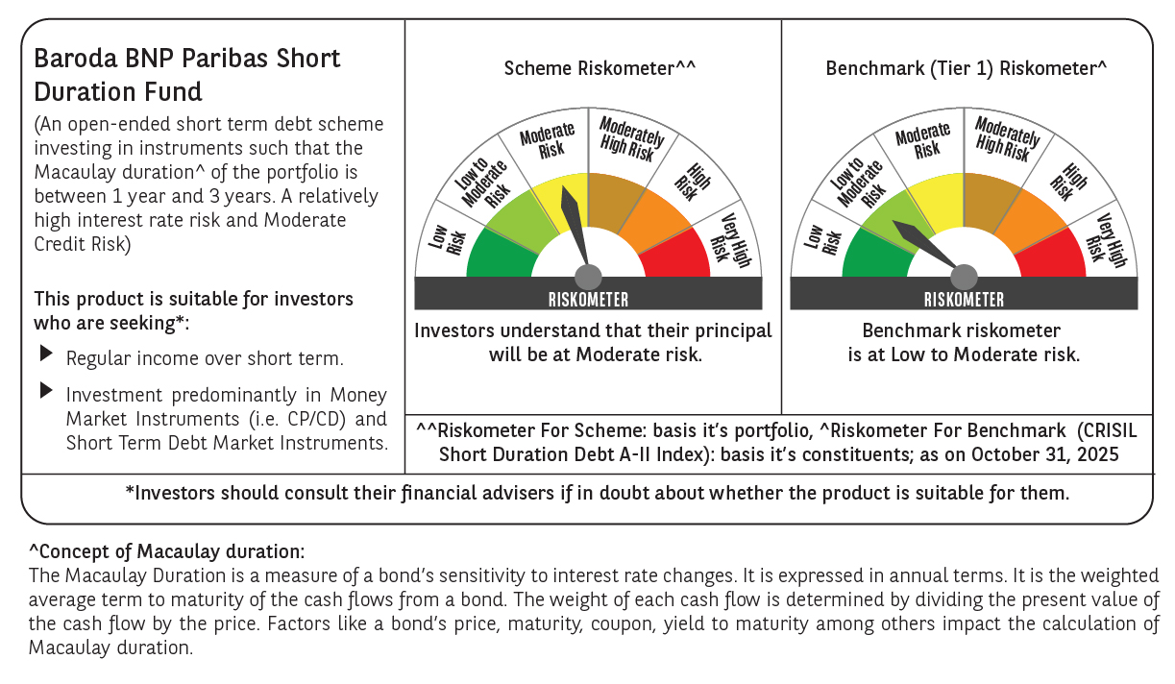



 | Monthly Performance Link: https://www.barodabnpparibasmf.in/assets/download_documents/Performance_of_Schemes-October_2025_15267.pdf

