YR15
 | Baroda BNP Paribas Short Duration Fund

 | Monthly Portfolio Statement as on November 30, 2025
 | Name of the Instrument | ISIN | Rating | Quantity | Market/Fair Value (Rs. in Lakhs) | % to Net Assets | YTM~ | YTC^ | null
 | Debt Instruments
 | (a) Listed / awaiting listing on Stock Exchange
GOI5228 | 7.18% Government of India (14/08/2033) | IN0020230085 | Sovereign | 2,950,000 | 3,062.95 | 9.96% | 6.64%
NHBA331 | 7.59% National Housing Bank (08/09/2027) ** | INE557F08FZ1 | CRISIL AAA | 1,500 | 1,524.65 | 4.96% | 6.56%
SIDB553 | 7.68% Small Industries Dev Bank of India (10/08/2027) ** | INE556F08KP4 | CRISIL AAA | 1,300 | 1,321.25 | 4.30% | 6.63%
HPEC300 | 7.64% Hindustan Petroleum Corporation Limited (04/11/2027) ** | INE094A08135 | CRISIL AAA | 120 | 1,226.10 | 3.99% | 6.40%
LARS419 | 7.725% Larsen & Toubro Limited (28/04/2028) ** | INE018A08BE9 | CRISIL AAA | 1,000 | 1,023.97 | 3.33% | 6.59%
SHTR526 | 8.7% Shriram Finance Limited (09/04/2028) ** | INE721A07SL9 | CRISIL AA+ | 1,000 | 1,021.55 | 3.32% | 7.63%
NBAR838 | 7.48% National Bank For Agriculture and Rural Development (15/09/2028) ** | INE261F08EO7 | CRISIL AAA | 1,000 | 1,018.99 | 3.31% | 6.70%
LICH680 | 7.74% LIC Housing Finance Limited (11/02/2028) ** | INE115A07QW5 | CRISIL AAA | 1,000 | 1,017.80 | 3.31% | 6.82%
ULCC169 | 7.34% UltraTech Cement Limited (03/03/2028) ** | INE481G08123 | CRISIL AAA | 1,000 | 1,016.76 | 3.31% | 6.50%
PHFP225 | 8.15% PNB Housing Finance Limited (29/07/2027) ** | INE572E07183 | CARE AA+ | 1,000 | 1,013.26 | 3.30% | 7.23%
NCIP36 | 8.50% Nomura Capital India Pvt Limited (21/10/2026) ** | INE357L07457 | FITCH AAA | 1,000 | 1,010.16 | 3.28% | 7.27%
IRLY303 | 7.27% Indian Railway Finance Corporation Limited (15/06/2027) ** | INE053F07AB5 | CRISIL AAA | 100 | 1,009.53 | 3.28% | 6.58%
GOI5379 | 7.32% Government of India (13/11/2030) | IN0020230135 | Sovereign | 950,000 | 991.80 | 3.23% | 6.37%
EXIM794 | 7.35% Export Import Bank of India (27/07/2028) ** | INE514E08GE8 | CRISIL AAA | 700 | 714.30 | 2.32% | 6.50%
HPEC303 | 7.74% Hindustan Petroleum Corporation Limited (02/03/2028) ** | INE094A08150 | CRISIL AAA | 650 | 667.03 | 2.17% | 6.43%
RUPL50 | 7.90% Jamnagar Utilities & Power Private Limited (10/08/2028) ** | INE936D07182 | CRISIL AAA | 500 | 512.34 | 1.67% | 6.84%
LICH693 | 7.645% LIC Housing Finance Limited (21/02/2030) ** | INE115A07RD3 | CRISIL AAA | 500 | 512.13 | 1.67% | 6.95%
BHAT75 | 8.65% Bharti Telecom Limited (05/11/2027) ** | INE403D08231 | CRISIL AAA | 500 | 512.09 | 1.67% | 7.25%
RECL465 | 7.34% REC Limited (30/04/2030) ** | INE020B08FL9 | CRISIL AAA | 500 | 510.37 | 1.66% | 6.76%
NBAR805 | 7.53% National Bank For Agriculture and Rural Development (24/03/2028) ** | INE261F08EM1 | ICRA AAA | 500 | 508.67 | 1.65% | 6.67%
EXIM803 | 7.12% Export Import Bank of India (27/06/2030) ** | INE514E08GF5 | CRISIL AAA | 500 | 508.11 | 1.65% | 6.69%
ICFP147 | 10.5% IndoStar Capital Finance Limited (25/09/2026) ** | INE896L07983 | CARE AA- | 50,000 | 506.81 | 1.65% | 8.55%
EOPR38 | 7.21% Embassy Office Parks REIT (17/03/2028) ** | INE041007167 | CRISIL AAA | 500 | 502.39 | 1.63% | 7.16%
MEBP36 | 7% Mindspace Business Parks REIT (14/09/2027) ** | INE0CCU07165 | CRISIL AAA | 500 | 501.62 | 1.63% | 6.98%
BAFL997 | 7.37% Bajaj Finance Limited (27/09/2030) | INE296A07TQ9 | CRISIL AAA | 500 | 501.60 | 1.63% | 7.28%
POWF556 | 6.73% Power Finance Corporation Limited (15/10/2027) ** | INE134E08NW3 | CRISIL AAA | 500 | 501.17 | 1.63% | 6.58%
BAFL990 | 7.07% Bajaj Finance Limited (21/09/2028) ** | INE296A07TN6 | CRISIL AAA | 500 | 499.48 | 1.62% | 7.08%
IRLY392 | 6.78% Indian Railway Finance Corporation Limited (30/04/2030) | INE053F08494 | CRISIL AAA | 500 | 499.25 | 1.62% | 6.81%
RECL473 | 6.87% REC Limited (31/05/2030) ** | INE020B08FU0 | ICRA AAA | 400 | 401.29 | 1.30% | 6.76%
EXIM765 | 7.4% Export Import Bank of India (14/03/2029) ** | INE514E08GC2 | CRISIL AAA | 300 | 306.59 | 1.00% | 6.62%
NHBA334 | 7.20% National Housing Bank (03/10/2031) ** | INE557F08GB0 | CARE AAA | 300 | 305.25 | 0.99% | 6.83%
GOI7094 | 6.48% Government of India (06/10/2035) | IN0020250091 | Sovereign | 300,000 | 299.49 | 0.97% | 6.61%
GOI6703 | 6.33% Government of India (05/05/2035) | IN0020250026 | Sovereign | 300,000 | 295.53 | 0.96% | 6.65%
HURD210 | 8.41% Housing & Urban Development Corporation Limited (15/03/2029) ** | INE031A08699 | ICRA AAA | 25 | 262.79 | 0.85% | 6.76%
EXIM456 | 8.15% Export Import Bank of India (21/01/2030) ** | INE514E08EJ2 | CRISIL AAA | 20 | 210.22 | 0.68% | 6.69%
NHAI60 | 8.37% National Highways Authority Of India (20/01/2029) ** | INE906B07GN5 | CRISIL AAA | 20 | 209.75 | 0.68% | 6.59%
NHBA336 | 7.35% National Housing Bank (02/01/2032) ** | INE557F08GD6 | CARE AAA | 200 | 204.31 | 0.66% | 6.90%
SIDB598 | 7.39% Small Industries Dev Bank of India (21/03/2030) | INE556F08KY6 | CRISIL AAA | 200 | 204.28 | 0.66% | 6.79%
RECL413 | 6.63% REC Limited (28/01/2031) ** | INE020B08DN0 | CRISIL AAA | 20 | 198.98 | 0.65% | 6.86%
BSNL21 | 6.79% Bharat Sanchar Nigam Limited (23/09/2030) ** | INE103D08021 | CRISIL AAA(CE) | 20 | 198.31 | 0.64% | 7.12%
PGCI456 | 7.56% Power Grid Corporation of India Limited (31/03/2033) ** | INE752E08692 | CRISIL AAA | 250 | 192.36 | 0.63% | 6.93%
IRLY365 | 7.65% Indian Railway Finance Corporation Limited (30/12/2032) ** | INE053F08221 | CRISIL AAA | 15 | 155.43 | 0.51% | 6.98%
NHBA337 | 6.80% National Housing Bank (02/04/2032) ** | INE557F08GE4 | CARE AAA | 150 | 149.18 | 0.49% | 6.90%
 | Sub Total |  |  |  | 27,809.89 | 90.42%
 | (b) Privately placed / Unlisted |  |  |  | NIL | NIL
 | Sub Total |  |  |  | NIL | NIL
 | (c) Securitised Debt
VAJR28 | Vajra Trust (20/01/2029) ** | INE20NI15039 | CRISIL AAA(SO) | 9 | 897.80 | 2.92% | 9.82%
IUNT24 | India Universal Trust (21/11/2027) ** | INE1CBK15029 | CRISIL AAA(SO) | 5 | 383.63 | 1.25% | 7.58%
 | Sub Total |  |  |  | 1,281.43 | 4.17%
 | (b) Privately placed / Unlisted |  |  |  | NIL | NIL
 | Sub Total |  |  |  | NIL | NIL
 | Total |  |  |  | 29,091.32 | 94.59%
 | Others
 | Corporate Debt Market Development Fund
CDMD50ME | Corporate Debt Market Development Fund # | INF0RQ622028 |  | 867 | 99.66 | 0.32% | 5.49%
 | Sub Total |  |  |  | 99.66 | 0.32%
 | Total |  |  |  | 99.66 | 0.32%
 | Reverse Repo / TREPS
TRP_011225 | Clearing Corporation of India Ltd |  |  |  | 175.73 | 0.57% | 5.43%
 | Sub Total |  |  |  | 175.73 | 0.57%
 | (b) Privately placed / Unlisted |  |  |  | NIL | NIL
 | Sub Total |  |  |  | NIL | NIL
 | Total |  |  |  | 175.73 | 0.57%
 | Net Receivables / (Payables) |  |  |  | 1,384.36 | 4.52%
 | GRAND TOTAL |  |  |  | 30,751.07 | 100.00%

 | ** Thinly Traded / Non Traded Security
 | # Unlisted Security
 | ~ YTM as on November 30, 2025
 | ^ YTC represents Yield to Call provided by valuation agencies as on November 30, 2025. It is disclosed for Perpetual Bond issued by Banks (i.e. AT-1 Bond / Tier 1 Bond / Tier 2 Bond), as per AMFI Best Practices Guidelines Circular no. 135/BP/91/2020-21 read with SEBI circular No. SEBI/HO/IMD/DF4/CIR/P/2021/034 on Valuation of AT-1 Bonds and Tier 2 Bonds.

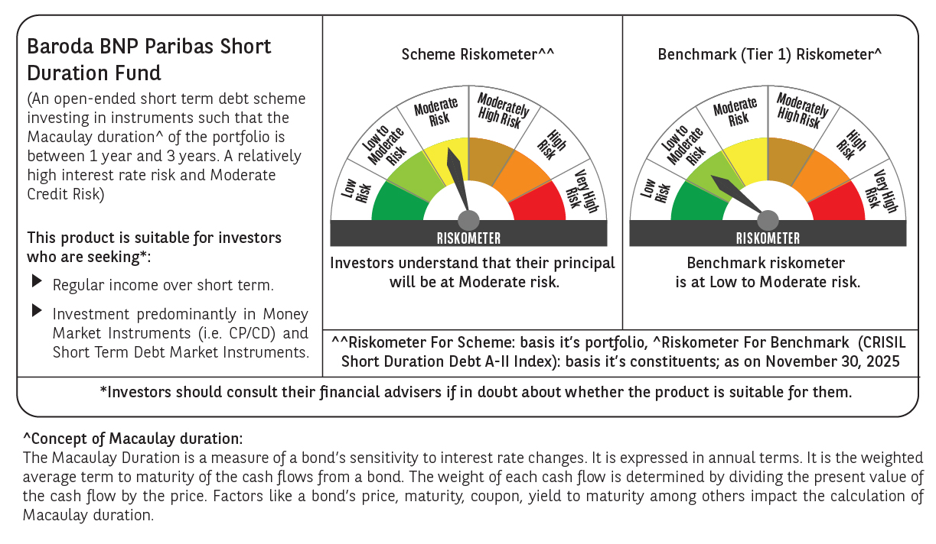



 | Monthly Performance Link: https://www.barodabnpparibasmf.in/assets/download_documents/Performance_of_Schemes_Nov-2025_15612.pdf

