YR15
 | Baroda BNP Paribas Short Duration Fund

 | Monthly Portfolio Statement as on July 31, 2024
 | Name of the Instrument | ISIN | Rating | Quantity | Market/Fair Value (Rs. in Lakhs) | % to Net Assets | YTM~ | YTC^ | null
 | Debt Instruments
 | (a) Listed / awaiting listing on Stock Exchange
GOI5379 | 7.32% Government of India (13/11/2030) | IN0020230135 | Sovereign | 3,000,000 | 3,064.23 | 13.60% | 7.01%
NHBA329 | 7.59% National Housing Bank (14/07/2027) ** | INE557F08FY4 | CRISIL AAA | 1,500 | 1,503.88 | 6.67% | 7.48%
GOI2543 | 7.04% State Government Securities (18/03/2030) | IN1520190217 | Sovereign | 1,500,000 | 1,487.43 | 6.60% | 7.35%
PGCI407 | 7.89% Power Grid Corporation of India Limited (09/03/2027) ** | INE752E07OE0 | CRISIL AAA | 120 | 1,212.67 | 5.38% | 7.40%
HPEC300 | 7.64% Hindustan Petroleum Corporation Limited (04/11/2027) ** | INE094A08135 | CRISIL AAA | 120 | 1,206.77 | 5.35% | 7.42%
LARS419 | 7.725% Larsen & Toubro Limited (28/04/2028) ** | INE018A08BE9 | CRISIL AAA | 1,000 | 1,006.42 | 4.47% | 7.51%
IRLY306 | 7.54% Indian Railway Finance Corporation Limited (31/10/2027) ** | INE053F07AD1 | CRISIL AAA | 100 | 1,001.31 | 4.44% | 7.48%
SHTR504 | 9.25% Shriram Finance Limited (19/12/2025) | INE721A07RU2 | CRISIL AA+ | 1,000 | 1,000.92 | 4.44% | 9.10%
NCIP36 | 8.50% Nomura Capital India Pvt Limited (21/10/2026) ** | INE357L07457 | FITCH AAA | 1,000 | 1,000.91 | 4.44% | 8.43%
NTPC112 | 7.58% NTPC Limited (21/08/2026) ** | INE733E07KE8 | CRISIL AAA | 100 | 1,000.78 | 4.44% | 7.53%
IOIC654 | 7.44% Indian Oil Corporation Limited (25/11/2027) ** | INE242A08544 | CRISIL AAA | 100 | 1,000.56 | 4.44% | 7.40%
EXIM718 | 7.25% Export Import Bank of India (01/02/2027) ** | INE514E08FJ9 | CRISIL AAA | 100 | 996.15 | 4.42% | 7.40%
JMFP872 | 8.5% JM Financial Products Limited (16/05/2025) ** | INE523H07BV9 | ICRA AA | 100 | 994.22 | 4.41% | 9.31%
TCHF351 | 6.50% Tata Capital Housing Finance Limited (15/06/2026) ** | INE033L07HF1 | CRISIL AAA | 100 | 974.08 | 4.32% | 8.03%
LICH659 | 6.4% LIC Housing Finance Limited (30/11/2026) ** | INE115A07PN6 | CRISIL AAA | 100 | 969.84 | 4.30% | 7.84%
GOI4577 | 6.45% State Government Securities (06/01/2030) | IN1520200248 | Sovereign | 1,000,000 | 966.01 | 4.29% | 7.35%
POWF372 | 7.60% Power Finance Corporation Limited (20/02/2027) ** | INE134E08IT9 | CRISIL AAA | 60 | 602.77 | 2.67% | 7.53%
GOI4485 | 7.38% Government of India (20/06/2027) | IN0020220037 | Sovereign | 500,000 | 507.07 | 2.25% | 6.94%
NBAR780 | 7.70% National Bank For Agriculture and Rural Development (30/09/2027) | INE261F08EI9 | ICRA AAA | 500 | 501.47 | 2.22% | 7.60%
GOI5336 | 7.37% Government of India (23/10/2028) | IN0020230101 | Sovereign | 400,000 | 407.60 | 1.81% | 6.96%
HURD210 | 8.41% Housing & Urban Development Corporation Limited (15/03/2029) ** | INE031A08699 | ICRA AAA | 10 | 104.57 | 0.46% | 7.36%
 | Sub Total |  |  |  | 21,509.66 | 95.42%
 | (b) Privately placed / Unlisted |  |  |  | NIL | NIL
 | Sub Total |  |  |  | NIL | NIL
 | Total |  |  |  | 21,509.66 | 95.42%
 | Others
 | Corporate Debt Market Development Fund
CDMD50ME | Corporate Debt Market Development Fund # | INF0RQ622028 |  | 630 | 65.13 | 0.29%
 | Sub Total |  |  |  | 65.13 | 0.29%
 | Total |  |  |  | 65.13 | 0.29%
 | Reverse Repo / TREPS
TRP_010824 | Clearing Corporation of India Ltd |  |  |  | 765.50 | 3.40% | 6.42%
 | Sub Total |  |  |  | 765.50 | 3.40%
 | (b) Privately placed / Unlisted |  |  |  | NIL | NIL
 | Sub Total |  |  |  | NIL | NIL
 | Total |  |  |  | 765.50 | 3.40%
 | Net Receivables / (Payables) |  |  |  | 198.49 | 0.89%
 | GRAND TOTAL |  |  |  | 22,538.78 | 100.00%

 | ** Thinly Traded / Non Traded Security
 | # Unlisted Security
 | ~ YTM as on July 31, 2024
 | ^ YTC represents Yield to Call provided by valuation agencies as on July 31, 2024. It is disclosed for Perpetual Bond issued by Banks (i.e. AT-1 Bond / Tier 1 Bond / Tier 2 Bond), as per AMFI Best Practices Guidelines Circular no. 135/BP/91/2020-21 read with SEBI circular No. SEBI/HO/IMD/DF4/CIR/P/2021/034 on Valuation of AT-1 Bonds and Tier 2 Bonds.

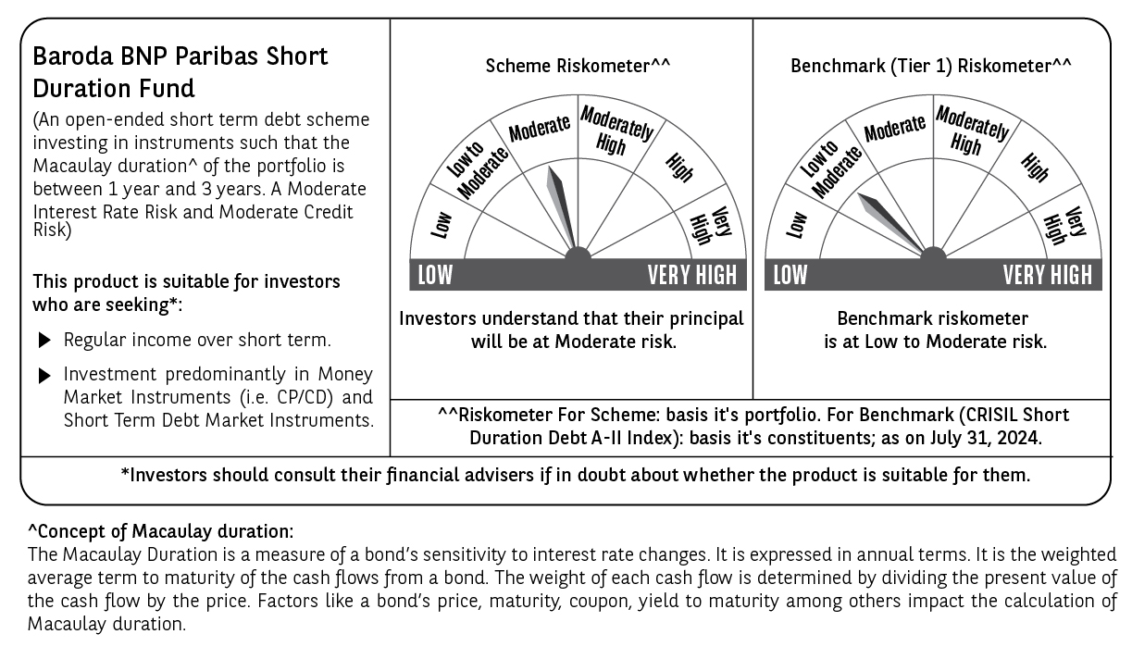

 | Potential Risk Class (PRC) matrix*
 | Credit Risk (Max)→ | Relatively Low: Class A (CRV>=12) | Moderate: Class B (CRV>=10) | Relatively High: Class C (CRV<10)
 | Interest Rate Risk (Max)↓
 | Relatively Low: Class I (MD<=1 year)
 | Moderate: Class II |  | B-II
 | (MD<=3 year)
 | Relatively High: Class III
 | (Any MD)
 | MD=Macaulay Duration, CRV=Credit Risk Value
 | *The PRC matrix denotes the maximum risk that the respective Scheme can take i.e. maximum interest rate risk (measured by MD of the Scheme) and maximum credit risk (measured by CRV of the Scheme)

