YR15
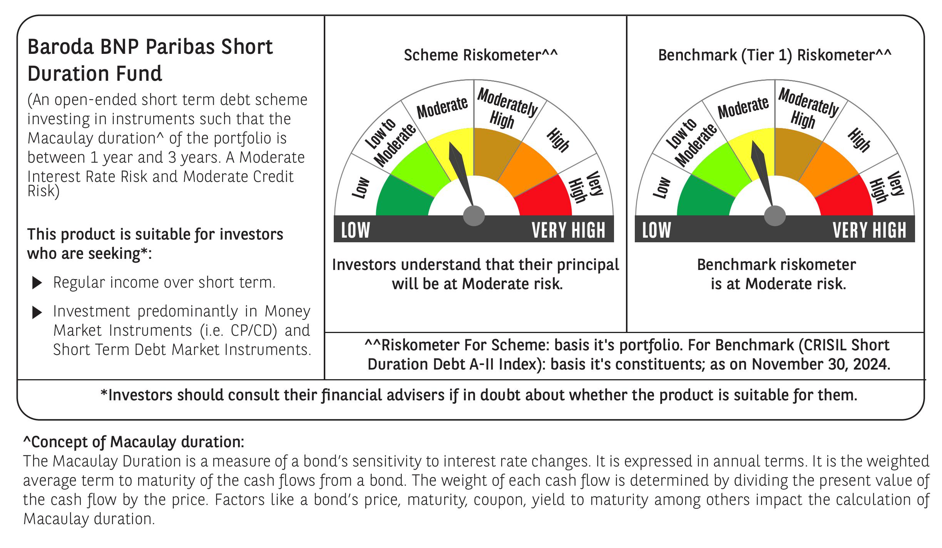
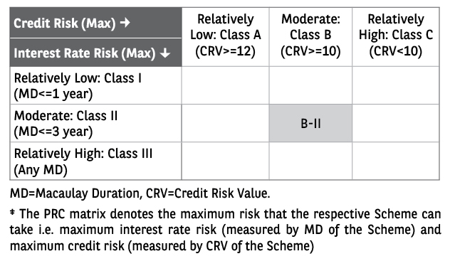
 | Baroda BNP Paribas Short Duration Fund

 | Monthly Portfolio Statement as on November 30, 2024
 | Name of the Instrument | ISIN | Rating | Quantity | Market/Fair Value (Rs. in Lakhs) | % to Net Assets | YTM~ | YTC^ | null
 | Debt Instruments
 | (a) Listed / awaiting listing on Stock Exchange
GOI5379 | 7.32% Government of India (13/11/2030) | IN0020230135 | Sovereign | 4,000,000 | 4,109.20 | 20.78% | 6.87%
NHBA329 | 7.59% National Housing Bank (14/07/2027) ** | INE557F08FY4 | CRISIL AAA | 1,500 | 1,506.60 | 7.62% | 7.38%
PGCI407 | 7.89% Power Grid Corporation of India Limited (09/03/2027) ** | INE752E07OE0 | CRISIL AAA | 120 | 1,213.67 | 6.14% | 7.30%
HPEC300 | 7.64% Hindustan Petroleum Corporation Limited (04/11/2027) ** | INE094A08135 | CRISIL AAA | 120 | 1,211.43 | 6.13% | 7.26%
RUPL50 | 7.90% Jamnagar Utilities & Power Private Limited (10/08/2028) ** | INE936D07182 | CRISIL AAA | 1,000 | 1,011.10 | 5.11% | 7.52%
LARS419 | 7.725% Larsen & Toubro Limited (28/04/2028) ** | INE018A08BE9 | CRISIL AAA | 1,000 | 1,010.58 | 5.11% | 7.34%
IOIC654 | 7.44% Indian Oil Corporation Limited (25/11/2027) ** | INE242A08544 | CRISIL AAA | 100 | 1,004.31 | 5.08% | 7.27%
IRLY306 | 7.54% Indian Railway Finance Corporation Limited (31/10/2027) ** | INE053F07AD1 | CRISIL AAA | 100 | 1,004.22 | 5.08% | 7.37%
NCIP36 | 8.50% Nomura Capital India Pvt Limited (21/10/2026) ** | INE357L07457 | FITCH AAA | 1,000 | 1,003.85 | 5.08% | 8.28%
SHTR504 | 9.25% Shriram Finance Limited (19/12/2025) ** | INE721A07RU2 | CRISIL AA+ | 1,000 | 1,003.32 | 5.07% | 8.89%
PHFP225 | 8.15% PNB Housing Finance Limited (29/07/2027) ** | INE572E07183 | CARE AA+ | 1,000 | 1,000.44 | 5.06% | 8.14%
NBAR796 | 7.44% National Bank For Agriculture and Rural Development (24/02/2028) | INE261F08EK5 | CRISIL AAA | 1,000 | 999.82 | 5.06% | 7.45%
POWF372 | 7.60% Power Finance Corporation Limited (20/02/2027) ** | INE134E08IT9 | CRISIL AAA | 60 | 603.45 | 3.05% | 7.43%
GOI4485 | 7.38% Government of India (20/06/2027) | IN0020220037 | Sovereign | 500,000 | 508.04 | 2.57% | 6.79%
ICFP147 | 10.5% IndoStar Capital Finance Limited (25/09/2026) ** | INE896L07983 | CARE AA- | 50,000 | 499.06 | 2.52% | 10.57%
RECL391 | 7.14% REC Limited (02/03/2030) ** | INE020B08CO0 | CRISIL AAA | 50 | 498.43 | 2.52% | 7.34%
HURD210 | 8.41% Housing & Urban Development Corporation Limited (15/03/2029) ** | INE031A08699 | ICRA AAA | 10 | 104.30 | 0.53% | 7.36%
 | Sub Total |  |  |  | 18,291.82 | 92.51%
 | (b) Privately placed / Unlisted |  |  |  | NIL | NIL
 | Sub Total |  |  |  | NIL | NIL
 | (c) Securitised Debt
IUNT24 | India Universal Trust AL1 (21/11/2027) ** | INE1CBK15029 | CRISIL AAA(SO) | 5 | 500.35 | 2.53% | 8.35%
 | Sub Total |  |  |  | 500.35 | 2.53%
 | (b) Privately placed / Unlisted |  |  |  | NIL | NIL
 | Sub Total |  |  |  | NIL | NIL
 | Total |  |  |  | 18,792.17 | 95.04%
 | Others
 | Corporate Debt Market Development Fund
CDMD50ME | Corporate Debt Market Development Fund # | INF0RQ622028 |  | 630 | 65.99 | 0.33%
 | Sub Total |  |  |  | 65.99 | 0.33%
 | Total |  |  |  | 65.99 | 0.33%
 | Reverse Repo / TREPS
TRP_021224 | Clearing Corporation of India Ltd |  |  |  | 465.45 | 2.35% | 6.69%
 | Sub Total |  |  |  | 465.45 | 2.35%
 | (b) Privately placed / Unlisted |  |  |  | NIL | NIL
 | Sub Total |  |  |  | NIL | NIL
 | Total |  |  |  | 465.45 | 2.35%
 | Net Receivables / (Payables) |  |  |  | 447.31 | 2.28%
 | GRAND TOTAL |  |  |  | 19,770.92 | 100.00%

 | ** Thinly Traded / Non Traded Security
 | # Unlisted Security
 | ~ YTM as on November 30, 2024
 | ^ YTC represents Yield to Call provided by valuation agencies as on November 30, 2024. It is disclosed for Perpetual Bond issued by Banks (i.e. AT-1 Bond / Tier 1 Bond / Tier 2 Bond), as per AMFI Best Practices Guidelines Circular no. 135/BP/91/2020-21 re

