YR29
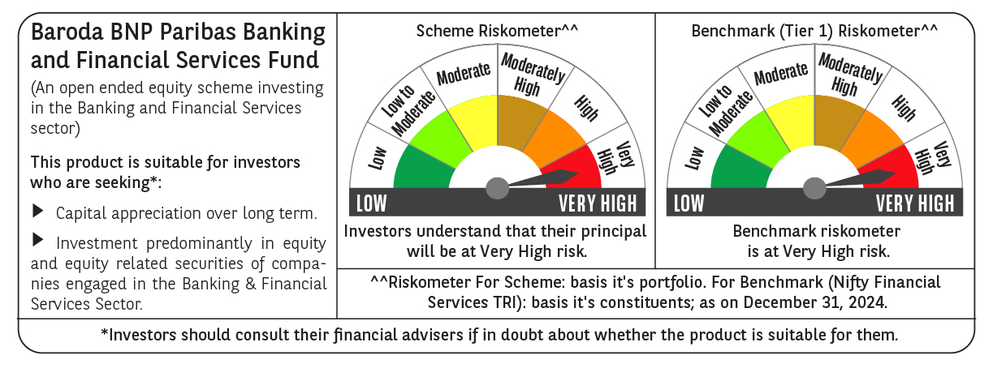
 | Baroda BNP Paribas Banking & Financial Services Fund

 | Monthly Portfolio Statement as on December 31, 2024
 | Name of the Instrument | ISIN | Industry / Rating | Quantity | Market/Fair Value (Rs. in Lakhs) | % to Net Assets | YTM~ | YTC^ | null
 | Equity & Equity related
 | (a) Listed / awaiting listing on Stock Exchanges
HDFB03 | HDFC Bank Limited | INE040A01034 | Banks | 265,450 | 4,706.03 | 22.10%
IBCL05 | ICICI Bank Limited | INE090A01021 | Banks | 300,000 | 3,844.95 | 18.06%
SBAI02 | State Bank of India | INE062A01020 | Banks | 171,500 | 1,363.34 | 6.40%
KOMA02 | Kotak Mahindra Bank Limited | INE237A01028 | Banks | 73,400 | 1,310.96 | 6.16%
UTIB02 | Axis Bank Limited | INE238A01034 | Banks | 115,000 | 1,224.41 | 5.75%
BAFL02 | Bajaj Finance Limited | INE296A01024 | Finance | 11,976 | 817.12 | 3.84%
BFSL02 | Bajaj Finserv Limited | INE918I01026 | Finance | 37,500 | 588.04 | 2.76%
ONCO02 | One 97 Communications Limited | INE982J01020 | Financial Technology (Fintech) | 57,000 | 580.17 | 2.73%
PFCL01 | Power Finance Corporation Limited | INE134E01011 | Finance | 100,000 | 448.50 | 2.11%
MUFL01 | Muthoot Finance Limited | INE414G01012 | Finance | 20,000 | 427.23 | 2.01%
BSEL02 | BSE Limited | INE118H01025 | Capital Markets | 7,500 | 399.41 | 1.88%
RELC01 | REC Limited | INE020B01018 | Finance | 77,000 | 385.54 | 1.81%
CRED02 | CRISIL Limited | INE007A01025 | Finance | 5,125 | 340.97 | 1.60%
ESMC02 | PB Fintech Limited | INE417T01026 | Financial Technology (Fintech) | 16,000 | 337.42 | 1.58%
CAMS01 | Computer Age Management Services Limited | INE596I01012 | Capital Markets | 6,000 | 304.52 | 1.43%
IIFM02 | 360 One WAM Limited | INE466L01038 | Capital Markets | 24,000 | 301.15 | 1.41%
PUBA02 | Punjab National Bank | INE160A01022 | Banks | 292,340 | 300.47 | 1.41%
ILOM01 | ICICI Lombard General Insurance Company Limited | INE765G01017 | Insurance | 16,500 | 294.98 | 1.39%
MCEX01 | Multi Commodity Exchange of India Limited | INE745G01035 | Capital Markets | 4,500 | 280.53 | 1.32%
AGBL01 | Angel One Limited | INE732I01013 | Capital Markets | 9,000 | 263.85 | 1.24%
HDAM01 | HDFC Asset Management Company Limited | INE127D01025 | Capital Markets | 6,000 | 251.94 | 1.18%
HDLI01 | HDFC Life Insurance Company Limited | INE795G01014 | Insurance | 40,000 | 246.82 | 1.16%
SHTR01 | Shriram Finance Limited | INE721A01013 | Finance | 8,500 | 245.58 | 1.15%
CHOL02 | Cholamandalam Investment and Finance Company Ltd | INE121A01024 | Finance | 20,000 | 237.19 | 1.11%
AFPL02 | AU Small Finance Bank Limited | INE949L01017 | Banks | 41,376 | 231.33 | 1.09%
MALE02 | Poonawalla Fincorp Limited | INE511C01022 | Finance | 70,000 | 220.05 | 1.03%
KAVY06 | Karur Vysya Bank Limited | INE036D01028 | Banks | 100,000 | 217.13 | 1.02%
BHFL01 | Bajaj Housing Finance Limited | INE377Y01014 | Finance | 170,000 | 216.61 | 1.02%
CUBI02 | City Union Bank Limited | INE491A01021 | Banks | 125,000 | 215.41 | 1.01%
 | Sub Total |  |  |  | 20,601.65 | 96.76%
 | (b) Unlisted |  |  |  | NIL | NIL
 | Sub Total |  |  |  | NIL | NIL
 | Total |  |  |  | 20,601.65 | 96.76%
 | Money Market Instruments
 | Treasury Bill
TBIL2396 | 182 Days Tbill (MD 14/02/2025) | IN002024Y209 | Sovereign | 70,000 | 69.46 | 0.33% | 6.44%
 | Sub Total |  |  |  | 69.46 | 0.33%
 | Total |  |  |  | 69.46 | 0.33%
 | Reverse Repo / TREPS
TRP_010125 | Clearing Corporation of India Ltd |  |  |  | 735.83 | 3.46% | 6.58%
 | Sub Total |  |  |  | 735.83 | 3.46%
 | Total |  |  |  | 735.83 | 3.46%
 | Net Receivables / (Payables) |  |  |  | (117.50) | (0.55)%
 | GRAND TOTAL |  |  |  | 21,289.44 | 100.00%

 | ~ YTM as on December 31, 2024
 | ^ YTC represents Yield to Call provided by valuation agencies as on December 31, 2024. It is disclosed for Perpetual Bond issued by Banks (i.e. AT-1 Bond / Tier 1 Bond / Tier 2 Bond), as per AMFI Best Practices Guidelines Circular no. 135/BP/91/2020-21 re

