YR29
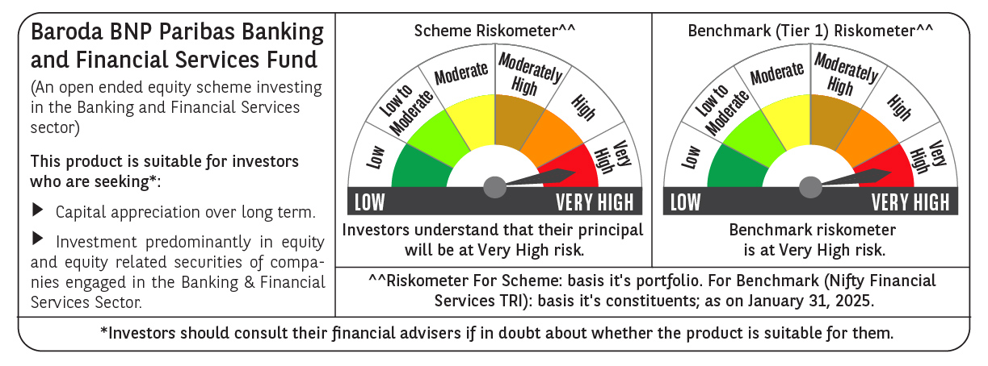
 | Baroda BNP Paribas Banking & Financial Services Fund

 | Monthly Portfolio Statement as on January 31, 2025
 | Name of the Instrument | ISIN | Industry / Rating | Quantity | Market/Fair Value (Rs. in Lakhs) | % to Net Assets | YTM~ | YTC^ | null
 | Equity & Equity related
 | (a) Listed / awaiting listing on Stock Exchanges
HDFB03 | HDFC Bank Limited | INE040A01034 | Banks | 265,450 | 4,509.33 | 21.03%
IBCL05 | ICICI Bank Limited | INE090A01021 | Banks | 340,000 | 4,259.52 | 19.87%
SBAI02 | State Bank of India | INE062A01020 | Banks | 201,500 | 1,557.39 | 7.26%
KOMA02 | Kotak Mahindra Bank Limited | INE237A01028 | Banks | 73,400 | 1,395.55 | 6.51%
BAFL02 | Bajaj Finance Limited | INE296A01024 | Finance | 14,476 | 1,141.45 | 5.32%
UTIB02 | Axis Bank Limited | INE238A01034 | Banks | 115,000 | 1,134.02 | 5.29%
MUFL01 | Muthoot Finance Limited | INE414G01012 | Finance | 20,000 | 451.76 | 2.11%
CHOL02 | Cholamandalam Investment and Finance Company Ltd | INE121A01024 | Finance | 35,000 | 450.05 | 2.10%
ONCO02 | One 97 Communications Limited | INE982J01020 | Financial Technology (Fintech) | 57,000 | 442.18 | 2.06%
PFCL01 | Power Finance Corporation Limited | INE134E01011 | Finance | 100,000 | 422.50 | 1.97%
KAVY06 | Karur Vysya Bank Limited | INE036D01028 | Banks | 175,000 | 416.89 | 1.94%
BSEL02 | BSE Limited | INE118H01025 | Capital Markets | 7,500 | 397.95 | 1.86%
RELC01 | REC Limited | INE020B01018 | Finance | 77,000 | 346.38 | 1.62%
CRED02 | CRISIL Limited | INE007A01025 | Finance | 6,375 | 346.37 | 1.62%
ILOM01 | ICICI Lombard General Insurance Company Limited | INE765G01017 | Insurance | 16,500 | 306.65 | 1.43%
CUBI02 | City Union Bank Limited | INE491A01021 | Banks | 175,000 | 304.01 | 1.42%
PHFP02 | PNB Housing Finance Limited | INE572E01012 | Finance | 30,000 | 263.46 | 1.23%
MCEX01 | Multi Commodity Exchange of India Limited | INE745G01035 | Capital Markets | 4,500 | 257.98 | 1.20%
HDLI01 | HDFC Life Insurance Company Limited | INE795G01014 | Insurance | 40,000 | 255.22 | 1.19%
IIFM02 | 360 One WAM Limited | INE466L01038 | Capital Markets | 24,000 | 241.86 | 1.13%
HDAM01 | HDFC Asset Management Company Limited | INE127D01025 | Capital Markets | 6,000 | 232.19 | 1.08%
SHTR02 | Shriram Finance Limited | INE721A01047 | Finance | 42,500 | 231.09 | 1.08%
SLIF01 | SBI Life Insurance Company Limited | INE123W01016 | Insurance | 15,000 | 222.54 | 1.04%
INBK01 | Indian Bank | INE562A01011 | Banks | 40,000 | 222.30 | 1.04%
KFIN01 | KFin Technologies Limited | INE138Y01010 | Capital Markets | 20,000 | 218.05 | 1.02%
MALE02 | Poonawalla Fincorp Limited | INE511C01022 | Finance | 70,000 | 217.28 | 1.01%
BFSL02 | Bajaj Finserv Limited | INE918I01026 | Finance | 12,500 | 217.01 | 1.01%
FEBA02 | The Federal Bank Limited | INE171A01029 | Banks | 110,000 | 205.93 | 0.96%
ESMC02 | PB Fintech Limited | INE417T01026 | Financial Technology (Fintech) | 11,000 | 189.95 | 0.89%
 | Sub Total |  |  |  | 20,856.86 | 97.29%
 | (b) Unlisted |  |  |  | NIL | NIL
 | Sub Total |  |  |  | NIL | NIL
 | Total |  |  |  | 20,856.86 | 97.29%
 | Money Market Instruments
 | Treasury Bill
TBIL2396 | 182 Days Tbill (MD 14/02/2025) | IN002024Y209 | Sovereign | 70,000 | 69.84 | 0.33% | 6.42%
 | Sub Total |  |  |  | 69.84 | 0.33%
 | Total |  |  |  | 69.84 | 0.33%
 | Reverse Repo / TREPS
TRP_030225 | Clearing Corporation of India Ltd |  |  |  | 557.61 | 2.60% | 6.54%
 | Sub Total |  |  |  | 557.61 | 2.60%
 | Total |  |  |  | 557.61 | 2.60%
 | Net Receivables / (Payables) |  |  |  | (42.75) | (0.22)%
 | GRAND TOTAL |  |  |  | 21,441.56 | 100.00%

 | ~ YTM as on January 31, 2025
 | ^ YTC represents Yield to Call provided by valuation agencies as on January 31, 2025. It is disclosed for Perpetual Bond issued by Banks (i.e. AT-1 Bond / Tier 1 Bond / Tier 2 Bond), as per AMFI Best Practices Guidelines Circular no. 135/BP/91/2020-21 read with SEBI circular No. SEBI/HO/IMD/DF4/CIR/P/2021/034 on Valuation of AT-1 Bonds and Tier 2 Bonds.

