Monthly Portfolio
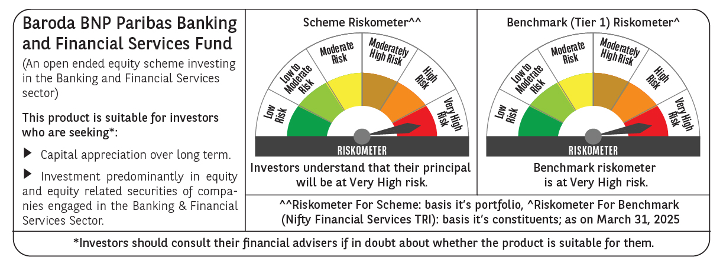
 | Baroda BNP Paribas Banking & Financial Services Fund

 | Monthly Portfolio Statement as on March 31, 2025
 | Name of the Instrument | ISIN | Industry / Rating | Quantity | Market/Fair Value (Rs. in Lakhs) | % to Net Assets | YTM~ | YTC^ | null
 | Equity & Equity related
 | (a) Listed / awaiting listing on Stock Exchanges
HDFB03 | HDFC Bank Limited | INE040A01034 | Banks | 331,450 | 6,059.57 | 25.51%
IBCL05 | ICICI Bank Limited | INE090A01021 | Banks | 351,000 | 4,732.71 | 19.93%
KOMA02 | Kotak Mahindra Bank Limited | INE237A01028 | Banks | 70,000 | 1,519.84 | 6.40%
UTIB02 | Axis Bank Limited | INE238A01034 | Banks | 130,000 | 1,432.60 | 6.03%
SBAI02 | State Bank of India | INE062A01020 | Banks | 151,500 | 1,168.82 | 4.92%
BAFL02 | Bajaj Finance Limited | INE296A01024 | Finance | 11,976 | 1,071.33 | 4.51%
BFSL02 | Bajaj Finserv Limited | INE918I01026 | Finance | 35,500 | 712.61 | 3.00%
CHOL02 | Cholamandalam Investment and Finance Company Ltd | INE121A01024 | Finance | 35,000 | 531.98 | 2.24%
HDAM01 | HDFC Asset Management Company Limited | INE127D01025 | Capital Markets | 12,000 | 481.67 | 2.03%
PFCL01 | Power Finance Corporation Limited | INE134E01011 | Finance | 100,000 | 414.25 | 1.74%
KAVY06 | Karur Vysya Bank Limited | INE036D01028 | Banks | 175,000 | 366.17 | 1.54%
BSEL02 | BSE Limited | INE118H01025 | Capital Markets | 6,500 | 356.19 | 1.50%
PHFP02 | PNB Housing Finance Limited | INE572E01012 | Finance | 40,000 | 352.60 | 1.48%
INBK01 | Indian Bank | INE562A01011 | Banks | 65,000 | 351.85 | 1.48%
ESMC02 | PB Fintech Limited | INE417T01026 | Financial Technology (Fintech) | 21,000 | 333.85 | 1.41%
RELC01 | REC Limited | INE020B01018 | Finance | 77,000 | 330.48 | 1.39%
SLIF01 | SBI Life Insurance Company Limited | INE123W01016 | Insurance | 20,000 | 309.57 | 1.30%
KFIN01 | KFin Technologies Limited | INE138Y01010 | Capital Markets | 30,000 | 308.88 | 1.30%
ILOM01 | ICICI Lombard General Insurance Company Limited | INE765G01017 | Insurance | 16,500 | 295.82 | 1.25%
PRUD01 | Prudent Corporate Advisory Services Limited | INE00F201020 | Capital Markets | 12,500 | 292.07 | 1.23%
CUBI02 | City Union Bank Limited | INE491A01021 | Banks | 175,000 | 275.07 | 1.16%
HDLI01 | HDFC Life Insurance Company Limited | INE795G01014 | Insurance | 40,000 | 274.28 | 1.15%
MUFL01 | Muthoot Finance Limited | INE414G01012 | Finance | 11,500 | 274.03 | 1.15%
STHE01 | Star Health And Allied Insurance Company Limited | INE575P01011 | Insurance | 75,000 | 267.49 | 1.13%
SHTR02 | Shriram Finance Limited | INE721A01047 | Finance | 40,000 | 262.40 | 1.10%
MCEX01 | Multi Commodity Exchange of India Limited | INE745G01035 | Capital Markets | 4,500 | 239.03 | 1.01%
FEBA02 | The Federal Bank Limited | INE171A01029 | Banks | 120,000 | 231.28 | 0.97%
 | Sub Total |  |  |  | 23,246.44 | 97.86%
 | (b) Unlisted |  |  |  | NIL | NIL
 | Sub Total |  |  |  | NIL | NIL
 | Total |  |  |  | 23,246.44 | 97.86%
 | Derivatives
 | Index / Stock Futures
HDFBAPR25 | HDFC Bank Limited April 2025 Future |  |  | 13,200 | 242.30 | 1.02%
 | Sub Total |  |  |  | 242.30 | 1.02%
 | Total |  |  |  | 242.30 | 1.02%
 | Money Market Instruments
 | Treasury Bill
TBIL2450 | 364 Days Tbill (MD 18/12/2025) | IN002024Z362 | Sovereign | 70,000 | 66.93 | 0.28% | 6.42%
 | Sub Total |  |  |  | 66.93 | 0.28%
 | Total |  |  |  | 66.93 | 0.28%
 | Reverse Repo / TREPS
TRP_020425 | Clearing Corporation of India Ltd |  |  |  | 593.29 | 2.50% | 6.68%
 | Sub Total |  |  |  | 593.29 | 2.50%
 | Total |  |  |  | 593.29 | 2.50%
 | Net Receivables / (Payables) |  |  |  | (398.83) | (1.66)%
 | GRAND TOTAL |  |  |  | 23,750.13 | 100.00%

 | ~ YTM as on March 31, 2025
 | ^ YTC represents Yield to Call provided by valuation agencies as on March 31, 2025. It is disclosed for Perpetual Bond issued by Banks (i.e. AT-1 Bond / Tier 1 Bond / Tier 2 Bond), as per AMFI Best Practices Guidelines Circular no. 135/BP/91/2020-21 read with SEBI circular No. SEBI/HO/IMD/DF4/CIR/P/2021/034 on Valuation of AT-1 Bonds and Tier 2 Bonds.
 | Details of Stock Future / Index Future
 | Long/Short | Name of the Instrument | Industry | Quantity. | Market/Fair Value (Rs. in Lacs). | % to NAV.
 | Long | HDFC Bank Limited_24/04/2025 | Banks | 13,200 | 242.30 | 1.02%

