YR29
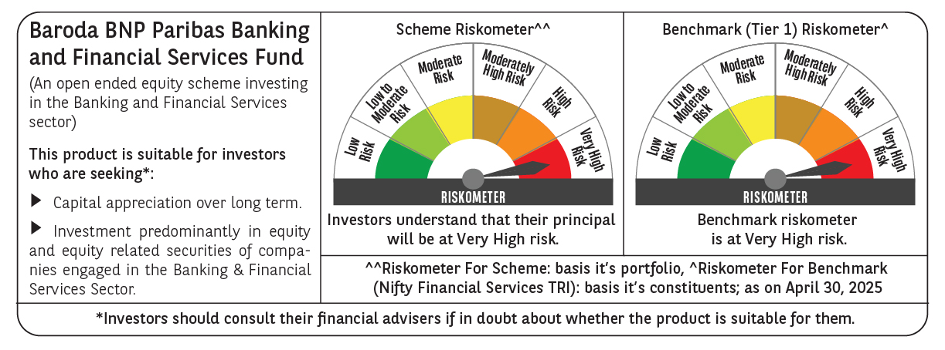
 | Baroda BNP Paribas Banking & Financial Services Fund

 | Monthly Portfolio Statement as on April 30, 2025
 | Name of the Instrument | ISIN | Industry / Rating | Quantity | Market/Fair Value (Rs. in Lakhs) | % to Net Assets | YTM~ | YTC^ | null
 | Equity & Equity related
 | (a) Listed / awaiting listing on Stock Exchanges
HDFB03 | HDFC Bank Limited | INE040A01034 | Banks | 346,450 | 6,669.16 | 25.97%
IBCL05 | ICICI Bank Limited | INE090A01021 | Banks | 376,000 | 5,365.52 | 20.90%
UTIB02 | Axis Bank Limited | INE238A01034 | Banks | 145,000 | 1,718.25 | 6.69%
KOMA02 | Kotak Mahindra Bank Limited | INE237A01028 | Banks | 70,000 | 1,545.67 | 6.02%
SBAI02 | State Bank of India | INE062A01020 | Banks | 166,500 | 1,313.10 | 5.11%
BAFL02 | Bajaj Finance Limited | INE296A01024 | Finance | 11,976 | 1,034.07 | 4.03%
BFSL02 | Bajaj Finserv Limited | INE918I01026 | Finance | 42,000 | 819.67 | 3.19%
HDAM01 | HDFC Asset Management Company Limited | INE127D01025 | Capital Markets | 12,000 | 524.93 | 2.04%
PFCL01 | Power Finance Corporation Limited | INE134E01011 | Finance | 125,000 | 509.25 | 1.98%
BSEL02 | BSE Limited | INE118H01025 | Capital Markets | 6,500 | 413.34 | 1.61%
KAVY06 | Karur Vysya Bank Limited | INE036D01028 | Banks | 175,000 | 381.80 | 1.49%
CHOL02 | Cholamandalam Investment and Finance Company Ltd | INE121A01024 | Finance | 25,000 | 373.05 | 1.45%
HDLI01 | HDFC Life Insurance Company Limited | INE795G01014 | Insurance | 50,000 | 371.85 | 1.45%
INBK01 | Indian Bank | INE562A01011 | Banks | 65,000 | 367.77 | 1.43%
KFIN01 | KFin Technologies Limited | INE138Y01010 | Capital Markets | 30,000 | 359.28 | 1.40%
ESMC02 | PB Fintech Limited | INE417T01026 | Financial Technology (Fintech) | 21,000 | 341.31 | 1.33%
IIBL01 | IndusInd Bank Limited | INE095A01012 | Banks | 40,000 | 335.36 | 1.31%
PRUD01 | Prudent Corporate Advisory Services Limited | INE00F201020 | Capital Markets | 15,000 | 332.30 | 1.29%
ILOM01 | ICICI Lombard General Insurance Company Limited | INE765G01017 | Insurance | 16,500 | 309.62 | 1.21%
CUBI02 | City Union Bank Limited | INE491A01021 | Banks | 175,000 | 308.98 | 1.20%
PHFP02 | PNB Housing Finance Limited | INE572E01012 | Finance | 30,000 | 303.06 | 1.18%
STHE01 | Star Health And Allied Insurance Company Limited | INE575P01011 | Insurance | 75,000 | 292.35 | 1.14%
AFPL02 | AU Small Finance Bank Limited | INE949L01017 | Banks | 40,000 | 271.44 | 1.06%
SBCP01 | SBI Cards and Payment Services Limited | INE018E01016 | Finance | 30,000 | 262.07 | 1.02%
FEBA02 | The Federal Bank Limited | INE171A01029 | Banks | 120,000 | 236.02 | 0.92%
 | Sub Total |  |  |  | 24,759.22 | 96.42%
 | (b) Unlisted |  |  |  | NIL | NIL
 | Sub Total |  |  |  | NIL | NIL
 | Total |  |  |  | 24,759.22 | 96.42%
 | Derivatives
 | Index / Stock Futures
UTIBMAY25 | Axis Bank Limited May 2025 Future |  |  | 13,750 | 163.72 | 0.64%
 | Sub Total |  |  |  | 163.72 | 0.64%
 | Total |  |  |  | 163.72 | 0.64%
 | Money Market Instruments
 | Treasury Bill
TBIL2450 | 364 Days Tbill (MD 18/12/2025) | IN002024Z362 | Sovereign | 70,000 | 67.48 | 0.26% | 5.91%
 | Sub Total |  |  |  | 67.48 | 0.26%
 | Total |  |  |  | 67.48 | 0.26%
 | Reverse Repo / TREPS
TRP_020525 | Clearing Corporation of India Ltd |  |  |  | 887.28 | 3.46% | 5.94%
 | Sub Total |  |  |  | 887.28 | 3.46%
 | Total |  |  |  | 887.28 | 3.46%
 | Net Receivables / (Payables) |  |  |  | (200.10) | (0.78)%
 | GRAND TOTAL |  |  |  | 25,677.60 | 100.00%

 | ~ YTM as on April 30, 2025
 | ^ YTC represents Yield to Call provided by valuation agencies as on April 30, 2025. It is disclosed for Perpetual Bond issued by Banks (i.e. AT-1 Bond / Tier 1 Bond / Tier 2 Bond), as per AMFI Best Practices Guidelines Circular no. 135/BP/91/2020-21 read with SEBI circular No. SEBI/HO/IMD/DF4/CIR/P/2021/034 on Valuation of AT-1 Bonds and Tier 2 Bonds.
 | Details of Stock Future / Index Future
 | Long/Short | Name of the Instrument | Industry | Quantity. | Market/Fair Value (Rs. in Lacs). | % to NAV.
 | Long | Axis Bank Limited_29/05/2025 | Banks | 13,750 | 163.72 | 0.64%

