YR29
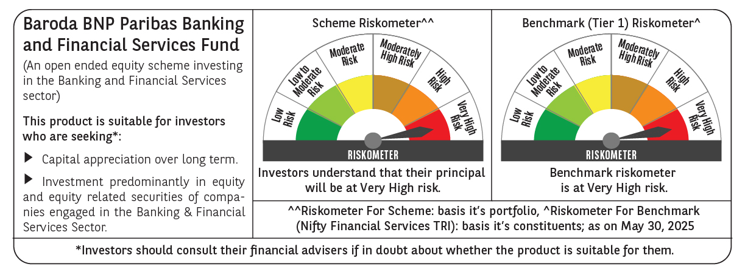
 | Baroda BNP Paribas Banking & Financial Services Fund

 | Monthly Portfolio Statement as on May 31, 2025
 | Name of the Instrument | ISIN | Industry / Rating | Quantity | Market/Fair Value (Rs. in Lakhs) | % to Net Assets | YTM~ | YTC^ | null
 | Equity & Equity related
 | (a) Listed / awaiting listing on Stock Exchanges
HDFB03 | HDFC Bank Limited | INE040A01034 | Banks | 346,450 | 6,738.11 | 24.82%
IBCL05 | ICICI Bank Limited | INE090A01021 | Banks | 376,000 | 5,436.21 | 20.03%
UTIB02 | Axis Bank Limited | INE238A01034 | Banks | 145,000 | 1,728.69 | 6.37%
SBAI02 | State Bank of India | INE062A01020 | Banks | 150,000 | 1,218.45 | 4.49%
KOMA02 | Kotak Mahindra Bank Limited | INE237A01028 | Banks | 58,000 | 1,203.33 | 4.43%
BAFL02 | Bajaj Finance Limited | INE296A01024 | Finance | 11,976 | 1,099.46 | 4.05%
BFSL02 | Bajaj Finserv Limited | INE918I01026 | Finance | 50,000 | 1,008.70 | 3.72%
HDAM01 | HDFC Asset Management Company Limited | INE127D01025 | Capital Markets | 17,000 | 813.11 | 3.00%
CUBI02 | City Union Bank Limited | INE491A01021 | Banks | 325,000 | 636.03 | 2.34%
BSEL02 | BSE Limited | INE118H01025 | Capital Markets | 19,500 | 521.43 | 1.92%
KAVY06 | Karur Vysya Bank Limited | INE036D01028 | Banks | 225,000 | 498.80 | 1.84%
PRUD01 | Prudent Corporate Advisory Services Limited | INE00F201020 | Capital Markets | 15,000 | 442.91 | 1.63%
ONCO02 | One 97 Communications Limited | INE982J01020 | Financial Technology (Fintech) | 45,000 | 400.70 | 1.48%
CHOL02 | Cholamandalam Investment and Finance Company Ltd | INE121A01024 | Finance | 25,000 | 400.25 | 1.47%
HDLI01 | HDFC Life Insurance Company Limited | INE795G01014 | Insurance | 50,000 | 388.43 | 1.43%
CDSL01 | Central Depository Services (India) Limited | INE736A01011 | Capital Markets | 25,000 | 382.43 | 1.41%
ESMC02 | PB Fintech Limited | INE417T01026 | Financial Technology (Fintech) | 21,000 | 369.94 | 1.36%
STHE01 | Star Health And Allied Insurance Company Limited | INE575P01011 | Insurance | 75,000 | 358.24 | 1.32%
AFPL02 | AU Small Finance Bank Limited | INE949L01017 | Banks | 50,000 | 346.53 | 1.28%
SLIF01 | SBI Life Insurance Company Limited | INE123W01016 | Insurance | 18,000 | 326.20 | 1.20%
KFIN01 | KFin Technologies Limited | INE138Y01010 | Capital Markets | 30,000 | 323.61 | 1.19%
PHFP02 | PNB Housing Finance Limited | INE572E01012 | Finance | 30,000 | 313.47 | 1.15%
ILOM01 | ICICI Lombard General Insurance Company Limited | INE765G01017 | Insurance | 16,500 | 309.44 | 1.14%
INBK01 | Indian Bank | INE562A01011 | Banks | 50,000 | 308.30 | 1.14%
SBCP01 | SBI Cards and Payment Services Limited | INE018E01016 | Finance | 30,000 | 276.32 | 1.02%
IIBL01 | IndusInd Bank Limited | INE095A01012 | Banks | 30,000 | 245.09 | 0.90%
 | Sub Total |  |  |  | 26,094.18 | 96.13%
 | (b) Unlisted |  |  |  | NIL | NIL
 | Sub Total |  |  |  | NIL | NIL
 | Total |  |  |  | 26,094.18 | 96.13%
 | Money Market Instruments
 | Treasury Bill
TBIL2450 | 364 Days Tbill (MD 18/12/2025) | IN002024Z362 | Sovereign | 70,000 | 67.92 | 0.25% | 5.60%
 | Sub Total |  |  |  | 67.92 | 0.25%
 | Total |  |  |  | 67.92 | 0.25%
 | Reverse Repo / TREPS
TRP_020625 | Clearing Corporation of India Ltd |  |  |  | 908.03 | 3.35% | 5.77%
 | Sub Total |  |  |  | 908.03 | 3.35%
 | Total |  |  |  | 908.03 | 3.35%
 | Net Receivables / (Payables) |  |  |  | 74.16 | 0.27%
 | GRAND TOTAL |  |  |  | 27,144.29 | 100.00%

 | ~ YTM as on May 31, 2025
 | ^ YTC represents Yield to Call provided by valuation agencies as on May 31, 2025. It is disclosed for Perpetual Bond issued by Banks (i.e. AT-1 Bond / Tier 1 Bond / Tier 2 Bond), as per AMFI Best Practices Guidelines Circular no. 135/BP/91/2020-21 read with SEBI circular No. SEBI/HO/IMD/DF4/CIR/P/2021/034 on Valuation of AT-1 Bonds and Tier 2 Bonds.

