YR29
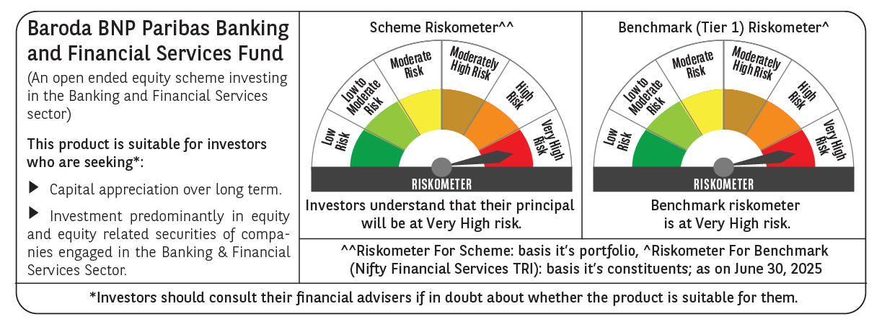
 | Baroda BNP Paribas Banking & Financial Services Fund

 | Monthly Portfolio Statement as on June 30, 2025
 | Name of the Instrument | ISIN | Industry / Rating | Quantity | Market/Fair Value (Rs. in Lakhs) | % to Net Assets | YTM~ | YTC^ | null
 | Equity & Equity related
 | (a) Listed / awaiting listing on Stock Exchanges
HDFB03 | HDFC Bank Limited | INE040A01034 | Banks | 346,450 | 6,934.20 | 23.91%
IBCL05 | ICICI Bank Limited | INE090A01021 | Banks | 376,000 | 5,436.21 | 18.74%
UTIB02 | Axis Bank Limited | INE238A01034 | Banks | 145,000 | 1,738.84 | 5.99%
KOMA02 | Kotak Mahindra Bank Limited | INE237A01028 | Banks | 58,000 | 1,254.83 | 4.33%
SBAI02 | State Bank of India | INE062A01020 | Banks | 150,000 | 1,230.53 | 4.24%
BAFL03 | Bajaj Finance Limited | INE296A01032 | Finance | 119,760 | 1,121.55 | 3.87%
BFSL02 | Bajaj Finserv Limited | INE918I01026 | Finance | 50,000 | 1,028.00 | 3.54%
HDAM01 | HDFC Asset Management Company Limited | INE127D01025 | Capital Markets | 14,500 | 752.81 | 2.60%
ABFS01 | Aditya Birla Capital Limited | INE674K01013 | Finance | 225,000 | 622.35 | 2.15%
KAVY06 | Karur Vysya Bank Limited | INE036D01028 | Banks | 225,000 | 601.97 | 2.08%
AFPL02 | AU Small Finance Bank Limited | INE949L01017 | Banks | 70,000 | 572.25 | 1.97%
USFB01 | Ujjivan Small Finance Bank Limited | INE551W01018 | Banks | 1,150,000 | 563.85 | 1.94%
PHFP02 | PNB Housing Finance Limited | INE572E01012 | Finance | 50,000 | 554.70 | 1.91%
CDSL01 | Central Depository Services (India) Limited | INE736A01011 | Capital Markets | 30,000 | 538.20 | 1.86%
ONCO02 | One 97 Communications Limited | INE982J01020 | Financial Technology (Fintech) | 53,000 | 489.72 | 1.69%
HDLI01 | HDFC Life Insurance Company Limited | INE795G01014 | Insurance | 60,000 | 488.58 | 1.68%
SLIF01 | SBI Life Insurance Company Limited | INE123W01016 | Insurance | 25,300 | 465.09 | 1.60%
SBCP01 | SBI Cards and Payment Services Limited | INE018E01016 | Finance | 45,000 | 428.90 | 1.48%
ESMC02 | PB Fintech Limited | INE417T01026 | Financial Technology (Fintech) | 23,500 | 428.62 | 1.48%
UNBI01 | Union Bank of India | INE692A01016 | Banks | 270,000 | 414.72 | 1.43%
CHOL02 | Cholamandalam Investment and Finance Company Ltd | INE121A01024 | Finance | 25,000 | 407.00 | 1.40%
PRUD01 | Prudent Corporate Advisory Services Limited | INE00F201020 | Capital Markets | 15,000 | 406.38 | 1.40%
KFIN01 | KFin Technologies Limited | INE138Y01010 | Capital Markets | 30,000 | 404.31 | 1.39%
MCEX01 | Multi Commodity Exchange of India Limited | INE745G01035 | Capital Markets | 4,000 | 357.76 | 1.23%
ILOM01 | ICICI Lombard General Insurance Company Limited | INE765G01017 | Insurance | 16,500 | 336.63 | 1.16%
CUBI02 | City Union Bank Limited | INE491A01021 | Banks | 150,000 | 328.07 | 1.13%
 | Sub Total |  |  |  | 27,906.07 | 96.20%
 | (b) Unlisted |  |  |  | NIL | NIL
 | Sub Total |  |  |  | NIL | NIL
 | Total |  |  |  | 27,906.07 | 96.20%
 | Derivatives
 | Index / Stock Futures
BNIFYJUL25 | Bank Nifty Index July 2025 Future |  |  | 490 | 282.01 | 0.97%
 | Sub Total |  |  |  | 282.01 | 0.97%
 | Total |  |  |  | 282.01 | 0.97%
 | Money Market Instruments
 | Treasury Bill
TBIL2450 | 364 Days Tbill (MD 18/12/2025) | IN002024Z362 | Sovereign | 70,000 | 68.25 | 0.24% | 5.50%
 | Sub Total |  |  |  | 68.25 | 0.24%
 | Total |  |  |  | 68.25 | 0.24%
 | Reverse Repo / TREPS
TRP_010725 | Clearing Corporation of India Ltd |  |  |  | 596.52 | 2.06% | 5.47%
 | Sub Total |  |  |  | 596.52 | 2.06%
 | Total |  |  |  | 596.52 | 2.06%
 | Net Receivables / (Payables) |  |  |  | 152.38 | 0.53%
 | GRAND TOTAL |  |  |  | 29,005.23 | 100.00%

 | ~ YTM as on June 30, 2025
 | ^ YTC represents Yield to Call provided by valuation agencies as on June 30, 2025. It is disclosed for Perpetual Bond issued by Banks (i.e. AT-1 Bond / Tier 1 Bond / Tier 2 Bond), as per AMFI Best Practices Guidelines Circular no. 135/BP/91/2020-21 read with SEBI circular No. SEBI/HO/IMD/DF4/CIR/P/2021/034 on Valuation of AT-1 Bonds and Tier 2 Bonds.
 | Details of Stock Future / Index Future
 | Long/Short | Name of the Instrument | Industry | Quantity. | Market/Fair Value (Rs. in Lacs). | % to NAV.
 | Long | Bank Nifty Index_31/07/2025 | Index | 490 | 282.01 | 0.97%

