YR29
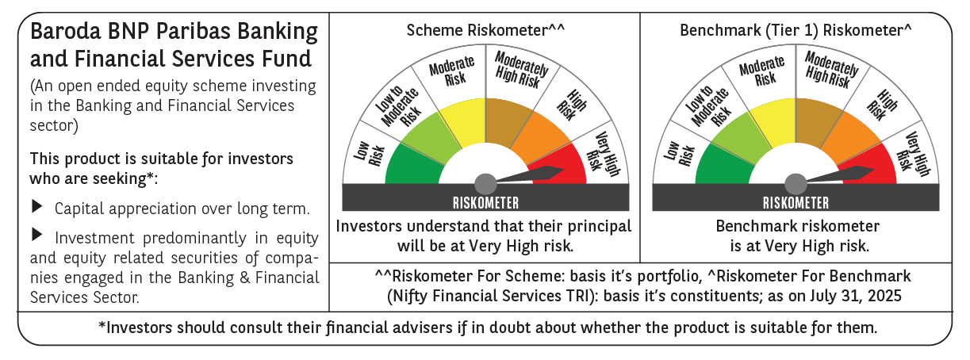
 | Baroda BNP Paribas Banking & Financial Services Fund

 | Monthly Portfolio Statement as on July 31, 2025
 | Name of the Instrument | ISIN | Industry / Rating | Quantity | Market/Fair Value (Rs. in Lakhs) | % to Net Assets | YTM~ | YTC^ | null
 | Equity & Equity related
 | (a) Listed / awaiting listing on Stock Exchanges
HDFB03 | HDFC Bank Limited | INE040A01034 | Banks | 384,950 | 7,769.06 | 26.20%
IBCL05 | ICICI Bank Limited | INE090A01021 | Banks | 391,000 | 5,792.27 | 19.53%
SBAI02 | State Bank of India | INE062A01020 | Banks | 246,200 | 1,961.11 | 6.61%
KOMA02 | Kotak Mahindra Bank Limited | INE237A01028 | Banks | 65,500 | 1,295.98 | 4.37%
UTIB02 | Axis Bank Limited | INE238A01034 | Banks | 115,000 | 1,228.66 | 4.14%
BAFL03 | Bajaj Finance Limited | INE296A01032 | Finance | 94,760 | 835.03 | 2.82%
HDAM01 | HDFC Asset Management Company Limited | INE127D01025 | Capital Markets | 14,500 | 819.25 | 2.76%
ESMC02 | PB Fintech Limited | INE417T01026 | Financial Technology (Fintech) | 40,000 | 724.84 | 2.44%
ABFS01 | Aditya Birla Capital Limited | INE674K01013 | Finance | 260,000 | 667.29 | 2.25%
SLIF01 | SBI Life Insurance Company Limited | INE123W01016 | Insurance | 35,300 | 649.77 | 2.19%
KAVY06 | Karur Vysya Bank Limited | INE036D01028 | Banks | 225,000 | 593.10 | 2.00%
PHFP02 | PNB Housing Finance Limited | INE572E01012 | Finance | 57,500 | 567.07 | 1.91%
HDLI01 | HDFC Life Insurance Company Limited | INE795G01014 | Insurance | 70,000 | 528.85 | 1.78%
CDSL01 | Central Depository Services (India) Limited | INE736A01011 | Capital Markets | 35,000 | 518.28 | 1.75%
USFB01 | Ujjivan Small Finance Bank Limited | INE551W01018 | Banks | 1,150,000 | 509.11 | 1.72%
PUBA02 | Punjab National Bank | INE160A01022 | Banks | 450,000 | 474.21 | 1.60%
BFSL02 | Bajaj Finserv Limited | INE918I01026 | Finance | 22,500 | 438.30 | 1.48%
HDBF01 | HDB Financial Services Limited | INE756I01012 | Finance | 55,892 | 423.97 | 1.43%
MCEX01 | Multi Commodity Exchange of India Limited | INE745G01035 | Capital Markets | 5,500 | 423.12 | 1.43%
ONCO02 | One 97 Communications Limited | INE982J01020 | Financial Technology (Fintech) | 38,000 | 413.95 | 1.40%
IDBK01 | IDFC First Bank Limited | INE092T01019 | Banks | 600,000 | 412.56 | 1.39%
AFPL02 | AU Small Finance Bank Limited | INE949L01017 | Banks | 55,000 | 407.83 | 1.38%
PRUD01 | Prudent Corporate Advisory Services Limited | INE00F201020 | Capital Markets | 13,360 | 390.34 | 1.32%
CHOL02 | Cholamandalam Investment and Finance Company Ltd | INE121A01024 | Finance | 25,000 | 360.80 | 1.22%
ILOM01 | ICICI Lombard General Insurance Company Limited | INE765G01017 | Insurance | 16,500 | 317.96 | 1.07%
 | Sub Total |  |  |  | 28,522.71 | 96.19%
 | (b) Unlisted |  |  |  | NIL | NIL
 | Sub Total |  |  |  | NIL | NIL
 | Total |  |  |  | 28,522.71 | 96.19%
 | Derivatives
 | Index / Stock Futures
HDFBAUG25 | HDFC Bank Limited August 2025 Future |  |  | 16,500 | 334.74 | 1.13%
 | Sub Total |  |  |  | 334.74 | 1.13%
 | Total |  |  |  | 334.74 | 1.13%
 | Money Market Instruments
 | Treasury Bill
TBIL2450 | 364 Days Tbill (MD 18/12/2025) | IN002024Z362 | Sovereign | 70,000 | 68.58 | 0.23% | 5.45%
 | Sub Total |  |  |  | 68.58 | 0.23%
 | Total |  |  |  | 68.58 | 0.23%
 | Reverse Repo / TREPS
TRP_010825 | Clearing Corporation of India Ltd |  |  |  | 1,055.23 | 3.56% | 5.42%
 | Sub Total |  |  |  | 1,055.23 | 3.56%
 | Total |  |  |  | 1,055.23 | 3.56%
 | Net Receivables / (Payables) |  |  |  | (328.61) | (1.11)%
 | GRAND TOTAL |  |  |  | 29,652.65 | 100.00%

 | ~ YTM as on July 31, 2025
 | ^ YTC represents Yield to Call provided by valuation agencies as on July 31, 2025. It is disclosed for Perpetual Bond issued by Banks (i.e. AT-1 Bond / Tier 1 Bond / Tier 2 Bond), as per AMFI Best Practices Guidelines Circular no. 135/BP/91/2020-21 read with SEBI circular No. SEBI/HO/IMD/DF4/CIR/P/2021/034 on Valuation of AT-1 Bonds and Tier 2 Bonds.
 | Details of Stock Future / Index Future
 | Long/Short | Name of the Instrument | Industry | Quantity. | Market/Fair Value (Rs. in Lacs). | % to NAV.
 | Long | HDFC Bank Limited_28/08/2025 | Banks | 16,500 | 334.74 | 1.13%

