YR29
 | Baroda BNP Paribas Banking & Financial Services Fund

 | Monthly Portfolio Statement as on August 31, 2025
 | Name of the Instrument | ISIN | Industry / Rating | Quantity | Market/Fair Value (Rs. in Lakhs) | % to Net Assets | YTM~ | YTC^ | null
 | Equity & Equity related
 | (a) Listed / awaiting listing on Stock Exchanges
HDFB03 | HDFC Bank Limited | INE040A01034 | Banks | 769,900 | 7,326.37 | 24.80%
IBCL05 | ICICI Bank Limited | INE090A01021 | Banks | 391,000 | 5,465.40 | 18.50%
SBAI02 | State Bank of India | INE062A01020 | Banks | 271,200 | 2,176.38 | 7.37%
KOMA02 | Kotak Mahindra Bank Limited | INE237A01028 | Banks | 75,500 | 1,480.03 | 5.01%
UTIB02 | Axis Bank Limited | INE238A01034 | Banks | 125,000 | 1,306.50 | 4.42%
BAFL03 | Bajaj Finance Limited | INE296A01032 | Finance | 104,760 | 919.64 | 3.11%
HDAM01 | HDFC Asset Management Company Limited | INE127D01025 | Capital Markets | 14,500 | 792.14 | 2.68%
ABFS01 | Aditya Birla Capital Limited | INE674K01013 | Finance | 260,000 | 722.41 | 2.45%
ESMC02 | PB Fintech Limited | INE417T01026 | Financial Technology (Fintech) | 40,000 | 708.32 | 2.40%
SLIF01 | SBI Life Insurance Company Limited | INE123W01016 | Insurance | 35,300 | 637.34 | 2.16%
KAVY06 | Karur Vysya Bank Limited | INE036D01028 | Banks | 270,000 | 577.94 | 1.96%
HDLI01 | HDFC Life Insurance Company Limited | INE795G01014 | Insurance | 70,000 | 540.44 | 1.83%
PUBA02 | Punjab National Bank | INE160A01022 | Banks | 535,000 | 539.71 | 1.83%
AFPL02 | AU Small Finance Bank Limited | INE949L01017 | Banks | 70,000 | 502.64 | 1.70%
CDSL01 | Central Depository Services (India) Limited | INE736A01011 | Capital Markets | 35,000 | 498.54 | 1.69%
USFB01 | Ujjivan Small Finance Bank Limited | INE551W01018 | Banks | 1,150,000 | 490.82 | 1.66%
INBK01 | Indian Bank | INE562A01011 | Banks | 75,000 | 489.83 | 1.66%
ONCO02 | One 97 Communications Limited | INE982J01020 | Financial Technology (Fintech) | 38,000 | 458.66 | 1.55%
ILOM01 | ICICI Lombard General Insurance Company Limited | INE765G01017 | Insurance | 24,000 | 441.50 | 1.49%
HDBF01 | HDB Financial Services Limited | INE756I01012 | Finance | 55,892 | 434.95 | 1.47%
BFSL02 | Bajaj Finserv Limited | INE918I01026 | Finance | 22,500 | 430.54 | 1.46%
IDBK01 | IDFC First Bank Limited | INE092T01019 | Banks | 600,000 | 407.94 | 1.38%
MCEX01 | Multi Commodity Exchange of India Limited | INE745G01035 | Capital Markets | 5,500 | 406.45 | 1.38%
PRUD01 | Prudent Corporate Advisory Services Limited | INE00F201020 | Capital Markets | 13,360 | 374.48 | 1.27%
CHOL02 | Cholamandalam Investment and Finance Company Ltd | INE121A01024 | Finance | 25,000 | 355.18 | 1.20%
 | Sub Total |  |  |  | 28,484.15 | 96.43%
 | (b) Unlisted |  |  |  | NIL | NIL
 | Sub Total |  |  |  | NIL | NIL
 | Total |  |  |  | 28,484.15 | 96.43%
 | Derivatives
 | Index / Stock Futures
HDFBSEP25 | HDFC Bank Limited September 2025 Future |  |  | 33,000 | 316.17 | 1.07%
 | Sub Total |  |  |  | 316.17 | 1.07%
 | Total |  |  |  | 316.17 | 1.07%
 | Money Market Instruments
 | Treasury Bill
TBIL2450 | 364 Days Tbill (MD 18/12/2025) | IN002024Z362 | Sovereign | 70,000 | 68.88 | 0.23% | 5.49%
 | Sub Total |  |  |  | 68.88 | 0.23%
 | Total |  |  |  | 68.88 | 0.23%
 | Reverse Repo / TREPS
TRP_010925 | Clearing Corporation of India Ltd |  |  |  | 931.39 | 3.15% | 5.39%
 | Sub Total |  |  |  | 931.39 | 3.15%
 | Total |  |  |  | 931.39 | 3.15%
 | Net Receivables / (Payables) |  |  |  | (257.43) | (0.88)%
 | GRAND TOTAL |  |  |  | 29,543.16 | 100.00%

 | ~ YTM as on August 31, 2025
 | ^ YTC represents Yield to Call provided by valuation agencies as on August 31, 2025. It is disclosed for Perpetual Bond issued by Banks (i.e. AT-1 Bond / Tier 1 Bond / Tier 2 Bond), as per AMFI Best Practices Guidelines Circular no. 135/BP/91/2020-21 read with SEBI circular No. SEBI/HO/IMD/DF4/CIR/P/2021/034 on Valuation of AT-1 Bonds and Tier 2 Bonds.
 | Details of Stock Future / Index Future
 | Long/Short | Name of the Instrument | Industry | Quantity. | Market/Fair Value (Rs. in Lacs). | % to NAV.
 | Long | HDFC Bank Limited_30/09/2025 | Banks | 33,000 | 316.17 | 1.07%

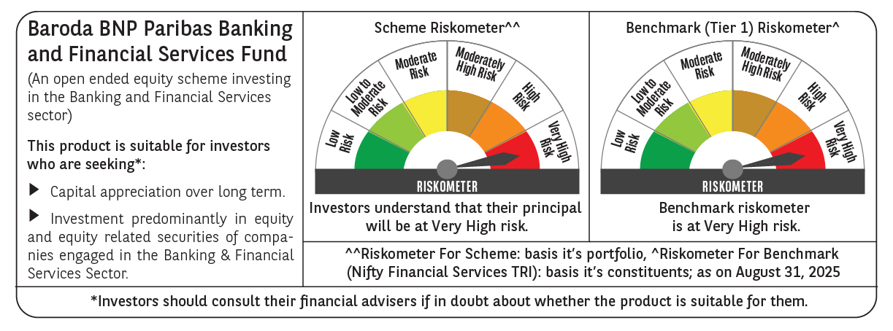

 | Monthly Performance Link: https://www.barodabnpparibasmf.in/assets/download_documents/Performance_of_Schemes_14126.pdf

