Monthly Portfolio
 | Baroda BNP Paribas Banking & Financial Services Fund

 | Monthly Portfolio Statement as on September 30, 2025
 | Name of the Instrument | ISIN | Industry / Rating | Quantity | Market/Fair Value (Rs. in Lakhs) | % to Net Assets | YTM~ | YTC^ | null
 | Equity & Equity related
 | (a) Listed / awaiting listing on Stock Exchanges
HDFB03 | HDFC Bank Limited | INE040A01034 | Banks | 769,900 | 7,321.75 | 24.02%
IBCL05 | ICICI Bank Limited | INE090A01021 | Banks | 391,000 | 5,270.68 | 17.29%
SBAI02 | State Bank of India | INE062A01020 | Banks | 271,200 | 2,366.08 | 7.76%
KOMA02 | Kotak Mahindra Bank Limited | INE237A01028 | Banks | 80,000 | 1,594.16 | 5.23%
UTIB02 | Axis Bank Limited | INE238A01034 | Banks | 125,000 | 1,414.50 | 4.64%
BAFL03 | Bajaj Finance Limited | INE296A01032 | Finance | 104,760 | 1,046.45 | 3.43%
BFSL02 | Bajaj Finserv Limited | INE918I01026 | Finance | 42,500 | 852.72 | 2.80%
ABFS01 | Aditya Birla Capital Limited | INE674K01013 | Finance | 260,000 | 760.11 | 2.49%
MCEX01 | Multi Commodity Exchange of India Limited | INE745G01035 | Capital Markets | 8,500 | 662.66 | 2.17%
SLIF01 | SBI Life Insurance Company Limited | INE123W01016 | Insurance | 35,300 | 632.08 | 2.07%
PUBA02 | Punjab National Bank | INE160A01022 | Banks | 535,000 | 603.64 | 1.98%
USFB01 | Ujjivan Small Finance Bank Limited | INE551W01018 | Banks | 1,259,595 | 583.82 | 1.92%
HDAM01 | HDFC Asset Management Company Limited | INE127D01025 | Capital Markets | 10,500 | 580.91 | 1.91%
KAVY06 | Karur Vysya Bank Limited | INE036D01028 | Banks | 270,000 | 569.46 | 1.87%
INBK01 | Indian Bank | INE562A01011 | Banks | 75,000 | 563.03 | 1.85%
ONCO02 | One 97 Communications Limited | INE982J01020 | Financial Technology (Fintech) | 48,000 | 539.42 | 1.77%
HDLI01 | HDFC Life Insurance Company Limited | INE795G01014 | Insurance | 70,000 | 529.52 | 1.74%
CHOL02 | Cholamandalam Investment and Finance Company Ltd | INE121A01024 | Finance | 32,500 | 523.51 | 1.72%
ILOM01 | ICICI Lombard General Insurance Company Limited | INE765G01017 | Insurance | 27,500 | 519.70 | 1.71%
AFPL02 | AU Small Finance Bank Limited | INE949L01017 | Banks | 70,000 | 511.98 | 1.68%
CDSL01 | Central Depository Services (India) Limited | INE736A01011 | Capital Markets | 30,000 | 437.58 | 1.44%
IDBK01 | IDFC First Bank Limited | INE092T01019 | Banks | 600,000 | 418.62 | 1.37%
PRUD01 | Prudent Corporate Advisory Services Limited | INE00F201020 | Capital Markets | 13,360 | 344.50 | 1.13%
ESMC02 | PB Fintech Limited | INE417T01026 | Financial Technology (Fintech) | 18,000 | 306.36 | 1.01%
 | Sub Total |  |  |  | 28,953.24 | 95.00%
 | (b) Unlisted |  |  |  | NIL | NIL
 | Sub Total |  |  |  | NIL | NIL
 | Total |  |  |  | 28,953.24 | 95.00%
 | Money Market Instruments
 | Treasury Bill
TBIL2450 | 364 Days Tbill (MD 18/12/2025) | IN002024Z362 | Sovereign | 70,000 | 69.20 | 0.23% | 5.39%
 | Sub Total |  |  |  | 69.20 | 0.23%
 | Total |  |  |  | 69.20 | 0.23%
 | Reverse Repo / TREPS
TRP_011025 | Clearing Corporation of India Ltd |  |  |  | 1,620.94 | 5.32% | 5.53%
 | Sub Total |  |  |  | 1,620.94 | 5.32%
 | Total |  |  |  | 1,620.94 | 5.32%
 | Net Receivables / (Payables) |  |  |  | (165.02) | (0.55)%
 | GRAND TOTAL |  |  |  | 30,478.36 | 100.00%

 | ~ YTM as on September 30, 2025
 | ^ YTC represents Yield to Call provided by valuation agencies as on September 30, 2025. It is disclosed for Perpetual Bond issued by Banks (i.e. AT-1 Bond / Tier 1 Bond / Tier 2 Bond), as per AMFI Best Practices Guidelines Circular no. 135/BP/91/2020-21 read with SEBI circular No. SEBI/HO/IMD/DF4/CIR/P/2021/034 on Valuation of AT-1 Bonds and Tier 2 Bonds.

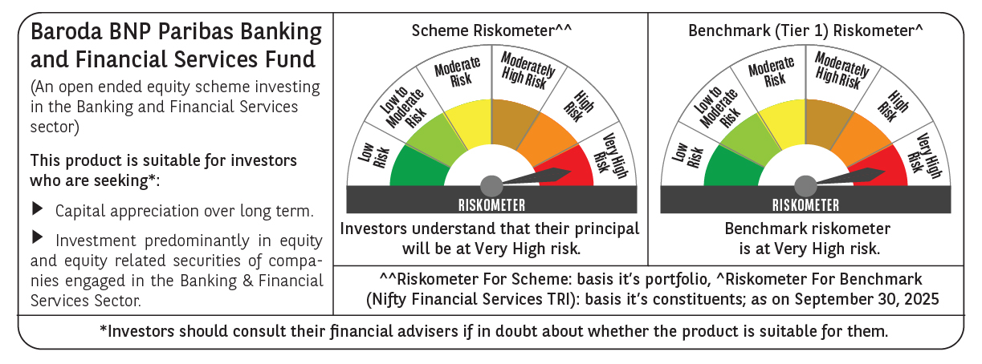

 | Monthly Performance Link: https://www.barodabnpparibasmf.in/assets/download_documents/Performance_of_Schemes_September_14618.pdf

