YR29
 | Baroda BNP Paribas Banking & Financial Services Fund

 | Monthly Portfolio Statement as on October 31, 2025
 | Name of the Instrument | ISIN | Industry / Rating | Quantity | Market/Fair Value (Rs. in Lakhs) | % to Net Assets | YTM~ | YTC^ | null
 | Equity & Equity related
 | (a) Listed / awaiting listing on Stock Exchanges
HDFB03 | HDFC Bank Limited | INE040A01034 | Banks | 769,900 | 7,601.22 | 22.40%
IBCL05 | ICICI Bank Limited | INE090A01021 | Banks | 391,000 | 5,260.12 | 15.50%
SBAI02 | State Bank of India | INE062A01020 | Banks | 271,200 | 2,541.14 | 7.49%
KOMA02 | Kotak Mahindra Bank Limited | INE237A01028 | Banks | 100,000 | 2,102.20 | 6.20%
UTIB02 | Axis Bank Limited | INE238A01034 | Banks | 125,000 | 1,541.00 | 4.54%
BAFL03 | Bajaj Finance Limited | INE296A01032 | Finance | 104,760 | 1,092.44 | 3.22%
BFSL02 | Bajaj Finserv Limited | INE918I01026 | Finance | 42,500 | 887.53 | 2.62%
ABFS01 | Aditya Birla Capital Limited | INE674K01013 | Finance | 260,000 | 842.92 | 2.48%
USFB01 | Ujjivan Small Finance Bank Limited | INE551W01018 | Banks | 1,559,595 | 808.49 | 2.38%
MCEX01 | Multi Commodity Exchange of India Limited | INE745G01035 | Capital Markets | 8,500 | 785.70 | 2.32%
ONCO02 | One 97 Communications Limited | INE982J01020 | Financial Technology (Fintech) | 54,500 | 710.24 | 2.09%
SLIF01 | SBI Life Insurance Company Limited | INE123W01016 | Insurance | 35,300 | 690.36 | 2.03%
PUBA02 | Punjab National Bank | INE160A01022 | Banks | 535,000 | 657.46 | 1.94%
KAVY06 | Karur Vysya Bank Limited | INE036D01028 | Banks | 270,000 | 656.51 | 1.93%
INBK01 | Indian Bank | INE562A01011 | Banks | 75,000 | 644.03 | 1.90%
AFPL02 | AU Small Finance Bank Limited | INE949L01017 | Banks | 70,000 | 614.50 | 1.81%
HDAM01 | HDFC Asset Management Company Limited | INE127D01025 | Capital Markets | 10,500 | 564.80 | 1.66%
CHOL02 | Cholamandalam Investment and Finance Company Ltd | INE121A01024 | Finance | 32,500 | 551.46 | 1.63%
ILOM01 | ICICI Lombard General Insurance Company Limited | INE765G01017 | Insurance | 27,500 | 548.27 | 1.62%
HDLI01 | HDFC Life Insurance Company Limited | INE795G01014 | Insurance | 70,000 | 512.30 | 1.51%
CANB02 | Canara Bank | INE476A01022 | Banks | 360,000 | 493.16 | 1.45%
IDBK01 | IDFC First Bank Limited | INE092T01019 | Banks | 600,000 | 490.62 | 1.45%
CDSL01 | Central Depository Services (India) Limited | INE736A01011 | Capital Markets | 30,000 | 476.16 | 1.40%
MALE02 | Poonawalla Fincorp Limited | INE511C01022 | Finance | 90,000 | 433.67 | 1.28%
IIFM02 | 360 One WAM Limited | INE466L01038 | Capital Markets | 35,000 | 378.25 | 1.11%
RATN01 | RBL Bank Limited | INE976G01028 | Banks | 107,000 | 349.19 | 1.03%
PRUD01 | Prudent Corporate Advisory Services Limited | INE00F201020 | Capital Markets | 13,360 | 341.41 | 1.01%
ESMC02 | PB Fintech Limited | INE417T01026 | Financial Technology (Fintech) | 18,000 | 321.37 | 0.95%
FEBA02 | The Federal Bank Limited | INE171A01029 | Banks | 75,000 | 177.46 | 0.52%
 | Sub Total |  |  |  | 33,073.98 | 97.47%
 | (b) Unlisted |  |  |  | NIL | NIL
 | Sub Total |  |  |  | NIL | NIL
 | Total |  |  |  | 33,073.98 | 97.47%
 | Money Market Instruments
 | Treasury Bill
TBIL2450 | 364 Days Tbill (MD 18/12/2025) | IN002024Z362 | Sovereign | 70,000 | 69.52 | 0.20% | 5.42%
 | Sub Total |  |  |  | 69.52 | 0.20%
 | Total |  |  |  | 69.52 | 0.20%
 | Reverse Repo / TREPS
TRP_031125 | Clearing Corporation of India Ltd |  |  |  | 925.65 | 2.73% | 5.59%
 | Sub Total |  |  |  | 925.65 | 2.73%
 | Total |  |  |  | 925.65 | 2.73%
 | Net Receivables / (Payables) |  |  |  | (138.21) | (0.40)%
 | GRAND TOTAL |  |  |  | 33,930.94 | 100.00%

 | ~ YTM as on October 31, 2025
 | ^ YTC represents Yield to Call provided by valuation agencies as on October 31, 2025. It is disclosed for Perpetual Bond issued by Banks (i.e. AT-1 Bond / Tier 1 Bond / Tier 2 Bond), as per AMFI Best Practices Guidelines Circular no. 135/BP/91/2020-21 read with SEBI circular No. SEBI/HO/IMD/DF4/CIR/P/2021/034 on Valuation of AT-1 Bonds and Tier 2 Bonds.

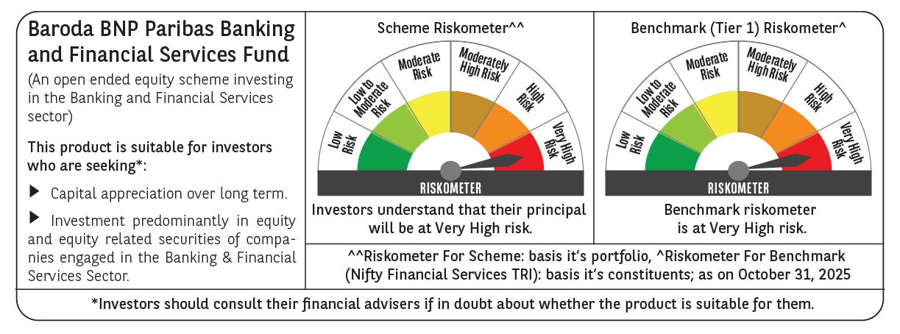

 | Monthly Performance Link: https://www.barodabnpparibasmf.in/assets/download_documents/Performance_of_Schemes-October_2025_15267.pdf

