YR29
 | Baroda BNP Paribas Banking & Financial Services Fund

 | Monthly Portfolio Statement as on November 30, 2025
 | Name of the Instrument | ISIN | Industry / Rating | Quantity | Market/Fair Value (Rs. in Lakhs) | % to Net Assets | YTM~ | YTC^ | null
 | Equity & Equity related
 | (a) Listed / awaiting listing on Stock Exchanges
HDFB03 | HDFC Bank Limited | INE040A01034 | Banks | 750,000 | 7,557.00 | 20.68%
IBCL05 | ICICI Bank Limited | INE090A01021 | Banks | 370,000 | 5,138.56 | 14.06%
SBAI02 | State Bank of India | INE062A01020 | Banks | 271,200 | 2,655.05 | 7.26%
KOMA02 | Kotak Mahindra Bank Limited | INE237A01028 | Banks | 100,000 | 2,124.40 | 5.81%
UTIB02 | Axis Bank Limited | INE238A01034 | Banks | 125,000 | 1,599.63 | 4.38%
BAFL03 | Bajaj Finance Limited | INE296A01032 | Finance | 104,760 | 1,086.89 | 2.97%
CANB02 | Canara Bank | INE476A01022 | Banks | 700,000 | 1,061.06 | 2.90%
ABFS01 | Aditya Birla Capital Limited | INE674K01013 | Finance | 260,000 | 930.93 | 2.55%
BFSL02 | Bajaj Finserv Limited | INE918I01026 | Finance | 42,500 | 889.95 | 2.44%
MCEX01 | Multi Commodity Exchange of India Limited | INE745G01035 | Capital Markets | 8,500 | 856.25 | 2.34%
USFB01 | Ujjivan Small Finance Bank Limited | INE551W01018 | Banks | 1,559,595 | 848.89 | 2.32%
ONCO02 | One 97 Communications Limited | INE982J01020 | Financial Technology (Fintech) | 54,500 | 719.73 | 1.97%
SLIF01 | SBI Life Insurance Company Limited | INE123W01016 | Insurance | 35,300 | 694.00 | 1.90%
CDSL01 | Central Depository Services (India) Limited | INE736A01011 | Capital Markets | 42,000 | 679.22 | 1.86%
KAVY06 | Karur Vysya Bank Limited | INE036D01028 | Banks | 270,000 | 669.52 | 1.83%
AFPL02 | AU Small Finance Bank Limited | INE949L01017 | Banks | 70,000 | 668.68 | 1.83%
PUBA02 | Punjab National Bank | INE160A01022 | Banks | 535,000 | 666.08 | 1.82%
INBK01 | Indian Bank | INE562A01011 | Banks | 75,000 | 652.69 | 1.79%
CHOL02 | Cholamandalam Investment and Finance Company Ltd | INE121A01024 | Finance | 32,500 | 564.20 | 1.54%
ILOM01 | ICICI Lombard General Insurance Company Limited | INE765G01017 | Insurance | 27,500 | 541.89 | 1.48%
HDLI01 | HDFC Life Insurance Company Limited | INE795G01014 | Insurance | 70,000 | 535.01 | 1.46%
IDBK01 | IDFC First Bank Limited | INE092T01019 | Banks | 600,000 | 480.78 | 1.32%
MALE02 | Poonawalla Fincorp Limited | INE511C01022 | Finance | 90,000 | 432.27 | 1.18%
IIFM02 | 360 One WAM Limited | INE466L01038 | Capital Markets | 35,000 | 414.12 | 1.13%
IIBL01 | IndusInd Bank Limited | INE095A01012 | Banks | 45,000 | 386.35 | 1.06%
RATN01 | RBL Bank Limited | INE976G01028 | Banks | 107,000 | 334.27 | 0.91%
PRUD01 | Prudent Corporate Advisory Services Limited | INE00F201020 | Capital Markets | 13,360 | 330.42 | 0.90%
ESMC02 | PB Fintech Limited | INE417T01026 | Financial Technology (Fintech) | 18,000 | 327.40 | 0.90%
FEBA02 | The Federal Bank Limited | INE171A01029 | Banks | 75,000 | 193.44 | 0.53%
AGBL01 | Angel One Limited | INE732I01013 | Capital Markets | 6,500 | 175.75 | 0.48%
 | Sub Total |  |  |  | 34,214.43 | 93.60%
 | (b) Unlisted |  |  |  | NIL | NIL
 | Sub Total |  |  |  | NIL | NIL
 | Total |  |  |  | 34,214.43 | 93.60%
 | Money Market Instruments
 | Treasury Bill
TBIL2450 | 364 Days Tbill (MD 18/12/2025) | IN002024Z362 | Sovereign | 70,000 | 69.83 | 0.19% | 5.28%
 | Sub Total |  |  |  | 69.83 | 0.19%
 | Total |  |  |  | 69.83 | 0.19%
 | Reverse Repo / TREPS
TRP_011225 | Clearing Corporation of India Ltd |  |  |  | 2,232.87 | 6.11% | 5.43%
 | Sub Total |  |  |  | 2,232.87 | 6.11%
 | Total |  |  |  | 2,232.87 | 6.11%
 | Net Receivables / (Payables) |  |  |  | 30.24 | 0.10%
 | GRAND TOTAL |  |  |  | 36,547.37 | 100.00%

 | ~ YTM as on November 30, 2025
 | ^ YTC represents Yield to Call provided by valuation agencies as on November 30, 2025. It is disclosed for Perpetual Bond issued by Banks (i.e. AT-1 Bond / Tier 1 Bond / Tier 2 Bond), as per AMFI Best Practices Guidelines Circular no. 135/BP/91/2020-21 read with SEBI circular No. SEBI/HO/IMD/DF4/CIR/P/2021/034 on Valuation of AT-1 Bonds and Tier 2 Bonds.

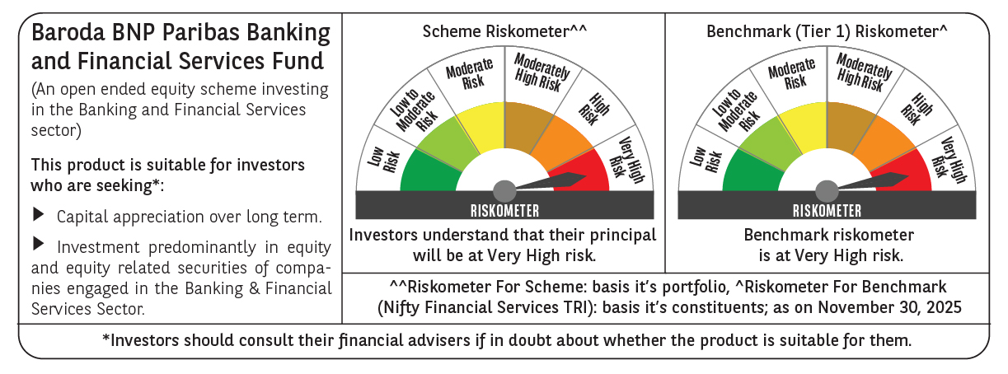

 | Monthly Performance Link: https://www.barodabnpparibasmf.in/assets/download_documents/Performance_of_Schemes_Nov-2025_15612.pdf

