YR29
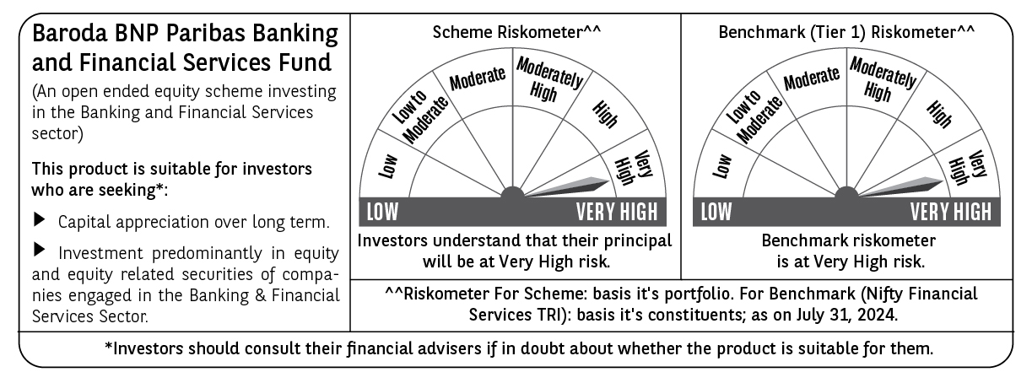
 | Baroda BNP Paribas Banking & Financial Services Fund

 | Monthly Portfolio Statement as on July 31, 2024
 | Name of the Instrument | ISIN | Industry / Rating | Quantity | Market/Fair Value (Rs. in Lakhs) | % to Net Assets | YTM~ | YTC^ | null
 | Equity & Equity related
 | (a) Listed / awaiting listing on Stock Exchanges
IBCL05 | ICICI Bank Limited | INE090A01021 | Banks | 275,000 | 3,340.98 | 20.28%
HDFB03 | HDFC Bank Limited | INE040A01034 | Banks | 167,950 | 2,713.65 | 16.47%
SBAI02 | State Bank of India | INE062A01020 | Banks | 161,500 | 1,408.93 | 8.55%
UTIB02 | Axis Bank Limited | INE238A01034 | Banks | 111,500 | 1,300.20 | 7.89%
ILOM01 | ICICI Lombard General Insurance Company Limited | INE765G01017 | Insurance | 26,000 | 522.03 | 3.17%
KOMA02 | Kotak Mahindra Bank Limited | INE237A01028 | Banks | 24,400 | 441.13 | 2.68%
SHTR01 | Shriram Finance Limited | INE721A01013 | Finance | 15,000 | 439.79 | 2.67%
KFIN01 | KFin Technologies Limited | INE138Y01010 | Capital Markets | 50,000 | 437.35 | 2.66%
MFSL01 | Mas Financial Services Limited | INE348L01012 | Finance | 139,736 | 402.37 | 2.44%
ISHF02 | India Shelter Finance Corporation Limited | INE922K01024 | Finance | 50,000 | 375.73 | 2.28%
HDLI01 | HDFC Life Insurance Company Limited | INE795G01014 | Insurance | 50,000 | 357.75 | 2.17%
BKBA02 | Bank of Baroda | INE028A01039 | Banks | 135,000 | 342.43 | 2.08%
IIFM02 | 360 One WAM Limited | INE466L01038 | Capital Markets | 30,000 | 339.69 | 2.06%
BAFL02 | Bajaj Finance Limited | INE296A01024 | Finance | 4,976 | 338.71 | 2.06%
MAXI02 | Max Financial Services Limited | INE180A01020 | Insurance | 30,000 | 333.60 | 2.03%
MCEX01 | Multi Commodity Exchange of India Limited | INE745G01035 | Capital Markets | 7,500 | 321.73 | 1.95%
PFCL01 | Power Finance Corporation Limited | INE134E01011 | Finance | 55,000 | 306.24 | 1.86%
RATN01 | RBL Bank Limited | INE976G01028 | Banks | 120,000 | 282.24 | 1.71%
MALE02 | Poonawalla Fincorp Limited | INE511C01022 | Finance | 70,000 | 258.34 | 1.57%
INBK01 | Indian Bank | INE562A01011 | Banks | 40,000 | 243.52 | 1.48%
GRAM01 | CreditAccess Grameen Limited | INE741K01010 | Finance | 18,000 | 238.98 | 1.45%
CUBI02 | City Union Bank Limited | INE491A01021 | Banks | 135,000 | 232.56 | 1.41%
RELC01 | REC Limited | INE020B01018 | Finance | 34,500 | 222.27 | 1.35%
CHOL02 | Cholamandalam Investment and Finance Company Ltd | INE121A01024 | Finance | 15,000 | 212.49 | 1.29%
CRED02 | CRISIL Limited | INE007A01025 | Finance | 4,000 | 175.30 | 1.06%
ESMC02 | PB Fintech Limited | INE417T01026 | Financial Technology (Fintech) | 12,000 | 174.36 | 1.06%
KAVY06 | Karur Vysya Bank Limited | INE036D01028 | Banks | 75,000 | 173.09 | 1.05%
RELS01 | Jio Financial Services Limited | INE758E01017 | Finance | 50,000 | 164.25 | 1.00%
 | Sub Total |  |  |  | 16,099.71 | 97.73%
 | (b) Unlisted |  |  |  | NIL | NIL
 | Sub Total |  |  |  | NIL | NIL
 | Total |  |  |  | 16,099.71 | 97.73%
 | Derivatives
 | Index / Stock Futures
HDFBAUG24 | HDFC Bank Limited August 2024 Future |  |  | 13,200 | 214.84 | 1.30%
 | Sub Total |  |  |  | 214.84 | 1.30%
 | Total |  |  |  | 214.84 | 1.30%
 | Money Market Instruments
 | Treasury Bill
TBIL2344 | 182 Days Tbill (MD 26/09/2024) | IN002023Y540 | Sovereign | 70,000 | 69.30 | 0.42% | 6.56%
 | Sub Total |  |  |  | 69.30 | 0.42%
 | Total |  |  |  | 69.30 | 0.42%
 | Reverse Repo / TREPS
TRP_010824 | Clearing Corporation of India Ltd |  |  |  | 382.05 | 2.32% | 6.42%
 | Sub Total |  |  |  | 382.05 | 2.32%
 | Total |  |  |  | 382.05 | 2.32%
 | Net Receivables / (Payables) |  |  |  | (294.39) | (1.77)%
 | GRAND TOTAL |  |  |  | 16,471.51 | 100.00%

 | ~ YTM as on July 31, 2024
 | ^ YTC represents Yield to Call provided by valuation agencies as on July 31, 2024. It is disclosed for Perpetual Bond issued by Banks (i.e. AT-1 Bond / Tier 1 Bond / Tier 2 Bond), as per AMFI Best Practices Guidelines Circular no. 135/BP/91/2020-21 read with SEBI circular No. SEBI/HO/IMD/DF4/CIR/P/2021/034 on Valuation of AT-1 Bonds and Tier 2 Bonds.
 | Details of Stock Future / Index Future
 | Long/Short | Name of the Instrument | Industry | Quantity. | Market/Fair Value (Rs. in Lacs). | % to NAV.
 | Long | HDFC Bank | Banks | 13,200 | 214.84 | 1.30%

