YR29
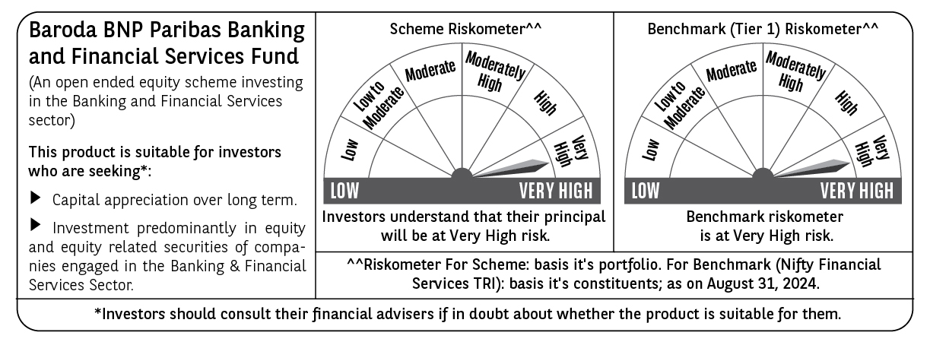
 | Baroda BNP Paribas Banking & Financial Services Fund

 | Monthly Portfolio Statement as on August 31, 2024
 | Name of the Instrument | ISIN | Industry / Rating | Quantity | Market/Fair Value (Rs. in Lakhs) | % to Net Assets | YTM~ | YTC^ | null
 | Equity & Equity related
 | (a) Listed / awaiting listing on Stock Exchanges
IBCL05 | ICICI Bank Limited | INE090A01021 | Banks | 260,000 | 3,195.92 | 18.74%
HDFB03 | HDFC Bank Limited | INE040A01034 | Banks | 182,950 | 2,994.71 | 17.56%
SBAI02 | State Bank of India | INE062A01020 | Banks | 161,500 | 1,317.19 | 7.72%
UTIB02 | Axis Bank Limited | INE238A01034 | Banks | 100,000 | 1,175.25 | 6.89%
BAFL02 | Bajaj Finance Limited | INE296A01024 | Finance | 8,976 | 646.29 | 3.79%
KOMA02 | Kotak Mahindra Bank Limited | INE237A01028 | Banks | 27,900 | 496.84 | 2.91%
SHTR01 | Shriram Finance Limited | INE721A01013 | Finance | 15,000 | 480.68 | 2.82%
HDLI01 | HDFC Life Insurance Company Limited | INE795G01014 | Insurance | 50,000 | 369.35 | 2.17%
ISHF02 | India Shelter Finance Corporation Limited | INE922K01024 | Finance | 50,000 | 367.58 | 2.16%
ILOM01 | ICICI Lombard General Insurance Company Limited | INE765G01017 | Insurance | 16,500 | 353.39 | 2.07%
MFSL01 | Mas Financial Services Limited | INE348L01012 | Finance | 119,736 | 347.53 | 2.04%
BKBA02 | Bank of Baroda | INE028A01039 | Banks | 135,000 | 337.64 | 1.98%
MAXI02 | Max Financial Services Limited | INE180A01020 | Insurance | 30,000 | 322.46 | 1.89%
MCEX01 | Multi Commodity Exchange of India Limited | INE745G01035 | Capital Markets | 6,000 | 310.97 | 1.82%
PFCL01 | Power Finance Corporation Limited | INE134E01011 | Finance | 55,000 | 302.25 | 1.77%
RATN01 | RBL Bank Limited | INE976G01028 | Banks | 120,000 | 272.94 | 1.60%
MALE02 | Poonawalla Fincorp Limited | INE511C01022 | Finance | 70,000 | 271.11 | 1.59%
KFIN01 | KFin Technologies Limited | INE138Y01010 | Capital Markets | 25,500 | 264.84 | 1.55%
IIFM02 | 360 One WAM Limited | INE466L01038 | Capital Markets | 24,000 | 257.52 | 1.51%
ESMC02 | PB Fintech Limited | INE417T01026 | Financial Technology (Fintech) | 14,500 | 256.98 | 1.51%
INBK01 | Indian Bank | INE562A01011 | Banks | 40,000 | 226.92 | 1.33%
CHOL02 | Cholamandalam Investment and Finance Company Ltd | INE121A01024 | Finance | 15,000 | 218.34 | 1.28%
RELC01 | REC Limited | INE020B01018 | Finance | 34,500 | 213.81 | 1.25%
MUFL01 | Muthoot Finance Limited | INE414G01012 | Finance | 9,500 | 186.76 | 1.09%
IIBL01 | IndusInd Bank Limited | INE095A01012 | Banks | 13,000 | 185.28 | 1.09%
AGBL01 | Angel One Limited | INE732I01013 | Capital Markets | 7,000 | 181.04 | 1.06%
CRED02 | CRISIL Limited | INE007A01025 | Finance | 4,000 | 178.47 | 1.05%
HDAM01 | HDFC Asset Management Company Limited | INE127D01025 | Capital Markets | 4,000 | 176.82 | 1.04%
CAMS01 | Computer Age Management Services Limited | INE596I01012 | Capital Markets | 4,000 | 170.45 | 1.00%
RELS01 | Jio Financial Services Limited | INE758E01017 | Finance | 50,000 | 160.85 | 0.94%
 | Sub Total |  |  |  | 16,240.18 | 95.22%
 | (b) Unlisted |  |  |  | NIL | NIL
 | Sub Total |  |  |  | NIL | NIL
 | Total |  |  |  | 16,240.18 | 95.22%
 | Derivatives
 | Index / Stock Futures
HDFBSEP24 | HDFC Bank Limited September 2024 Future |  |  | 18,700 | 307.33 | 1.80%
 | Sub Total |  |  |  | 307.33 | 1.80%
 | Total |  |  |  | 307.33 | 1.80%
 | Money Market Instruments
 | Treasury Bill
TBIL2344 | 182 Days Tbill (MD 26/09/2024) | IN002023Y540 | Sovereign | 70,000 | 69.69 | 0.41% | 6.55%
TBIL2279 | 364 Days Tbill (MD 14/11/2024) | IN002023Z356 | Sovereign | 50,000 | 49.34 | 0.29% | 6.61%
 | Sub Total |  |  |  | 119.03 | 0.70%
 | Total |  |  |  | 119.03 | 0.70%
 | Reverse Repo / TREPS
TRP_020924 | Clearing Corporation of India Ltd |  |  |  | 752.69 | 4.41% | 6.52%
 | Sub Total |  |  |  | 752.69 | 4.41%
 | Total |  |  |  | 752.69 | 4.41%
 | Net Receivables / (Payables) |  |  |  | (362.64) | (2.13)%
 | GRAND TOTAL |  |  |  | 17,056.59 | 100.00%

 | ~ YTM as on August 31, 2024
 | ^ YTC represents Yield to Call provided by valuation agencies as on August 31, 2024. It is disclosed for Perpetual Bond issued by Banks (i.e. AT-1 Bond / Tier 1 Bond / Tier 2 Bond), as per AMFI Best Practices Guidelines Circular no. 135/BP/91/2020-21 read with SEBI circular No. SEBI/HO/IMD/DF4/CIR/P/2021/034 on Valuation of AT-1 Bonds and Tier 2 Bonds.
 | Details of Stock Future / Index Future
 | Long/Short | Name of the Instrument | Industry | Quantity. | Market/Fair Value (Rs. in Lacs). | % to NAV.
 | Long | HDFC Bank | Banks | 18,700 | 307.33 | 1.80%

