Monthly Portfolio
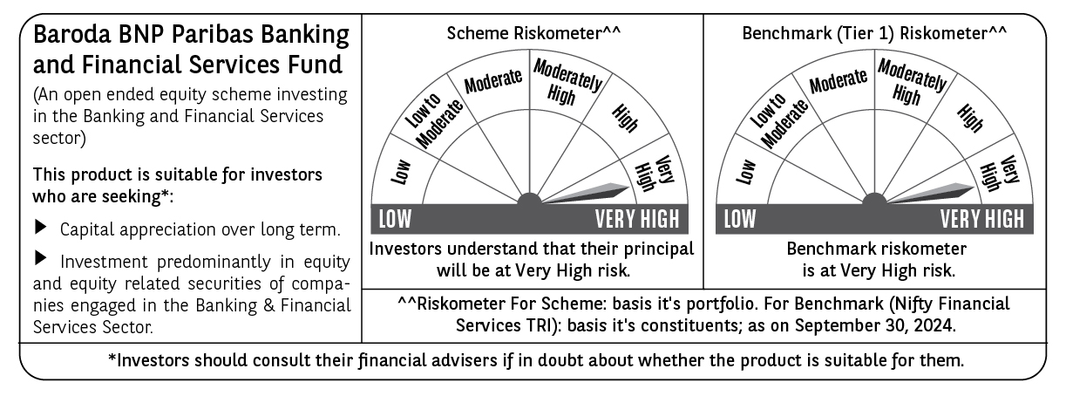
 | Baroda BNP Paribas Banking & Financial Services Fund

 | Monthly Portfolio Statement as on September 30, 2024
 | Name of the Instrument | ISIN | Industry / Rating | Quantity | Market/Fair Value (Rs. in Lakhs) | % to Net Assets | YTM~ | YTC^ | null
 | Equity & Equity related
 | (a) Listed / awaiting listing on Stock Exchanges
IBCL05 | ICICI Bank Limited | INE090A01021 | Banks | 260,000 | 3,309.80 | 17.74%
HDFB03 | HDFC Bank Limited | INE040A01034 | Banks | 182,950 | 3,168.79 | 16.98%
SBAI02 | State Bank of India | INE062A01020 | Banks | 161,500 | 1,272.46 | 6.82%
UTIB02 | Axis Bank Limited | INE238A01034 | Banks | 100,000 | 1,232.20 | 6.60%
BHFL01 | Bajaj Housing Finance Limited | INE377Y01014 | Finance | 749,929 | 1,155.34 | 6.19%
SHTR01 | Shriram Finance Limited | INE721A01013 | Finance | 18,000 | 643.85 | 3.45%
BAFL02 | Bajaj Finance Limited | INE296A01024 | Finance | 7,476 | 575.88 | 3.09%
KOMA02 | Kotak Mahindra Bank Limited | INE237A01028 | Banks | 27,900 | 517.25 | 2.77%
BFSL02 | Bajaj Finserv Limited | INE918I01026 | Finance | 25,500 | 503.22 | 2.70%
AFPL02 | AU Small Finance Bank Limited | INE949L01017 | Banks | 67,500 | 499.64 | 2.68%
PUBA02 | Punjab National Bank | INE160A01022 | Banks | 337,340 | 361.66 | 1.94%
ILOM01 | ICICI Lombard General Insurance Company Limited | INE765G01017 | Insurance | 16,500 | 358.78 | 1.92%
MAXI02 | Max Financial Services Limited | INE180A01020 | Insurance | 30,000 | 357.30 | 1.92%
HDLI01 | HDFC Life Insurance Company Limited | INE795G01014 | Insurance | 40,000 | 287.20 | 1.54%
CRED02 | CRISIL Limited | INE007A01025 | Finance | 6,000 | 279.75 | 1.50%
MFSL01 | Mas Financial Services Limited | INE348L01012 | Finance | 94,736 | 276.63 | 1.48%
MALE02 | Poonawalla Fincorp Limited | INE511C01022 | Finance | 70,000 | 276.12 | 1.48%
ISHF02 | India Shelter Finance Corporation Limited | INE922K01024 | Finance | 36,000 | 270.36 | 1.45%
PFCL01 | Power Finance Corporation Limited | INE134E01011 | Finance | 55,000 | 268.43 | 1.44%
CAMS01 | Computer Age Management Services Limited | INE596I01012 | Capital Markets | 6,000 | 264.55 | 1.42%
HDAM01 | HDFC Asset Management Company Limited | INE127D01025 | Capital Markets | 6,000 | 257.96 | 1.38%
IIFM02 | 360 One WAM Limited | INE466L01038 | Capital Markets | 24,000 | 249.50 | 1.34%
RATN01 | RBL Bank Limited | INE976G01028 | Banks | 120,000 | 245.14 | 1.31%
AGBL01 | Angel One Limited | INE732I01013 | Capital Markets | 9,500 | 243.36 | 1.30%
CHOL02 | Cholamandalam Investment and Finance Company Ltd | INE121A01024 | Finance | 15,000 | 241.20 | 1.29%
ESMC02 | PB Fintech Limited | INE417T01026 | Financial Technology (Fintech) | 14,500 | 234.89 | 1.26%
MCEX01 | Multi Commodity Exchange of India Limited | INE745G01035 | Capital Markets | 4,000 | 226.41 | 1.21%
RELC01 | REC Limited | INE020B01018 | Finance | 34,500 | 191.30 | 1.03%
IIBL01 | IndusInd Bank Limited | INE095A01012 | Banks | 13,000 | 188.19 | 1.01%
RELS01 | Jio Financial Services Limited | INE758E01017 | Finance | 50,000 | 175.30 | 0.94%
 | Sub Total |  |  |  | 18,132.46 | 97.18%
 | (b) Unlisted |  |  |  | NIL | NIL
 | Sub Total |  |  |  | NIL | NIL
 | Total |  |  |  | 18,132.46 | 97.18%
 | Derivatives
 | Index / Stock Futures
HDFBOCT24 | HDFC Bank Limited October 2024 Future |  |  | 13,200 | 230.51 | 1.24%
 | Sub Total |  |  |  | 230.51 | 1.24%
 | Total |  |  |  | 230.51 | 1.24%
 | Money Market Instruments
 | Treasury Bill
TBIL2396 | 182 Days Tbill (MD 14/02/2025) | IN002024Y209 | Sovereign | 70,000 | 68.34 | 0.37% | 6.52%
TBIL2279 | 364 Days Tbill (MD 14/11/2024) | IN002023Z356 | Sovereign | 50,000 | 49.62 | 0.27% | 6.40%
 | Sub Total |  |  |  | 117.96 | 0.64%
 | Total |  |  |  | 117.96 | 0.64%
 | Reverse Repo / TREPS
TRP_011024 | Clearing Corporation of India Ltd |  |  |  | 389.70 | 2.09% | 6.65%
 | Sub Total |  |  |  | 389.70 | 2.09%
 | Total |  |  |  | 389.70 | 2.09%
 | Net Receivables / (Payables) |  |  |  | (213.50) | (1.15)%
 | GRAND TOTAL |  |  |  | 18,657.13 | 100.00%

 | ~ YTM as on September 30, 2024
 | ^ YTC represents Yield to Call provided by valuation agencies as on September 30, 2024. It is disclosed for Perpetual Bond issued by Banks (i.e. AT-1 Bond / Tier 1 Bond / Tier 2 Bond), as per AMFI Best Practices Guidelines Circular no. 135/BP/91/2020-21 read with SEBI circular No. SEBI/HO/IMD/DF4/CIR/P/2021/034 on Valuation of AT-1 Bonds and Tier 2 Bonds.
 | Details of Stock Future / Index Future
 | Long/Short | Name of the Instrument | Industry | Quantity. | Market/Fair Value (Rs. in Lacs). | % to NAV.
 | Long | HDFC Bank | Banks | 13,200 | 230.51 | 1.24%

