YR29
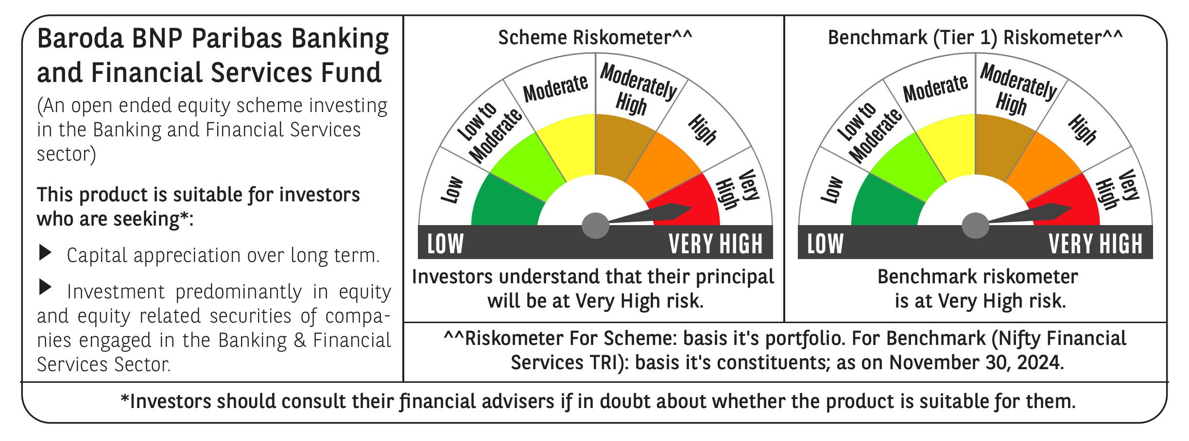
 | Baroda BNP Paribas Banking & Financial Services Fund

 | Monthly Portfolio Statement as on November 30, 2024
 | Name of the Instrument | ISIN | Industry / Rating | Quantity | Market/Fair Value (Rs. in Lakhs) | % to Net Assets | YTM~ | YTC^ | null
 | Equity & Equity related
 | (a) Listed / awaiting listing on Stock Exchanges
HDFB03 | HDFC Bank Limited | INE040A01034 | Banks | 250,450 | 4,498.21 | 22.00%
IBCL05 | ICICI Bank Limited | INE090A01021 | Banks | 285,000 | 3,705.29 | 18.12%
SBAI02 | State Bank of India | INE062A01020 | Banks | 171,500 | 1,438.80 | 7.04%
UTIB02 | Axis Bank Limited | INE238A01034 | Banks | 100,000 | 1,136.30 | 5.56%
KOMA02 | Kotak Mahindra Bank Limited | INE237A01028 | Banks | 51,400 | 907.34 | 4.44%
BFSL02 | Bajaj Finserv Limited | INE918I01026 | Finance | 37,500 | 592.48 | 2.90%
BHFL01 | Bajaj Housing Finance Limited | INE377Y01014 | Finance | 374,965 | 509.46 | 2.49%
PFCL01 | Power Finance Corporation Limited | INE134E01011 | Finance | 100,000 | 495.30 | 2.42%
BAFL02 | Bajaj Finance Limited | INE296A01024 | Finance | 7,476 | 491.61 | 2.40%
SHTR01 | Shriram Finance Limited | INE721A01013 | Finance | 16,000 | 483.14 | 2.36%
ESMC02 | PB Fintech Limited | INE417T01026 | Financial Technology (Fintech) | 24,500 | 464.01 | 2.27%
CRED02 | CRISIL Limited | INE007A01025 | Finance | 8,500 | 455.94 | 2.23%
RELC01 | REC Limited | INE020B01018 | Finance | 77,000 | 410.10 | 2.01%
AFPL02 | AU Small Finance Bank Limited | INE949L01017 | Banks | 67,500 | 393.76 | 1.93%
MUFL01 | Muthoot Finance Limited | INE414G01012 | Finance | 20,000 | 383.41 | 1.88%
HDAM01 | HDFC Asset Management Company Limited | INE127D01025 | Capital Markets | 8,000 | 336.34 | 1.64%
ILOM01 | ICICI Lombard General Insurance Company Limited | INE765G01017 | Insurance | 16,500 | 307.21 | 1.50%
PUBA02 | Punjab National Bank | INE160A01022 | Banks | 292,340 | 306.66 | 1.50%
CAMS01 | Computer Age Management Services Limited | INE596I01012 | Capital Markets | 6,000 | 295.70 | 1.45%
IIFM02 | 360 One WAM Limited | INE466L01038 | Capital Markets | 24,000 | 267.61 | 1.31%
HDLI01 | HDFC Life Insurance Company Limited | INE795G01014 | Insurance | 40,000 | 263.10 | 1.29%
AGBL01 | Angel One Limited | INE732I01013 | Capital Markets | 9,000 | 260.74 | 1.28%
MALE02 | Poonawalla Fincorp Limited | INE511C01022 | Finance | 70,000 | 248.12 | 1.21%
CHOL02 | Cholamandalam Investment and Finance Company Ltd | INE121A01024 | Finance | 20,000 | 246.79 | 1.21%
ONCO02 | One 97 Communications Limited | INE982J01020 | Financial Technology (Fintech) | 25,000 | 225.44 | 1.10%
CUBI02 | City Union Bank Limited | INE491A01021 | Banks | 125,000 | 224.41 | 1.10%
RELS01 | Jio Financial Services Limited | INE758E01017 | Finance | 50,000 | 164.18 | 0.80%
IIBL01 | IndusInd Bank Limited | INE095A01012 | Banks | 15,500 | 154.36 | 0.75%
GRAM01 | CreditAccess Grameen Limited | INE741K01010 | Finance | 8,256 | 74.47 | 0.36%
 | Sub Total |  |  |  | 19,740.28 | 96.55%
 | (b) Unlisted |  |  |  | NIL | NIL
 | Sub Total |  |  |  | NIL | NIL
 | Total |  |  |  | 19,740.28 | 96.55%
 | Derivatives
 | Index / Stock Futures
HDFBDEC24 | HDFC Bank Limited December 2024 Future |  |  | 13,200 | 238.14 | 1.16%
IBCLDEC24 | ICICI Bank Limited December 2024 Future |  |  | 9,100 | 118.98 | 0.58%
 | Sub Total |  |  |  | 357.12 | 1.74%
 | Total |  |  |  | 357.12 | 1.74%
 | Money Market Instruments
 | Treasury Bill
TBIL2396 | 182 Days Tbill (MD 14/02/2025) | IN002024Y209 | Sovereign | 70,000 | 69.08 | 0.34% | 6.45%
 | Sub Total |  |  |  | 69.08 | 0.34%
 | Total |  |  |  | 69.08 | 0.34%
 | Reverse Repo / TREPS
TRP_021224 | Clearing Corporation of India Ltd |  |  |  | 621.26 | 3.04% | 6.69%
 | Sub Total |  |  |  | 621.26 | 3.04%
 | Total |  |  |  | 621.26 | 3.04%
 | Net Receivables / (Payables) |  |  |  | (340.26) | (1.67)%
 | GRAND TOTAL |  |  |  | 20,447.48 | 100.00%

 | ~ YTM as on November 30, 2024
 | ^ YTC represents Yield to Call provided by valuation agencies as on November 30, 2024. It is disclosed for Perpetual Bond issued by Banks (i.e. AT-1 Bond / Tier 1 Bond / Tier 2 Bond), as per AMFI Best Practices Guidelines Circular no. 135/BP/91/2020-21 re
 | Details of Stock Future / Index Future
 | Long/Short | Name of the Instrument | Industry | Quantity. | Market/Fair Value (Rs. in Lacs). | % to NAV.
 | Long | HDFC Bank Limited_26/12/2024 | Banks | 13,200 | 238.14 | 1.16%
 | Long | ICICI Bank Limited_26/12/2024 | Banks | 9,100 | 118.98 | 0.58%

