Monthly Portfolio
 | Baroda BNP Paribas Credit Risk Fund

 | Monthly Portfolio Statement as on September 30, 2025 $$
 | Name of the Instrument | ISIN | Industry / Rating | Quantity | Market/Fair Value (Rs. in Lakhs) | % to Net Assets | YTM~ | YTC^ | null
 | Equity & Equity related
 | (b) Reits
BRFI01 | Brookfield India Real Estate Trust | INE0FDU25010 | Realty | 107,993 | 370.48 | 1.89%
EOPR01 | Embassy Office Parks REIT | INE041025011 | Realty | 65,000 | 274.25 | 1.40%
 | Sub Total |  |  |  | 644.73 | 3.29%
 | (c) Invits
NHIT01 | National Highways Infra Trust | INE0H7R23014 | Transport Infrastructure | 75,000 | 105.20 | 0.54%
BHHI01 | Indus Infra Trust | INE0NHL23019 | Transport Infrastructure | 54,999 | 62.84 | 0.32%
 | Sub Total |  |  |  | 168.04 | 0.86%
 | Total |  |  |  | 812.77 | 4.15%
 | Debt Instruments
 | (a) Listed / awaiting listing on Stock Exchange
TATP52 | 8.35% Tata Projects Limited (22/07/2027) ** | INE725H08204 | FITCH AA | 1,500 | 1,522.17 | 7.75% | 7.42%
NCCL50 | 7.70% Nuvoco Vistas Corporation Limited (18/09/2028) ** | INE118D08078 | CRISIL AA | 1,500 | 1,497.66 | 7.62% | 7.76%
JVSL215 | 8.25% JSW Steel Limited (23/12/2027) ** | INE019A08033 | ICRA AA | 130 | 1,303.97 | 6.64% | 6.48%
PHFL84 | 6.75% Piramal Finance Limited (26/09/2031) ** | INE516Y07444 | ICRA AA | 174,706 | 1,298.98 | 6.61% | 9.40%
MUND173 | 9.35% Adani Ports and Special Economic Zone Limited (04/07/2026) ** | INE742F07361 | ICRA AAA | 100 | 1,013.76 | 5.16% | 7.26%
NIMA374 | 8.5% Nirma Limited (07/04/2027) ** | INE091A07208 | CRISIL AA | 1,000 | 1,011.67 | 5.15% | 7.53%
SHHF36 | 8.60% Truhome Finance Limited (27/08/2027) ** | INE432R07455 | FITCH AA | 1,000 | 1,011.58 | 5.15% | 7.90%
SESA536 | 9.40% Vedanta Limited (20/02/2027) ** | INE205A08038 | ICRA AA | 1,000 | 1,004.22 | 5.11% | 9.00%
GOI6703 | 6.33% Government of India (05/05/2035) | IN0020250026 | Sovereign | 1,000,000 | 982.91 | 5.00% | 6.68%
GOI6919 | 6.01% Government of India (21/07/2030) | IN0020250067 | Sovereign | 900,000 | 892.64 | 4.54% | 6.30%
IIFW289 | 9.41% 360 One Prime Limited (18/01/2026) ** | INE248U07EQ0 | CRISIL AA | 85,000 | 852.65 | 4.34% | 7.87%
ICFP150 | 9.95% IndoStar Capital Finance Limited (26/06/2026) ** | INE896L07AH2 | CARE AA- | 750 | 755.82 | 3.85% | 8.79%
GOI5817 | 7.04% Government of India (03/06/2029) | IN0020240050 | Sovereign | 700,000 | 722.27 | 3.68% | 6.15%
AHFC51 | 8.55% Motilal Oswal Home Finance Limited (07/01/2027) ** | INE658R07430 | ICRA AA | 700 | 708.30 | 3.60% | 7.48%
SIDB573 | 7.34% Small Industries Dev Bank of India (26/02/2029) ** | INE556F08KS8 | CRISIL AAA | 500 | 507.07 | 2.58% | 6.88%
SESA538 | 9.31% Vedanta Limited (03/12/2027) ** | INE205A08046 | CRISIL AA | 500 | 500.40 | 2.55% | 9.27%
NIMA376 | 8.4% Nirma Limited (07/04/2026) ** | INE091A07216 | CRISIL AA | 410 | 411.87 | 2.10% | 7.02%
GOI3591 | 6.91% State Government Securities (15/09/2033) | IN2220210248 | Sovereign | 400,000 | 393.67 | 2.00% | 7.30%
RECL356 | 8.8% REC Limited (22/01/2029) ** | INE020B08BJ2 | CRISIL AAA | 25 | 264.81 | 1.35% | 6.88%
GOI6156 | 6.79% Government of India (07/10/2034) | IN0020240126 | Sovereign | 200,000 | 201.98 | 1.03% | 6.75%
ICFP143 | 9.95% IndoStar Capital Finance Limited (28/02/2026) ** | INE896L07959 | CARE AA- | 200 | 201.16 | 1.02% | 8.76%
PGCI456 | 7.56% Power Grid Corporation of India Limited (31/03/2033) ** | INE752E08692 | CRISIL AAA | 250 | 198.17 | 1.01% | 7.04%
GOI5228 | 7.18% Government of India (14/08/2033) | IN0020230085 | Sovereign | 150,000 | 154.94 | 0.79% | 6.74%
HPEC303 | 7.74% Hindustan Petroleum Corporation Limited (02/03/2028) ** | INE094A08150 | CRISIL AAA | 150 | 153.91 | 0.78% | 6.51%
GOI4485 | 7.38% Government of India (20/06/2027) | IN0020220037 | Sovereign | 100,000 | 102.66 | 0.52% | 5.81%
 | Sub Total |  |  |  | 17,669.24 | 89.93%
 | (b) Privately placed / Unlisted |  |  |  | NIL | NIL
 | Sub Total |  |  |  | NIL | NIL
 | Total |  |  |  | 17,669.24 | 89.93%
 | Others
 | Corporate Debt Market Development Fund
CDMD50ME | Corporate Debt Market Development Fund # | INF0RQ622028 |  | 557 | 63.39 | 0.32% | 5.62%
 | Sub Total |  |  |  | 63.39 | 0.32%
 | Total |  |  |  | 63.39 | 0.32%
 | Reverse Repo / TREPS
TRP_011025 | Clearing Corporation of India Ltd |  |  |  | 612.52 | 3.12% | 5.53%
 | Sub Total |  |  |  | 612.52 | 3.12%
 | (b) Privately placed / Unlisted |  |  |  | NIL | NIL
 | Sub Total |  |  |  | NIL | NIL
 | Total |  |  |  | 612.52 | 3.12%
 | Net Receivables / (Payables) |  |  |  | 490.65 | 2.48%
 | GRAND TOTAL |  |  |  | 19,648.57 | 100.00%

 | ** Thinly Traded / Non Traded Security
 | # Unlisted Security
 | ~ YTM as on September 30, 2025
 | ^ YTC represents Yield to Call provided by valuation agencies as on September 30, 2025. It is disclosed for Perpetual Bond issued by Banks (i.e. AT-1 Bond / Tier 1 Bond / Tier 2 Bond), as per AMFI Best Practices Guidelines Circular no. 135/BP/91/2020-21 read with SEBI circular No. SEBI/HO/IMD/DF4/CIR/P/2021/034 on Valuation of AT-1 Bonds and Tier 2 Bonds.

 | Baroda BNP Paribas Credit Risk Fund Segregated Portfolio 1

 | Fortnightly Portfolio Statement as on September 30, 2025
 | Name of the Instrument | ISIN | Industry / Rating | Quantity | Market/Fair Value (Rs. in Lakhs) | % to Net Assets | YTM~ | YTC
 | Debt Instruments
 | (a) Listed / awaiting listing on Stock Exchange
 | 9% Yes Bank Limited (18/10/2025)^ | INE528G08394 | ICRA D | 250 | 0.00 | 0.00%
 | Sub Total |  |  |  | 0.00 | 0.00%
 | (b) Privately placed / Unlisted |  |  |  | NIL | NIL
 | Sub Total |  |  |  | NIL | NIL
 | Total |  |  |  | 0.00 | 0.00%
 | Net Receivables / (Payables) |  |  |  | 0.00 | 0.00%
 | GRAND TOTAL |  |  |  | 0.00 | 0.00%

 | ~ YTM as on September 30, 2025

 | Baroda BNP Paribas Credit Risk Fund Segregated Portfolio 2 $$

 | Fortnightly Portfolio Statement as on September 30, 2025
 | Name of the Instrument | ISIN | Industry / Rating | Quantity | Market/Fair Value (Rs. in Lakhs) | % to Net Assets | YTM~ | YTC
 | Debt Instruments
 | (a) Listed / awaiting listing on Stock Exchange
 | 9% Yes Bank Limited (18/10/2025)^ | INE528G08394 | ICRA D | 335 | 0.00 | 0.00%
 | Sub Total |  |  |  | 0.00 | 0.00%
 | (b) Privately placed / Unlisted |  |  |  | NIL | NIL
 | Sub Total |  |  |  | NIL | NIL
 | Total |  |  |  | 0.00 | 0.00%
 | Net Receivables / (Payables) |  |  |  | 0.00 | 0.00%
 | GRAND TOTAL |  |  |  | 0.00 | 0.00%

 | ~ YTM as on September 30, 2025
 | $$ Baroda BNP Paribas Medium Duration Fund got merged with Baroda BNP Paribas Credit Risk Fund effective September 11, 2024. Accordingly Portfolio disclosures are being made only for the surving scheme (i.e. Baroda BNP Paribas Credit Risk Fund).
 | ^ YTC represents Yield to Call provided by valuation agencies as on September 30, 2025. It is disclosed for Perpetual Bond issued by Banks (i.e. AT-1 Bond / Tier 1 Bond / Tier 2 Bond), as per AMFI Best Practices Guidelines Circular no. 135/BP/91/2020-21 read with SEBI circular No. SEBI/HO/IMD/DF4/CIR/P/2021/034 on Valuation of AT-1 Bonds and Tier 2 Bonds.

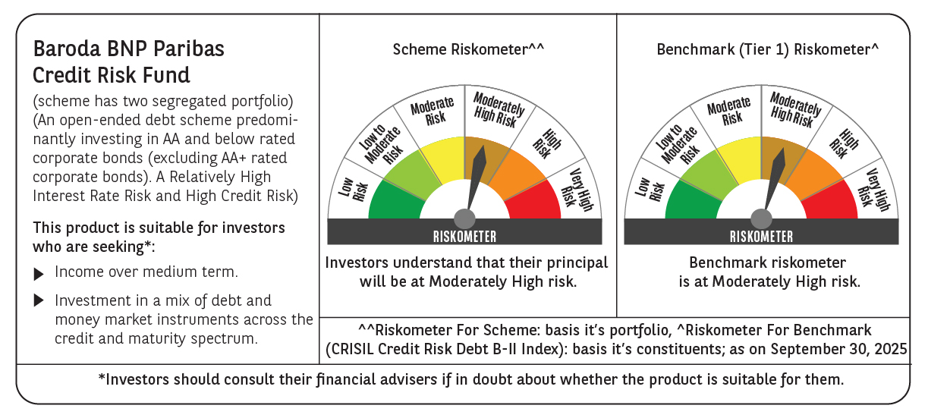

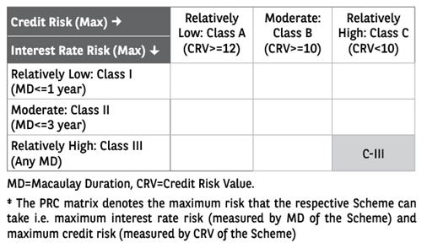

 | Monthly Performance Link: https://www.barodabnpparibasmf.in/assets/download_documents/Performance_of_Schemes_September_14618.pdf

