YR45
 | Baroda BNP Paribas Credit Risk Fund

 | Monthly Portfolio Statement as on July 31, 2024
 | Name of the Instrument | ISIN | Industry / Rating | Quantity | Market/Fair Value (Rs. in Lakhs) | % to Net Assets | YTM~ | YTC^ | null
 | Equity & Equity related
 | (b) Reits
BRFI01 | Brookfield India Real Estate Trust | INE0FDU25010 | Realty | 35,000 | 93.95 | 0.67%
 | Sub Total |  |  |  | 93.95 | 0.67%
 | (c) Invits
BHHI01 | Bharat Highways Invit | INE0NHL23019 | Construction | 54,999 | 58.67 | 0.42%
 | Sub Total |  |  |  | 58.67 | 0.42%
 | Total |  |  |  | 152.62 | 1.09%
 | Debt Instruments
 | (a) Listed / awaiting listing on Stock Exchange
JVSL215 | 8.25% JSW Steel Limited (23/12/2027) ** | INE019A08033 | ICRA AA | 110 | 1,100.62 | 7.80% | 8.15%
ICFP132 | 9.95% IndoStar Capital Finance Limited (21/03/2025) ** | INE896L07868 | CRISIL AA- | 1,100 | 1,099.13 | 7.79% | 10.46%
NCCL44 | 7.75% Nuvoco Vistas Corporation Limited (28/08/2025) ** | INE118D07195 | CRISIL AA | 110 | 1,093.89 | 7.75% | 8.29%
MUND173 | 9.35% Adani Ports and Special Economic Zone Limited (04/07/2026) ** | INE742F07361 | ICRA AAA | 100 | 1,013.69 | 7.19% | 8.53%
NIMA374 | 8.5% Nirma Limited (07/04/2027) ** | INE091A07208 | CRISIL AA | 1,000 | 1,003.55 | 7.11% | 8.30%
GOSL384 | 8.42% Godrej Industries Limited (27/12/2027) ** | INE233A08139 | CRISIL AA | 1,000 | 1,001.35 | 7.10% | 8.39%
CENT241 | 8.1% Century Textiles & Industries Limited (25/04/2026) ** | INE055A08037 | CRISIL AA | 1,000 | 999.96 | 7.09% | 8.09%
PHFL84 | 6.75% Piramal Capital & Housing Finance Limited (26/09/2031) ** | INE516Y07444 | ICRA AA | 127,777 | 968.74 | 6.87% | 11.12%
APSB23 | 9.62% Andhra Pradesh State Beverages Corporation Limited (29/05/2026) ** | INE0M2307040 | FITCH AA(CE) | 80 | 808.03 | 5.73% | 9.17%
JMFP872 | 8.5% JM Financial Products Limited (16/05/2025) ** | INE523H07BV9 | ICRA AA | 80 | 795.38 | 5.64% | 9.31%
GOI5379 | 7.32% Government of India (13/11/2030) | IN0020230135 | Sovereign | 750,000 | 766.06 | 5.43% | 7.01%
SAIL159 | 9% Steel Authority of India Limited (14/10/2024) ** | INE114A07869 | CARE AA | 60 | 600.98 | 4.26% | 7.63%
GOI5196 | 7.18% Government of India (24/07/2037) | IN0020230077 | Sovereign | 500,000 | 508.32 | 3.60% | 7.10%
GOI5228 | 7.18% Government of India (14/08/2033) | IN0020230085 | Sovereign | 500,000 | 507.20 | 3.60% | 7.08%
APSB31 | 9.62% Andhra Pradesh State Beverages Corporation Limited (28/11/2025) ** | INE0M2307131 | FITCH AA(CE) | 50 | 503.18 | 3.57% | 9.21%
PGCI456 | 7.56% Power Grid Corporation of India Limited (31/03/2033) ** | INE752E08692 | CRISIL AAA | 150 | 136.49 | 0.97% | 7.45%
 | Sub Total |  |  |  | 12,906.57 | 91.50%
 | (b) Privately placed / Unlisted |  |  |  | NIL | NIL
 | Sub Total |  |  |  | NIL | NIL
 | Total |  |  |  | 12,906.57 | 91.50%
 | Others
 | Corporate Debt Market Development Fund
CDMD50ME | Corporate Debt Market Development Fund # | INF0RQ622028 |  | 467 | 48.20 | 0.34%
 | Sub Total |  |  |  | 48.20 | 0.34%
 | Total |  |  |  | 48.20 | 0.34%
 | Reverse Repo / TREPS
TRP_010824 | Clearing Corporation of India Ltd |  |  |  | 644.14 | 4.57% | 6.42%
 | Sub Total |  |  |  | 644.14 | 4.57%
 | (b) Privately placed / Unlisted |  |  |  | NIL | NIL
 | Sub Total |  |  |  | NIL | NIL
 | Total |  |  |  | 644.14 | 4.57%
 | Net Receivables / (Payables) |  |  |  | 356.02 | 2.50%
 | GRAND TOTAL |  |  |  | 14,107.55 | 100.00%

 | ** Thinly Traded / Non Traded Security
 | # Unlisted Security
 | ~ YTM as on July 31, 2024
 | ^ YTC represents Yield to Call provided by valuation agencies as on July 31, 2024. It is disclosed for Perpetual Bond issued by Banks (i.e. AT-1 Bond / Tier 1 Bond / Tier 2 Bond), as per AMFI Best Practices Guidelines Circular no. 135/BP/91/2020-21 read with SEBI circular No. SEBI/HO/IMD/DF4/CIR/P/2021/034 on Valuation of AT-1 Bonds and Tier 2 Bonds.

 | Baroda BNP Paribas Credit Risk Fund Segregated Portfolio 1

 | Monthly Portfolio Statement as on July 31, 2024
 | Name of the Instrument | ISIN | Industry / Rating | Quantity | Market/Fair Value (Rs. in Lakhs) | % to Net Assets | YTM~ | YTC
 | Debt Instruments
 | (a) Listed / awaiting listing on Stock Exchange
 | 9% Yes Bank Limited (18/10/2024) | INE528G08394 | ICRA D | 250 | 0.00 | 0.00%
 | Sub Total |  |  |  | 0.00 | 0.00%
 | (b) Privately placed / Unlisted |  |  |  | NIL | NIL
 | Sub Total |  |  |  | NIL | NIL
 | Total |  |  |  | 0.00 | 0.00%
 | Net Receivables / (Payables) |  |  |  | 0.00 | 0.00%
 | GRAND TOTAL |  |  |  | 0.00 | 0.00%

 | ~ YTM as on July 31, 2024

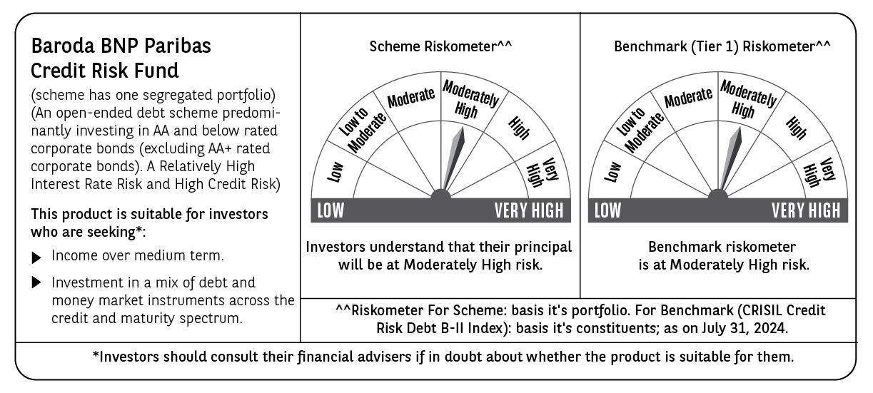

 | Potential Risk Class (PRC) matrix*
 | Credit Risk (Max)→ | Relatively Low: Class A (CRV>=12) | Moderate: Class B (CRV>=10) | Relatively High: Class C (CRV<10)
 | Interest Rate Risk (Max)↓
 | Relatively Low: Class I (MD<=1 year)
 | Moderate: Class II
 | (MD<=3 year)
 | Relatively High: Class III |  |  | C-III
 | (Any MD)
 | MD=Macaulay Duration, CRV=Credit Risk Value.
 | *The PRC matrix denotes the maximum risk that the respective Scheme can take i.e. maximum interest rate risk (measured by MD of the Scheme) and maximum credit risk (measured by CRV of the Scheme)

