Monthly Portfolio
 | Baroda BNP Paribas Credit Risk Fund

 | Monthly Portfolio Statement as on September 30, 2024 $$
 | Name of the Instrument | ISIN | Industry / Rating | Quantity | Market/Fair Value (Rs. in Lakhs) | % to Net Assets | YTM~ | YTC^ | null
 | Equity & Equity related
 | (b) Reits
BRFI01 | Brookfield India Real Estate Trust | INE0FDU25010 | Realty | 35,000 | 99.81 | 0.60%
 | Sub Total |  |  |  | 99.81 | 0.60%
 | (c) Invits
BHHI01 | Bharat Highways Invit | INE0NHL23019 | Construction | 54,999 | 63.14 | 0.38%
 | Sub Total |  |  |  | 63.14 | 0.38%
 | Total |  |  |  | 162.95 | 0.98%
 | Debt Instruments
 | (a) Listed / awaiting listing on Stock Exchange
JVSL215 | 8.25% JSW Steel Limited (23/12/2027) ** | INE019A08033 | ICRA AA | 130 | 1,299.03 | 7.76% | 8.27%
SAIL159 | 9% Steel Authority of India Limited (14/10/2024) ** | INE114A07869 | CARE AA | 110 | 1,100.34 | 6.57% | 7.47%
ICFP132 | 9.95% IndoStar Capital Finance Limited (21/03/2025) ** | INE896L07868 | CRISIL AA- | 1,100 | 1,099.48 | 6.57% | 10.44%
NCCL44 | 7.75% Nuvoco Vistas Corporation Limited (28/08/2025) ** | INE118D07195 | CRISIL AA | 110 | 1,095.27 | 6.54% | 8.20%
GOI5196 | 7.18% Government of India (24/07/2037) | IN0020230077 | Sovereign | 1,000,000 | 1,032.26 | 6.17% | 6.91%
GOI5379 | 7.32% Government of India (13/11/2030) | IN0020230135 | Sovereign | 1,000,000 | 1,031.05 | 6.16% | 6.80%
PHFL84 | 6.75% Piramal Capital & Housing Finance Limited (26/09/2031) | INE516Y07444 | ICRA AA | 137,777 | 1,025.12 | 6.12% | 10.80%
MUND173 | 9.35% Adani Ports and Special Economic Zone Limited (04/07/2026) ** | INE742F07361 | ICRA AAA | 100 | 1,014.69 | 6.06% | 8.37%
GOSL384 | 8.42% Godrej Industries Limited (27/12/2027) ** | INE233A08139 | CRISIL AA | 1,000 | 1,008.29 | 6.02% | 8.13%
NIMA374 | 8.5% Nirma Limited (07/04/2027) ** | INE091A07208 | CRISIL AA | 1,000 | 1,006.13 | 6.01% | 8.17%
JMFP872 | 8.5% JM Financial Products Limited (16/05/2025) ** | INE523H07BV9 | ICRA AA | 100 | 997.85 | 5.96% | 8.95%
GOI5228 | 7.18% Government of India (14/08/2033) | IN0020230085 | Sovereign | 500,000 | 513.73 | 3.07% | 6.88%
SIDB543 | 7.75% Small Industries Dev Bank of India (10/06/2027) ** | INE556F08KN9 | CRISIL AAA | 500 | 502.69 | 3.00% | 7.52%
GOI3591 | 6.91% State Government Securities (15/09/2033) | IN2220210248 | Sovereign | 400,000 | 396.12 | 2.37% | 7.18%
RECL356 | 8.8% REC Limited (22/01/2029) ** | INE020B08BJ2 | CRISIL AAA | 25 | 265.02 | 1.58% | 7.28%
PGCI456 | 7.56% Power Grid Corporation of India Limited (31/03/2033) ** | INE752E08692 | CRISIL AAA | 250 | 222.79 | 1.33% | 7.23%
ICFP143 | 9.95% IndoStar Capital Finance Limited (28/02/2026) ** | INE896L07959 | CARE AA- | 200 | 198.91 | 1.19% | 10.78%
HPEC303 | 7.74% Hindustan Petroleum Corporation Limited (02/03/2028) ** | INE094A08150 | CRISIL AAA | 150 | 152.68 | 0.91% | 7.11%
BSNL21 | 6.79% Bharat Sanchar Nigam Limited (23/09/2030) ** | INE103D08021 | CRISIL AAA(CE) | 15 | 144.64 | 0.86% | 7.69%
PGCI407 | 7.89% Power Grid Corporation of India Limited (09/03/2027) ** | INE752E07OE0 | CRISIL AAA | 11 | 111.46 | 0.67% | 7.25%
GOI4485 | 7.38% Government of India (20/06/2027) | IN0020220037 | Sovereign | 100,000 | 101.74 | 0.61% | 6.77%
SBAI203 | 6.24% State Bank of India (20/09/2030) ** | INE062A08256 | CRISIL AAA | 10 | 98.13 | 0.59% | 6.63% | 8.32%
GOI5081 | 7.17% Government of India (17/04/2030) | IN0020230036 | Sovereign | 50,000 | 51.09 | 0.31% | 6.80%
 | Sub Total |  |  |  | 14,468.51 | 86.43%
 | (b) Privately placed / Unlisted |  |  |  | NIL | NIL
 | Sub Total |  |  |  | NIL | NIL
 | Total |  |  |  | 14,468.51 | 86.43%
 | Others
 | Corporate Debt Market Development Fund
CDMD50ME | Corporate Debt Market Development Fund # | INF0RQ622028 |  | 557 | 57.94 | 0.35%
 | Sub Total |  |  |  | 57.94 | 0.35%
 | Total |  |  |  | 57.94 | 0.35%
 | Reverse Repo / TREPS
TRP_011024 | Clearing Corporation of India Ltd |  |  |  | 1,631.39 | 9.75% | 6.65%
 | Sub Total |  |  |  | 1,631.39 | 9.75%
 | (b) Privately placed / Unlisted |  |  |  | NIL | NIL
 | Sub Total |  |  |  | NIL | NIL
 | Total |  |  |  | 1,631.39 | 9.75%
 | Net Receivables / (Payables) |  |  |  | 419.14 | 2.49%
 | GRAND TOTAL |  |  |  | 16,739.93 | 100.00%

 | ** Thinly Traded / Non Traded Security
 | # Unlisted Security
 | ~ YTM as on September 30, 2024
 | ^ YTC represents Yield to Call provided by valuation agencies as on September 30, 2024. It is disclosed for Perpetual Bond issued by Banks (i.e. AT-1 Bond / Tier 1 Bond / Tier 2 Bond), as per AMFI Best Practices Guidelines Circular no. 135/BP/91/2020-21 read with SEBI circular No. SEBI/HO/IMD/DF4/CIR/P/2021/034 on Valuation of AT-1 Bonds and Tier 2 Bonds.

 | Baroda BNP Paribas Credit Risk Fund Segregated Portfolio 1

 | Fortnightly Portfolio Statement as on September 30, 2024
 | Name of the Instrument | ISIN | Industry / Rating | Quantity | Market/Fair Value (Rs. in Lakhs) | % to Net Assets | YTM~ | YTC
 | Debt Instruments
 | (a) Listed / awaiting listing on Stock Exchange
 | 9% Yes Bank Limited (18/10/2024) | INE528G08394 | ICRA D | 250 | 0.00 | 0.00%
 | Sub Total |  |  |  | 0.00 | 0.00%
 | (b) Privately placed / Unlisted |  |  |  | NIL | NIL
 | Sub Total |  |  |  | NIL | NIL
 | Total |  |  |  | 0.00 | 0.00%
 | Net Receivables / (Payables) |  |  |  | 0.00 | 0.00%
 | GRAND TOTAL |  |  |  | 0.00 | 0.00%

 | ~ YTM as on September 30, 2024

 | Baroda BNP Paribas Credit Risk Fund Segregated Portfolio 2 $$

 | Fortnightly Portfolio Statement as on September 30, 2024
 | Name of the Instrument | ISIN | Industry / Rating | Quantity | Market/Fair Value (Rs. in Lakhs) | % to Net Assets | YTM~ | YTC
 | Debt Instruments
 | (a) Listed / awaiting listing on Stock Exchange
 | 9% Yes Bank Limited (18/10/2024) | INE528G08394 | ICRA D | 335 | 0.00 | 0.00%
 | Sub Total |  |  |  | 0.00 | 0.00%
 | (b) Privately placed / Unlisted |  |  |  | NIL | NIL
 | Sub Total |  |  |  | NIL | NIL
 | Total |  |  |  | 0.00 | 0.00%
 | Net Receivables / (Payables) |  |  |  | 0.00 | 0.00%
 | GRAND TOTAL |  |  |  | 0.00 | 0.00%

 | ~ YTM as on September 30, 2024
 | $$ Baroda BNP Paribas Medium Duration Fund got merged with Baroda BNP Paribas Credit Risk Fund effective September 11, 2024. Accordingly Portfolio disclosures are being made only for the surving scheme (i.e. Baroda BNP Paribas Credit Risk Fund). Further note that Baroda BNP Medium Duration Fund Segregated Portfolio 1 is now renamed as Baroda BNP Paribas Credit Risk Fund Segregated Portfolio 2 and accordingly disclosures are being made in the surving scheme. For further details pls refer notice available on AMC Website. : >>Downloads>>Notice cum Addendum>> Merger of Baroda BNP Paribas Medium Duration Fund into Baroda BNP Paribas Credit Risk Fund.

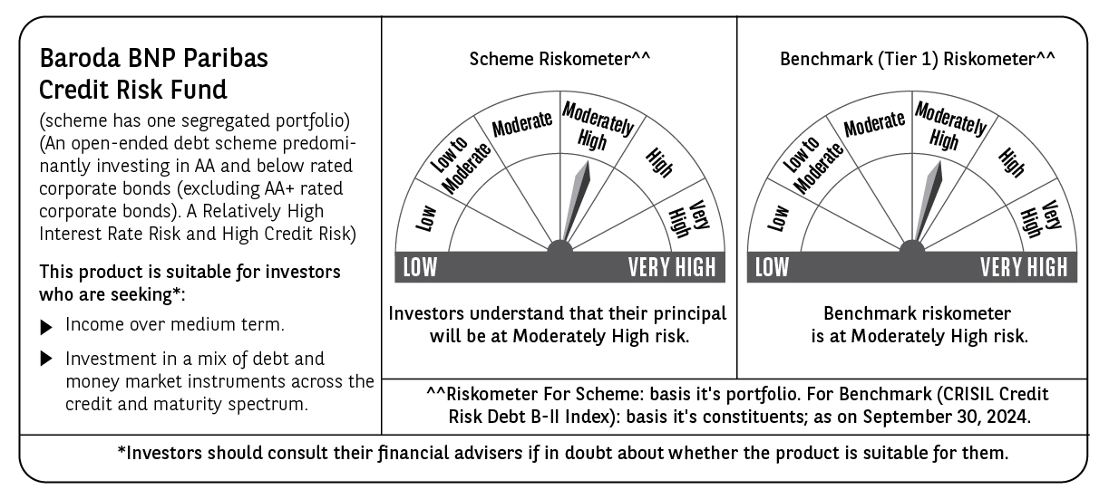

 | Potential Risk Class (PRC) matrix*
 | Credit Risk (Max)→ | Relatively Low: Class A (CRV>=12) | Moderate: Class B (CRV>=10) | Relatively High: Class C (CRV<10)
 | Interest Rate Risk (Max)↓
 | Relatively Low: Class I (MD<=1 year)
 | Moderate: Class II
 | (MD<=3 year)
 | Relatively High: Class III |  |  | C-III
 | (Any MD)
 | MD=Macaulay Duration, CRV=Credit Risk Value.
 | *The PRC matrix denotes the maximum risk that the respective Scheme can take i.e. maximum interest rate risk (measured by MD of the Scheme) and maximum credit risk (measured by CRV of the Scheme)

