YR47
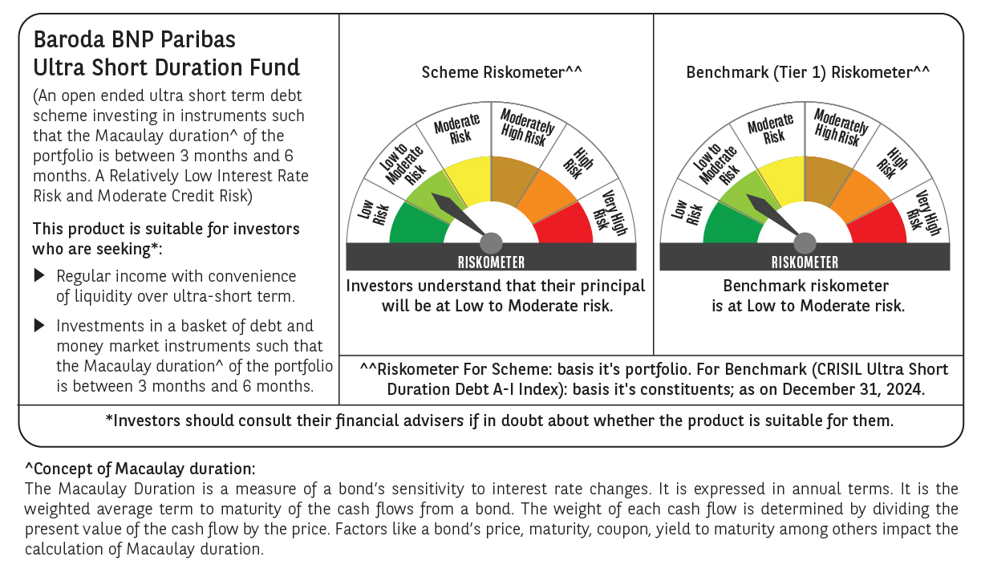

 | Baroda BNP Paribas Ultra Short Duration Fund

 | Monthly Portfolio Statement as on December 31, 2024
 | Name of the Instrument | ISIN | Rating | Quantity | Market/Fair Value (Rs. in Lakhs) | % to Net Assets | YTM~ | YTC^ | null
 | Debt Instruments
 | (a) Listed / awaiting listing on Stock Exchange
POWF459 | 7.17% Power Finance Corporation Limited (22/05/2025) ** | INE134E08KT5 | CRISIL AAA | 900 | 8,975.94 | 8.02% | 7.55%
NHBA317 | 7.34% National Housing Bank (07/08/2025) ** | INE557F08FN7 | CRISIL AAA | 350 | 3,492.52 | 3.12% | 7.67%
GOI2936 | 4.7% Government of India (22/09/2033) | IN0020200120 | Sovereign | 2,500,000 | 2,566.25 | 2.29% | 7.45%
GOI1399 | 8.15% State Government Securities (13/11/2025) | IN2120150064 | Sovereign | 2,500,000 | 2,526.03 | 2.26% | 6.99%
BHAT66 | 8.90% Bharti Telecom Limited (04/12/2025) ** | INE403D08181 | CRISIL AA+ | 2,500 | 2,516.32 | 2.25% | 8.09%
EXIM730 | 7.2% Export Import Bank of India (05/06/2025) ** | INE514E08FY8 | CRISIL AAA | 250 | 2,492.60 | 2.23% | 7.60%
EXIM677 | 5.62% Export Import Bank of India (20/06/2025) ** | INE514E08FU6 | CRISIL AAA | 250 | 2,475.20 | 2.21% | 7.60%
HHFL205 | 8.94% Hero Fincorp Limited (10/09/2025) ** | INE957N07781 | CRISIL AA+ | 2,400 | 2,399.91 | 2.14% | 8.71%
SHTR504 | 9.25% Shriram Finance Limited (19/12/2025) | INE721A07RU2 | CRISIL AA+ | 1,500 | 1,506.85 | 1.35% | 8.71%
GOI2340 | 6.9% State Government Securities (16/10/2025) | IN3120190126 | Sovereign | 1,000,000 | 1,000.65 | 0.89% | 6.91%
PHFL128 | Piramal Capital & Housing Finance Limited (21/02/2025) (FRN) ** | INE516Y07485 | ICRA AA | 1,000 | 999.74 | 0.89% | 8.47%
IIFW288 | 9.22% 360 One Prime Limited (18/07/2025) ** | INE248U07EV0 | CRISIL AA | 80,000 | 800.76 | 0.72% | 9.19%
GOI1371 | 7.96% State Government Securities (14/10/2025) | IN2220150105 | Sovereign | 500,000 | 504.17 | 0.45% | 6.95%
 | Sub Total |  |  |  | 32,256.94 | 28.82%
 | (b) Privately placed / Unlisted |  |  |  | NIL | NIL
 | Sub Total |  |  |  | NIL | NIL
 | (c) Securitised Debt
IUNT23 | India Universal Trust (21/11/2026) ** | INE1CBK15011 | CRISIL AAA(SO) | 13 | 1,236.00 | 1.10% | 8.36%
 | Sub Total |  |  |  | 1,236.00 | 1.10%
 | (b) Privately placed / Unlisted |  |  |  | NIL | NIL
 | Sub Total |  |  |  | NIL | NIL
 | Total |  |  |  | 33,492.94 | 29.92%
 | Money Market Instruments
 | Certificate of Deposit
UNBI395 | Union Bank of India (18/03/2025) ** # | INE692A16HP7 | FITCH A1+ | 1,100 | 5,417.93 | 4.84% | 7.28%
IBCL1164 | ICICI Bank Limited (25/02/2025) # | INE090AD6121 | ICRA A1+ | 1,000 | 4,945.97 | 4.42% | 7.25%
KMBK863 | Kotak Mahindra Bank Limited (24/07/2025) ** # | INE237A161Y7 | CRISIL A1+ | 1,000 | 4,798.93 | 4.29% | 7.50%
UTIB1323 | Axis Bank Limited (06/06/2025) ** # | INE238AD6835 | CRISIL A1+ | 860 | 4,165.75 | 3.72% | 7.54%
PUBA1034 | Punjab National Bank (15/05/2025) ** # | INE160A16PF9 | CRISIL A1+ | 600 | 2,919.56 | 2.61% | 7.51%
CANB1011 | Canara Bank (28/05/2025) ** # | INE476A16ZL6 | CRISIL A1+ | 600 | 2,912.15 | 2.60% | 7.49%
IIBL975 | IndusInd Bank Limited (05/06/2025) ** # | INE095A16X51 | CRISIL A1+ | 600 | 2,906.33 | 2.60% | 7.59%
UTIB1325 | Axis Bank Limited (15/07/2025) ** # | INE238AD6868 | CRISIL A1+ | 600 | 2,883.41 | 2.58% | 7.57%
KMBK854 | Kotak Mahindra Bank Limited (07/03/2025) ** # | INE237A166W0 | CRISIL A1+ | 500 | 2,468.18 | 2.21% | 7.24%
CANB1006 | Canara Bank (07/03/2025) ** # | INE476A16ZC5 | CRISIL A1+ | 500 | 2,468.14 | 2.21% | 7.25%
PUBA1024 | Punjab National Bank (11/03/2025) ** # | INE160A16OP1 | FITCH A1+ | 500 | 2,465.97 | 2.20% | 7.30%
NBAR788 | National Bank For Agriculture and Rural Development (20/06/2025) ** # | INE261F16876 | CRISIL A1+ | 500 | 2,415.46 | 2.16% | 7.52%
HDFB954 | HDFC Bank Limited (24/06/2025) # | INE040A16FA5 | CRISIL A1+ | 500 | 2,413.70 | 2.16% | 7.50%
CANB1005 | Canara Bank (03/09/2025) # | INE476A16ZA9 | CRISIL A1+ | 500 | 2,379.72 | 2.13% | 7.53%
IBCL1176 | ICICI Bank Limited (14/11/2025) ** # | INE090AD6204 | ICRA A1+ | 500 | 2,346.74 | 2.10% | 7.52%
SIDB581 | Small Industries Dev Bank of India (05/12/2025) ** # | INE556F16AX2 | CRISIL A1+ | 500 | 2,335.32 | 2.09% | 7.62%
HDFB961 | HDFC Bank Limited (25/07/2025) ** # | INE040A16FF4 | CARE A1+ | 400 | 1,918.54 | 1.71% | 7.56%
CANB1018 | Canara Bank (12/12/2025) ** # | INE476A16ZQ5 | CRISIL A1+ | 400 | 1,866.53 | 1.67% | 7.57%
PUBA1039 | Punjab National Bank (10/07/2025) ** # | INE160A16PJ1 | CRISIL A1+ | 200 | 962.19 | 0.86% | 7.55%
IBCL1171 | ICICI Bank Limited (27/06/2025) ** # | INE090AD6162 | ICRA A1+ | 100 | 482.53 | 0.43% | 7.47%
 | Sub Total |  |  |  | 55,473.05 | 49.59%
 | Commercial Paper
EXIM791 | Export Import Bank of India (03/06/2025) | INE514E14SL6 | CRISIL A1+ | 800 | 3,878.71 | 3.47% | 7.46%
BCIP98 | Bahadur Chand Investments Pvt Limited (21/01/2025) ** | INE087M14BQ1 | ICRA A1+ | 700 | 3,484.37 | 3.11% | 8.19%
PHFL142 | Piramal Capital & Housing Finance Limited (28/04/2025) ** | INE516Y14GU5 | CRISIL A1+ | 500 | 2,432.55 | 2.17% | 8.65%
BGHP165 | Birla Group Holdings Private Limited (05/06/2025) ** | INE09OL14FY0 | CRISIL A1+ | 500 | 2,417.66 | 2.16% | 8.02%
MUFL431 | Muthoot Finance Limited (10/06/2025) ** | INE414G14TR9 | CRISIL A1+ | 500 | 2,414.43 | 2.16% | 8.09%
MOFS196 | Motilal Oswal Financial Services Limited (19/06/2025) ** | INE338I14HX9 | CRISIL A1+ | 500 | 2,405.50 | 2.15% | 8.49%
TATP51 | Tata Projects Limited (05/03/2025) ** | INE725H14CG5 | CRISIL A1+ | 260 | 1,283.51 | 1.15% | 7.45%
EXIM789 | Export Import Bank of India (17/11/2025) ** | INE514E14SJ0 | CRISIL A1+ | 200 | 937.76 | 0.84% | 7.57%
MUFL440 | Muthoot Finance Limited (01/12/2025) ** | INE414G14TY5 | CRISIL A1+ | 200 | 930.32 | 0.83% | 8.19%
 | Sub Total |  |  |  | 20,184.81 | 18.04%
 | Total |  |  |  | 75,657.86 | 67.63%
 | Others
 | Corporate Debt Market Development Fund
CDMD50ME | Corporate Debt Market Development Fund # | INF0RQ622028 |  | 2,644 | 286.71 | 0.26%
 | Sub Total |  |  |  | 286.71 | 0.26%
 | Total |  |  |  | 286.71 | 0.26%
 | Reverse Repo / TREPS
TRP_010125 | Clearing Corporation of India Ltd |  |  |  | 1,904.38 | 1.70% | 6.58%
 | Sub Total |  |  |  | 1,904.38 | 1.70%
 | (b) Privately placed / Unlisted |  |  |  | NIL | NIL
 | Sub Total |  |  |  | NIL | NIL
 | Total |  |  |  | 1,904.38 | 1.70%
 | Net Receivables / (Payables) |  |  |  | 546.95 | 0.49%
 | GRAND TOTAL |  |  |  | 111,888.84 | 100.00%

 | FRN - Floating Rate Note
 | ** Thinly Traded / Non Traded Security
 | # Unlisted Security
 | ~ YTM as on December 31, 2024
 | ^ YTC represents Yield to Call provided by valuation agencies as on December 31, 2024. It is disclosed for Perpetual Bond issued by Banks (i.e. AT-1 Bond / Tier 1 Bond / Tier 2 Bond), as per AMFI Best Practices Guidelines Circular no. 135/BP/91/2020-21 re

